Overview
CAN BUS 1 | Safety | Shutdowncircuit, wichtige Massages |  |  | ID-Range: | 0x400 | 0x7FF
CAN BUS 2 | Sensor | Allen Sensorklimbim, Telemetrie, Dashboard |  |  | ID-Range: | 0x000 | 0x500
CAN BUS 3 | HV-Powertrain | Daten u. Kommunikation Motor/Wechselrichter und AMS |  |  | ID-Range: | 0x800 | 0xFFF

 |  |  |  | Diese Werte komme direkt vom Wechselrichter
 |  |  |  | Diese Sensoren sind beim AL22 im Fahrzeug |  |  | Wheelspeed FR
 |  |  |  | Komponenten, die nichts mit dem CAN zu tun haben |  |  | Damper FR |  |  |  | ASMS | Tire Temperature RR
 |  |  |  | Mechanische Komponenten |  |  | Wicklungstemp FR vom WR |  |  |  | TSMS | FAN1 | Damper RR
 |  |  |  | LV-Komponenten |  |  | Nmot FR vom WR |  |  |  | LVMS | P_Cooler | Tmot RR
 |  |  |  | HV-Komponenten |  |  | Tmot FR | Tire Temperature FR | Not-Aus Cockpit | Open CAN | Not-Aus Rechts | T_Cooler | Wicklungstemp RR vom WR
 |  |  |  | HV Battery |  |  |  |  | Crashsensor |  | EBS Relay Coil | Tmot RR | Nmot RR vom WR
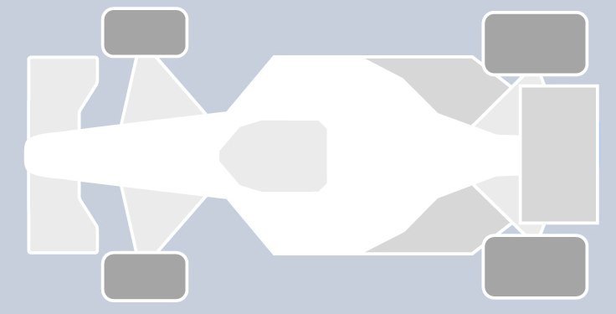
 |  |  |  | DV-System

Cooler1

FAN

Gyro
FSG DL
CAN Board 2
CAN Board 1
Dashboard
Steering Wheel
PDS
RES1&2
AMS
WP
Telemetry
VCU
HVD
Groundspeed
DV CPU
Inverter
 |  |  | APPS1
 |  |  | APPS2
 |  |  | P_Brake_Front |  |  |  |  |  |  |  |  |  |  | P_Brake_Rear
BSPD
 |  |  | Brakepedal
 |  |  | Steering Angle |  |  |  |  |  |  |  |  |  |  | AIR +
 |  |  | BOTS |  |  |  |  |  |  |  |  |  |  | AIR -
AS-Logic
 |  |  |  |  |  |  |  |  |  |  |  |  |  | AIR PreCh

Cooler2

FAN

 |  |  |  |  |  |  | Wheelspeed FL | Tire Temperature FL |  |  | Not-.Aus Links | T_Cooler | Damper RL
 |  |  |  |  |  |  | Damper FL |  |  |  |  | P_Cooler | Tmot RL
 |  |  |  |  |  |  | Wicklungstemp FL vom WR |  |  |  |  | Tmot RL | Wicklungstemp RL vom WR
 |  |  |  |  |  |  | Nmot FL vom WR |  |  |  |  | FAN2 | Nmot RL vom WR
 |  |  |  |  |  |  | Tmot FL |  |  |  |  | Tire Temperature RL

 |  |  |  | Mechanische Komponenten |  |  |  |  |  |  |  | T_Cooler_1
 |  |  |  | LV-Komponenten |  |  | Tire_Temperature_FR |  |  |  |  | P_Cooler_1 | Tire_Temperature_RR
 |  |  |  | HV-Komponenten |  |  | Wheelspeed_FR |  | Shut-Down-Button_Cockpit |  | TSMS | FAN1 | Damper_RR
 |  |  |  | HV Battery |  |  | Damper_FR |  | Crashsensor |  | Shut-Down-Button_Right | Tmot2_RR | Tmot_RR
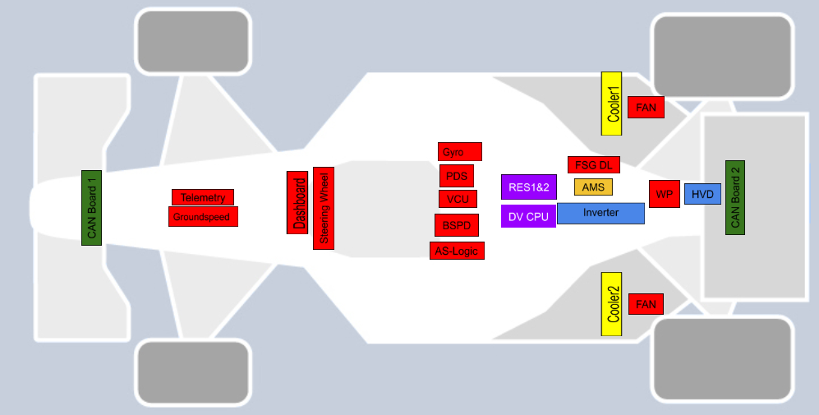
 |  |  |  | DV-System

 |  |  | APPS1
 |  |  | APPS2
 |  |  | P_Brake_Front |  |  |  |  |  |  |  |  |  |  | P_Brake_Rear
 |  |  | Brake_Pos |  |  |  |  |  |  |  |  |  |  | P_Tank_Primary
 |  |  | Steering_Angle |  |  |  |  |  |  |  |  |  |  | P_Tank_Secondary
 |  |  | BOTS
 |  |  | P_Service_Brake
 |  |  | P_EBS_Handle

 |  |  |  |  |  |  | Wheelspeed_FL |  |  |  | Shut-Down-Button_Left | Tmot2_RL | Damper_RL
 |  |  |  |  |  |  | Damper_FL |  |  |  |  | FAN2 | Tmot_RL
 |  |  |  |  |  |  | Tire_Temperature_FL |  |  |  |  | T_Cooler_2 | Tire_Temperature_RL
 |  |  |  |  |  |  |  |  |  |  |  | P_Cooler_2

Verbotene IDs CAN1: | Benutzt von |  | Verbotene IDs CAN2: | Benutzt von
0x000 | RES
0x080 | RES
0x100 | RES
0x180 | RES
0x200 | RES
0x430 | DL
0x500 | DL
0x501 | DL
0x502 | DL
0x511 | DL
0x512 | DL
0x513 | DL
0x514 | DL
0x515 | DL
0x580 | RES
0x600 | RES
0x700 | RES
0x7E4 | RES
0x7E5 | RES

General Rules Requirements
 | Name | Speed
CAN 1
CAN 2
CAN 3

Reqiurements of CAN-Bus

Nr.: | Rule | Rules-Name | Rules wording | Rules/Competition Handbook | Additional Infos
1 | T11.9.2 | System Critical Signals (SCSs) | Any of the following SCS single failures must result in a safe state of all connected systems: ... (d) Failures of digitally transmitted signals by cable or wireless: • Data corruption (e.g. checked by a checksum) • Loss and delay of messages (e.g. checked by transmission time outs) Signals might be a member of multiple signal classes, e.g. analog signals transmitted by cable might be a member of T 11.9.2.a, T 11.9.2.b and T 11.9.2.c. | FSG Rules 2020
2 | T11.9.3 | System Critical Signals (SCSs) | The maximum allowed delay of messages according to T 11.9.2.d must be chosen depending on the impact of delayed messages to the connected system, but must not exceed 500 ms. | FSG Rules 2020
3 | DE7.3.4 | Data Logger | The CAN bus interface operates on a data rate of 1 Mbit/s and is not terminated internally. | Competition Handbook 2020
4 | DE7.3.5 | Data Logger | The CAN message layout can be obtained from a dbc-file provided on the competition website. | Competition Handbook 2020 | File can be found here: X:\AL21\060_Low_Voltage\010_Technical\170_Studienarbeit_Jonas_Robin\040_FSG_Documents
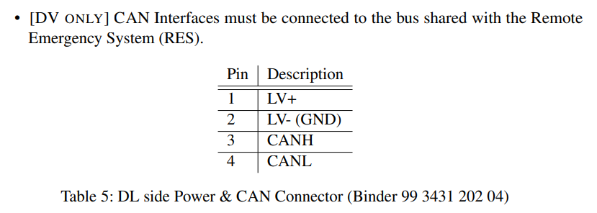
5 | DE7.3.9 | Data Logger | Binder 99 3431 202 04 (DL-side) • Power and CAN interface • Must power the DL according to EV4.6.6. • Can be connected to a vehicle CAN bus to obtain status messages. • Teams are advised to check the status messages, as they provide the status of the data logger. • Missing data due to not checking the status messages will be treated as a fault of the team. • Status messages are sent with a frequency of 50 Hz. • Status messages contain maximum values (Voltage, Current, Power) of the respective time interval. • Status messages are provided as a general reference only, only the data stored on the DL will be used for scoring. • [DV ONLY] CAN Interfaces must be connected to the bus shared with the Remote Emergency System (RES). Pin Description - 1 LV+ - 2 LV- (GND) - 3 CANH - 4 CANL Table 5: DL side Power & CAN Connector (Binder 99 3431 202 04) | Competition Handbook 2020
6 | DE7.3.15 | Data Logger | [DV ONLY] Beside RES messages (see DE7.4.8), the messages defined in Table 9 must be provided to the DL with a cycle time of 100 ms each. Steering angle δ and vehicle coordinate system is defined in figure 6. | Competition Handbook 2020
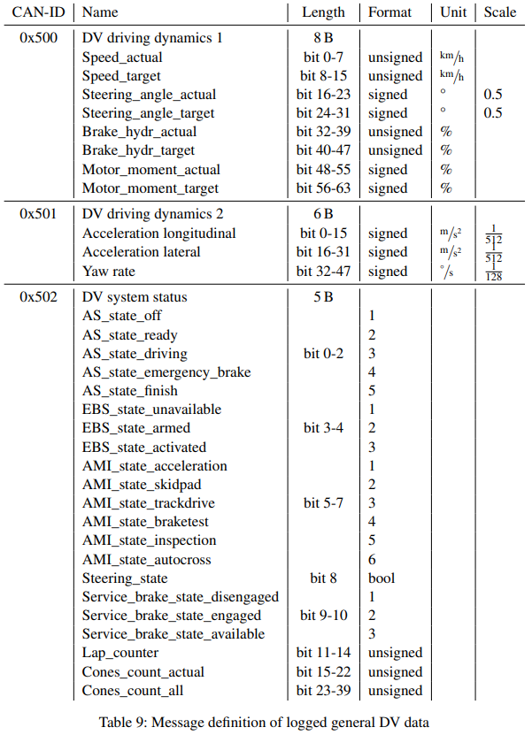
7 | DE7.3.16 | Data Logger | [DV ONLY] All signals are little-endian (Intel). Scale, if not defined, is 1. | Competition Handbook 2020
8 | DE7.3.17 | Data Logger | [DV ONLY] Messages 0x500 and 0x502 must be filled in any case. If some values are not directly available, they should be interpolated or calculated (i.e. target values). 0x501 depends on available sensor data. | Competition Handbook 2020
9 | DE7.3.18 | Data Logger | [DV ONLY] All signals mentioned in the team’s Autonomous System Form (ASF) have to be provided within the up to five messages with CAN-IDs 0x511 to 0x515. Each message can be up to 8 B of data length. Cycle time is 100 ms. | Competition Handbook 2020
10 | DE7.3.19 | Data Logger | [DV ONLY] A valid dbc10 file containing the message definition of the ASF messages must be uploaded with the ASF. It may be updated afterwards until the deadline mentioned in 2. | Competition Handbook 2020
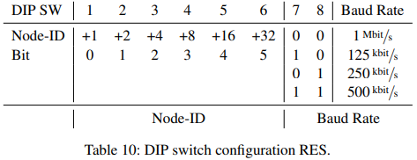
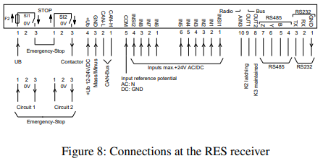
11 | DE7.4.5 | [DV ONLY] Remote Emergency System (RES) | The CANopen interface of the receiver has the following properties: • 1000 kbit/s, 125 kbit/s, 250 kbit/s and 500 kbit/s in standard configuration. • Cyclic PDOs containing states of switches (Go-signal) and radio • Warns if signal loss detected (200 ms in advance to shutdown, contained in cyclic PDO) | Competition Handbook 2020
12 | DE7.4.6 | [DV ONLY] Remote Emergency System (RES) | The Node-ID and baud rate settings of the vehicle-side installed receiver can be configured with the external DIP switch: | Competition Handbook 2020
13 | DE7.4.7 | [DV ONLY] Remote Emergency System (RES) | The Node-ID has to be set to 0x011 at the competition. Only in severe cases, there will be an exception. Please give a detail problem description with the request. | Competition Handbook 2020
14 | DE7.4.8 | [DV ONLY] Remote Emergency System (RES) | The receiver is booted up and sends a message to signalize its initialization (NMT message with CAN-ID 0x700 + Node-ID and a single data byte 0x00). A CAN/CANopen master device must set the receiver to operational mode (NMT message CAN-ID = 0x000, byte 1 = 0x01 (requested state), byte 2 = addressed Node-ID or 0x00 for all). After setting to operational mode, the receiver starts sending a status message of 8 bytes containing PDOs 2000 - 2007 (one byte each, CAN-ID = 0x180 + Node-ID) every 30 ms. | Competition Handbook 2020
15 | DE7.4.9 | [DV ONLY] Remote Emergency System (RES) | Manually resetting the RES before sending the operational mode message may be used to check if the device is online (NMT message CAN-ID = 0x000, byte 1 = 0x80 (requested state), byte 2 = adressed Node-ID). This will be answered with the boot-up message. | Competition Handbook 2020
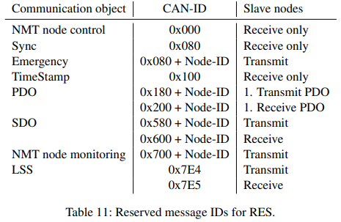
16 | DE7.4.10 | [DV ONLY] Remote Emergency System (RES) | Beside the CAN-IDs mentioned in DE7.4.8 and DE7.4.9, be aware not to use the CANopenrelated IDs listed in Table 11 on the bus | Competition Handbook 2020
17 | DE7.4.11 | [DV ONLY] Remote Emergency System (RES) | System misbehavior and faulty logs caused by misuse of these messages eliminates the demand for a re-run and may lead to a Disqualified (DQ). Same counts for any kind of hardware manipulation to the sender and receiver or improper antennas modifications. In doubt, the logs available on the official DL (see Section DE7.3) count. | Competition Handbook 2020
18 | DE7.4.13 | [DV ONLY] Remote Emergency System (RES) | Either K2 or K3 are allowed to be used to signalize the Go-signal for switching from “Ready” to “Driving” state, see DV2.4, Figure 21. Both the CAN message or the digital outs can be used. | Competition Handbook 2020
19
20
21
22
23
24
25
26
27
28
29
30

