Figures
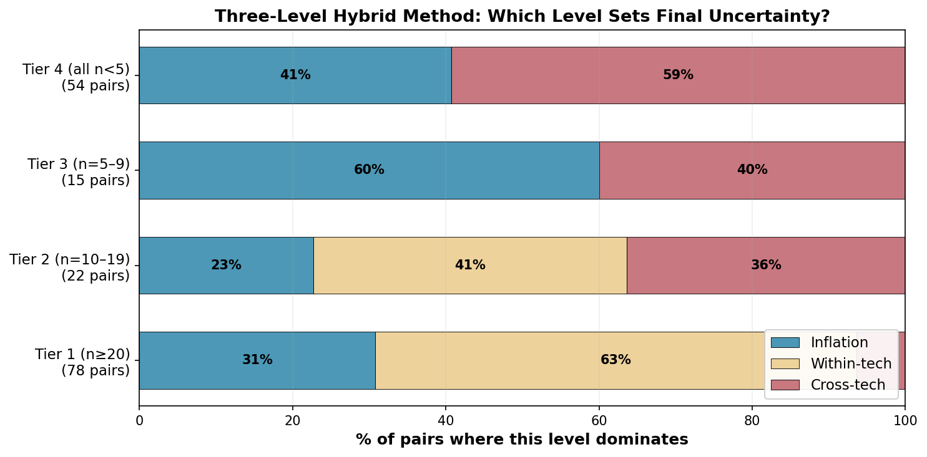
Decision-Support Figures

Fig 1: CV vs Sample Size — The Problem
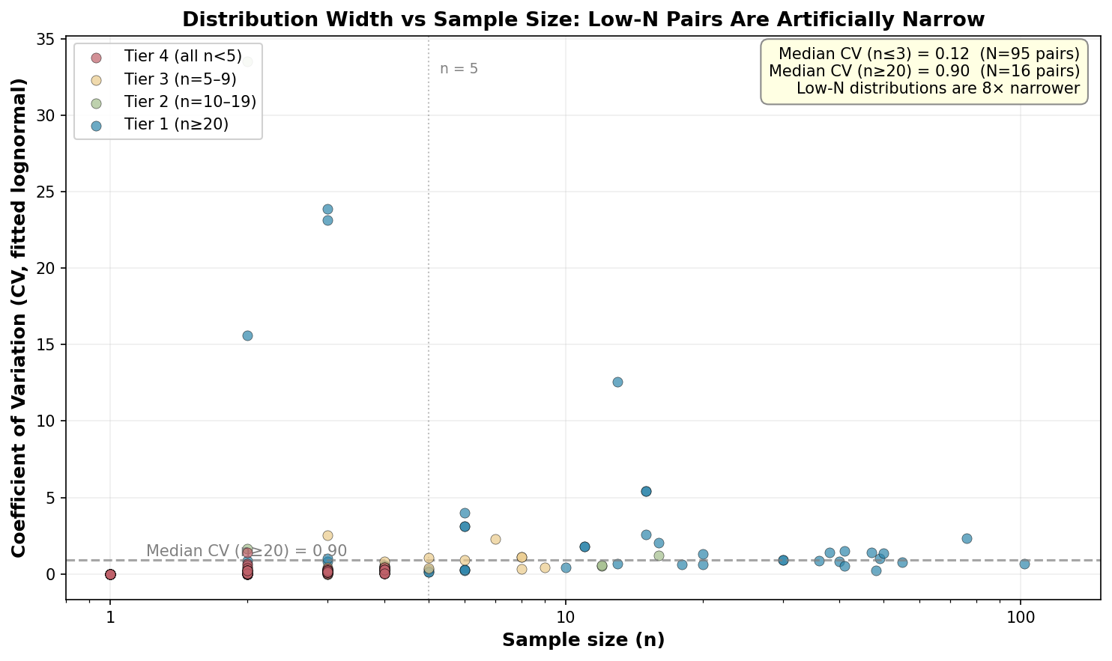

Fig 2: Empirical Inflation vs Heuristic
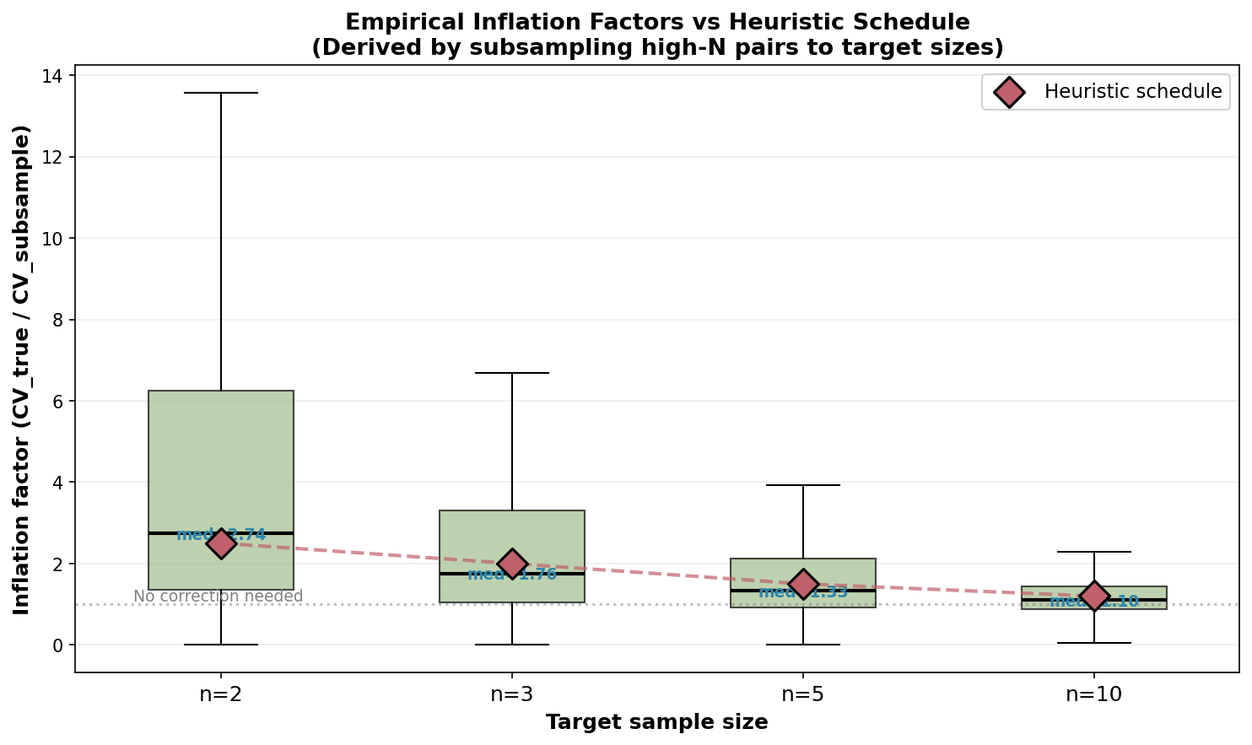

Fig 3: Cross-Tech CV Consistency
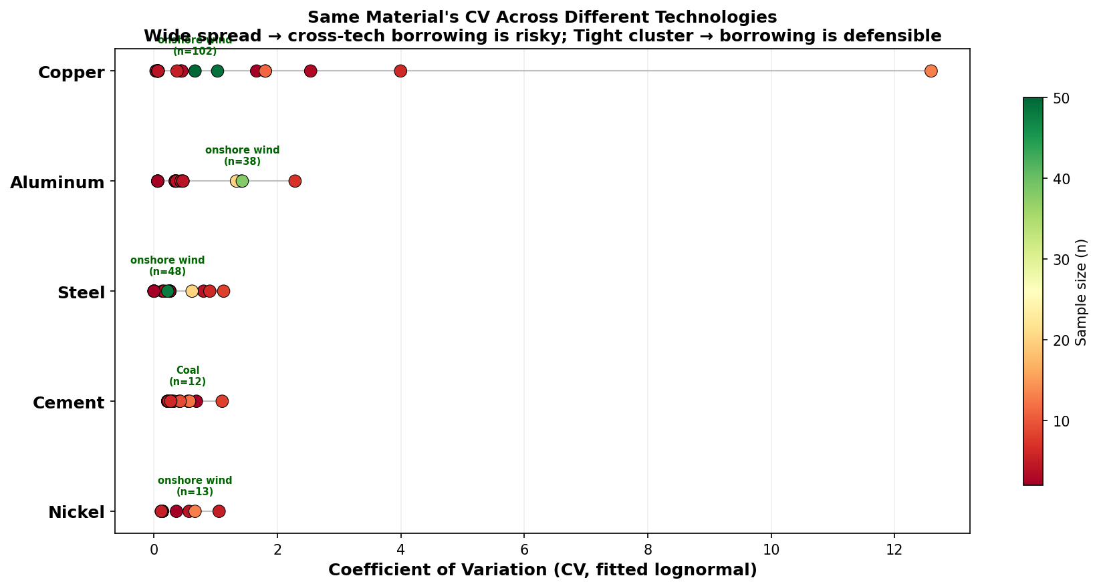

Fig 4: Method Dominance by Tier

