Objective
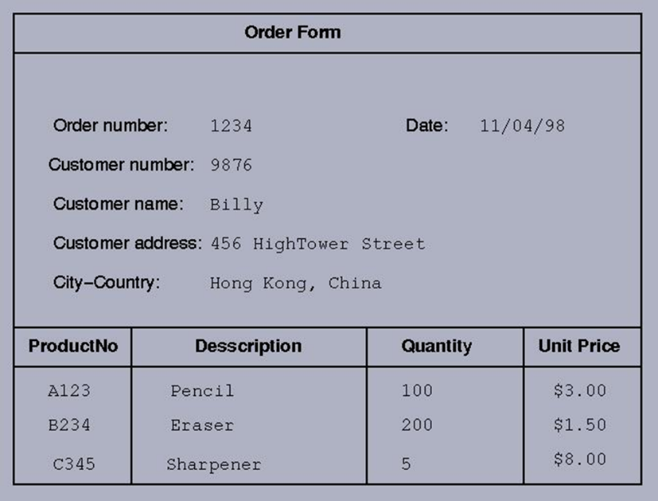
1. Database objective: creation of a database to manage order forms.

2. Requirements: the database must include the order number, the date, customer number, customer name, custommer address, customer's city and country as well as the product number, the description, the quantity and the unit price.

Data Models
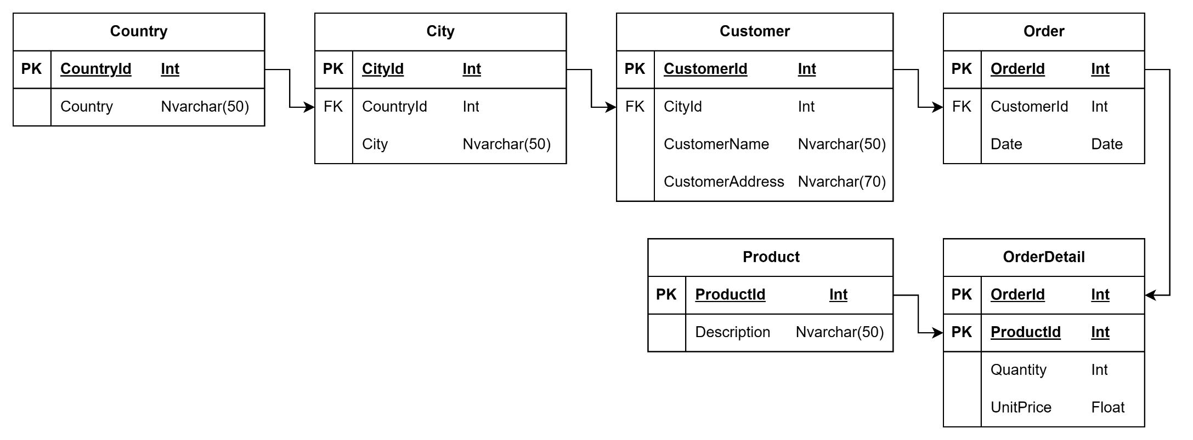
Conceptual Model | Logical Model | Physical Model

