Part 1
Part 1

Total Inventory cost v/s Order Quantity
Order Demand (Units)(v) | 15000 | One way Data table for smallest cost
unit price (p) $ | $80.00 | Order Quantity | Total Inventory cost
Ordering cost ($/order), fixed cost Cf | $220.00 | 677 | $9,748.85
Holding cost % | 18 | 525 | $10,065.71
Holding cost ($/unit) | $14.40 | 550 | $9,960.00
 |  | 575 | $9,879.13
D is demand per year |  | 600 | $9,820.00
Co is Order cost per order |  | 650 | $9,756.92
Ch is holding cost per unit. |  | 670 | $9,749.37
Economic Order Quantity (EOQ) | 677 | 675 | $9,748.89
Average Inventory is half of EOQ | 338.50 | 700 | $9,754.29
Number of Orders= Annual demand/EOQ | 22 | 725 | $9,771.72
 |  | 750 | $9,800.00
Total Annual Holding cost = Average Inventory* Holding per unit | $4,874.42 | 775 | $9,838.06
Total annual Ordering cost = Orders* Ordering cost | $4,874.42 | 800 | $9,885.00
Total purchase cost= unitprice*Demands | $1,200,000.00 | 825 | $9,940.00
 |  | 850 | $10,002.35
Total Inventory cost =Ordering cost+ Holding cost | $9,748.85

 |  |  |  |  | Two way Data table for smallest cost

 |  | Unit price (p) |  |  |  | Ordering cost
 |  | $9,748.85 | 180 | 185 | 190 | 195 | 200 | 205 | 210 | 215 | 220 | 225 | 230
 |  | 75 | $8,538.15 | $8,655.92 | $8,772.11 | $8,886.79 | $9,000.00 | $9,111.81 | $9,222.26 | $9,331.40 | $9,439.28 | $9,545.94 | $9,651.42
 |  | 76 | $8,594.88 | $8,713.44 | $8,830.40 | $8,945.84 | $9,059.80 | $9,172.35 | $9,283.53 | $9,393.40 | $9,502.00 | $9,609.37 | $9,715.55
 |  | 77 | $8,651.24 | $8,770.58 | $8,888.31 | $9,004.50 | $9,119.21 | $9,232.50 | $9,344.41 | $9,455.00 | $9,564.31 | $9,672.38 | $9,779.26
 |  | 78 | $8,707.24 | $8,827.34 | $8,945.84 | $9,062.78 | $9,178.24 | $9,292.25 | $9,404.89 | $9,516.20 | $9,626.21 | $9,734.99 | $9,842.56
 |  | 79 | $8,762.88 | $8,883.75 | $9,003.00 | $9,120.69 | $9,236.88 | $9,351.63 | $9,464.99 | $9,577.00 | $9,687.72 | $9,797.19 | $9,905.45
 |  | 80 | $8,818.16 | $8,939.80 | $9,059.80 | $9,178.24 | $9,295.16 | $9,410.63 | $9,524.70 | $9,637.43 | $9,748.85 | $9,859.01 | $9,967.95
 |  | 81 | $8,873.11 | $8,995.50 | $9,116.25 | $9,235.42 | $9,353.07 | $9,469.27 | $9,584.05 | $9,697.47 | $9,809.59 | $9,920.43 | $10,030.05
 |  | 82 | $8,927.71 | $9,050.86 | $9,172.35 | $9,292.25 | $9,410.63 | $9,527.54 | $9,643.03 | $9,757.15 | $9,869.95 | $9,981.48 | $10,091.78
 |  | 83 | $8,981.98 | $9,105.88 | $9,228.11 | $9,348.74 | $9,467.84 | $9,585.46 | $9,701.65 | $9,816.47 | $9,929.95 | $10,042.16 | $10,153.13
 |  | 84 | $9,035.93 | $9,160.57 | $9,283.53 | $9,404.89 | $9,524.70 | $9,643.03 | $9,759.92 | $9,875.42 | $9,989.59 | $10,102.47 | $10,214.11
 |  | 85 | $9,089.55 | $9,214.93 | $9,338.63 | $9,460.71 | $9,581.23 | $9,700.26 | $9,817.84 | $9,934.03 | $10,048.88 | $10,162.43 | $10,274.73

 |  | Minimum | 8,538.14968245462
 |  | Maximum | 10274.726274

Excel Solver
Given Data
Total Inventory cost v/s Order Quantity
Order Demand (Units)(v) | 15000 | One way Data table for smallest cost
unit price (p) $ | $80.00 | Order Quantity | Total Inventory cost
Ordering cost ($/order), fixed cost Cf | $220.00 | 677 | $9,748.85
Holding cost % | 18 | 500 | $10,200.00
Holding cost ($/unit) | $14.40 | 550 | $9,960.00
 |  | 575 | $9,879.13
 |  | 600 | $9,820.00
 |  | 625 | $9,780.00
 |  | 650 | $9,756.92
Economic Order Quantity (EOQ) | 677 | 675 | $9,748.89
Average Inventory is half of EOQ | 338.50 | 700 | $9,754.29
Number of Orders= Annual demand/EOQ | 22 | 725 | $9,771.72
 |  | 750 | $9,800.00
Total Annual Holding cost = Average Inventory* Holding per unit | $4,874.42 | 775 | $9,838.06
Total annual Ordering cost = Orders* Ordering cost | $4,874.42 | 800 | $9,885.00
Total purchase cost= unitprice*Demands | $1,200,000.00 | 825 | $9,940.00
 |  | 850 | $10,002.35
Total Inventory cost =Ordering cost+ Holding cost | $9,748.85

Report
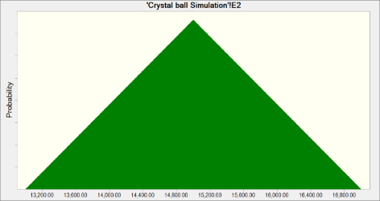
 |  |  |  | Crystal Ball Report - Forecasts
 |  |  |  | Simulation started on 19-06-2022 at 22:59
 |  |  |  | Simulation stopped on 19-06-2022 at 22:59

 | Run preferences:
 |  | Number of trials run | 1,000
 |  | Monte Carlo
 |  | Random seed
 |  | Precision control on
 |  | Confidence level | 95.00%

 | Run statistics:
 |  | Total running time (sec) | 5.75
 |  | Trials/second (average) | 174
 |  | Random numbers per sec | 174

 | Crystal Ball data:
 |  | Assumptions | 1
 |  | Correlations | 0
 |  | Correlation matrices | 0
 |  | Decision variables | 0
 |  | Forecasts | 3

 |  |  |  | Forecasts

Worksheet: [ALY6050_Module4Project_Data.xlsx]Crystal ball Simulation (2)

Forecast: Number or orders |  |  |  |  |  | Cell: H1

 | Summary:
 |  | Certainty level is 95.0%
 |  | Certainty range is from 21 to 23
 |  | Entire range is from 21 to 24
 |  | Base case is 22
 |  | After 1,000 trials, the std. error of the mean is 0

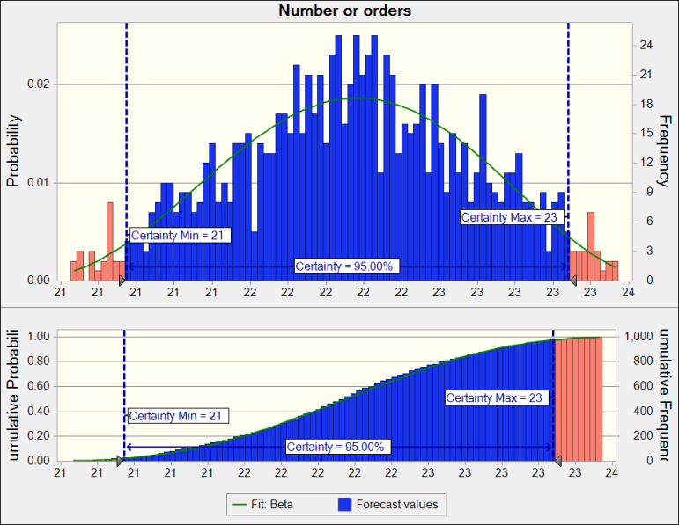

Forecast: Number or orders (cont'd) |  |  |  |  |  | Cell: H1

 | Statistics: |  | Forecast values
 |  | Trials | 1,000
 |  | Base Case | 22
 |  | Mean | 22
 |  | Median | 22
 |  | Mode | ---
 |  | Standard Deviation | 1
 |  | Variance | 0
 |  | Skewness | -0.0457
 |  | Kurtosis | 2.42
 |  | Coeff. of Variation | 0.0278
 |  | Minimum | 21
 |  | Maximum | 24
 |  | Range Width | 3
 |  | Mean Std. Error | 0

 | Percentiles: |  | Forecast values
 |  | 0% | 21
 |  | 10% | 21
 |  | 20% | 22
 |  | 30% | 22
 |  | 40% | 22
 |  | 50% | 22
 |  | 60% | 22
 |  | 70% | 22
 |  | 80% | 23
 |  | 90% | 23
 |  | 100% | 24

Forecast: Order quantity |  |  |  |  |  | Cell: G1

 | Summary:
 |  | Certainty level is 95.0%
 |  | Certainty range is from 640.02 to 711.35
 |  | Entire range is from 631.08 to 719.40
 |  | Base case is 677.00
 |  | After 1,000 trials, the std. error of the mean is 0.60

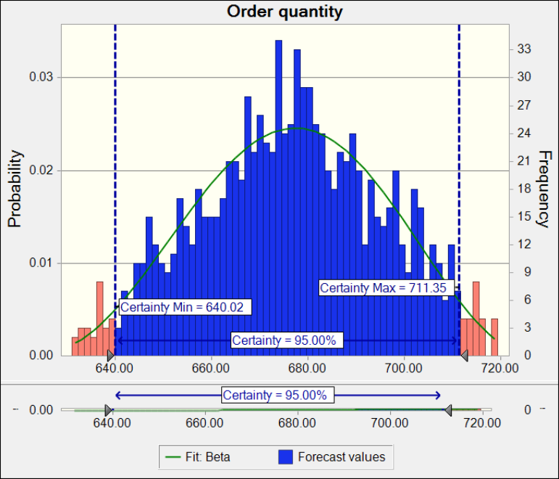

Forecast: Order quantity (cont'd) |  |  |  |  |  | Cell: G1

 | Statistics: |  | Forecast values
 |  | Trials | 1,000
 |  | Base Case | 677.00
 |  | Mean | 676.59
 |  | Median | 676.82
 |  | Mode | ---
 |  | Standard Deviation | 18.84
 |  | Variance | 354.76
 |  | Skewness | -0.0457
 |  | Kurtosis | 2.42
 |  | Coeff. of Variation | 0.0278
 |  | Minimum | 631.08
 |  | Maximum | 719.40
 |  | Range Width | 88.32
 |  | Mean Std. Error | 0.60

 | Percentiles: |  | Forecast values
 |  | 0% | 631.08
 |  | 10% | 650.86
 |  | 20% | 659.52
 |  | 30% | 666.48
 |  | 40% | 671.93
 |  | 50% | 676.82
 |  | 60% | 681.25
 |  | 70% | 686.91
 |  | 80% | 693.54
 |  | 90% | 702.00
 |  | 100% | 719.40

Forecast: Total cost |  |  |  |  |  | Cell: I1

 | Summary:
 |  | Certainty level is 95.0%
 |  | Certainty range is from 9,216.34 to 10,243.38
 |  | Entire range is from 9,087.52 to 10,359.38
 |  | Base case is 9,748.85
 |  | After 1,000 trials, the std. error of the mean is 8.58

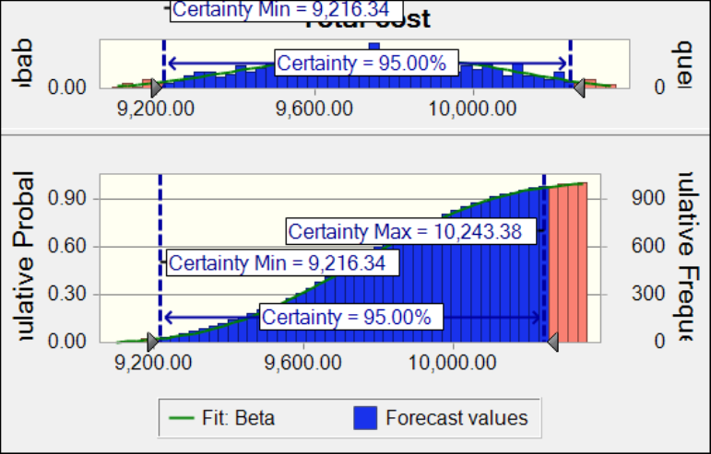

 | Statistics: |  | Forecast values
 |  | Trials | 1,000
 |  | Base Case | 9,748.85
 |  | Mean | 9,742.87
 |  | Median | 9,746.24
 |  | Mode | ---
 |  | Standard Deviation | 271.22
 |  | Variance | 73,562.78
 |  | Skewness | -0.0457
 |  | Kurtosis | 2.42
 |  | Coeff. of Variation | 0.0278
 |  | Minimum | 9,087.52
 |  | Maximum | 10,359.38
 |  | Range Width | 1,271.86
 |  | Mean Std. Error | 8.58

Forecast: Total cost (cont'd) |  |  |  |  |  | Cell: I1

 | Percentiles: |  | Forecast values
 |  | 0% | 9,087.52
 |  | 10% | 9,372.33
 |  | 20% | 9,497.04
 |  | 30% | 9,597.31
 |  | 40% | 9,675.77
 |  | 50% | 9,746.22
 |  | 60% | 9,810.05
 |  | 70% | 9,891.55
 |  | 80% | 9,986.93
 |  | 90% | 10,108.74
 |  | 100% | 10,359.38

End of Forecasts
 |  |  |  | Assumptions

Worksheet: [ALY6050_Module4Project_Data.xlsx]Crystal ball Simulation

Assumption: E2 |  |  |  |  |  | Cell: E2

 | Triangular distribution with parameters:
 |  | Minimum | 13,000.00 |  | (=E1)
 |  | Likeliest | 15,000.00
 |  | Maximum | 17,000.00 |  | (=E3)

