Figure 1
This file presents the data underlying the figures in CBO's October 2020 report Vietnam Veterans' Income in Retirement.
www.cbo.gov/publication/56679

Figure 1. Average Income of Vietnam Veterans and Nonveterans at Age 71, 2018
2018 Dollars
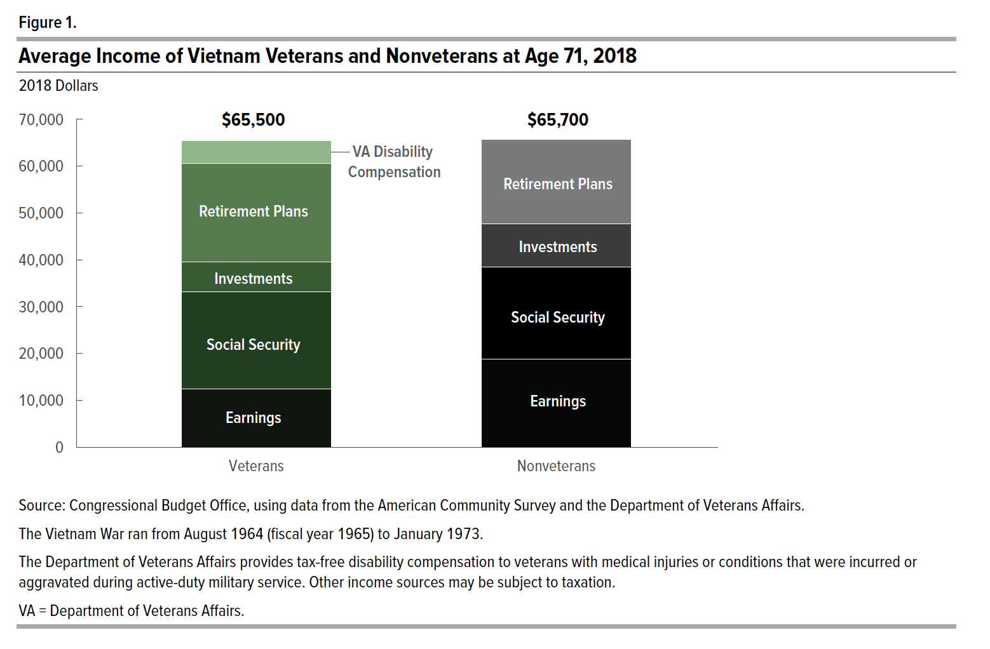
Income Type | Veteran | Nonveteran
Earnings | 12,400 | 18,800
Social Security | 20,800 | 19,700
Investments | 6,400 | 9,200
Retirement Plans | 21,000 | 18,000
VA Disabililty | 4,900
Total | 65,500 | 65,700

Back to Table of Contents

Figure 2
This file presents the data underlying the figures in CBO's October 2020 report Vietnam Veterans' Income in Retirement.
www.cbo.gov/publication/56679

Figure 2. Draftees and New Enlisted Personnel During the Vietnam War
Number of Personnel
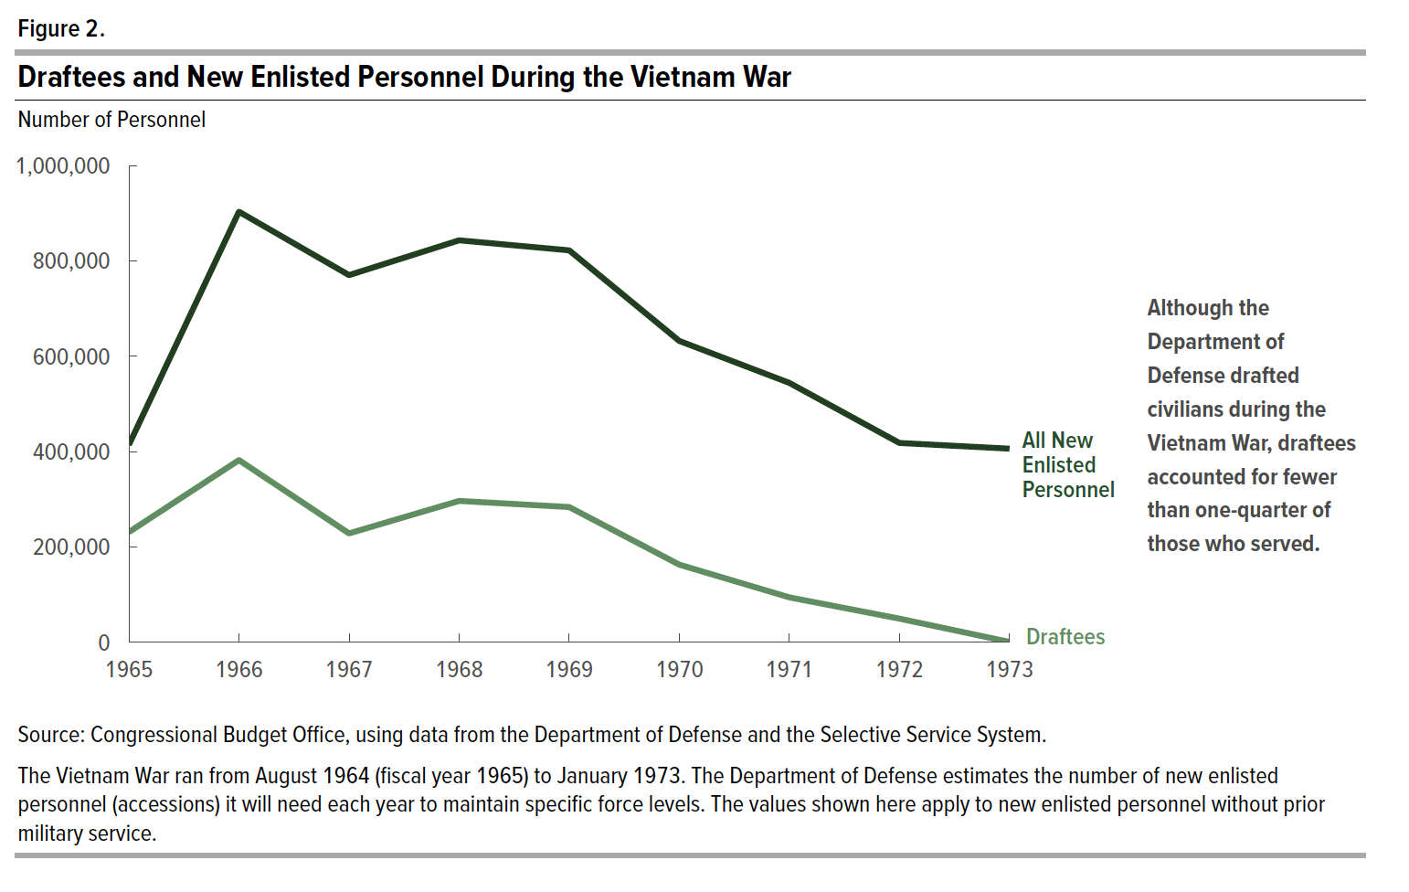
Year | Draftees | All New Enlisted Personnel
1965 | 231,000 | 414,000
1966 | 382,000 | 903,000
1967 | 228,000 | 770,000
1968 | 296,000 | 843,000
1969 | 284,000 | 822,000
1970 | 163,000 | 632,000
1971 | 94,000 | 544,000
1972 | 50,000 | 418,000
1973 | 646 | 406,000

Back to Table of Contents

Figure 3
This file presents the data underlying the figures in CBO's October 2020 report Vietnam Veterans' Income in Retirement.
www.cbo.gov/publication/56679

Figure 3. Age Distribution of Vietnam Veterans and Nonveterans, 2018
Percent
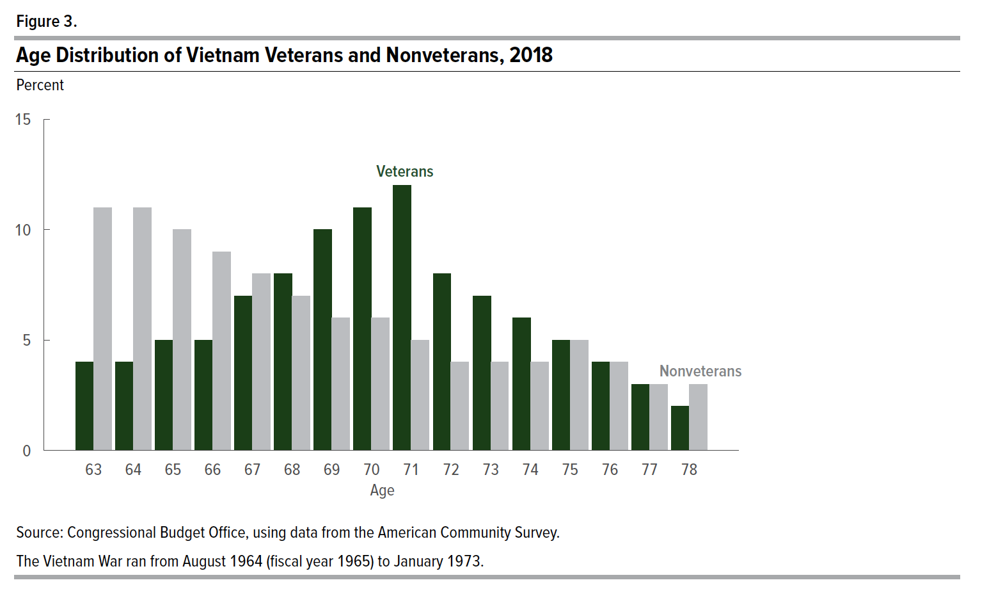
Age | Veterans | Nonveterans
63 | 4 | 11
64 | 4 | 11
65 | 5 | 10
66 | 5 | 9
67 | 7 | 8
68 | 8 | 7
69 | 10 | 6
70 | 11 | 6
71 | 12 | 5
72 | 8 | 4
73 | 7 | 4
74 | 6 | 4
75 | 5 | 5
76 | 4 | 4
77 | 3 | 3
78 | 2 | 3

Back to Table of Contents

Figure 4
This file presents the data underlying the figures in CBO's October 2020 report Vietnam Veterans' Income in Retirement.
www.cbo.gov/publication/56679

Figure 4. Earnings of Vietnam Veterans and Nonveterans Ages 53 to 65 and Share Who Worked, 2008
2018 Dollars
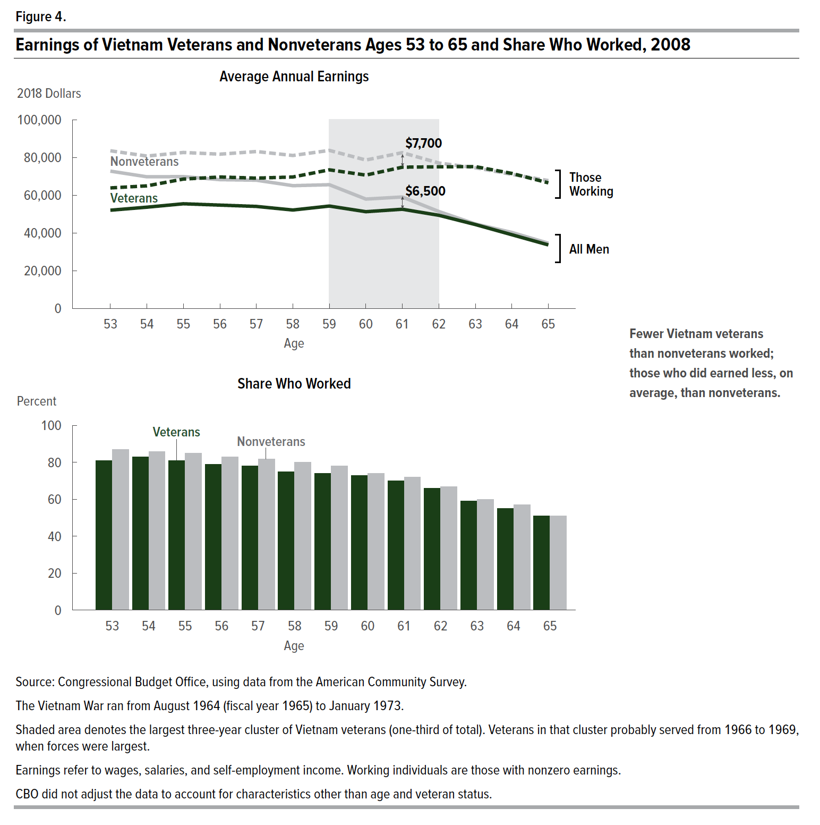
Average Annual Earnings
 | All Men |  | Those working
Age | Veterans | Nonveterans | Veterans | Nonveterans
53 | 52,100 | 72,800 | 63,900 | 83,600 | -28%
54 | 53,700 | 69,800 | 65,000 | 80,800 | -23%
55 | 55,500 | 69,900 | 68,600 | 82,700 | -21%
56 | 54,800 | 68,300 | 69,700 | 81,800 | -20%
57 | 54,100 | 68,000 | 69,100 | 83,200 | -20%
58 | 52,200 | 65,100 | 69,700 | 81,100 | -20%
59 | 54,300 | 65,600 | 73,500 | 83,800 | -17%
60 | 51,300 | 58,000 | 70,700 | 78,700 | -12%
61 | 52,600 | 59,100 | 74,900 | 82,600 | -11%
62 | 49,400 | 51,400 | 75,100 | 77,100 | -4%
63 | 44,500 | 44,800 | 75,200 | 74,600 | -1%
64 | 39,100 | 40,300 | 71,600 | 71,100 | -3%
65 | 33,700 | 34,600 | 66,600 | 67,800 | -3%

Share Who Worked
Percent

Age | Veterans | Nonveterans
53 | 81 | 87
54 | 83 | 86
55 | 81 | 85
56 | 79 | 83
57 | 78 | 82
58 | 75 | 80
59 | 74 | 78
60 | 73 | 74
61 | 70 | 72
62 | 66 | 67
63 | 59 | 60
64 | 55 | 57
65 | 51 | 51

Back to Table of Contents

Figure 5
This file presents the data underlying the figures in CBO's October 2020 report Vietnam Veterans' Income in Retirement.
www.cbo.gov/publication/56679

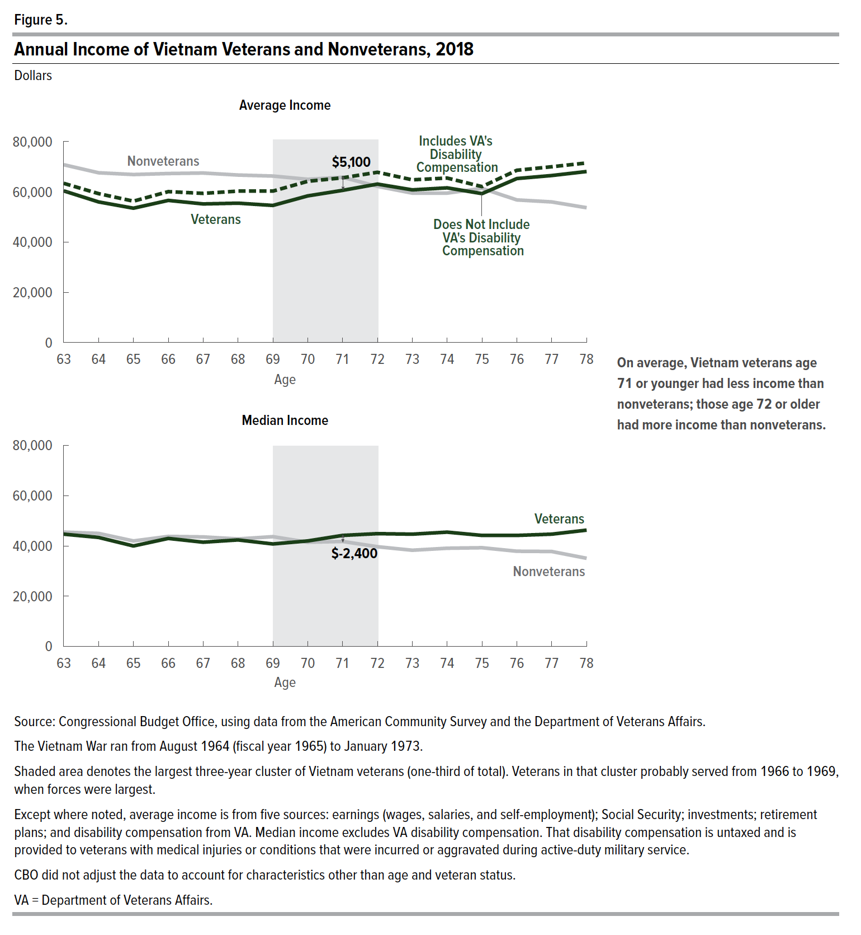
Figure 5. Annual Income of Vietnam Veterans and Nonveterans, 2018
Dollars

 | Average Income
Age | Veterans | Veterans Without VA Disability | Nonveterans
63 | 63,400 | 60,400 | 70,800 | -15%
64 | 59,300 | 56,000 | 67,600 | -17%
65 | 56,300 | 53,500 | 66,900 | -20%
66 | 60,100 | 56,600 | 67,300 | -16%
67 | 59,400 | 55,200 | 67,500 | -18%
68 | 60,300 | 55,500 | 66,700 | -17%
69 | 60,300 | 54,600 | 66,300 | -18%
70 | 64,200 | 58,400 | 65,000 | -10%
71 | 65,600 | 60,600 | 65,800 | -8%
72 | 67,800 | 63,100 | 62,200 | 1%
73 | 64,800 | 60,800 | 59,500 | 2%
74 | 65,500 | 61,600 | 59,500 | 4%
75 | 62,100 | 59,300 | 61,400 | -3%
76 | 68,600 | 65,300 | 56,800 | 15%
77 | 70,000 | 66,500 | 56,000 | 19%
78 | 71,500 | 68,100 | 53,700 | 27%

 | Median Income
Age | Veterans | Nonveterans
63 | 44,700 | 45,500
64 | 43,400 | 45,000
65 | 40,000 | 42,000
66 | 43,000 | 43,800
67 | 41,500 | 43,600
68 | 42,400 | 42,800
69 | 40,800 | 43,700
70 | 42,000 | 41,500
71 | 44,200 | 41,800
72 | 44,900 | 39,700
73 | 44,700 | 38,300
74 | 45,500 | 39,100
75 | 44,200 | 39,300
76 | 44,200 | 37,900
77 | 44,700 | 37,800
78 | 46,300 | 35,100

Back to Table of Contents

Figure 6
This file presents the data underlying the figures in CBO's October 2020 report Vietnam Veterans' Income in Retirement.
www.cbo.gov/publication/56679

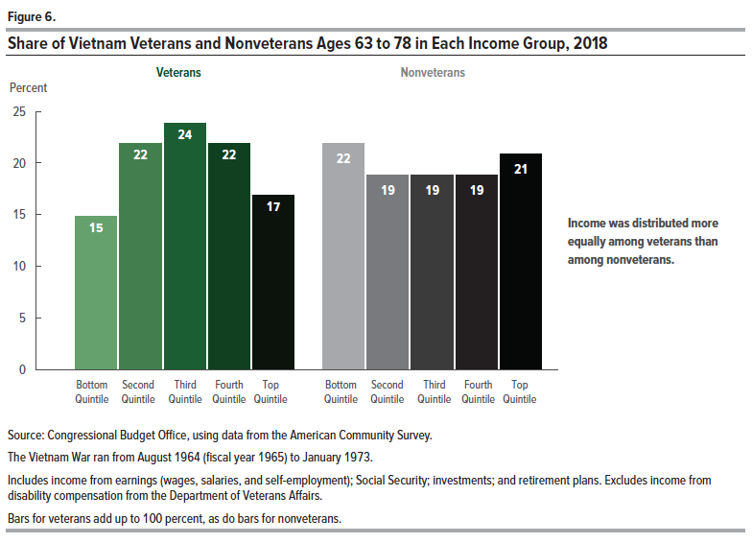
Figure 6. Share of Vietnam Veterans and Nonveterans Ages 63 to 78 in Each Income Group, 2018
Percent

 | Veterans | Nonveterans
Bottom Quintile | 15 | 22
Second Quintile | 22 | 19
Third Quintile | 24 | 19
Fourth Quintile | 22 | 19
Top Quintile | 17 | 21

Back to Table of Contents

Figure 7
This file presents the data underlying the figures in CBO's October 2020 report Vietnam Veterans' Income in Retirement.
www.cbo.gov/publication/56679

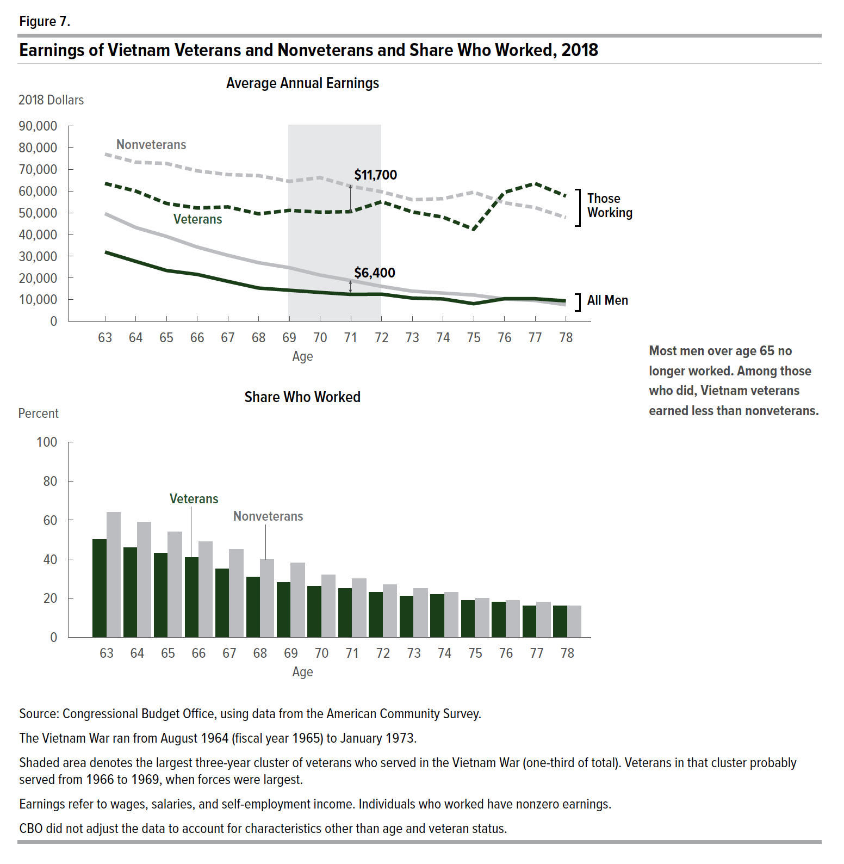
Figure 7. Earnings of Vietnam Veterans and Nonveterans and Share Who Worked, 2018
2018 Dollars

Average Annual Amounts
 | All Men |  | Among Recipients
Age | Veterans | Nonveterans | Veterans | Nonveterans
63 | 31,900 | 49,600 | 63,500 | 77,000 | -36%
64 | 27,600 | 43,200 | 60,000 | 73,300 | -36%
65 | 23,400 | 39,100 | 54,300 | 72,700 | -40%
66 | 21,600 | 34,200 | 52,200 | 69,300 | -37%
67 | 18,400 | 30,400 | 52,700 | 67,600 | -39%
68 | 15,300 | 27,000 | 49,500 | 67,100 | -43%
69 | 14,300 | 24,700 | 51,100 | 64,500 | -42%
70 | 13,300 | 21,300 | 50,300 | 66,200 | -38%
71 | 12,400 | 18,800 | 50,500 | 62,200 | -34%
72 | 12,500 | 16,100 | 55,100 | 59,700 | -22%
73 | 10,700 | 13,900 | 50,400 | 56,000 | -23%
74 | 10,300 | 13,000 | 48,000 | 56,500 | -21%
75 | 8,100 | 12,100 | 42,400 | 59,500 | -33%
76 | 10,400 | 10,300 | 59,400 | 54,600 | 1%
77 | 10,400 | 9,600 | 63,500 | 52,400 | 8%
78 | 9,400 | 7,600 | 57,700 | 47,800 | 24%

Share Who Received Payments
Percent

Age | Veterans | Nonveterans
63 | 50 | 64
64 | 46 | 59
65 | 43 | 54
66 | 41 | 49
67 | 35 | 45
68 | 31 | 40
69 | 28 | 38
70 | 26 | 32
71 | 25 | 30
72 | 23 | 27
73 | 21 | 25
74 | 22 | 23
75 | 19 | 20
76 | 18 | 19
77 | 16 | 18
78 | 16 | 16

Back to Table of Contents

Figure 8
This file presents the data underlying the figures in CBO's October 2020 report Vietnam Veterans' Income in Retirement.
www.cbo.gov/publication/56679

Figure 8. Social Security Payments to Vietnam Veterans and Nonveterans and Share Who Received Them, 2018
2018 Dollars
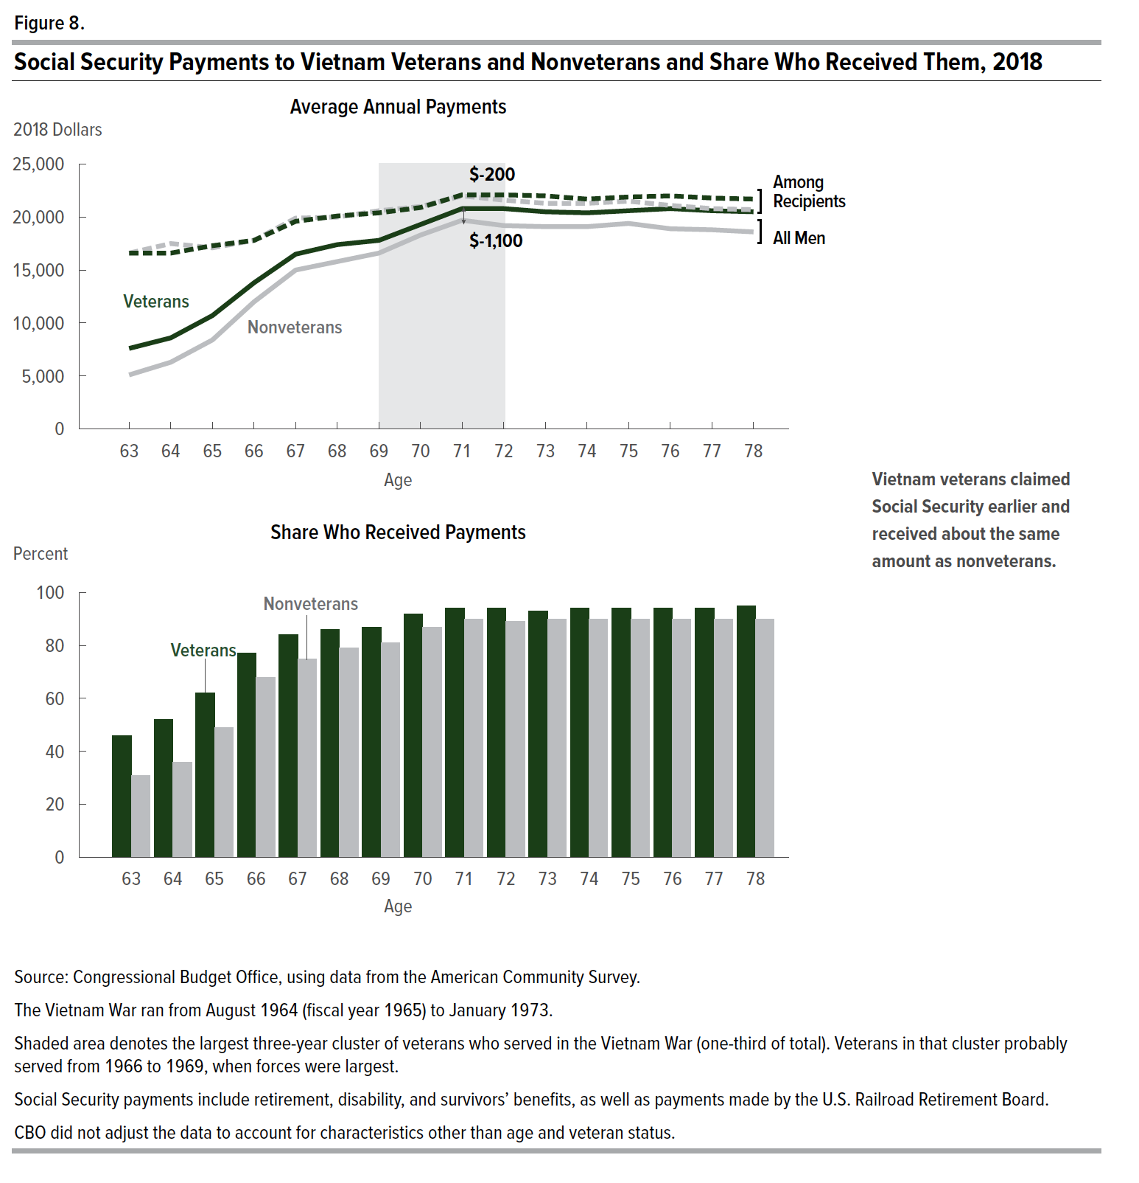
Average Annual Amounts
 | All Men |  | Among Recipients
Age | Veterans | Nonveterans | Veterans | Nonveterans
63 | 7,600 | 5,100 | 16,600 | 16,600
64 | 8,600 | 6,300 | 16,600 | 17,500
65 | 10,700 | 8,400 | 17,300 | 17,100
66 | 13,800 | 12,000 | 17,800 | 17,800
67 | 16,500 | 15,000 | 19,600 | 19,900
68 | 17,400 | 15,800 | 20,100 | 20,000
69 | 17,800 | 16,600 | 20,400 | 20,600
70 | 19,300 | 18,300 | 20,900 | 21,000
71 | 20,800 | 19,700 | 22,100 | 22,000
72 | 20,800 | 19,200 | 22,100 | 21,600
73 | 20,500 | 19,100 | 22,000 | 21,300
74 | 20,400 | 19,100 | 21,700 | 21,300
75 | 20,600 | 19,400 | 21,900 | 21,500
76 | 20,800 | 18,900 | 22,000 | 21,100
77 | 20,600 | 18,800 | 21,800 | 20,800
78 | 20,500 | 18,600 | 21,700 | 20,700

Share Who Received Payments
Percent

Age | Veterans | Nonveterans
63 | 46 | 31
64 | 52 | 36
65 | 62 | 49
66 | 77 | 68
67 | 84 | 75
68 | 86 | 79
69 | 87 | 81
70 | 92 | 87
71 | 94 | 90
72 | 94 | 89
73 | 93 | 90
74 | 94 | 90
75 | 94 | 90
76 | 94 | 90
77 | 94 | 90
78 | 95 | 90

Back to Table of Contents

Figure 9
This file presents the data underlying the figures in CBO's October 2020 report Vietnam Veterans' Income in Retirement.
www.cbo.gov/publication/56679

Figure 9. Investment Income of Vietnam Veterans and Nonveterans and Share Who Received It, 2018
2018 Dollars
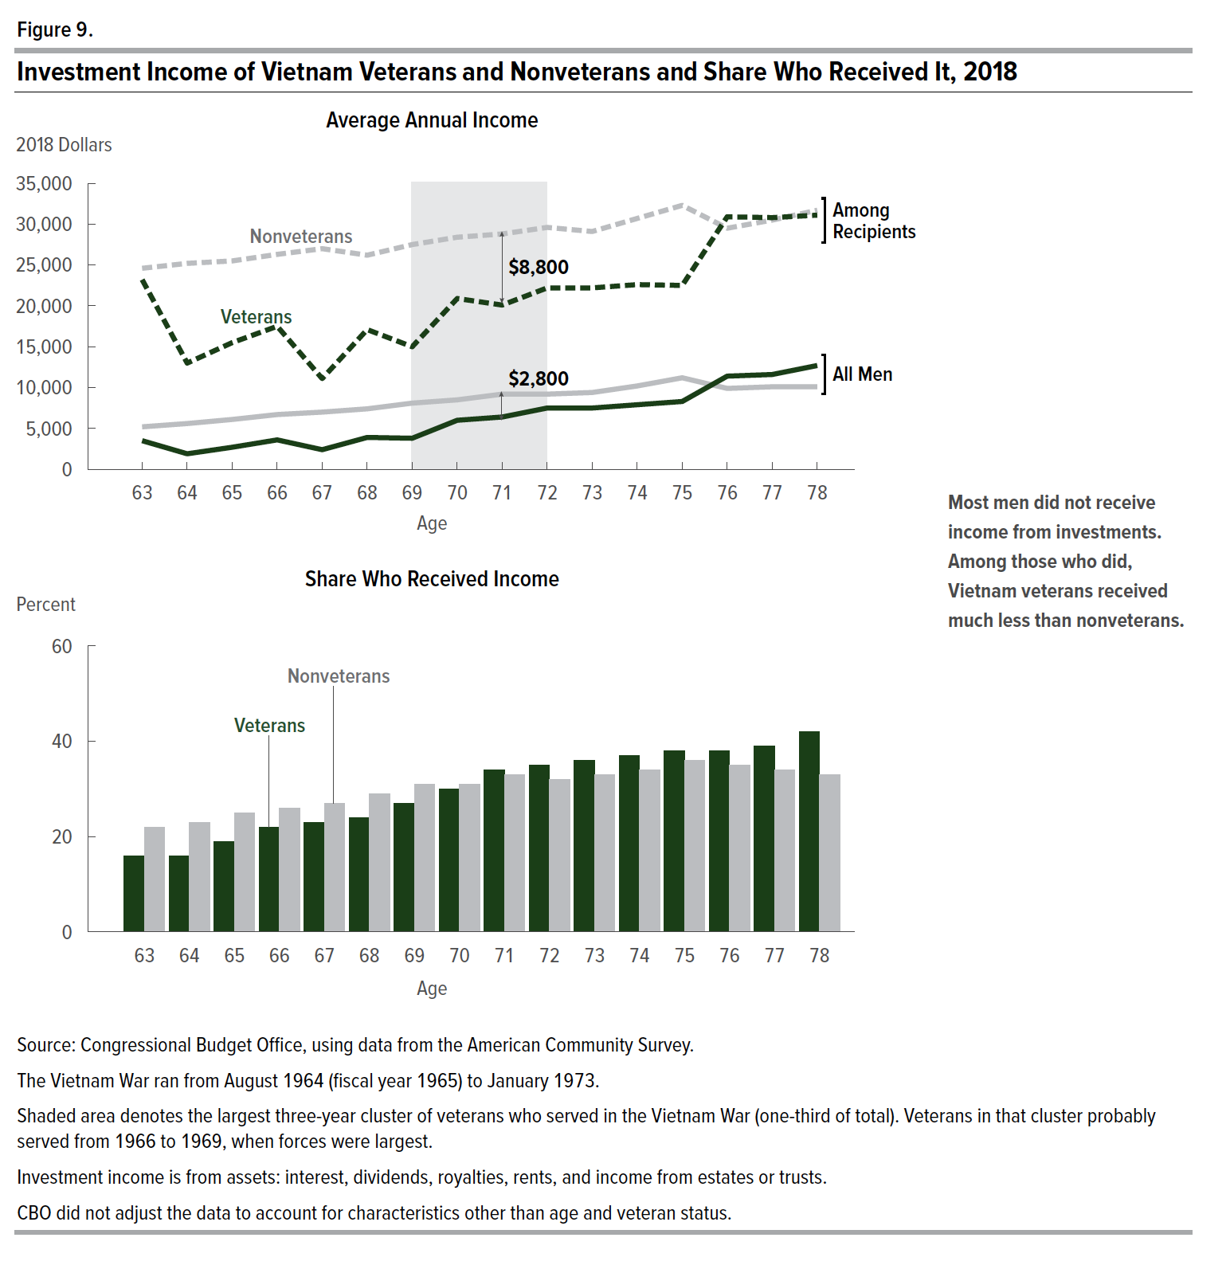
Average Annual Amounts
 | All Men |  | Among Recipients
Age | Veterans | Nonveterans | Veterans | Nonveterans
63 | 3,500 | 5,200 | 22,500 | 23,600 | -0.33
64 | 1,900 | 5,600 | 12,100 | 24,200 | -0.66
65 | 2,700 | 6,100 | 14,400 | 24,500 | -0.56
66 | 3,600 | 6,700 | 16,700 | 25,400 | -0.46
67 | 2,400 | 7,000 | 10,400 | 25,800 | -0.66
68 | 3,900 | 7,400 | 16,200 | 25,300 | -0.47
69 | 3,800 | 8,100 | 14,200 | 26,600 | -0.53
70 | 6,000 | 8,500 | 20,000 | 27,400 | -0.29
71 | 6,400 | 9,200 | 19,200 | 28,000 | -0.30
72 | 7,500 | 9,200 | 21,300 | 28,800 | -0.18
73 | 7,500 | 9,400 | 21,100 | 28,500 | -0.20
74 | 7,900 | 10,200 | 21,700 | 29,800 | -0.23
75 | 8,300 | 11,200 | 21,800 | 31,200 | -0.26
76 | 11,400 | 9,900 | 29,700 | 28,700 | 0.15
77 | 11,600 | 10,100 | 29,500 | 29,700 | 0.15
78 | 12,700 | 10,100 | 29,900 | 30,500 | 0.26

Share Who Received Payments
Percent

Age | Veterans | Nonveterans
63 | 16 | 22
64 | 16 | 23
65 | 19 | 25
66 | 22 | 26
67 | 23 | 27
68 | 24 | 29
69 | 27 | 31
70 | 30 | 31
71 | 34 | 33
72 | 35 | 32
73 | 36 | 33
74 | 37 | 34
75 | 38 | 36
76 | 38 | 35
77 | 39 | 34
78 | 42 | 33

Back to Table of Contents

Figure 10
This file presents the data underlying the figures in CBO's October 2020 report Vietnam Veterans' Income in Retirement.
www.cbo.gov/publication/56679

Figure 10. Income from Retirement Plans for Vietnam Veterans and Nonveterans and Share Who Received It, 2018
2018 Dollars
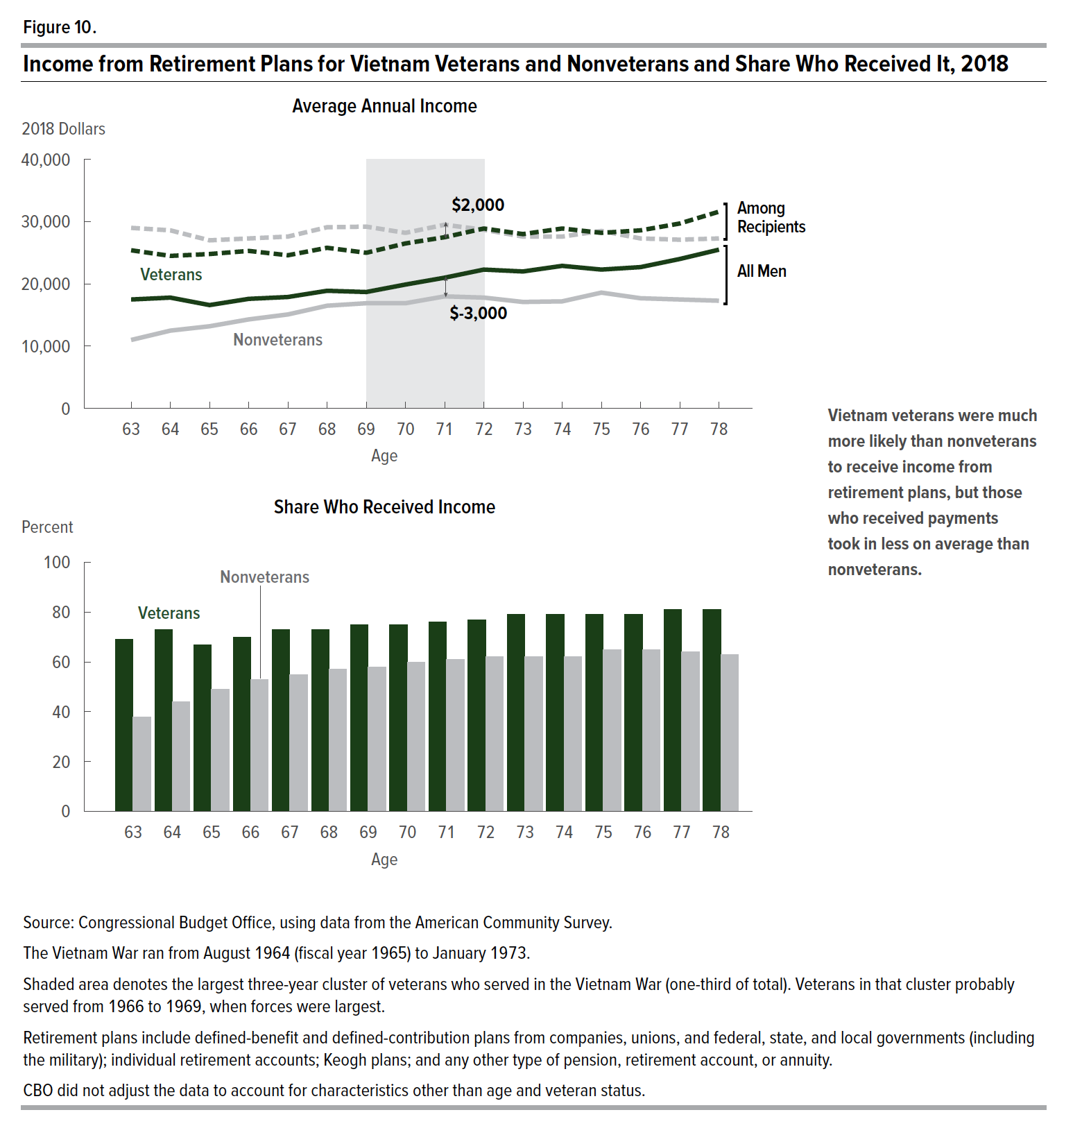
Average Annual Amounts
 | All Men |  |  | Among Recipients
Age | Veterans | Nonveterans |  | Veterans | Nonveterans
63 | 17,500 | 11,000 | 59% | 25,400 | 29,000 | -12%
64 | 17,800 | 12,500 | 42% | 24,500 | 28,600 | -14%
65 | 16,600 | 13,200 | 26% | 24,800 | 27,000 | -8%
66 | 17,600 | 14,300 | 23% | 25,300 | 27,300 | -7%
67 | 17,900 | 15,100 | 19% | 24,600 | 27,600 | -11%
68 | 18,900 | 16,500 | 15% | 25,800 | 29,100 | -11%
69 | 18,700 | 16,900 | 11% | 25,000 | 29,200 | -14%
70 | 19,900 | 16,900 | 18% | 26,500 | 28,200 | -6%
71 | 21,000 | 18,000 | 17% | 27,500 | 29,500 | -7%
72 | 22,300 | 17,800 | 25% | 28,900 | 28,700 | 1%
73 | 22,000 | 17,100 | 29% | 28,000 | 27,600 | 1%
74 | 22,900 | 17,200 | 33% | 28,900 | 27,600 | 5%
75 | 22,300 | 18,600 | 20% | 28,200 | 28,500 | -1%
76 | 22,700 | 17,700 | 28% | 28,600 | 27,300 | 5%
77 | 24,000 | 17,500 | 37% | 29,700 | 27,100 | 10%
78 | 25,500 | 17,300 | 47% | 31,600 | 27,300 | 16%

Share Who Received Payments
Percent

Age | Veterans | Nonveterans
63 | 69 | 38
64 | 73 | 44
65 | 67 | 49
66 | 70 | 53
67 | 73 | 55
68 | 73 | 57
69 | 75 | 58
70 | 75 | 60
71 | 76 | 61
72 | 77 | 62
73 | 79 | 62
74 | 79 | 62
75 | 79 | 65
76 | 79 | 65
77 | 81 | 64
78 | 81 | 63

Back to Table of Contents

Figure 11
This file presents the data underlying the figures in CBO's October 2020 report Vietnam Veterans' Income in Retirement.
www.cbo.gov/publication/56679

Figure 11. VA Disability Payments to Vietnam Veterans and Share Who Received Them, 2018
2018 Dollars
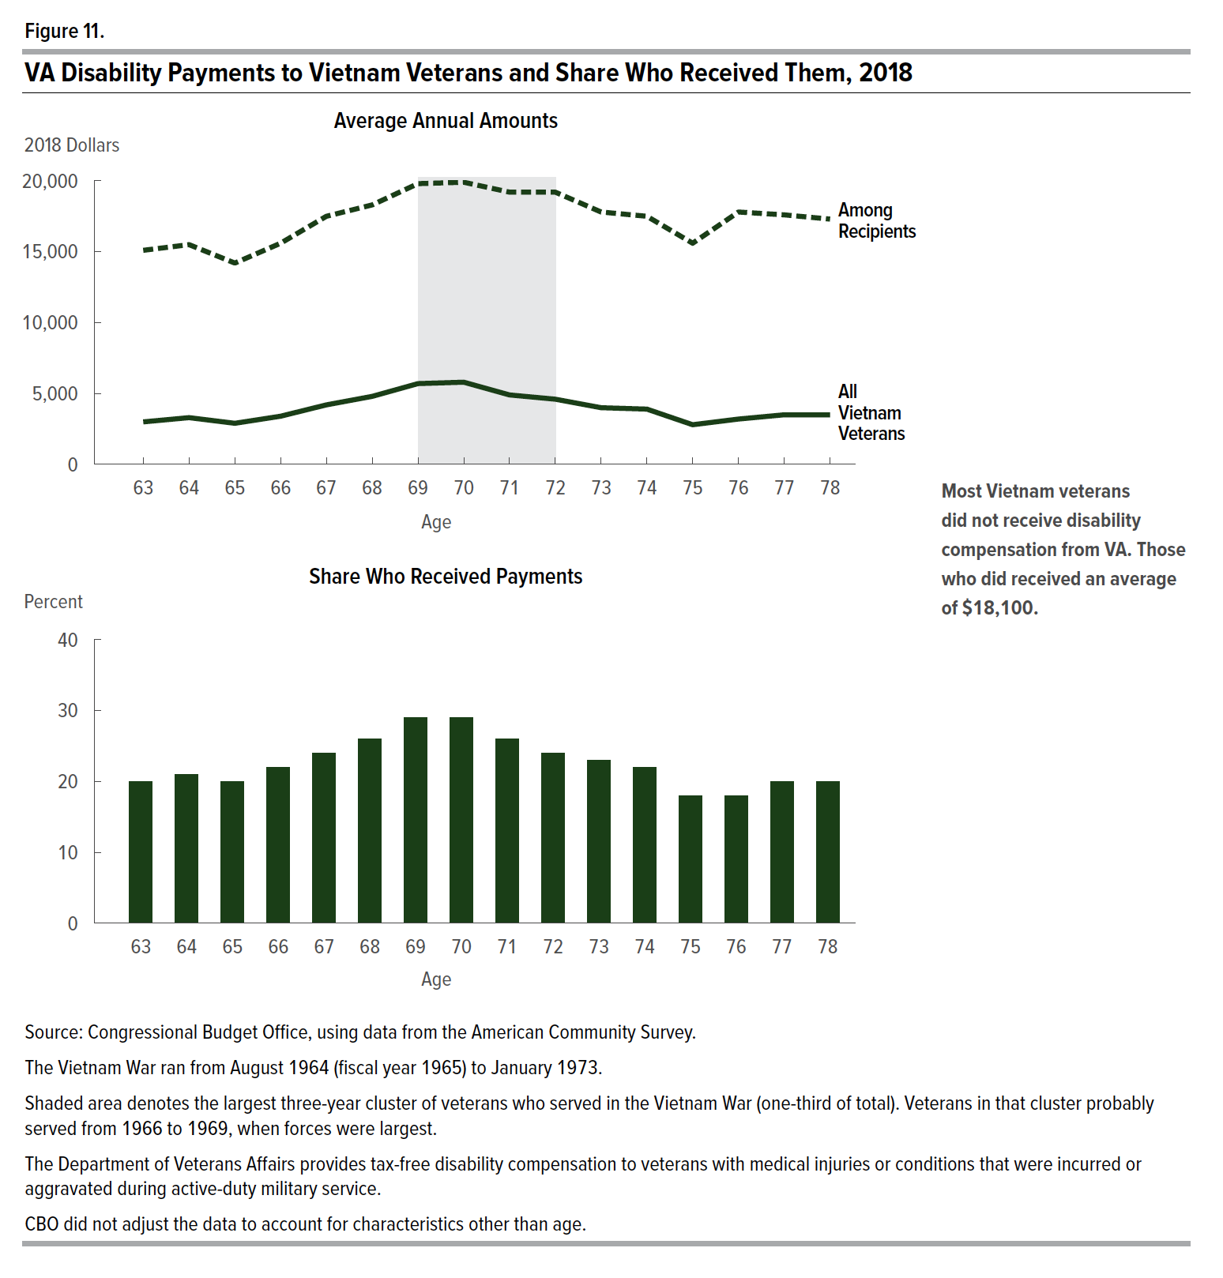
Average Annual Amounts
Age | All Vietnam Veterans | Among Recipients
63 | 3,000 | 15,100
64 | 3,300 | 15,500
65 | 2,900 | 14,200
66 | 3,400 | 15,600
67 | 4,200 | 17,500
68 | 4,800 | 18,300
69 | 5,700 | 19,800
70 | 5,800 | 19,900
71 | 4,900 | 19,200
72 | 4,600 | 19,200
73 | 4,000 | 17,800
74 | 3,900 | 17,500
75 | 2,800 | 15,600
76 | 3,200 | 17,800
77 | 3,500 | 17,600
78 | 3,500 | 17,300

Share Who Received Payments
Percent

Age | Veterans
63 | 20
64 | 21
65 | 20
66 | 22
67 | 24
68 | 26
69 | 29
70 | 29
71 | 26
72 | 24
73 | 23
74 | 22
75 | 18
76 | 18
77 | 20
78 | 20

Back to Table of Contents

