Table 1
Secto r Par t \ 7er tical La ter al Limits Number /Name Limits
Secto r Par t \ 7er tical La ter al Limits Number /Name Limits
LONDON ACC
28 |  | 1 | FL295 -- --- - FL195 |  | 530031 N,0014737W-531017N,0012043W-530828N,0010317W- 530016N,0010043W-522630N,0002732W-522632N,0003702W- 521126N,0002220W-520448N,0003814W-515859N,0005202W- 520603N,0005814W-530031 N,0014737W
28 |  | 2 | FL 295 -- --- - FL 245 |  | 530828 N,0010313W-530642N,0004627W -522626N,0001 012W- 522630N,000 2732W -530016N,0010043W-530828 N,0010313W
28 |  | 3 | FL 295 -- --- - F L 21 5 |  | 522632N,0003702W -522630N,000273 2W -522626N,0001 012W-522615N,0001348E- 521906N,0000344W-52l 104N,0000528E-521104N,000021OW - 515 619 N,00 00 74 8W - 51 543 3 N,0 001 425W -51 4 80 2 N,0003828W-515859N,0005202W- 520448N,0003814W-521126N,0002220W-522632N,0003702W
 |  |  | FL295 |  | 521104N,0000210W-521104N,0000528E-520228N,0001524E-515619N,0000748W-
28 |  | 4 | -- --- - |  | 521104N,0000210W
 |  |  | FL245
34 |  | 1 | FL660 -- --- - FL295 |  | 530828N,0010313W-530642N,0004627W-522626N,0001012W-522615N,0001348E- 521906N,0000344W-521104N,0000528E-520228N,0001524E- 515619N,0000748W- 515433N,0001425W-520448N,0003814W-520939N,0004942W- 520603N,0005814W-523520N,0012429W-530031 N,0014737W- 531017N,0012043W-530828,N 0010313W
 |  |  |  |  | I::,. I::,.""'' ' ROOOL i..!..I= 6. RFnx • . ' WE.LI.'# - \ SAFCO I::,. D,. MOCU DTY ',t."'"4-8EJFO 30,5 ..,. . 1 .1&, l 295 ,.... E EL
34 |  | 2 | F L 3 05 - -- - FL295 |  | 5206 03 N,0005814 W -52093 9 N,0004942W-520448N,0003814W- 515433N,0001425W-514802N,0003828W-515859N,0005202W-520603N,0005814W

Sector Part \ 7ertical Lateral Limits Number /Name Limits
LONDONACC
 |  |  |  |  | 531148N,0053000W-531112N,0050859W-525543N,0041447W-
 |  |  |  |  | 525423N,0031838W-525340N 0025354W-525333N0025014W-
 |  |  |  |  | 5251OON 0 0245 29 W -52505 9 N,0024529W-524149N,0023750W-
 |  |  | FL660 |  | 523251N,0023014W-521626N,0021213W-520946N,0020500W-
35 |  | 1 |  |  | 520916N,0020428W-514751 N,0014136W-514126N,0020000W-
 |  |  | FL335 |  | 511526N,0020000W-512905N,0034543W-512921N,0041210W-
 |  |  |  |  | 514034N,0060027W-520049N,0060720W-522000N,0053000W-
 |  |  |  |  | 525705N,0053000W-530000N,0053000W-530350N,0053000W-
 |  |  |  |  | 531034N,0053000W-531148N,0053000W
36 |  | 1 | FL660 FL305 |  | 512921N,004121OW -5129 05N ,0 03454 2 W -511 527N ,0 02000 0W - 505543 N,0 02000 0W -50402 4N ,0 02000 0W -50401 2N , 0 021 559W - 503712N,0021731W-501745N,0022725W-495457N,0023012W- 493718N.0040941W-511719N.0034740W-512921N.0041210W
Sector Number/Name |  | Part | Vertica l Limits |  | Lateral Limits
SCOTTISH AC (PRESTWICK)
 |  |  |  |  | 561400N,0040900W-560700N,004()1)lOW-560222N,00405lSW-
 |  |  |  |  | 560700N,0032938W-560700,N0025608W-555335N,0024931W-
GALLOWAY |  | 1 | FL255 DB |  | 554859N,0040117W-545240N,004()1)11 W-545116N,0031959W- 541500N,0023326W-541501N,0033310W-54301lN ,0033535W- 543242N,0033001W-550603N,0041419W-551001N,0044459W- 550328N,0045044W-550750N,0050623W-55151lN ,0050000W-
 |  |  |  |  | 555000N,0050000W-560000N,0044400W-560432N,0043253W-561400N,0040900W
 |  |  |  |  | Nort h/South s lit alon line 550603N,0041424W-550102N,0032914W
TALLA |  | 1 | FL255 DB |  |  | 552109N,0022139W-515228N,0023022W-541500N,0021001W- 541500N,0023326W-545116N,0031959W-554240N,004()1)11 W- 554859N,0024931W-555335N,0024931W North/South s plit along line 551104N,0033841W-550540N,0031205W
 |  |  |  |  |  | 550909N,0030000W-551229N,0023024W
 |  |  |  |  |  | 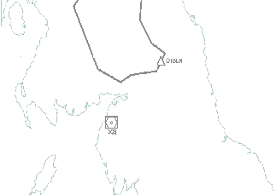 ITT!! IQfil "0 NORTH |  |  |  | £,. ""' |  |  |  |  |  |  |  |  |  |  |  |  |  |  |  |  |  |  | lz55l
Sector Number/Name |  | Part | Vertical Limits |  | Lateral Limits
SCOTTISH AC (PRESTWICK)
 |  |  |  |  | 545030N,0062442W-545418N,0053000W-545715N,0051530W -
 |  |  |  |  | 55151l N,0050000W-555OOON,0050000W-560000N,0044400W-
 |  |  |  |  | 561400N,0040926W-572131N,0035213W-57233N7,0041 404W-
 |  |  | FL255 |  | 573147N,0041203W-574511N,0042339W-592000N,0100000W-
WESTCOAST |  | 1 |  |  | 543400N,0100000W-543859N,0093320W-544500N,0090000W-
 |  |  | DB |  | 552000N,0081500W-552500N,0072000W-552000N,00655OOW-
 |  |  |  |  | 5 42500 N,008lOOOW-54543N,0062435W-
 |  |  |  |  | 542754N,0062306W-THENCE AN ARC Rl3NM THROUGH MIDPOINT-
 |  |  |  |  | 543927N.0061256W-545030N.0062442W
 |  |  |  |  | 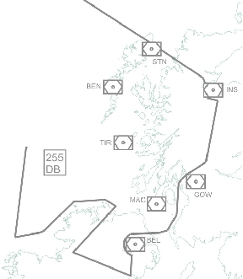 GI NGA
 |  |  |  |  | 572131N,0035213W-571145N,0021815W-570952,N0015347W-
 |  |  |  |  | 561444N,0013308W-5505l 6N,OO10020W-550000N,0005252W-
TAY |  | 1 | FL255 |  | 550000N,0013016W-550000N,OO15500W-545424N,00224lOW- 551228N,0023022W-552109N,0022139W-52606N,0023655W-
 |  |  | DB |  | 553805N,0025111W-560008N,0024849W-560700N,0025608W-
 |  |  |  |  | 560700N,0032938W-560222N,0040518W-560700N,0040910W-
 |  |  |  |  | 561400N.0040926W-561745N.0040830W-572131N.0035213W
 |  |  |  |  | - |  |  |  |  |  |  |  |  |  |  |  |  |  |  |  |  |  |  |  |  |  | '
 |  |  |  |  |  |  |  |  |  |  |  |  |  |  |  |  |  |  |  |  |  | ,7
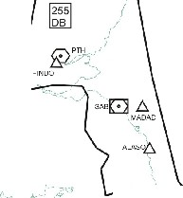
 |  |  |  |  |  |  |  |  |  |  |  |  |  |  |  |  |  |  |  |  |  |  |  |  |  |  |  |  |  | ;

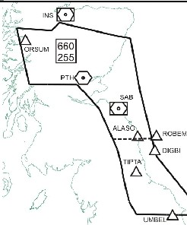
Sector Number/Name |  | Part | Vertical Limits |  | Lateral Limits
SCOTT ISH AC (PRESTWICK)
MONT ROSE |  | 1 | FL660 FL255 |  | 571504N,0053633W-57l 440N,004 2816W-572337N,0041404W- 571126N,0021409W-570952N,001534 7W-56l 444N,0013308W- 552700N,0011023W-55051N6,0010020W-5 40139N,0002720E-540147N,0 013515W- 541155N,0014543W-541500N,001 4856W-543324N,0015629W- 544252N,0 020024W-551113N,0021301W-55 2700N,0022627W- 555335N,0 024931W-561837N,00334 06W-561600N,0050520W-571504N,0 053633W North/South solit alon2 line 552700N,0022627W-552700N,0011023W

TYNE |  | 1 | FL660 DB |  | 570952N,0 015347W-56360N4,0033632E- 562502 N,0050000E-553000N,0050000E- 552536N,0 034259E-552306N,0002228E- 550516N,0010020W- 561444N,0013308W-570952N.0015347W
 |  |  |  |  | ) NE X U S . b.. . " -.'U·A\DAbO .. P ETll '-I\ 6. GO•'IOT ClJTEL6. \ IN80 8 '<;, l
HUMBER |  | 1 | FL660 DB |  | 550516N,0010020W-552306N,00 02228E- 552536N,0034259E-553000N,0050000E- 550000N,OOSOOOOE- 5 43 000N,0043209E- 531029N,0032158E- 53144l N,003l102E- 531813N,0 024400E-532302N,0024006E- 532930N,0012525E- 540139N,0002720E- 550516N.0010020W
 |  |  |  |  | 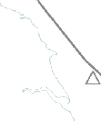 INP,U 6.AS>WA 6. LAR G A 6. VENi\ S LONA!I. OOOIN '- \ I

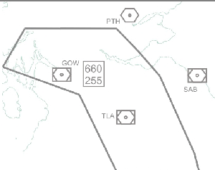
Sector Number/ Name |  | Part | Vertical Limits |  | Lateral Limits
SCOTT ISH AC (PRE STWICK)
DEANCROSS NORTH |  | 1 | FL660 FL255 |  | 561600N,0050520W-561837N,0033406W-555335N,0024931W- 552700N,0 022627W-551113N,0021301W -550000N,0020729W- 550000N,0 032811W-553121N,0035809W -554700N,0053041W-561600N,0050520W
 |  |  |  |  |  |  |  | .,' , •I , :' ''·.'J '· , .. |  |  |  |  |  |  | ,' |  |  |  | • • |  |  |  | r- --> '¼ +' , •••
 |  |  |  |  | 554700N,0 053041W-553121N,0035809W -550000N,0032811W-
DE ANCROSS SOUTH |  | 1 | FL660 FL255 |  | 550000N,0 020729W-541500N,001 4856W-540147N,0013515W- 540043N,0 022744W-541500N,0023948W -54150I N,0033310W- 542027N,0 033404W-550540N,00458 34W-553419N,0054133W-554700N,0053041W
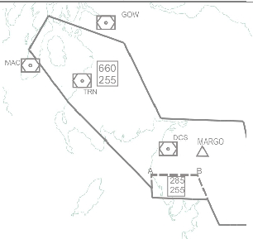
 |  |  |  |  | A= 543000N,0033538\ V B= 543 000N,0025233W
 |  |  |  |  |  |  |  | . ' -·-' :: ,'...,.'; ·, , ', :,'... t-1-.- {'-v' ) |  |  |  |  |  |  |  |  |  |  |  |  |  |  |  |  |  |  |  |  |  |  |  |  | \ .,., 'l..,. ·, ( \ ,'• |  | \
 |  |  |  |  | 563506N,0 l OOOOOW-555607N,0052248W-553419N,0054133W-
RATHLIN WEST |  | 1 | FL660 FL255 |  | 550948N,0 050441W-545535N,0051706W-543826N,0054307W- 540319N,0 061212W-542500N,00810 00W-54385SN,0093320W- 544309N,0100 000W-563506N,010 0000W
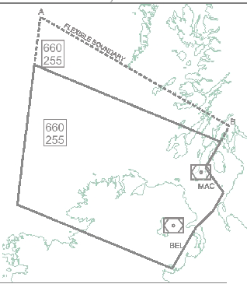
 |  |  |  |  | A- 572000N 0100000W - 8 - 560931N 0051104W
 |  |  |  |  |  |  |  |  |  | , f,;
Sector Number/ Name |  | Part | Vertical Limits |  | Lateral Limits
SCOTTISH AC (PRESTW ICK)
 |  |  |  |  | 550948N,0050441W-550540N,0 045834W-542027N,00334 04W-
RATHLIN EAST |  | 1 | FL660 FL255 |  | 534125N,0032734W-534150N,0 033649W-535439N,0040737W- 535423N,004215SW-534617N,0 043112W-534817N,0053000W- 535500N,0053000W-540319N,0 061212W-543826N,0054307W-
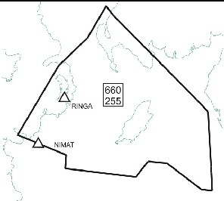
 |  |  |  |  | 545535N,0051706W-550948N,0 050441W

 |  |  |  |  | 592000N,0l OOOOOW-585314N,0 081558W-580137N,0062919W-
CENTRAL |  | 1 | FL660 FL255 |  | 571504N,0053633W-561600N,0 050520W-555607N,0052248W- 563506N,0100000W-592000N,010 0000W A - 584000N,0100000W- 8 - 570205N,0052932W
 |  |  |  |  | C- 560931N.0051104W- D - 572000N.0100000W
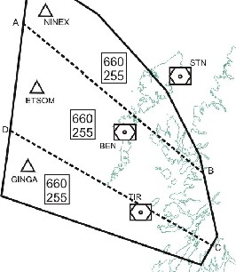

Sector Number/Name |  | Part | Vertica l Limits |  | Lateral Limits
SCOTTISH AC (PRESTWICK)
HEBRIDES LOW |  | 1 | FL255 DB |  | 610000N,0100000W-610000N,0070000W-610000N,0053000W- 591638N,0043000W-580l 49N,0041700W-574546N,0043204W- 57451l N,0042339W-592000N,O100000W-603000N,01OOOOOW-610 000N,0100000W
 |  |  |  |  | 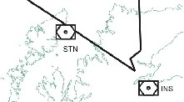 .6. .6. B ARKU OEVB I (' \ '
Sector Number/ Name |  | Part | Vertical Limits |  | Lateral Limits
SCOTTISH AC (PRESTWICK)
HEBRIDES HIGH |  | 1 | FL660 FL255 |  | 610000N,0lOOOOOW-61OOOON,0070000W-610000N,0053000W- 591638N,0043000W-573l 47N,0041203W-57233N7,0041 404W- 571440N,0042816W-571504N,0053633W-58013N7,0062919W- 585314N,0081558W-592000N,O100000W-603000N,01OOOOOW-610 000N,0100000W A - 584000N,0100000W- B- 570205N,0052932W
 |  |  |  |  | 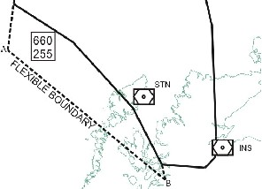 l:,. l:,._ /:::,B. ESCA OE'/ BI BARKU ii." ''"
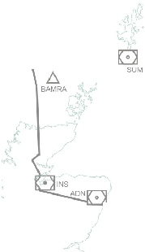
MORAY LOW |  | 1 | FL255 DB |  | 610000N,0053000W-610000N,OOOOOOE- 6 00000N,OOOOOOOE- 57 20002N,0042958E- 570000N,0050000E-562502N,0050000E- 563604N,0033632E - 571126N,0021409W-571145N,0021815W-571328N,0023400W- 572337N,0041404W-573147N,0041203W-574546N,0043204W- 580149N,0041700W-591638N,0043000W-610000N,0053000W
 |  |  |  |  | .· 6_ FOR TY
Sector Number/Name |  | Part | Vertica l Limits |  | Lateral Limits
SCOTTISH AC (PRESTWICK)
MORAY HIGH |  | 1 | FL660 FL255 |  | 610000N,0053000W-610000N,OOOOOOOE- 600000N,OOOOOOOE- 572000N,0042958E- 570000N,0050000E- 562502N,0050000E- 563604N,0033632E- 571126N,0021409W-572337N,0041404W-573147N,0041203W- 591638N.0043000W-610000N.0053000W

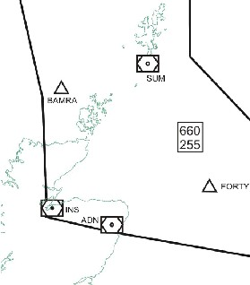

 |  |  | FL255 DB |  | 545030N,0062442W-545418N,0053000W-545715N,0051530W-
 |  |  |  |  | 550750N,0050623W-550328N,0045044W-551001N,0044459W-
ANTRIM |  | 1 |  |  | 550603N,0041419W-543242N,0033001W-541050N,0041741W- 540000N,0044046W-535515N,0045234W-534742N,0051111W- 534817N,0053000W-535500N,0053000W-540543N,0062438W-
 |  |  |  |  | 542753N,0062306W-THENCE AN ARC Rl3NM THROUGH MIDPOINT-
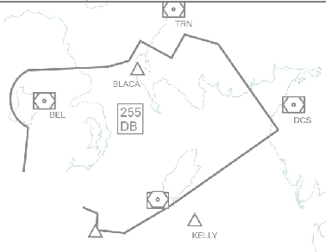
 |  |  |  |  | 543510N.0063402W-545030N.0062442W
 |  |  |  |  | . ,/ '' <,,; ... ). ·,·- i '1 BO YNE •
Sector Number/Name |  | Part | Vertical Limits |  | Lateral Limits
SCOTTISH AC (PRESTWICK)
NORTH |  | 1 | FL195 DB |  | 541505N,0030504W-541500N,0023948W-541500N,0023326W- 541500N,0021843W-541500N,0021000W-532804N,0013856W- 532124N,0013205W-532356N,OO15955W-532125N,0021544W- 533911N 0023953W-353918N 0023900W-541505N 0030504W
 |  |  |  |  | 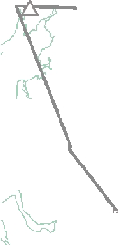 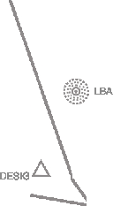 LAKEY 11951 RIBEL ' l!Qfil 7 POL0 HAUF 0
Sector Number/ Name |  | Part | Vertical Limits |  | Lateral Limits
SCOTTISH AC (PRESTWICK)
 |  |  |  |  | 541519N,002085SW-54430IN,0020027W-550000N,0015506W-
EAST |  | 1 | FL285 DB |  | 550000N,0013022W-541153 N,00l 4549W-540147N, 0013515W- 540147 N,0003928W-450145N,0001852W-540145N, 0000602E-533539N,0002756E- 533230N,0005044E-532856N,0005708E-525325N,0004613E-530426N,0004422W- 530642N,0004627W-531020N,0012046W-532124,N0013205W-
 |  |  |  |  | 532804N,0013856W-541500N,0021000W-541519N,0020855W
 |  |  |  |  |  |  |  |  |  | -1 |  | o l_ '·
 |  |  |  |  |  |  |  |  |  |  |  | Tl'ilT
 |  |  |  |  |  |  |  |  |  |  |  |  |  |  |  |  |  | --
 |  |  |  |  | '
 |  |  |  |  |  |  |  |  |  |  |  |  |  |  |  |  |  |  |  |  |  |  |  |  |  |  | •
 |  |  |  |  | RIBEL |  |  |  |  |  |  |  |  |  |  |  |  |  |  |  |  |  |  |  |  |  | VMBB..
 |  |  |  |  |  |  |  |  |  |  |  |  |  |  |  |  |  | 
 |  |  |  |  | 0
 |  |  |  |  | MC'T
 |  |  |  |  |  |  |  |  |  |  |  |  |  |  |  |  |  |  |  |  |  |  |  |  |  |  |  |  |  |  |  | AUVEL

Sector Number/Name |  | Part | Vertica l Limits |  | Lateral Limits
SCOTTISH AC (PRE STWICK)
SE TRENT |  | 1 | FL195 --·-···--·-·- DB |  | 532125N,0 021544W-532356N,0015955W-532124N,0013205W- 5 3 1020 N,0012046W-524618N,0005633W-523259N,0013025W- 524448 N,0 014310W-524817N,001 4623W-532125N,00215 44W
 |  |  |  |  |  |  |  |  |  |  | MCT . , o r EVSQN [:B] 0 TNT RO 195 95 195 135 ,.. F\ SAPCO |  |  |  |  |  |  |  |  |  |  |  |  |  |  |  |  |  |  |  |  |  |  | 7 |  | ..l. LE$TA
 |  | 2 | FL195 --·-···--·-·- |  | 524938N,0 013020W-525017N,001038W -524806N,0005821W-524006N,0013249W - 524938 N,0 013020W
 |  |  | 95
 |  | 3 | FL195 --·-···--·-·- |  | 524006N,0 013249W-524806N,0005821W-524616N,0005631W- 52 3 259 N,0 013025W-524006N,0013249W
 |  |  | FL135
SE STAFA |  | 1 | FL195 --·-···--·-·- DB |  | 532125N,0 021544W-524817N,001 4623W-524448N,0014310W- 523259N,0 013025W-522406N,0015251 W-521716N,00210 07W- 521716 N,0 021007W-521629N,0021 216W-523251N,0023014W- 525038N,0 024527W-530006N,00245 04W-532125N,0021544W
 |  |  |  |  | MCT ' '· .-·· • ·•••; * • ., /•N TI .6_,;..-n B .6. - EL3..,\ 0 1-:t) '4
WALLASEY |  | 1 | FL195 ------------- DB |  | 532125N,0 021544W-530006N,00245 04W-525318N,0024534W- 5 25419N,0 031839W-530812N,00317 36W-531226N,0032536W- 532318 N,0 032449W-534125N,0032734W -53391ON,0023952W-532125N,0021544W , ,
 |  |  |  |  | • - |  |  |  |  |  | ' • - D. , i D,_ CRO FT PEN IL ( \ D. ' .'t-/fl.. -'> 11D9B51 BARTN MAL UD -, 0 1\,''-\ • - •· ......·,' , ·· ,\ \' ·"·.....-.·.t MCT ·.,.\_ -., ' N A N T I -• NO r..ONT Y

Sector Number/ Name |  | Part | Vertical Limits |  | Lateral Limits
SCOTT ISH AC (PRESTWICK)
ISLE of MAN |  | 1 | FL255 DB |  | 543000N, 0033559W-53412N5,0032734W-5341 49N,0033649W- 535358N, 0040608W-53541N9,0042151 W-534617N, 0043112W- 534742N, 0051111W-543000N,0033559W
 |  |  |  |  | 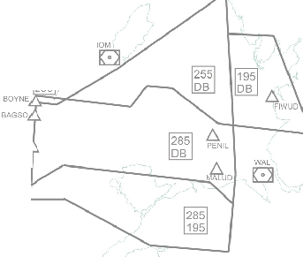 i - 285 255 7 UFFY/
 |  | 2 | FL195 -------- DB |  | 541500N, 0033305W-541500N,0030456W-533918N,0023900W- 534125N, 0032734W-541500N,003330 5W
 |  | 3 | FL285 DB |  | 534742N,0051111W-534617N,0043112W-535419N,0042151W- 535358N, 0040608W-534419N,0033649W-534125 N, 0032734W- 531226N, 0032536W-531957N,0033954W-532315 N,0051 017W- 531500N,0053000W-534545N,0053000W-534526N,0051644W-534742N,0051111W
 |  | 4 | FL285 FL195 |  | 531614N, 0052704W-532315N,0051017W-531957N, 0033954W- 531226N, 0032536W-525433N,003 2659W-525542N,0041447W- 531112N, 0050858W-53l148N,0053000W-53lSOON,0053000W-53161 4N,0052704W
 |  | 5 | FL285 FL255 |  | 534742N, 0051111W-534526N,0051644W-5345 48N,0053000W-534817N,0053000W
S29 |  | 1 | FL285 |  | 54.15.01N,003.33.lOW-54.15. 05N,003.05.04W-54.15.00N,002.39.48W- 54.15.00N,002.33.26W-54.15. OON,002.18.43W-54.15.00N,002.10.OOW- 53.28.04N,001.38.56W-53.21.24N,001.32.05W-53.10.20N,001.20.46W-
 |  |  | -------- 53.00.33N,001.47.39W-52.57.5N7,001.54. 44W-52. 41.49N,002.37.50W- FL195 52.50.38N,002.45.27W-52.5l . OON,002.45.29W-52.532. 6N,002.50.00W- 52.54.19N,003.18.39W-52.54.33N,003.26.59W-53.12.28N,003.25.41W- 53.23.19N,003.24.49W-53.4l .25N,003.27.34W-54.15.0l N,003.33.lOW
 |  |  | :11. " 11- RIBEL Ir( 0 H>J.IF POL l WAL J;;_ARTN _,.,.- MCTK::] 6. LISTO [o • '\KARN() TNT MONTY STAFA
Sector Number/Name |  | Part | Vertical Limits |  | Lateral Limits
LONDONACC
01 |  | 1 | FL660 ------ FL305 |  | 511308N,0001600W-511048N,0001344W-510853N,0001125W-505057N,0000716E- 503700N,0003938W-504233N,0004532W-504149N,0005018W- 504121N,0011225W-504105N,0012329W- 504035N,0014110W-504024N,0020000W-511027N,0020000W-511308N,0001558W
 |  |  |  |  | 0 -c"'"
 |  |  |  |  |  |  |  |  |  |  |  |  |  |  |  |  |  |  |  |  |  |  |  |  |  |  |  |  | /_f
 |  |  |  |  |  |  |  |  |  |  |  | "' owe |  |  |  |  |  |  |  |  |  |  |  |  |  |  |  |  |  |  | MAY

 |  |  |  |  | "' ' '-...,.J 'I BOGNA[:]SFO - XtotL N K XJ,N>JJ srTET
01 |  | 2 | FL660 ------ FL295 |  | 505152N,0001045E -505057N,0001155E-502405N,0004611E-500000N,0001500W- 500001N,0003200W-502948N,0003200W-503700N,0003938W-505152N,0001045E
02 |  | 1 | FL660 ------- FL305 |  | 520000N,0011226W-520939N,0004942W-515433N,0001425W-520228N,0001524E- 512658N,0005532E-512704N,0004758E-510105N,0011832E-505416N,0012800E- 503944N,0012717E-505530N,0010512E-510238N,0004855E-505904N,0000125E- 510853N,0001125W-511308N,0001600W-515111N,0005745W-520000N,0011226W
 |  |  |  |  | BKY
 |  |  |  |  | - r • J BNN 8?1< ' [. 0 CLN [:] 1.e.JA -"' ..:s... - BKl0 \ ,J 16610 -01,OVR3 1 5 _ LYO _..,..,,. ""--· y 660 ....... ' ...._355 .4 S(YIAT J. o l SFO -
02 |  | 2 | FL660 ------- FL355 |  | 505904N,0000125E-510238N,0004855E-505530N,0010512E-503944N,0012717E- 505904N,0000125E
02 |  | 3 | FL660 ------ FL315 |  | 512704N,0004758E-512658N,0005532E-512300N,0020000E-510700N,0020000E- 510000N,0012800E-505461N,0012800E-501105N,0011832E-512704N,0004758E
... |  |  |  |  |  |  |  |  |  |  |  |  |  |  |  |  | . -..-......,r - |  |  |  |  |  |  |  |  |  |  | •- [- o

 | Sector Number/Name | Part | Ve1tical Limits |  | Lateral Limits
 | L01''DON ACC
 | 03 | 1 | FL335 ----- FL285 |  | 543000N,0033533W-543007N,0025245W-540848N,0023433W- 540043N,0022743W-540147N,0013515W-534309N,0011618W- 531836N,0005724W-530625N,0004612W-531017N,0012043W- 530031N,0014740W-531225N,0015844W-533144N,0021700W- 533947N,0025224-W-534125N,0032734W-543000N,0033533W
 |  |  |  |  | 0 ) CS ' J'- '-.,..6..UlU.11' -\ \ "<cl .' """''t..c:.. \ ,t """'T B < VO' 5 0 -·· D. / •n WAL .·,,.:\'- 0·, , WMVL_6 ' ., l ';, Gt.M A NAPEX • TVMTI ""
 |  |  |  |  | 543000N,0033533W-543007N,0025245W-540848N,0023433W-
 |  |  |  |  | 540043N,0022743W-540147N,0013515W-534309N,0011618W-
 |  |  |  |  | 531836N,0005724W-530625N,0004612W-531017N,0012043W-
 | 04 | 1 | FL660 --- FL335 |  | 530031N,0014740W-531225N,0015844W-531029N,0020557W- 525100N,0024529W-525333N,0025014W-525340N,0025354W- 525355N,0030209W-525423N,0031838W-525437N,0032653W- 525542N,0041447W-531112N,0050859W-531148N,0053000W-
 |  |  |  |  | 534048N,0053000W-534602N,0053000W-534817N,0053000W-
 |  |  |  |  | 534617N,0043112W-535419N,0042151W-535358N,0040608W-
 |  |  |  |  | 534149N,0033649W-534125N,0032734W-543000N,003. 3533W
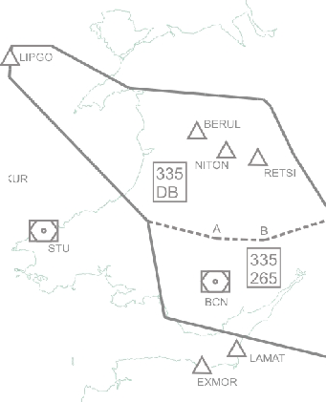
 |  |  |  |  | f .,, ,- 0 ,D. OCS y-.,_ ..6 '::. \ SUBUK '- \ · , _.Rl8 E1. " I ( / ""-- Q .l. 84.GSO I:, HAI.IF >·., '- ..:.,,, -[:] :'.!Jo,,. .l \.lFFY' - rm ' / MOt-.T.'Y • • 6. a.erA::: KMNO nOCN _) 6u.s-A 'f'
Sector Number /Name |  | Part | \Ter tica l L imi t s |  | Lateral Limits
LONDONACC
 |  |  |  |  | 531148N,0053000W-531112N,0050859W-525542N,0041447W-
 |  |  |  |  | 525423N,0031838W-525340N 0025354W-525333N 0025014W-
 |  |  | FL335 |  | 525100N 0024529W-525045N,0024528W-524149N,0023750W-
05 |  | 1 |  |  | 523251N,0023014W-521626N,0021213W-520946N,0020500W-
 |  |  | DB |  | 520916N,0020428W-520001N,0024700W-520001N,0031635W-
 |  |  |  |  | 520522N,0035849W-523550N,0045152W-525705N,0053000W-
 |  |  |  |  | 531148N,0053000W
 |  |  |  |  | , ,'' ( ( 8 AKLJR t.:;. SLANY NBA

05 |  | 2 | FL335 FL265 |  | 520916N,0020428W-515942N,0015411W-515336N,0014741W- 514751N,0014136W-514126N,0020000W-511527N,0020000W- 512905N,0034542W-520522N,0035849W-520001N,0031635W- 520001N,0024700W-520916N,0020428W
 |  |  |  |  | 495457N,0023012W-494929N,0030203W-494707N,0031534W-
06 |  | 1 | FL305 DB |  | 494414N,0033146W-493905N,0040005W-493718N,0040941W- 511719N,0034740W-512921N,0041210W-512905N,0034542W- 511527N,0020000W-505543N,0020000W-504947N,0023317W- 504459N,0023107W-503947N,0023109W-503712N,0021731W-
 |  |  |  |  | 503146N,0022018W-501745N,0022725W-495457N,0023012W
 |  |  |  |  |  '•.5.- .6.. l.AM>\.T ,r E>MOA t:,. OE\()1,1 8-GUO 6 A . I.NNl;T
Sector Number /Name |  | Part | Vertical Limits |  | Lateral Limits
LONDONACC
 |  |  |  |  | 531225N,0015844W-531029N,0020557W-525100N,0024529W-
 |  |  |  |  | 525333N,0025014W-525340N,0025354W-525355N,0030209W-
 |  |  | FL335 |  | 525423N,0031838W-525437N,0032653W-525542N,0041447W-
07 |  | 1 |  |  | 531112N,0050859W-531148N,0053000W-534048N,0053000W-
 |  |  | FL285 |  | 534602N,0053000W-534817N,0053000W-534617N,0043112W-
 |  |  |  |  | 535419N,0042151W-535358N,0040608W-534149N,0033649W-
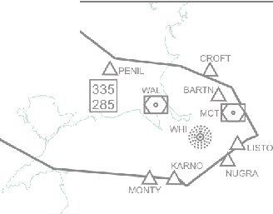
 |  |  |  |  | 534125N,0032734W-533947N,0025224W-533144N,0021700W-531225N,0015844W
 |  |  |  |  | , |  | /:..ELY r----.1r :,.BAGSO
 |  |  | FL335 |  | 525705N,0053000W-520522N,0035849W-512905N,0034542W-
08 |  | 1 |  |  | 512921N,0041210W-514034N,0060027W-520049N,0060720W-

 |  |  | DB |  | 522000N,0053000W-525705N,0053000W
 |  |  |  |  |  |  | 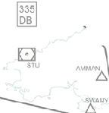 't /' I !i ' . '/ AfP.Y BAX. .LI I ANY |  |  |  |  |  |  |  |  |  |  |  |  |  |  |  |  |  |  |  |  |  | J

09 |  | 1 | 660 DB |  | 520049N,0060720W-514034N,0060027W-512921N,0041210W- 511719N,0034740W-493718N,0040941W-492841N,0045459W- 485000N,0080000W-493459N,0080000W-510000N,0080000W- 512528N,0071351W-520049N,0060720W
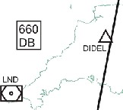
 |  |  |  |  |  |  | , LESLU |  |  |  |  |  |  |  |  |  |  |  |  |  |  |  | DOKEK |  |  |  |  |  | MERLY
 |  |  |  |  | , |  |  |  |  |  | :, GAPLI |  |  |  |  |  |  |  |  |  |  |  |  |  |  |  |  |  | A, A LIZAD DOLUR

Sector Number /Name |  | Part | \ 7ertical Limits |  | Lateral Limits
LONDONACC
 |  |  |  |  | 540147N,0013515W-540147N,0003928W-540144N,0002907W-
 |  |  | FL335 |  | 540145N,0001852 W-540145N,0000602E-533539 N,0002756E-533230N,00 05045E-
10 |  | 1 |  |  | 532856N,0005709E-525324N,0004619E-530426N,000 4422W -530625N,00 04612W-
 |  |  | FL285 |  | 531223N,0005140W-531550N,0005451W-531836N,0005724W -
 |  |  |  |  | 534039N,0011419W-534309N,0011616W-535809N,0013132W -540147N,0013515W
 |  |  |  |  | .,. IN 335 lR\ ./:i <30l.ES &ef½i f:...,,..,'t I\ 28 5 0 ].. '\ '-LAM NAW<: GAM 0 .6._ f --..J,f\. 1GOOOS ROOA·O- .....E..D... :•.,, , MIMVA "'"''•-. ,I,, A /(.RAVLO OC1.A$ l°MOUX _,,\ so ,,,r--JJ.NAVPI
 |  |  |  |  | 540145N,0000602E-540144N,0001447E-540141N,0002719E-532302N,0024006E-
 |  |  |  |  | 531813N,0024400E-531710N,0025209E-531441N,0031102E-531029N,0032158E-
 |  |  | F L3 3 5 |  | 525501N,0030854E-523250N,0025026E-522819N,0024644E-522842N,0023414E-
10 |  | 2 |  |  | 523235N,0020608E-523412N,0015411E-522510N,0012816E-522535N,0010558E-
 |  |  | DB |  | 522615N,0001348E-522621N,0000147E-522626N,0001012W-530426N,0004422W-
 |  |  |  |  | 525324N,0004619E-532856N,0005709E-533230N,0005045E-533539N,0002756E-
 |  |  |  |  | 540145N,0000602E
 |  |  |  |  | 540145N,0000602E-540144N,0001447E-540141N,0002719E-532302N,0024006E-
 |  |  |  |  | 531813N,0024400E-531710N,0025209E-531441N,0031102E-531029N,0032158E-
 |  |  |  |  | 525501N,0030854E-523250N,0025026E-522819N,0024644E-522842N,0023414E-
 |  |  | FL660 |  | 523235N,0020608E-523412N,0015411E-522510N,0012816E-522535N,0010558E-
11 |  | 1 |  |  | 522615N,0001348E-522621N,0000147E-522626N,0001012W-530426N,0004422W-
 |  |  | FL335 |  | 530625N,0004612W-531223N,0005140W-531550N,0005451W-
 |  |  |  |  | 531836N,0005724W-534039N,0011419W-534309N,0011616W-
 |  |  |  |  | 535809N,0013132W-540147N,0013515W-540147N,0003928W-
 |  |  |  |  | 540144N,0002907W-540145N,0001852W-540145N,0000602E
 |  |  |  |  | 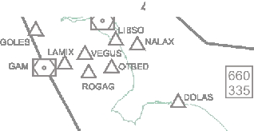 OOON OTR\ "--..,f\. GOOOS •.-•MIMVA A.RAVLO {s'_MOLIX L LAAISO _,,,,J("'--.J NA•VPI )
Sector Number /Name |  | Part | \Ter tica l Li mi t s |  |  |  |  |  |  |  |  |  |  |  |  | Lateral Limits
LONDONACC
 |  |  |  |  | 522615N,0001348E-522535N,0010558E-522510N,0012816E-52341 2N,0015411E-
 |  |  | FL660 |  | 523235N,0020608E-522842N,0023414E-522819N,0024644E-522319N,0024237E-
12 |  | 1 |  |  | 521826N,0023838E-520653N,0022917E-515702N,0022123E-515619N,0015102E-
 |  |  | FL215 |  | 514827N,0013643E-520713N,0005149E-521221N,0004819E-521104N,0003242E-
 |  |  |  |  | 521104N,0000528E-521906N,0000344W-5221.22N,0000147E-522615N,0001348E
 |  |  |  |  | 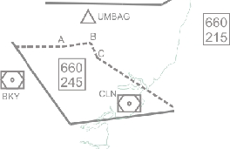 SIVOA |  |  |  |  |  |  |  |  |  |  | ''.,.;---- --. I .,...SCM VA ,:1REOFf, .,-,, IOESI
 |  |  | FL660 |  | 521104N,0000528E-521104N,0003242E-521221N,0004819E-52071 3N,0005149E-
12 |  | 2 |  |  | 514827N,0013643E-514519N,0005029E-514417N,0003607E-515243N,0002633E-
 |  |  | FL245 |  | 520228N,0001524E-52l104N,0000528E
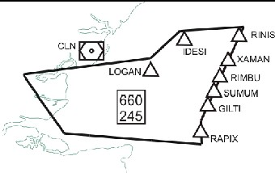
13 |  | 1 | FL660 FL245 |  | 514417N,0003607E-514519N,0005029E-514827N,0013643E-515619N,0015102E- 515702N,0022123E-513000N,0020000E-512638N,0020000E-512300N,0020000E- 512430N,0013643E-512617N,0010724E-512658N,0005532E-513156N,0005000E- 514004N,0004052E-514417N,0003607E

 |  |  | FL245 |  | 514827N,0013643E-515619N,0015102E-515702N,0022123E-513000N,0020000E-
14 |  | 1 |  |  | 512638N,0020000E-512300N,0020000E-512430N,0013643E-514827N,0013643E
 |  |  | FL215
 |  |  |  |  |  |  |  |  |  |  |  |  | LO GA |  |  | 6, IDESI RI NI S 12451 Y.OJMN l. ti RI M BU 6. /\ suMUM i. ODROBY ERI NG G ILTI ---.JL; l. RA PI X
Sector Part \ 7ertical Lateral Limits Number /Name Limits
LONDONACC
15 |  | 1 | FL255 ---- FL195 |  | 512715N,0003300E-510834N,0003514E-510910N,0003349E-511734N,0000925E
 |  |  |  |  | - I'?-",;:; - -1/ ' 25 5 j.....,I - 0 BIG 195• -- - °315') i •I DET o] -,.... 1 9 5 I • I IK I ", OVR = 5 I .... ' ', [ o I : ; '\.KONAN 275 ', I . ,, - ., I LYO[ o 1 - ,, .. - ,....--. .._J / _,/ D.. SOVAT D.. RATUK
15 |  | 2 | FL 275 ------ FL195 |  | 51271 5N ,0003 30 0E-51 2704N,00 04758 E-51 01 05 N,0011 83 2E-50541 6N ,001280 0E- 505503N,0010512E-510238N,0004855E-510834N,0003514E-512715N,0003300E
15 |  | 3 | FL315 ------ FL195 |  | 51270 4N,0004758E-512658N,0005531E-512554N,0011303E-512450N,0013119E- 510000N,0012800E-505416N,0012800E-510105N,0011832E-512704N,00047058E
15 |  | 4 | FL315 ---- 135 |  | 512 450N,0013119E-512300N,0020000E-510700N,0020000E-510000N,0012800E- 5120N,0013119E
16 |  | 1 | FL305 ------ FL275 |  | 505842N,0005754E-510105N,0011832E-505416N,0012800E-505530N,0010512E- 505824N,0005754E
 |  |  |  |  | -..::, ) - 0 OET DVR [o - ' LYD0 30 27 5 / -----· _.,,.,._,. 305 195 j \ '\. SOVAT RATUK
16 |  | 2 | FL305 ------ DB |  | 505530N,0010512E-505416N,0012800E-504244N,0014405E-503607N,0013220E- 503944N,0012717E-505530N,0010512E

Sector Number /Na me |  | Part | Vertical Limits |  |  |  |  |  | Lateral Limits
L0 1''D ON ACC
17 |  | 1 | FL255 ----- FL195 |  | 510853N,0001125W-511734N,0000925E-510910N,0003349E-510834N,0003514E- 51023N8,0 04585E-5 049,000012E4-51085N3,0001125W

 |  |  |  |  | 0 1G -"' |  |  |  |  |  |  |  |  |  |  |  |  |  |  |  |  |  |  |  |  | b ,:-'\
 |  |  |  |  | - |  |  |  | 0oe:r ) 5 .,, 0 .....-···---••"" C!I "4'z 95 · ...... ... J 355 I O l 1 6610 ..., 1 45 $FD 1 95 ,.. ........ .. ,...•" J - 660 • ALESO 1 4 .,. f,; '< K\JNAV V SUBIP
17 |  | 2 | FL355 ----- FL195 |  | 510238N,0004855E-505656N,0010156E-504617N,0005850E-505904N,0000124E- 51023N8,0 04585E
17 |  | 3 | FL660 ----- FL195 |  | 505914N,0000124E-504617N,0005850E-504219N,0005741E-503330N,0003416E- 505075N,0 0155E-5049,000012E4
17 |  | 4 | FL355 ------- FL145 |  | 505656N,0010156E-505530N,0010512E-503944N,0012717E-504617N,0005850E- 505656N,0010156E
17 |  | 5 | FL660 ----- FL145 |  | 504617N,0005850E-503944N,0012717E-502405N,0004611E-503330N,0003416E- 504291N,0 05471E-456071N,0005580E
18 |  | 1 | FL255 ------- FL175 |  | 510853N,0001125W-505530N,0000602E-503700N,0003938W-505216N,0003843W- 510853N,0001125W
 |  |  |  |  | MAY - GWC [ill] • ,J \- • r l• :- - 0.--.· 5 ) .. sro I 5 ,........ ------.., " •' -- -, DRA l< C: X:t:I IL B .6. >CAMAS SllE:r A EULE .6..
18 |  | 2 | FL295 ------- FL175 |  | 505530N,0000602E-503330N,0003416E-502613N,0001508E-502957N,0003209W- 503700N,0003938W-505530N,0000602E
18 |  | 3 | FL295 ----- DB |  | 502957N,0003209W-502613N,0001508E-503330N,0003416E-502405N,0004611E- 50000N,0 01500W-50000N0,0 03518W-502597N,0 03209W

Sector Number /Name |  | Part | \Ter ti ca l Li mi t s |  | Lateral Limits
LONDONACC
 |  |  | FL305 |  | 505301N,0011454W-505512N,0005908W-504139N,0010307W--
19 |  | 1 |  |  | 504125N,0012315W-505301N,0011454W
 |  |  | FL255
 |  |  |  |  | 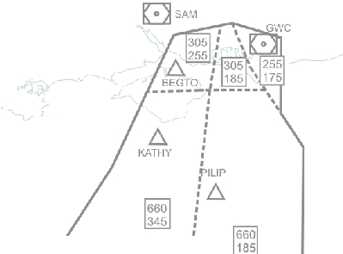 ORIST |  |  |  |  |  |  |  |  |  |  |  |  |  | GARMI |  |  |  |  | I 'I !' - KOTEM
 |  |  |  | FL660 | 504139N,0010307W-504153N,0004450W-503700N,0003938W-
19 |  | 2 |  | ------ | 502975N,0003209W-50000N,003158W-500000N,0010929W--
 |  |  |  | FL185 | 504139N,0010307W
 |  |  |  | FL660 | 504125N,0012315W-504139N,0010307W-500000N,0010929W-
19 |  | 3 |  | ------ | 500000N,002000W-520754N,0013240W- 504125N,0012315W
 |  |  |  | FL345
 |  |  |  | FL305 | 505512N,0005908W-505538N,0005554W-504848N,0005214W-
19 |  | 4 |  | ------ | 504135N,0004405W-540139N,0010307W-505512N,0005908W
 |  |  |  | FL185

 |  |  |  | FL255 | 511117N,0010636N-505538N,0005554W-505301N,0011554W-
19 |  | 5 |  | ------ | 511117N,0010636W
 |  |  |  | FL175
 |  |  |  |  | 511527N,002000W-512138N,0013600W-511350N,0012159W-
 |  |  |  | FL305 | 505859N,0012811W-504946N,0013439W-504035N,0014102W-
20 |  | 1 |  | ----- | 50402N1,0021558W-503712N,0021731W-503947N,0023109W-
 |  |  |  | DB | 504459N,0023107W-504947N,0023317W- 505543N,0020000W-
 |  |  |  |  | 511527N,0020000W
 |  |  |  |  | 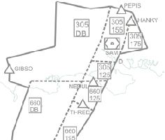 |  |  |  |  |  |  |  |  |  |  |  |  | , | ••• I•
 |  |  |  | FL305 | 511350N,0012159W-511117N,0010636W-505540N,0011312W-
20 |  | 2 |  |  | 505301N,0011454W-504928N,0011735W-504946N,0013439W-
 |  |  |  | FL155 | 505859N,0012811W-511350N,0012159W
 |  |  |  | FL305 | 511117N,0010636W-505538N,0005554W-505301N,0011454W-
20 |  | 3 |  |  | 505540N,0011312W-511117N,0010636W
 |  |  |  | FL175
Sector Part Vertical Lateral Limits Number /Name Limits
LONDONACC
20 |  | 4 | FL305 ------ FL125 |  | 504946N,0013439W-504928N,0011735W-504125N,0012315W- 504053N,0014102W-504946N,0013439W
20 |  | 5 | FL660 ---- DB |  | 504012N,0021558W-504035N,0014102W-503156N,0014700W-- 498N,03020948W-495457N,0023012W-501745N,0022725W- 503712N.0021731W-504012N.0021558W
20 |  | 6 | FL660 ---- F125 |  | 504035N,0014102W-504125N,0012315W-502754N,0013240W- 50361,001470-5040, 3421W
20 |  | 7 | FL660 ------ FL195 |  | 503156N,0014700W-502754N,0013240W-500000N,0020000W- 495823N,0020948W-503156N,0014700W
21 |  | 1 | FL125 ------ DB |  | 504946N,0013439W-504928N,0 011735W-502754 N,0013240W- 503165N,001470W-504946N01,0343W9
 |  |  |  |  | 0 SA\4 , ·-. .J'-, "< , - " ' '• --.,; ..rt :-.- '- .. . - -----..,,_\.,....... KUt11L J i" NED - .6 .. ,_ R-E ,,/ ,, ,, AS,F, ,E;
 |  |  |  |  | , , ,
 |  |  |  |  | , , , /1. A•E |  |  |  |  |  |  |  |  |  |  |  |  |  |  |  | 225 DB
 |  |  |  |  | :a.A ORTAC OR ST
21 |  | 2 | FL195 ---- DB |  | 503156N,0014700W-502754N,0013240W-500000N,0020000W- 498N,03020948W-503156N,0014700W
21 |  | 3 | FL225 ---- DB |  | 502754N,0013240W-501616N,0014042W-500000N,0014301W- 500N,0020000W-502754N,0013240W
, , , ,
Sector Part Vertical Lateral Limits Number/Name Limits
L01''DON ACC
 |  |  | FL255 |  | 505301N,0011454W-505512N,0005908W-504902N,0010057W-
22 |  | 1 |  |  | 504928N,0011735W-505301N,0011454W
 |  |  | FL175
 |  |  |  |  | 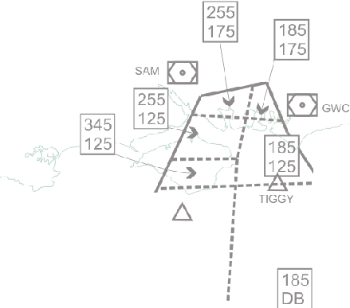 THRE KATHY , I I VE N : 345 I I I 345 : DB I I I I t,_225 ! I ... I ORTAC L UGIS |  |  |  |  |  |  |  |  |  |  |  |  |  |  |  |  |  |  |  |  |  |  |  |  |  |  |  |  |  |  |  | - --

 |  |  |  | FL185 | 505512N,0005908W-505538N,0005554W-504848N,0005214W-
22 |  | 2 |  | ------ | 504902N,0010057W-505512N,0005908W
 |  |  |  | FL175
 |  |  |  | FL255 | 504928N,0011735W-504902N,0010057W-504139N,0010307W-
22 |  | 3 |  | ------ | 504125N,0012315W-504928N,0011735W
 |  |  |  | FL125
 |  |  |  | FL345 | 504125N,0012315W-504139N,0010307W-503700N,0010351W-
22 |  | 4 |  | ----- | 503700N,0012620W-504125N,0012315W
 |  |  |  | FL125
 |  |  |  | FL185 | 504902N,0010057W-504848N,00052l 4W-504153N,0004450W-
22 |  | 5 |  | ----- | 503700N,0003938W-503700N,0010351W-504139N,0010307W-
 |  |  |  | FL125 | 504902N.0010057W
 |  |  |  | FL345 | 503700N,0012620W-503700N,0010351W-500000N,0010929W-
22 |  | 6 |  | ------ | 500000N,0014301W-501616N,0014042W-502754N,0013240W-
 |  |  |  | DB | 503700N,0012620W
 |  |  |  | FL185 | 503700N,0010351W-503700N,0003938W-502957N,0003209W-
22 |  | 7 |  | ------ | 500000N,0003158W-500000N,0010929W-503700N,0010351W
 |  |  |  | DB

 |  |  |  | FL345 | 502754N,0013240W-501616N,0014042W-500000N,0014301W-
22 |  | 8 |  | ------ | 500000N,0020000W-502754N,0013240W
 |  |  |  | FL225
 | Sector Number/Name | Part | Vertical Limits |  |  |  |  |  |  | Lateral Limits
 | LONDONACC
 |  |  | FL265 |  | 520522N,0035849W-520001N,0031635W-520001N,0024700W-
 | 23 | 1 | ----- |  | 520916N,0020428W-514751N,0014136W-514126N,0020000W-
 |  |  | DB |  | 511527N.0020000W-512905N.0034542W-520522N.0035849W
 |  |  |  |  | '.. c:---- |  | .".,. |  |  | - 6 MEDOG MOSUN j\DIKAS 6 265 %"' DB 275 l(. o l BCN ;/ ,.,... <;, ,.. 155 1/ ' NUMPO f - ., ../,j , I KENE"i' "•- ' \..:' ( .,,,- OKEs 1,d 1 2 75 1 • l CPT ------ / f i DB \ 275 I 115 E XM OR
 |  |  |  |  | ,
 | 23 | 2 | FL275 ----- DB |  | 514751N,0014136W-514211N,0013537W-514055N,0013458W- 513706N,0013350W-512624N,0012933W-511837N,0012813W- 513106N,0031031-5123N8,0031600-5152N7,020000W- 514126N.0020000W-514751N.0014136W
 | 23 | 3 | FL275 ------- FL155 |  | 514055N,0013458W-513943N,0012646W-513601N,0012453W- 513706N,0013350W-514055N,0013458W
 |  |  | FL275 |  | 513706N,0013350W-513601N,0012453W-513533N,0012103W-
 | 23 | 4 | ----- |  | 511617N,0012057W-511350N,0012159W-511306N,0013031W-
 |  |  | FL115 |  | 511837N,0012813W-512624N,0012933W-513706N,0013350W
 | 24 | 1 | FL660 ------- FL305 |  | 514126N,0020000W-514931N,0013648W-520001N,0011226W- 515111N,0005745W-511308N,0001558W-511027N,0020000W-514126N,0020000W
 |  |  |  |  |  |  |  |  |  | t |  |  |  | 5 |  |  |  |  | 0 |  |  |  |  | ·: ... -:=::::..:·.. CPT |  |  |  |  |  | wco

Sector Part Vertical Lateral Limits Number /Name Limits
L01''DON ACC
25 |  | 1 | FL245 ---- FL215 |  | 515336N,0014741W-515300N,0012844W-520000N,0011226W- 515421N,0010257W-514319N,0012837W-513943N,0012646W- 514055N.0013458W-514211N.0013537W-514751N.0014136W-515336N.0014741W
 |  |  |  |  | >· 245 ;,.,.;. ;:, \ 215"' {,/' ,. woo 0 0 '--\ BPK d- BNN [ml •I I 5 •I [ill] [ol 0 •I 5 OOK BIG "D0 #,., • ,,;'' 305"• lMAv 0 ;WC 255 / /..@! - ? r;•l $FD
25 |  | 2 | FL305 ---- FL275 |  | 514751N,0014136W-514211N,0013537W-514055N,0013458W- 513943N,0012646W-513601N,0012453W-513533N,0012103W- 511617N,0012057W-511350N,0012159W-511238N,0013600W- 511527N.0020000W-514126N,0020000W-514751N,0014136W
25 |  | 3 | FL305 ---- FL215 |  | 514319N,0012837W-515421N,0010257W-515111N,0005745W- 510853N,0001125W-504626N,0004942W-504848N,0005214W- 505 ,080555--51117N0,166 - 10N,0012159W- 51l617N,0012057W-513533N,0012103W-513601N,0012453W- 513943N,0012646W-514319N,0012837W
25 |  | 4 | FL305 ---- FL255 |  | 504626N,0004942W-510853N,0001125W-505433N,0000716E-503807N,0004049W- 504626N,0004942W
26 |  | 1 | FL305 ------ FL215 |  | 520000N,0011226W-520603N,0005814W-515859N,0005202W- 515350N,0004538W-514802N,0003828W-515619N,0000748W-514801N,0000008E- 512715N,0003300E -510853N,0001125W-515111N,0005745W- 515421N,0010257W-520000N,0011226W
 |  |  |  |  | BKV
 |  |  |  |  |  |  |  |  |  |  |  |  |  |  |  |  |  |  |  | [ 0
 |  |  |  |  |  |  |  |  |  |  |  |  |  |  |  |  |  |  |  |  |  |  |  |  | 305
 |  |  |  |  | BPK• 2 45 |  |  |  |  |  |  |  |  |  |  |  |  |  |  |  |  |  |  |  |  |  |  | _..!,.
 |  |  |  |  | woo 0 ,::•::r•-. ....,,... ( 81,N 305 0 .1..AM ' 215 ·•. v" 0BIG ,..,0.,.• i.:"\ 0 ;<I> 0 '- OCK ,.,...,., 1 305 1 ' • ..DET 305 255 2r75" '«. • l .\. - --· ,-/ MAY ,r--.)
26 |  | 2 | FL305 ------ FL245 |  | 515619N,0000748W-520228N,0001524E-512658N,0005532E-512715N,0003300 E- 514801N,0000008E-515619N,0000748W
26 |  | 3 | FL305 ------ FL255 |  | 512715N,0003300E- 510834N,0003514E-510238N,0004855E-505904N,0000124E- 510853N,001125W-512715N,0003300E
26 |  | 4 | FL305 ---- FL275 |  | 512715N,0003300E-512704N,0004758E-510105N,0011832E-505842N,0005754E- 5023, 04585-501843,000541E-55N, 71330E
1:{' MA .;.t./::. |  |  |  |  |  |  |  |  |  |  |  |  |  |  |  |  |  |  |  | •• '
Sector Part \ 7ertical Lateral Limits Number /Name Limits
LONDONACC
27/32 |  | 1 | FL660 ----- FL285 |  | 525045N,0024528W-531029N,0020557W-531225N,0015844W- 53003N1,0014737W-524149N,0023750W-525045N,0024528W
 |  |  |  |  | .-,
 |  |  |  |  | A( |  |  |  |  |  |  |  |  |  |  |  |  | 660
rt.
 |  |  |  |  | GRA, .." 285 o lTNr ....,..,,,./:SlTtA"FA T LBA,6601 ...SAPCO 19 5 ...... • HON 0 11'660 ........ 2 1.,5.► D TY 01$11/ -" 0 ....-;, 660 OLNE\' 2 2 5 F MA 660 ' ............-...!.•.,.
 |  |  |  |  |  |  |  |  |  |  |  |  |  |  |  |  |  |  |  |  |  |  |  |  |  |  |  |  |  |  |  | •.:;::•·wc o
 |  |  |  |  | KIDLI , |  |  |  |  |  |  |  |  |  |  |  |  |  |  |  |  |  |  |  |  |  |  |  |  |  |  | 305 245

27/32 |  | 2 | FL660 ------ FL195 |  | 524149N,0023750W-530031N,0014737W-520603N,0005814W- 520591N,0005956W-521049N,0010650W-521408N,0011020W- 522618N,0012315W-520946N,0020500W-523251N,0023014W-524149N,0023750W
27/32 |  | 3 | FL660 ------ FL215 |  | 522618N,0012315W-521408N,0011020W-515942N,0015411EW- 520946,002050W-522681N, 012351W
27/32 |  | 4 | FL660 ------ FL225 |  | 515942N,0015411W-521408N,0011020W-521049N,0010650W- 520591N,0005956W-515300N,0012844W-515336N,0014741W-515942N,0015411W
27/32 |  | 5 | FL660 ------ FL275 |  | 515336N,0014741W-515300N,0012844W-514930N,0013648W- 51475N1,0014136W-515336N,0014741W
27/32 |  | 6 | FL305 ------ FL245 |  | 514751N,0014136W-514930N,0013648W-515300N,0012844W- 520519N,0005956W-520603N,0005814W-515859N,0005202W- 514319N,0012837W-513943N,0012646W-514055N,0013458W- 514211N,0013537W-514751N,0014136W
/ 275

