Thermal Subsystem Req
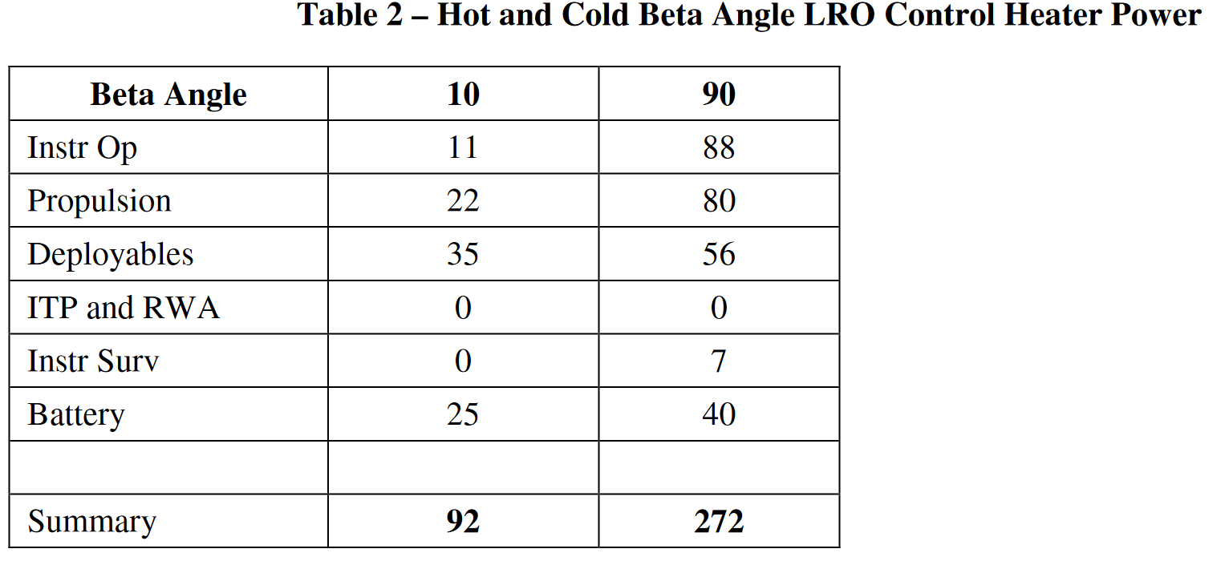
ID | Requirements | Reason
NTM-SYS-TCS | The temperature of the batteries shall be between TBD and TBD degrees celcius
NTM-SYS-TCS
NTM-SYS-TCS
NTM-SYS-TCS
NTM-SYS-TCS
NTM-SYS-TCS
NTM-SYS-TCS
NTM-SYS-TCS
NTM-SYS-TCS
NTM-SYS-TCS | The TCS shall contain a heat dissipation system
NTM-SYS-TCS | The TCS shall protect components from extreme cold temperatures during periods of eclipse of when exposed to deep space
 | The TCS shall use insulation to minimise heat transfer between internal and external environments
 | The TCS shall transfer heat to non-critical component

Monitorisation | The TCS shall consider thermal expension due to temperature changes
Heat Limits
Heat Gradients
Thermal loads | The TCS shall use passive control to dissipate heat without the need for active mechanism
Heat Dissipation | The TCS shall include redundancy in critical component

 | https://www.jstor.org/stable/44657705?searchText=&searchUri=&ab_segments=&searchKey=&refreqid=fastly-default%3Ad9cc05508cb0a9f8b39f3bb5e2f9ffe8&seq=2
NTM-SYS-TCS-MON-01 | The TCS shall measure the heat in critical components with an accuracy of 1°C.

 | The TCS shall withstand temperature changes of 250 degrees shifting from daytime to nighttime. | https://lunar.gsfc.nasa.gov/images/lithos/LROlitho7temperaturevariation27May2014.pdf

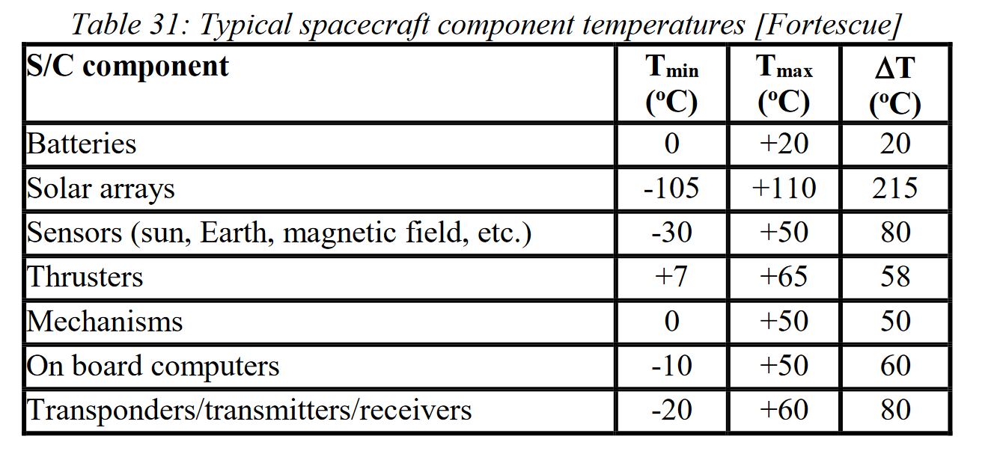
NTM-SYS-TCS-LIM-01 | The TCS shall operate between TBD and TBD degree celcius during safe mode
 | The temperature of the batteries shall be between TBD and TBD degrees celcius
 | The temperature of the processor shall be between TBD and TBD degrees celcius
 | The temperature of the instruments shall be between TBD and TBD degrees celcius
 | The temperature of the propellant tanks shall be between TBD and TBD degrees celcius

NTM-SYS-TCS-GRD-01 | The temperature gradient between ... and ... shall be less than TBD K/m

NTM-SYS-TCS-LOA-01 | The thermal loads introduced due to temperature change shall be less than TBD

NTM-SYS-TCS-DIS-01

Navigation Subsytem Req
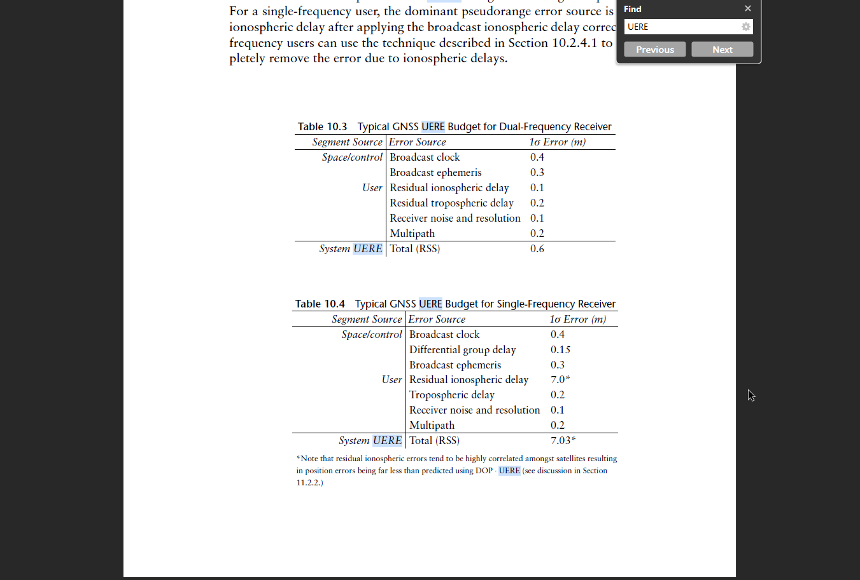
ID | Requirements | Type
NTM-SYS-NAV-01 | The LNSS shall provide a navigation service for lunar surface stationary, surface mobile, descending, ascending, orbiting users to ESA, ESA’s partners and third parties. | service
NTM-SYS-NAV-02 | The LNSS shall inform the ULS about expected quality and availability. | data content to master CS
NTM-SYS-NAV-03 | The navigation service shall allow the users to determine their position and velocity with respect to the selenocentric frame. | data content
NTM-SYS-NAV-04 | The navigation service shall allow the users to determine their position and velocity with respect to the lunar inertial reference frame. | data content
NTM-SYS-NAV-05 | The navigation service shall allow the users to determine the local clock offset with respect with the lunar reference time. | data content
NTM-SYS-NAV-06 | Navigation real time services (except TWM) shall be provided in SV1 and SV2 at least. | space cov | https://www.gps.gov/governance/advisory/meetings/2016-12/cornwell.pdf
NTM-SYS-NAV-07 | Navigation real time services (except TWM) shall be provided continuously. | time cov | https://navi.ion.org/content/navi/69/3/navi.535.full.pdf
 |  |  | https://ieeexplore.ieee.org/stamp/stamp.jsp?tp=&arnumber=9038577
NTM-SYS-NAV-OWR-01 | The OWR service shall result in provider nodes position error smaller or equal to 10 m with a two sigma confidence interval (95% of the time over 24 h). | space accuracy | https://gssc.esa.int/navipedia/index.php/Accuracy#:~:text=Relationship%20between%20Accuracy%20Measurements,-Assuming%20normal%20distributions&text=There%20is%20a%20correspondence%20between,and%20xm%20(x%20sigma).
NTM-SYS-NAV-OWR-02 | The OWR service shall result in provider nodes velocity error smaller or equal to 0.1 m/s with a two sigma confidence interval (95% of the time over 24 h) | space accuracy
NTM-SYS-NAV-OWR-03 | The availability of the OWR service shall be greater or equal to 95% of the time, computed over 3 months. | time cov
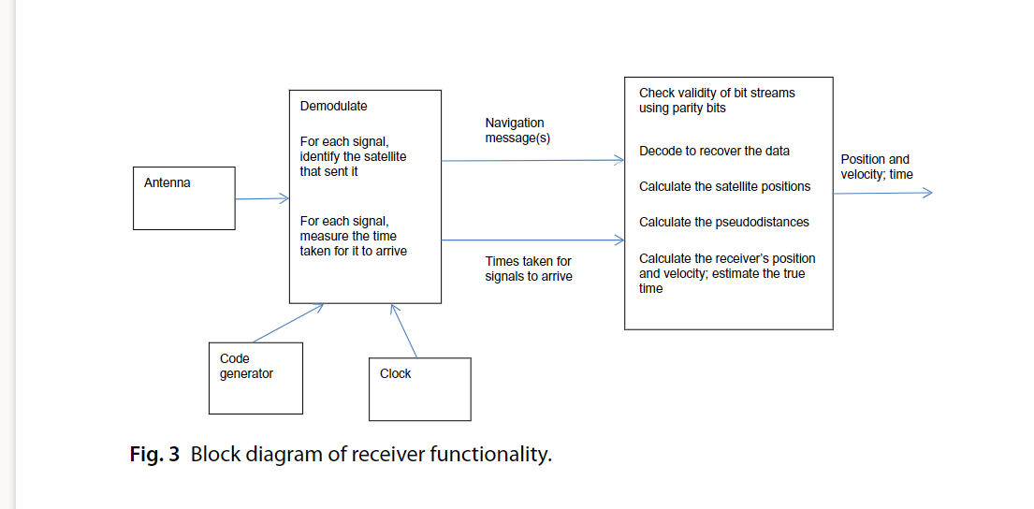
NTM-SYS-NAV-OWR-04 | The OWR service shall be available at least 20 min without interruption with a probability of over 99%, computed over a year. | time cov

NTM-SYS-NAV-TWM-01 | The TWM service shall provide coverage to ULS located in SV1 and SV2 | space cov
NTM-SYS-NAV-TWM-02 | The TWM service shall provide coverage to ULS in a service window of 18 hours of any earth day. | time cov
NTM-SYS-NAV-TWM-03 | The TWM service shall allow the user to move the centre of the service window by ± 3 hours at least once in any 12 month period with more than 8 weeks of user notice. | time cov
NTM-SYS-NAV-TWM-04 | The TWM service shall provide the measurements to the user within 1 min from their generation | time cov
NTM-SYS-NAV-TWM-05 | The TWM service shall be available to multiple collocated ULS. | user
NTM-SYS-NAV-TWM-06 | The TWM shall be in line with [4]. | regulation
NTM-SYS-NAV-TWM-07 | The TWM service shall result in provider nodes position error smaller or equal to 10 m with a two sigma confidence interval (95% of the time over 24 h) | space accuracy
NTM-SYS-NAV-TWM-08 | The TWM service shall result in provider nodes velocity error smaller or equal to 0.1 m s−1 with a two sigma confidence interval (95% of the time over 24 h) . | space accuracy
NTM-SYS-NAV-TWM-09 | The TWM service shall provide the necessary data and measurements (at least clock and ephemeris data) for the user to obtain its PVT. | data content

NTM-SYS-NAV-PVT-01 | The PVT service shall allow a user to compute position and velocity and calculate time offset of local clock with respect to the LNSS time using AFS at least once per second. | service
NTM-SYS-NAV-PVT-02 | The Navigation PVT services shall provide a time coverage of at least 15 continuous hours computed over any 24 hour period. | time cov
NTM-SYS-NAV-PVT-03 | The PVT service shall ensure a Height constrained horizontal dilution of precision (HHDOP defined in [3]) less than 3.5. | space accuracy
NTM-SYS-NAV-PVT-04 | The PVT service availability shall be at least 95%, computed over 3 months. | time cov
NTM-SYS-NAV-PVT-05 | When the PVT service is available it shall work for 20 minutes without interruption with a probability of 99.9% over a yearly period. | time cov
NTM-SYS-NAV-PVT-06 | The PVT service shall allow position, velocity and time solution for the surface to be computed in 60 s from initialisation of the Navigation User Terminal. | time cov
NTM-SYS-NAV-PVT-07 | The position error arising from the PVT service for orbiting users shall be smaller than 100 m (in 3 dimensions; 95% of the time). | space accuracy
NTM-SYS-NAV-PVT-08 | The velocity error arising from the PVT service for orbiting users shall be smaller than 1 m s−1 (in 3 dimensions; 95% of the time). | space accuracy
NTM-SYS-NAV-PVT-09 | The timing error arising from the PVT service for orbiting users shall be smaller than 15 ms (TBC) (95% of the time) | time accuracy
NTM-SYS-NAV-PVT-10 | The horizontal position error arising from the PVT service for landing users shall be smaller than 50 m (95%). | space accuracy
NTM-SYS-NAV-PVT-11 | The vertical position error arising from the PVT service for landing users shall be smaller than 100 m (95%). | space accuracy
NTM-SYS-NAV-PVT-12 | The horizontal velocity error arising from the PVT service for landing users shall be smaller than 1 m s−1 (95%). | space accuracy
NTM-SYS-NAV-PVT-13 | The vertical velocity error arising from the PVT service for landing users shall be smaller than 2 m s−1 (95%). | space accuracy
NTM-SYS-NAV-PVT-14 | The timing error arising from the PVT service for landing users shall be smaller than 15 ms (TBC) (95%). | time accuracy
NTM-SYS-NAV-PVT-15 | The position error arising from the PVT service for surface users shall be smaller than 10 m (95%). | space accuracy
NTM-SYS-NAV-PVT-16 | The velocity error arising from the PVT service for surface users shall be smaller than 1 m s−1 (95%). | space accuracy
NTM-SYS-NAV-PVT-17 | The timing error arising from the PVT service for surface users shall be smaller than 0.4 μs (TBC) (95%). | time accuracy

NTM-SYS-NAV-TS-01 | The TS service shall allow the user to obtain the bias between the local clock and the lunar reference time. | data content
NTM-SYS-NAV-TS-02 | The TS service shall allow the user to obtain the bias between the local clock and the UTC. | data content
NTM-SYS-NAV-TS-03 | The TS service accuracy shall be greater or equal to 1 μs | time accuracy
NTM-SYS-NAV-TS-04 | The TS service shall be available over 95% of the time, computed over 3 months. | time cov

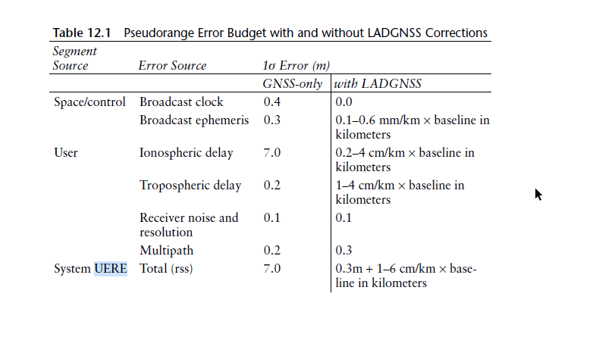
 |  |  |  |  |  |  | https://ieeexplore.ieee.org/stamp/stamp.jsp?tp=&arnumber=9038577&tag=1 | https://www.researchgate.net/publication/223539908_A_simulation_system_for_GNSS_multipath_mitigation_using_spatial_statistical_methods
 |  |  | CLOCK | 0.4 | 0.4 | 0.3-1.9 |  | 1.43
 |  |  | Ephemeris | 0.3 | 0.3 | 0.2-1.9 | 0.67 | 0.57
 |  |  | Ion | 7 | 7 | 0-5 | 6 | 7
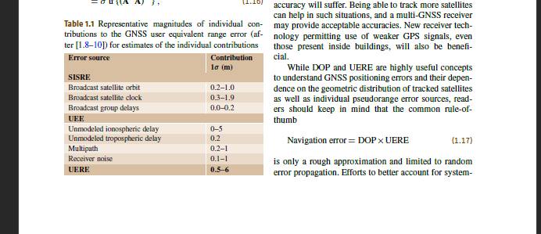
 |  |  | Tropo | 0.2 | 0.2 | 0.2 | 1.35 | 0.25
 |  |  | Reciever Noise and res | 0.1 | 0.1 | 0.1-1
 |  |  | Multipath | 0.2 | 0.2 | 0.2-1
 |  |  | Diff group delay | 0.15 |  | 0-0.2

 |  |  |  |  | 0.03

