Market data
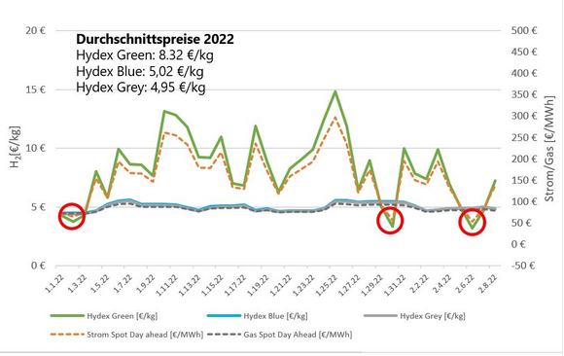
2023 scenario
 | Price [€/t] | Price [€/MWh] | Reference year | source
CH3OH | 434 | 66.87 | 2023 | https://www.methanex.com/about-methanol/pricing/
H2 | 3180 | 95.41 | 2023 | https://www.energate-messenger.de/news/239392/gruener-wasserstoff-deutlich-guenstiger-zum-jahreswechsel
CO2 emission (ETS) | 83.59 |  | 2023 | https://energy-charts.info/charts/price_average/chart.htm?l=de&c=DE&legendItems=000000000000000000000000010&interval=year&year=-1
CO2 (l) | 10.00 |  | Assumption | IEA: https://iea.blob.core.windows.net/assets/50652405-26db-4c41-82dc-c23657893059/Putting_CO2_to_Use.pdf | S.21
CH4 |  | 30.55 | 2023 | https://energy-charts.info/charts/price_average/chart.htm?l=de&c=DE&legendItems=00000000000000001&interval=year&year=-1
O2 (HP) | 80.00 |  | Assumption | Breyer, Christian; Tsupari, Eemeli; Tikka, Ville; Vainikka, Pasi (2015): Power-to-Gas as an Emerging Profitable Business Through Creating an Integrated Value Chain (10.1016/j.egypro.2015.07.668)
Electricity tax |  | 20.5 | 2023 | Zoll Deutschland(2024): https://www.zoll.de/DE/Fachthemen/Steuern/Verbrauchsteuern/Strom/strom_node.html

2050 scenario
CH3OH |  | 100 | 2050 | Agora Verkehrswende, Agora Energiewende and Frontier Economics(2018): The Future Cost of Electricity-Based Synthetic Fuels
H2 | 2500 | 75.01 | 2045 | Bähr (2023):Die Zukunft energieintensiver Industrien in Deutschland
CO2 emission (ETS) | 83.59 |  | 2023 | Burger (2024):energy-charts.info, https://energy-charts.info/charts/price_average/chart.htm?l=de&c=DE&legendItems=000000000000000000000000010&interval=year&year=-1 | S.21
CO2 (l) | 10.00 |  | Assumption | IEA: https://iea.blob.core.windows.net/assets/50652405-26db-4c41-82dc-c23657893059/Putting_CO2_to_Use.pdf
CH4 |  | 100 | 2050 | Agora Verkehrswende, Agora Energiewende and Frontier Economics(2018): The Future Cost of Electricity-Based Synthetic Fuels
O2 (HP) | 80.00 |  | Assumption | Breyer, Christian; Tsupari, Eemeli; Tikka, Ville; Vainikka, Pasi (2015): Power-to-Gas as an Emerging Profitable Business Through Creating an Integrated Value Chain (10.1016/j.egypro.2015.07.668)
Electricity tax |  | 20.5 | Assumption | Zoll Deutschland(2024): https://www.zoll.de/DE/Fachthemen/Steuern/Verbrauchsteuern/Strom/strom_node.html

