v-g fit
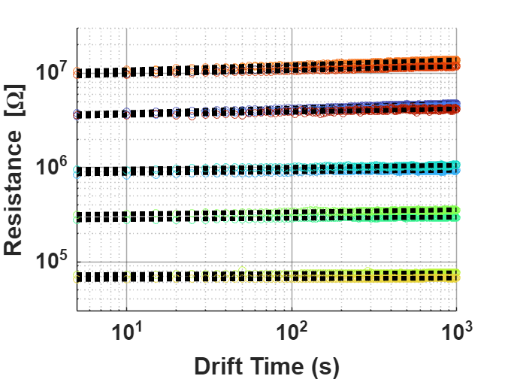
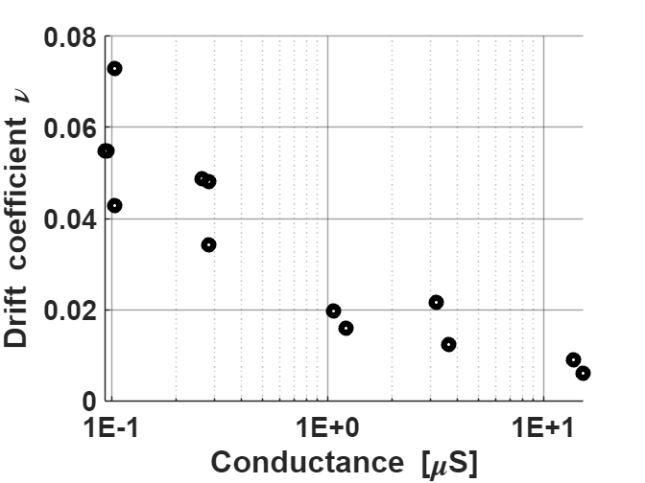
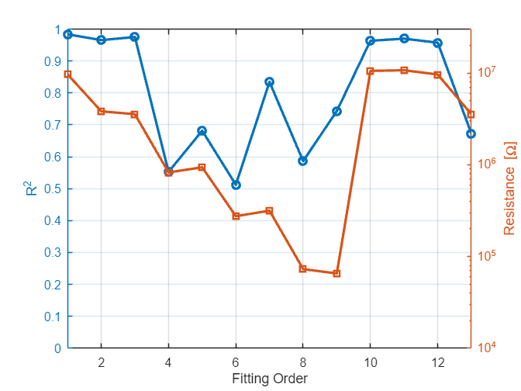
FittingOrder | Resistance | Conductance | nu | R2
1 | 9653333.3333 | 0.10359116022 | 0.072808828771 | 0.98387831927
2 | 3816666.6667 | 0.26200873362 | 0.048677373257 | 0.96572721574
3 | 3550000 | 0.28169014085 | 0.048173466532 | 0.97547580392
4 | 823000 | 1.2150668287 | 0.015960212404 | 0.55272259157
5 | 936666.66667 | 1.0676156584 | 0.019804694501 | 0.68169239248
6 | 274666.66667 | 3.640776699 | 0.012450884007 | 0.51221979009
7 | 315333.33333 | 3.1712473573 | 0.021643847917 | 0.834732861
8 | 72766.666667 | 13.742556115 | 0.0090315830424 | 0.58647269705
9 | 65233.333333 | 15.329586101 | 0.0061080192267 | 0.74329717888
10 | 10533333.333 | 0.094936708861 | 0.05490311624 | 0.96368478435
11 | 10700000 | 0.093457943925 | 0.054808128336 | 0.97022348615
12 | 9620000 | 0.10395010395 | 0.042899355085 | 0.95763255746
13 | 3546666.6667 | 0.28195488722 | 0.034206909373 | 0.67266183697

 | min | 0.093457943925 | 0.093457943925 |  | 0.06814758077 | (x-0.09346)^-0.402
 | max | 15.329586101
 | range | 15.236128157

 | normalize | Conductance | nu
 |  | 0.00066507817414 | 0.072808828771 | #NUM!
 |  | 0.011062573638 | 0.048677373257
 |  | 0.01235433274 | 0.048173466532
 |  | 0.07361508601 | 0.015960212404
 |  | 0.063937353663 | 0.019804694501
 |  | 0.23282284833 | 0.012450884007
 |  | 0.20200600714 | 0.021643847917
 |  | 0.89583771091 | 0.0090315830424
 |  | 1 | 0.0061080192267
 |  | 9.7056477884E-05 | 0.05490311624
 |  | 0 | 0.054808128336
 |  | 0.00068863689755 | 0.042899355085
 |  | 0.012371708964 | 0.034206909373

 | normalize2 | Conductance | nu
 |  | 0.0067990475764 | 0.072808828771
 |  | 0.01719654304 | 0.048677373257
 |  | 0.018488302142 | 0.048173466532
 |  | 0.079749055412 | 0.015960212404
 |  | 0.070071323065 | 0.019804694501
 |  | 0.23895681773 | 0.012450884007
 |  | 0.20813997655 | 0.021643847917
 |  | 0.90197168031 | 0.0090315830424
 |  | 1.0061339694 | 0.0061080192267
 |  | 0.0062310258801 | 0.05490311624
 |  | 0.0061339694022 | 0.054808128336
 |  | 0.0068226062998 | 0.042899355085
 |  | 0.018505678366 | 0.034206909373

