01_DASHBOARD
HOSPITAL EMERGENCY ROOM DASHBOARD
KEY INSIGHTS
Comprehensive Overview of ER Operations and Patient Experience
ER Dashboard
Total Patients
Average Wait Time
Average Satisfaction Score
Admission Rate
Delayed Patients
Total Patients
Overview
9216
35.26
4.99
50.04%
59.32%
9216

Patient Demographics
Minutes
Out of 10
4,612 Patients Admitted
Wait Time Exceeded 30 Minutes
100 % of Total
Average Wait Time
Attendance Trend
Daily Volume Patient Trend
 | Total
1-Jan | 19
2-Jan | 14
3-Jan | 13
4-Jan | 22
5-Jan | 19
6-Jan | 15
7-Jan | 12
8-Jan | 21
9-Jan | 12
10-Jan | 13
11-Jan | 13
12-Jan | 16
13-Jan | 20
14-Jan | 25
15-Jan | 20
16-Jan | 14
17-Jan | 17
18-Jan | 20
19-Jan | 10
20-Jan | 17
21-Jan | 15
22-Jan | 16
23-Jan | 18
24-Jan | 16
25-Jan | 15
26-Jan | 14
27-Jan | 16
28-Jan | 20
29-Jan | 19
30-Jan | 14
31-Jan | 18
1-Feb | 13
2-Feb | 10
3-Feb | 8
4-Feb | 12
5-Feb | 19
6-Feb | 9
7-Feb | 13
8-Feb | 19
9-Feb | 10
10-Feb | 20
11-Feb | 15
12-Feb | 13
13-Feb | 9
14-Feb | 19
15-Feb | 14
16-Feb | 17
17-Feb | 17
18-Feb | 15
19-Feb | 9
...
Gender Distribution
 | Total
Female | 4487
Male | 4729
Admission Status
 | Total
Admitted | 50.04%
Not Admitted | 49.96%
35.26

Department Analysis
Average Satisfaction Score
4.99/10
Wait Time Analysis

Satisfaction Analysis
9216
Total Patients
9216
Total Patients
Admission Rate
50.04%
Insights Summary

Delayed Visits
Race Distribution
 | Total
African American | 1951
Asian | 1060
Declined to Identify | 1030
Native American/Alaska Native | 498
Pacific Islander | 549
Two or More Races | 1557
White | 2571
Department Performance by Wait Time
 | DELAY | ONTIME
Cardiology | 145 | 103
Gastroenterology | 113 | 65
General Practice | 1079 | 761
Neurology | 125 | 68
None | 3217 | 2183
Orthopedics | 565 | 430
Physiotherapy | 171 | 105
Renal | 52 | 34
Patient Count By Age Group
 | Total
0-9 | 1176
10-19 | 1160
20-29 | 1207
30-39 | 1191
40-49 | 1137
50-59 | 1147
60-69 | 1150
70-79 | 1048
59.32%

Gender Distribution
Male patients slightly outnumber female patients (51% vs 49%).


Department Performance

General Practice Handles Highest Patient Volume

Avg Wait Time Trend
 | Total
1-Jan | 37.79
2-Jan | 38.21
3-Jan | 40.92
4-Jan | 34.50
5-Jan | 30.68
6-Jan | 37.67
7-Jan | 36.08
8-Jan | 43.52
9-Jan | 29.50
10-Jan | 38.08
11-Jan | 35.85
12-Jan | 32.63
13-Jan | 39.20
14-Jan | 35.28
15-Jan | 32.55
16-Jan | 35.64
17-Jan | 38.76
18-Jan | 39.90
19-Jan | 41.60
20-Jan | 39.47
21-Jan | 27.73
22-Jan | 36.88
23-Jan | 40.33
24-Jan | 36.50
25-Jan | 32.87
26-Jan | 36.64
27-Jan | 36.56
28-Jan | 32.15
29-Jan | 38.37
30-Jan | 33.07
31-Jan | 36.44
1-Feb | 35.69
2-Feb | 45.40
3-Feb | 29.38
4-Feb | 34.58
5-Feb | 38.68
6-Feb | 34.78
7-Feb | 37.31
8-Feb | 35.63
9-Feb | 36.60
10-Feb | 39.70
11-Feb | 37.40
12-Feb | 27.77
13-Feb | 38.78
14-Feb | 31.00
15-Feb | 35.93
16-Feb | 37.88
17-Feb | 40.59
18-Feb | 34.53
19-Feb | 40.33
...
Avg Satisfaction Score Trend
 | Total
1-Jan | 6.67
2-Jan | 3.50
3-Jan | 4.50
4-Jan | 4.80
5-Jan | 7.75
6-Jan | 6.20
7-Jan | 3.75
8-Jan | 6.50
9-Jan | 3.00
10-Jan | 4.50
11-Jan | 6.00
12-Jan | 5.20
13-Jan | 4.40
14-Jan | 3.45
15-Jan | 4.40
16-Jan | 5.83
17-Jan | 4.44
18-Jan | 5.33
19-Jan | 5.33
20-Jan | 5.57
21-Jan | 5.00
22-Jan | 6.40
23-Jan | 5.33
24-Jan | 3.75
25-Jan | 6.33
26-Jan | 10.00
27-Jan | 5.00
28-Jan | 5.33
29-Jan | 4.80
30-Jan | 5.00
31-Jan | 1.40
1-Feb | 4.17
2-Feb | 5.75
3-Feb | 4.75
4-Feb | 7.00
5-Feb | 3.14
6-Feb | 8.00
7-Feb | 5.25
8-Feb | 4.57
9-Feb | 2.75
10-Feb | 4.50
11-Feb | 5.50
12-Feb | 5.60
13-Feb | 5.75
14-Feb | 3.44
15-Feb | 1.50
16-Feb | 3.67
17-Feb | 4.43
18-Feb | 6.00
19-Feb | 2.67
...

Created by Pranamya K.L.
Advanced Excel Dashboard Project

02_Project_Overview
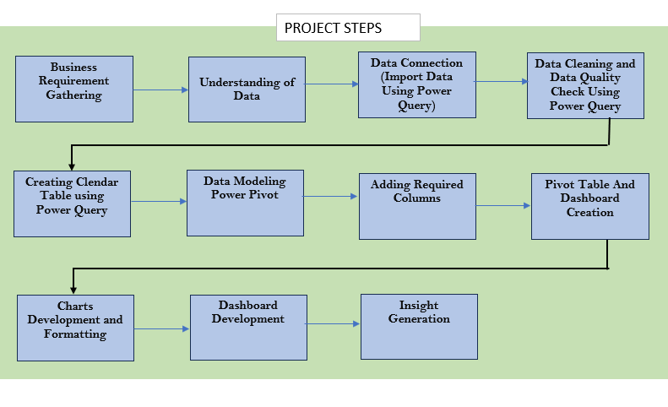



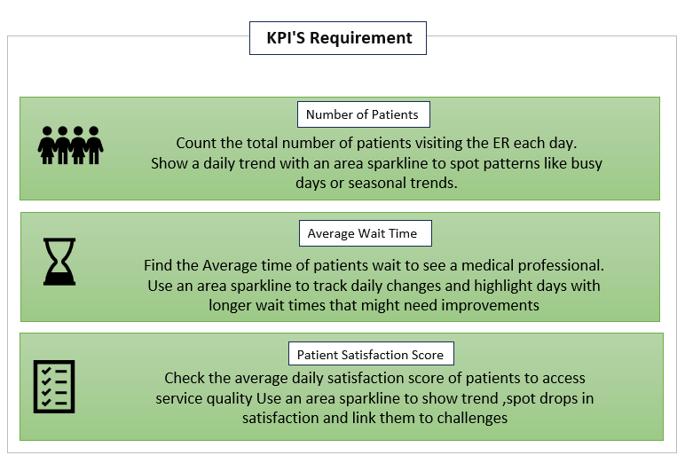

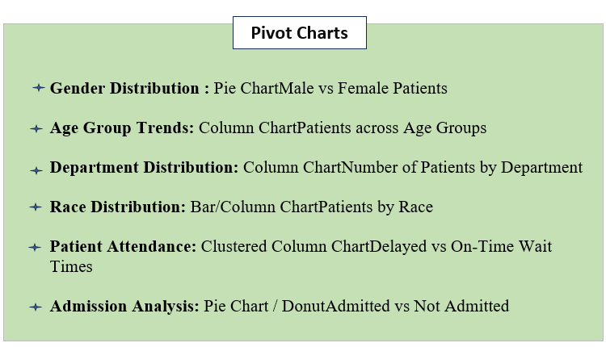

👥 03_Patient_Demographics
Race Distribution
 | Total
African American | 1951
Asian | 1060
Declined to Identify | 1030
Native American/Alaska Native | 498
Pacific Islander | 549
Two or More Races | 1557
White | 2571

Gender Distribution
 | Total
Female | 4487
Male | 4729
Youngest Patient Age: 1 Year

Oldest Patient Age: 79 Year

Average Patient Age: 40 Year
Patient Count By Age Group
 | Total
0-9 | 1176
10-19 | 1160
20-29 | 1207
30-39 | 1191
40-49 | 1137
50-59 | 1147
60-69 | 1150
70-79 | 1048

• Male patients (53%) slightly outnumber female patients (47%). • White patients represent the largest patient demographic. • African American patients are the second-largest demographic group. • Children (0–9 years) recorded the highest ER visits. • Patients aged 70–79 years recorded the lowest visits. • Patient demographics indicate a diverse and balanced patient population.

📈 04_Patient_Trends
Daily Volume Patient Trend
 | Total
1-Jan | 19
2-Jan | 14
3-Jan | 13
4-Jan | 22
5-Jan | 19
6-Jan | 15
7-Jan | 12
8-Jan | 21
9-Jan | 12
10-Jan | 13
11-Jan | 13
12-Jan | 16
13-Jan | 20
14-Jan | 25
15-Jan | 20
16-Jan | 14
17-Jan | 17
18-Jan | 20
19-Jan | 10
20-Jan | 17
21-Jan | 15
22-Jan | 16
23-Jan | 18
24-Jan | 16
25-Jan | 15
26-Jan | 14
27-Jan | 16
28-Jan | 20
29-Jan | 19
30-Jan | 14
31-Jan | 18
1-Feb | 13
2-Feb | 10
3-Feb | 8
4-Feb | 12
5-Feb | 19
6-Feb | 9
7-Feb | 13
8-Feb | 19
9-Feb | 10
10-Feb | 20
11-Feb | 15
12-Feb | 13
13-Feb | 9
14-Feb | 19
15-Feb | 14
16-Feb | 17
17-Feb | 17
18-Feb | 15
19-Feb | 9
...
Year-wise Patient Volume
 | Total
2023 | 4338
2024 | 4878

• Patient volume increased significantly from April through October.
• 2024 recorded higher ER visits than 2023.
• Q2 recorded the highest patient volume (2,938 patients).
• August was the busiest month for Emergency Room visits.
• Patient visits declined during November and December.
• Peak demand occurred during Q2 and Q3, requiring higher resource allocation.

Quarterly Patient Volume
 | Total
Qtr1 | 1450
Qtr2 | 2938
Qtr3 | 2911
Qtr4 | 1917
Monthly Patient Volume
 | Total
Jan | 513
Feb | 431
Mar | 506
Apr | 948
May | 999
Jun | 991
Jul | 952
Aug | 1024
Sep | 935
Oct | 964
Nov | 464
Dec | 489

05_Department_Performance
Department Performance by Wait Time
 | DELAY | ONTIME
Cardiology | 145 | 103
Gastroenterology | 113 | 65
General Practice | 1079 | 761
Neurology | 125 | 68
None | 3217 | 2183
Orthopedics | 565 | 430
Physiotherapy | 171 | 105
Renal | 52 | 34
Patient Volume by Department
 | Total
Cardiology | 248
Gastroenterology | 178
General Practice | 1840
Neurology | 193
None | 5400
Orthopedics | 995
Physiotherapy | 276
Renal | 86

• Patients without a department referral account for the highest ER visits.
• General Practice is the busiest specialty department.
• Neurology records the highest average patient wait time.
• Renal department has the lowest average wait time.
• Most delayed visits occur in high-volume departments.
• Optimizing staffing in General Practice and Neurology may improve patient flow.

Admissions by Department
 | Total
Admitted | 122
Not Admitted | 126
Admitted | 89
Not Admitted | 89
Admitted | 887
Not Admitted | 953
Admitted | 97
Not Admitted | 96
Admitted | 2736
Not Admitted | 2664
Admitted | 498
Not Admitted | 497
Admitted | 137
Not Admitted | 139
Admitted | 46
Not Admitted | 40
Average Wait Time by Department
 | Total
Cardiology | 35.35
Gastroenterology | 35.83
General Practice | 34.91
Neurology | 36.80
None | 35.29
Orthopedics | 34.98
Physiotherapy | 36.57
Renal | 34.70

⏳ 06_Wait_Time_Analysis
Avg Wait Time Trend
 | Total
1-Jan | 37.79
2-Jan | 38.21
3-Jan | 40.92
4-Jan | 34.50
5-Jan | 30.68
6-Jan | 37.67
7-Jan | 36.08
8-Jan | 43.52
9-Jan | 29.50
10-Jan | 38.08
11-Jan | 35.85
12-Jan | 32.63
13-Jan | 39.20
14-Jan | 35.28
15-Jan | 32.55
16-Jan | 35.64
17-Jan | 38.76
18-Jan | 39.90
19-Jan | 41.60
20-Jan | 39.47
21-Jan | 27.73
22-Jan | 36.88
23-Jan | 40.33
24-Jan | 36.50
25-Jan | 32.87
26-Jan | 36.64
27-Jan | 36.56
28-Jan | 32.15
29-Jan | 38.37
30-Jan | 33.07
31-Jan | 36.44
1-Feb | 35.69
2-Feb | 45.40
3-Feb | 29.38
4-Feb | 34.58
5-Feb | 38.68
6-Feb | 34.78
7-Feb | 37.31
8-Feb | 35.63
9-Feb | 36.60
10-Feb | 39.70
11-Feb | 37.40
12-Feb | 27.77
13-Feb | 38.78
14-Feb | 31.00
15-Feb | 35.93
16-Feb | 37.88
17-Feb | 40.59
18-Feb | 34.53
19-Feb | 40.33
...
 | Total
0-9 | 35.10
10-19 | 35.47
20-29 | 35.59
30-39 | 35.61
40-49 | 35.16
50-59 | 34.90
60-69 | 34.64
70-79 | 35.60

⏱️ Average Wait Time: 35.26 mins

📈 Highest Wait Time: ≈43 mins

 | Total
Cardiology | 35.35
Gastroenterology | 35.83
General Practice | 34.91
Neurology | 36.80
None | 35.29
Orthopedics | 34.98
Physiotherapy | 36.57
Renal | 34.70
📉 Lowest Wait Time: ≈30 mins
• Average wait time remained stable throughout the year.
• Neurology recorded the highest average patient wait time.
• Renal department achieved the lowest average wait time.
• Patients aged 30–39 experienced the longest average wait.
• Wait times across age groups remained relatively consistent.
• Improving efficiency in high-demand departments may reduce delays.

😊 07_Patient_Satisfaction
Avg Satisfaction Score Trend
 | Total
1-Jan | 6.67
2-Jan | 3.50
3-Jan | 4.50
4-Jan | 4.80
5-Jan | 7.75
6-Jan | 6.20
7-Jan | 3.75
8-Jan | 6.50
9-Jan | 3.00
10-Jan | 4.50
11-Jan | 6.00
12-Jan | 5.20
13-Jan | 4.40
14-Jan | 3.45
15-Jan | 4.40
16-Jan | 5.83
17-Jan | 4.44
18-Jan | 5.33
19-Jan | 5.33
20-Jan | 5.57
21-Jan | 5.00
22-Jan | 6.40
23-Jan | 5.33
24-Jan | 3.75
25-Jan | 6.33
26-Jan | 10.00
27-Jan | 5.00
28-Jan | 5.33
29-Jan | 4.80
30-Jan | 5.00
31-Jan | 1.40
1-Feb | 4.17
2-Feb | 5.75
3-Feb | 4.75
4-Feb | 7.00
5-Feb | 3.14
6-Feb | 8.00
7-Feb | 5.25
8-Feb | 4.57
9-Feb | 2.75
10-Feb | 4.50
11-Feb | 5.50
12-Feb | 5.60
13-Feb | 5.75
14-Feb | 3.44
15-Feb | 1.50
16-Feb | 3.67
17-Feb | 4.43
18-Feb | 6.00
19-Feb | 2.67
...
Average Satisfaction by Department
 | Total
Cardiology | 5.14
Gastroenterology | 5.80
General Practice | 5.06
Neurology | 5.28
None | 4.95
Orthopedics | 4.86
Physiotherapy | 4.99
Renal | 4.57
😊 Overall Satisfaction: 4.99 / 10

⭐ Highest Satisfaction Department: Gastroenterology

📉 Lowest Satisfaction Department: Renal

• Overall patient satisfaction remained around 5/10.
• Gastroenterology achieved the highest patient satisfaction score.
• Renal department recorded the lowest satisfaction score.
• Patients aged 50–59 reported the highest satisfaction levels.
• Male patients reported slightly higher satisfaction than female patients.
• Improving wait times may increase overall patient satisfaction.

Average Satisfaction by Age Group
 | Total
0-9 | 5.12
10-19 | 4.88
20-29 | 5.09
30-39 | 4.99
40-49 | 5.15
50-59 | 5.07
60-69 | 5.06
70-79 | 4.53
Average Satisfaction by Gender
 | Total
Female | 4.96
Male | 5.03

08_Insights summary
📊 Executive Summary
A total of 9,216 patients visited the Emergency Room during the analysis period.
The average patient wait time was 35.26 minutes.
The average patient satisfaction score was 4.99/10, indicating opportunities to improve the patient experience.
50.04% of patients were admitted, while 49.96% were treated and discharged.
59.32% of patients experienced a wait time greater than 30 minutes.
INSIGHTS SUMMARY
🏥 Department Performance
Patients without a department referral ("None") accounted for the highest patient volume.
General Practice handled the highest patient volume among specialty departments.
Neurology recorded the highest average patient wait time.
Renal recorded the lowest average wait time.

⏳ Wait Time Analysis
Average wait time remained relatively stable throughout the year.
Most departments maintained average wait times between 34–37 minutes.
Patients aged 30–39 years experienced the highest average wait time.
High-volume departments contributed to a greater number of delayed visits.
👥 Patient Demographics
Male patients (51%) slightly outnumbered female patients (49%).
White patients represented the largest patient demographic, followed by African American patients.
The 0–9 years age group recorded the highest number of Emergency Room visits.
The 70–79 years age group had the lowest patient volume.

😊 Patient Satisfaction
Overall patient satisfaction remained close to 5/10.
Gastroenterology recorded the highest average satisfaction score.
Renal recorded the lowest satisfaction score.
Male patients reported slightly higher satisfaction than female patients.
Satisfaction scores were generally consistent across different age groups.
📈 Patient Volume Trends
Emergency Room visits increased significantly from April through October.
2024 recorded a higher patient volume compared to 2023.
Q2 had the highest patient volume, followed closely by Q3.
Patient visits declined during November and December.

📌 Recommendations
Reduce patient wait times by improving patient flow and resource allocation.
Increase staffing during high-volume months (April–October) to handle increased patient demand.
Review Neurology workflows to reduce average wait times.
Improve service quality in departments with lower satisfaction scores, particularly Renal.
Monitor high-volume departments, especially General Practice, to maintain operational efficiency.
Continue tracking wait times, admissions, and patient satisfaction to support data-driven decision-making.
⭐ Final Conclusion
The Hospital Emergency Room Dashboard provides an interactive view of patient demographics, operational efficiency, department performance, wait times, admissions, and patient satisfaction. The analysis identifies opportunities to reduce wait times, optimize staffing, and improve patient experience while supporting data-driven healthcare decisions
Prepared By:
Pranamya K.L.
Advanced Excel Dashboard Project
Tools Used: Excel | Power Query | Power Pivot | DAX | Pivot Tables | Pivot Charts | Slicers

