Sheet1
Patient Call Screen
Examination screen can be expand or collepse

Tap On Call Option in Patient Appointment screen will redirect to this screenn
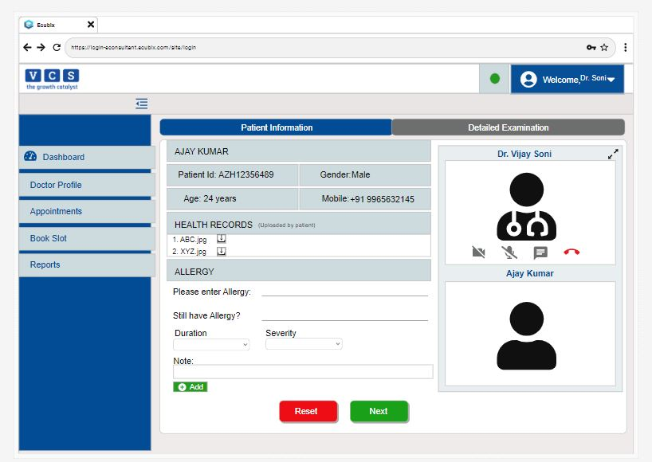
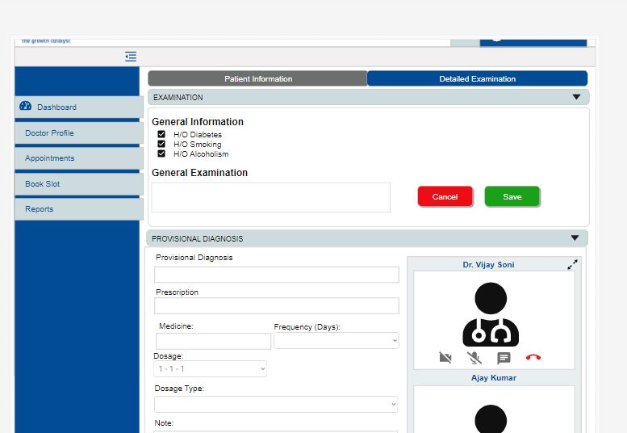
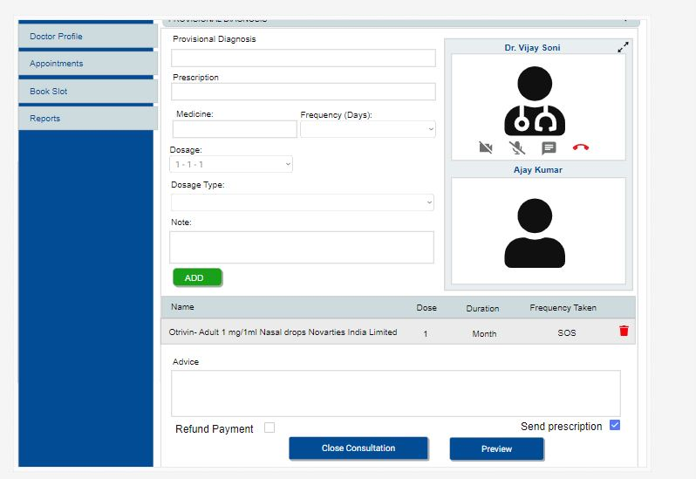

Other Details

PreFilled details by patients can be viewed or doctor can enter
Name can be searched or enter new name also can be added in prescription

From Medicine Master, Dosage Master

Tap on Next will redirect to next Detail Examination screen
Details can be filled by the doctor during the consultancy
Can Close Consultancy call or preview the Prescription

