tab11_map
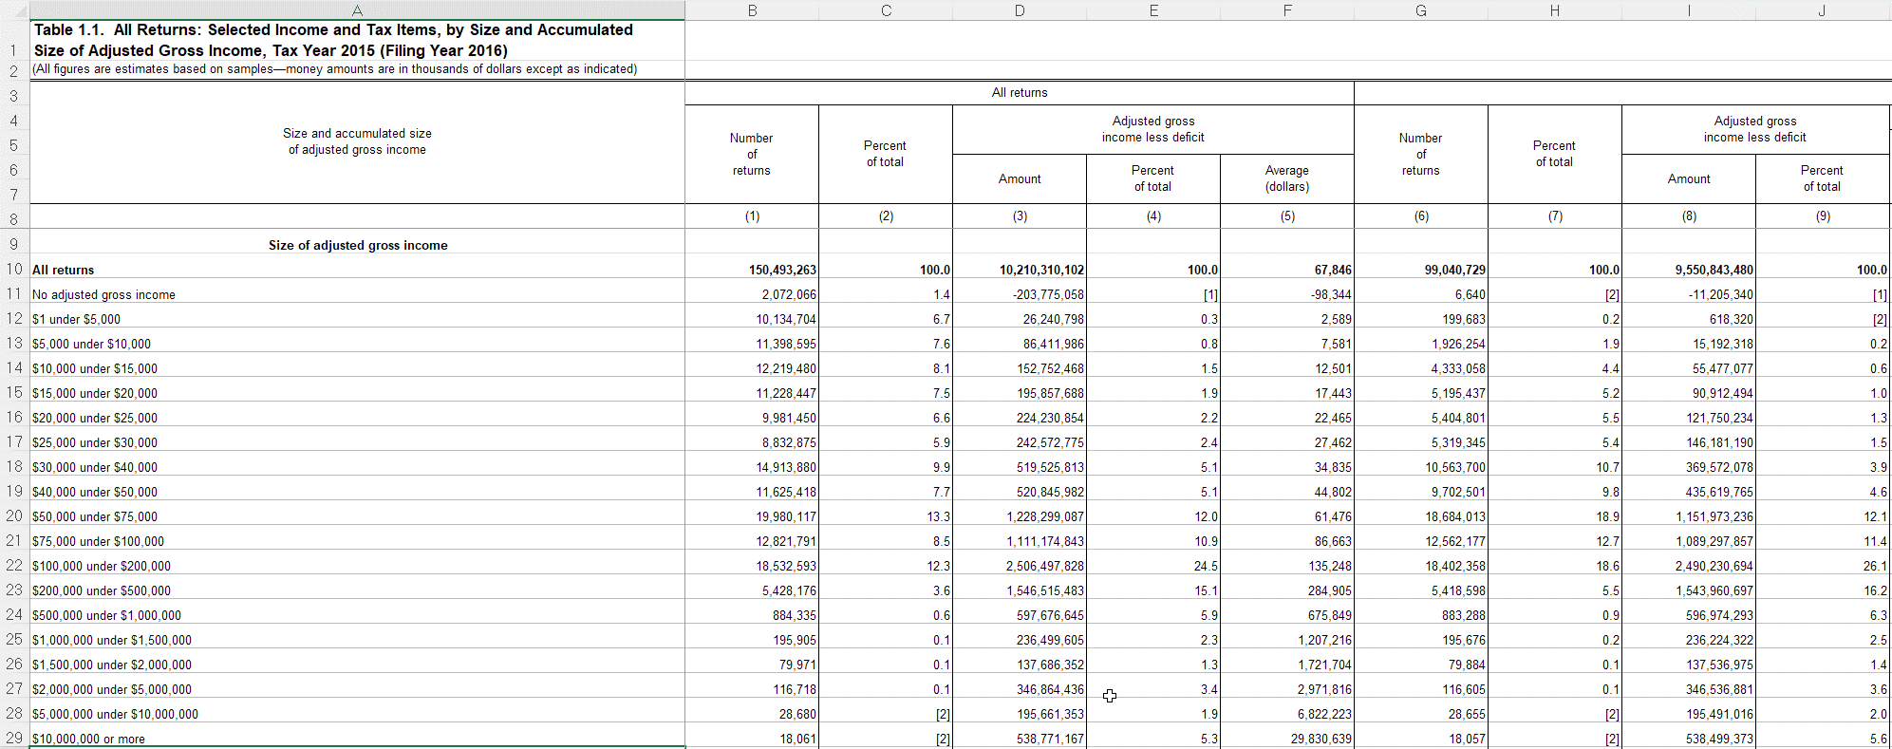
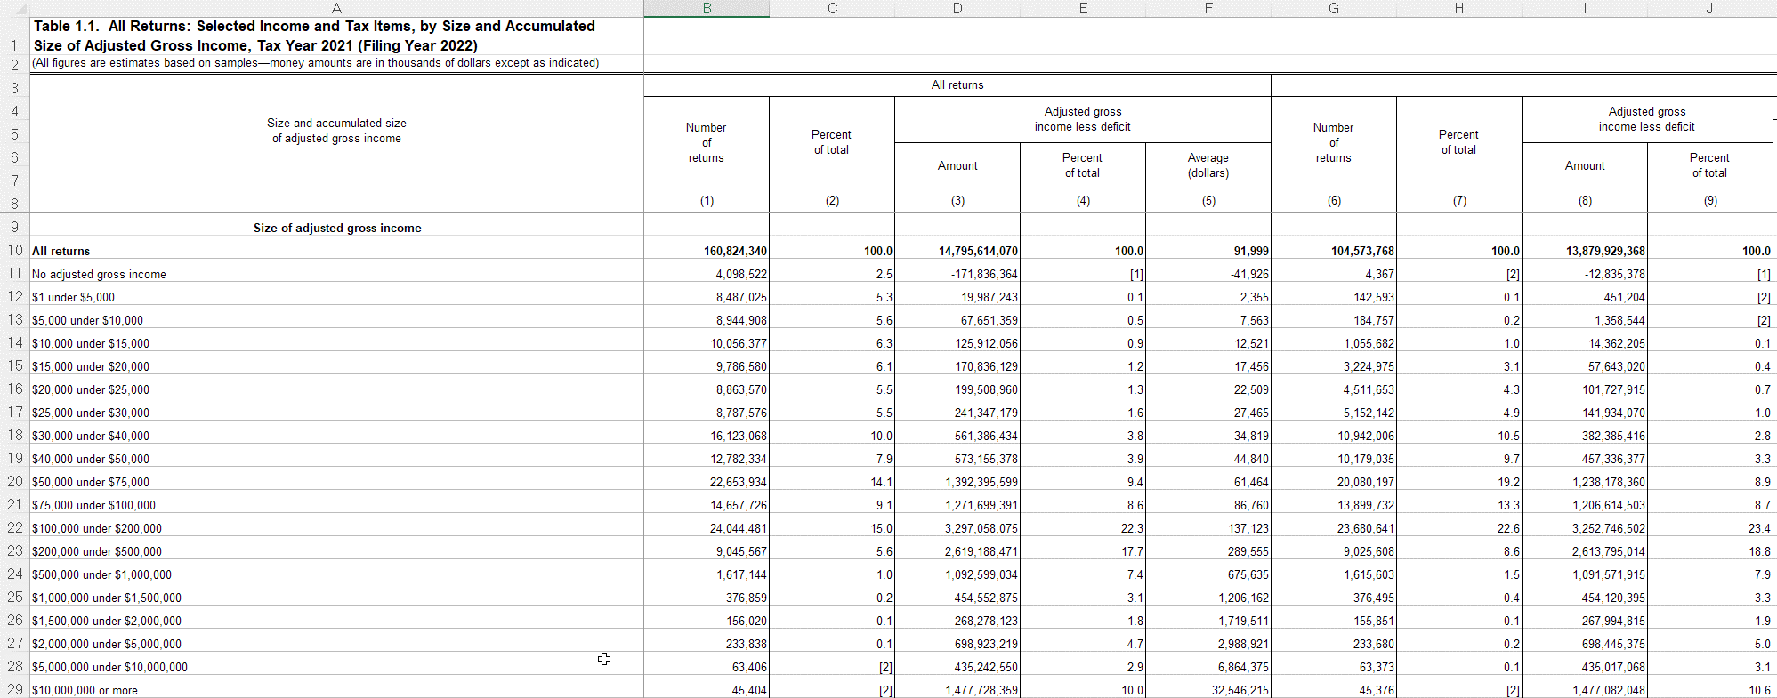
 |  | rowtype | filers_2015 | filers_2021 | filers_2022 | taxable_2015 | taxable_2021 | taxable_2022
 |  | startrow | 10 | 10 | 10 | 10 | 10 | 10
 |  | endrow | 29 | 29 | 29 | 29 | 29 | 29

vname | description | units | filers_2015 | filers_2021 | filers_2022 | taxable_2015 | taxable_2021 | taxable_2022 | notes
incrange | Size of adjusted gross income | 0 | A | A | A | A | A | A
nret_all | Number of returns | 1 | B | B | B | G | G | G
agi | Adjusted gross income less deficit | 1000 | D | D | D | I | I | I
nret_ti | Number of returns with taxable income | 1 |  |  |  | K | K | K
ti | Taxable income | 1000 |  |  |  | L | L | L
nret_taxac | Number of returns with income tax after credits | 1 |  |  |  | N | N | N
taxac | Income tax after credits | 1000 |  |  |  | O | O | O
nret_tottax | Number of returns with total income tax | 1 |  |  |  |  |  |  | Same as nret_all for taxable returns so don't read twice(?)
tottax | Total income tax | 1000 |  |  |  | Q | Q | Q

tab12_map
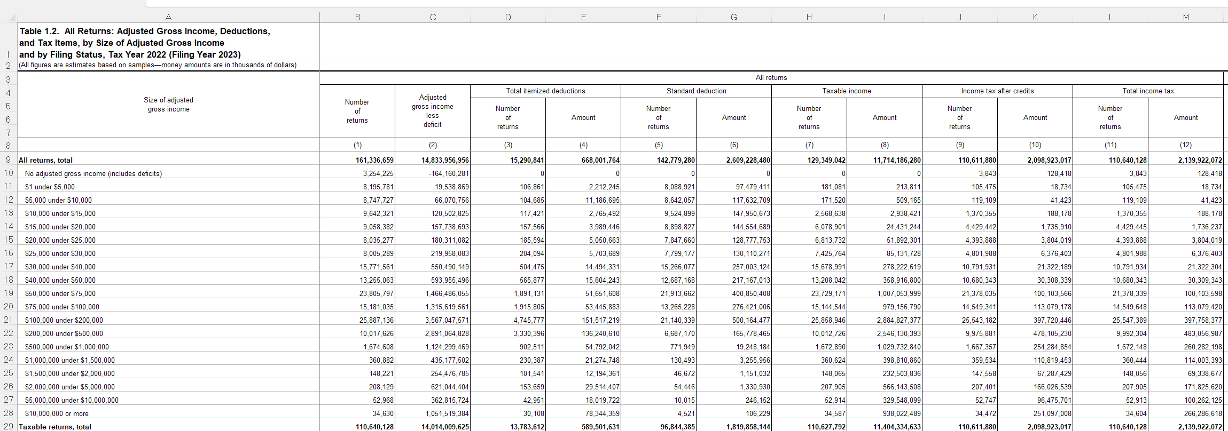
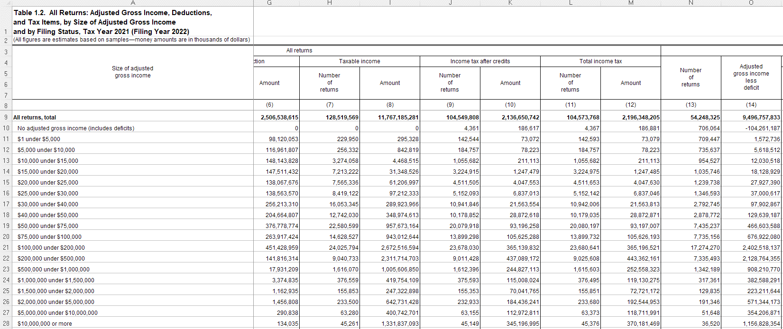
 |  | rowtype | filers_2015 | filers_2021 | filers_2022 | taxable_2015 | taxable_2021 | taxable_2022
 |  | startrow | 9 | 9 | 9 | 29 | 29 | 29
 |  | endrow | 28 | 28 | 28 | 29 | 44 | 44

vname | description | units | filers_2015 | filers_2021 | filers_2022 | taxable_2015 | taxable_2021 | taxable_2022 | notes
incrange | Size of adjusted gross income | 0 | A | A | A | A | A | A
nret_all | Number of returns | 1 | B | B | B | B | B | B
agi | Adjusted gross income less deficit | 1000 | C | C | C | C | C | C
exemption | Exemption amount | 1000 | D |  |  | D
nret_itemded | Number of returns with itemized deductions | 1 | E | D | D | E | D | D
itemded | Total itemized deductions | 1000 | F | E | E | F | E | E
nret_sd | Number of returns with standard deduction | 1 | G | F | F | G | F | F
sd | Standard deduction | 1000 | H | G | G | H | G | G
nret_ti | Number of returns with taxable income | 1 | I | H | H | I | H | H
ti | Taxable income | 1000 | J | I | I | J | I | I
nret_taxac | Number of returns with income tax after credits | 1 | K | J | J | K | J | J
taxac | Income tax after credits | 1000 | L | K | K | L | K | K
nret_tottax | Number of returns with total income tax | 1 | M | L | L | M | L | L
tottax | Total income tax | 1000 | N | M | M | N | M | M
nret_mfjss | Number of returns of married persons filing jointly and returns of surviving spouses | 1 | O | N | N | O | N | N
agi_mfjss | Adjusted gross income less deficit, married filing joint and surviving spouses | 1000 | P | O | O | P | O | O
nret_mfs | Number of returns of married persons filing separately | 1 | AB | Z | Z | AB | Z | Z
agi_mfs | Adjusted gross income less deficit, married filing separately | 1000 | AC | AA | AA | AC | AA | AA
nret_hoh | Number of returns of heads of households | 1 | AO | AL | AL | AO | AL | AL
agi_hoh | Adjusted gross income less deficit, heads of households | 1000 | AP | AM | AM | AP | AM | AM
nret_single | Number of returns of single persons | 1 | BB | AX | AX | BB | AX | AX
agi_single | Adjusted gross income less deficit, single | 1000 | BC | AY | AY | BC | AY | AY

tab14_map
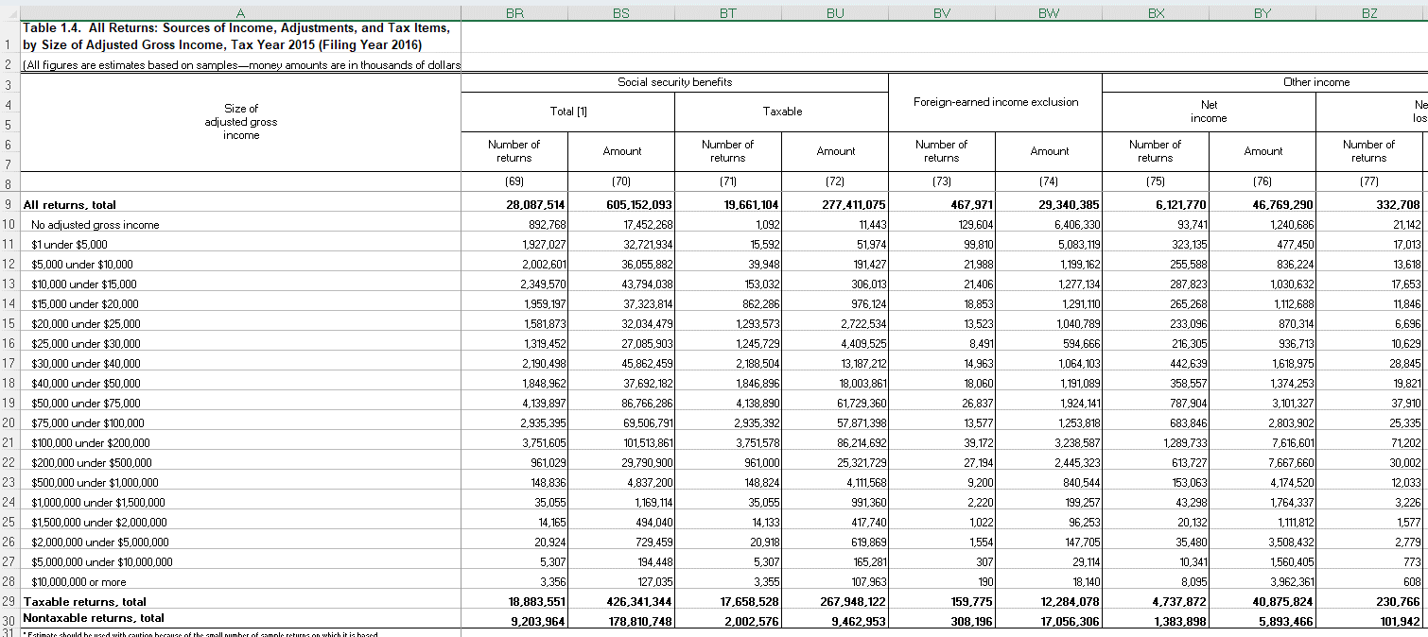
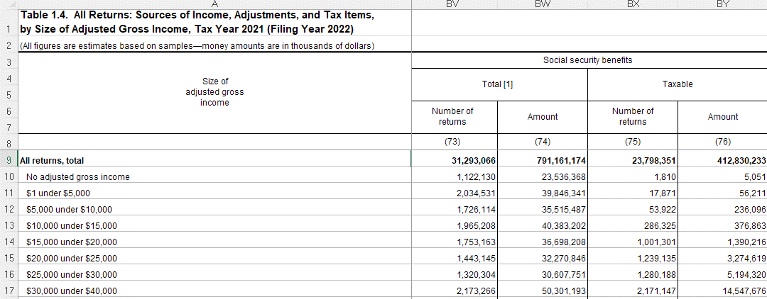
 |  | rowtype | filers_2015 | filers_2021 | filers_2022 | taxable_2015 | taxable_2021 | taxable_2022
 |  | startrow | 9 | 9 | 9 | 29 | 29 | 29
 |  | endrow | 28 | 28 | 28 | 29 | 44 | 44

vname | description | units | filers_2015 | filers_2021 | filers_2022 | taxable_2015 | taxable_2021 | taxable_2022 | notes
incrange | Size of adjusted gross income | 0 | A | A | A | A | A | A
nret_all | Number of returns | 1 | B | B | B | B | B | B
agi | Adjusted gross income less deficit | 1000 | C | C | C | C | C | C
nret_wages | Number of returns with salaries and wages | 1 | F | F | F | F | F | F
wages | Salaries and wages | 1000 | G | G | G | G | G | G
nret_taxint | Number of returns with taxable interest | 1 | H | H | T | H | H | T
taxint | Taxable interest | 1000 | I | I | U | I | I | U
nret_exemptint | Number of returns with tax-exempt interest | 1 | J | J | V | J | J | V
exemptint | Tax-exempt interest | 1000 | K | K | W | K | K | W
nret_orddiv | Number of returns with ordinary dividends | 1 | L | L | X | L | L | X
orddiv | Ordinary dividends | 1000 | M | M | Y | M | M | Y
nret_qualdiv | Number of returns with qualified dividends | 1 | N | N | Z | N | N | Z
qualdiv | Qualified dividends | 1000 | O | O | AA | O | O | AA
nret_busprofnetinc | Number of returns with business or professional net income | 1 | T | T | AF | T | T | AF
busprofnetinc | Business or professional net income | 1000 | U | U | AG | U | U | AG
nret_busprofnetloss | Number of returns with business or professional net loss | 1 | V | V | AH | V | V | AH
busprofnetloss | Business or professional net loss | 1000 | W | W | AI | W | W | AI
nret_cgdist | Number of returns with capital gain distributions | 1 | X | X | AJ | X | X | AJ
cgdist | Capital gains distributions | 1000 | Y | Y | AK | Y | Y | AK
nret_cggross | Number of returns with capital gains gross taxable | 1 | Z | Z | AL | Z | Z | AL
cggross | Capital gains gross taxable | 1000 | AA | AA | AM | AA | AA | AM
nret_cgloss | Number of returns with capital loss taxable | 1 | AB | AB | AN | AB | AB | AN
cgloss | Capital loss taxable | 1000 | AC | AC | AO | AC | AC | AO
nret_iradist | Number of returns with IRA distributions | 1 | AH | AH | AT | AH | AH | AT
iradist | Individual Retirement Arrangements (IRA) distributions | 1000 | AI | AI | AU | AI | AI | AU
nret_pensions | Number of returns with total pensions and annuities (including nontaxable) | 1 | AJ | AJ | AV | AJ | AJ | AV
pensions | Total pensions and annuities (including nontaxable) | 1000 | AK | AK | AW | AK | AK | AW
nret_pensions_taxable | Number of returns with taxable pensions and annuities | 1 | AL | AL | AX | AL | AL | AX
pensions_taxable | Taxable pensions and annuities | 1000 | AM | AM | AY | AM | AM | AY
nret_rentroyinc | Number of returns with total rental and royalty income | 1 | AZ | AZ | BL | AZ | AZ | BL
rentroyinc | Total rental and royalty income | 1000 | BA | BA | BM | BA | BA | BM
nret_rentroyloss | Number of returns with total rental and royalty loss | 1 | BB | BB | BN | BB | BB | BN
rentroyloss | Total rental and royalty income loss | 1000 | BC | BC | BO | BC | BC | BO
nret_partnerscorpinc | Number of returns with partnership or S corporation net income | 1 | BD |  |  | BD
partnerscorpinc | Partnership or S corporation net income | 1000 | BE |  |  | BE
nret_partnerscorploss | Number of returns with partnership or S corporation net loss | 1 | BF |  |  | BF
partnerscorploss | Partnership or S corporation net loss | 1000 | BG |  |  | BG
nret_partnerinc | Number of returns with partnership net income | 1 |  | BD | BP |  | BD | BP | CAUTION: I corrected vname to nret_partnerinc from nret_partnerpinc
partnerinc | Partnership net income | 1000 |  | BE | BQ |  | BE | BQ
nret_partnerloss | Number of returns with partnership net loss | 1 |  | BF | BR |  | BF | BR
partnerloss | Partnership net loss | 1000 |  | BG | BS |  | BG | BS
nret_scorpinc | Number of returns with S corporation net income | 1 |  | BH | BT |  | BH | BT
scorpinc | S corporation net income | 1000 |  | BI | BU |  | BI | BU
nret_scorploss | Number of returns with S corporation net loss | 1 |  | BJ | BV |  | BJ | BV
scorploss | S corporation net loss | 1000 |  | BK | BW |  | BK | BW
nret_estateinc | Number of returns with estate and trust income | 1 | BH | BL | BX | BH | BL | BX
estateinc | Estate and trust income | 1000 | BI | BM | BY | BI | BM | BY
nret_estateloss | Number of returns with estate and trust loss | 1 | BJ | BN | BZ | BJ | BN | BZ
estateloss | Estate and trust loss | 1000 | BK | BO | CA | BK | BO | CA
nret_unempcomp | Number of returns with unemployment compensation | 1 | BP | BT | CF | BP | BT | CF
unempcomp | Unemployment compensation | 1000 | BQ | BU | CG | BQ | BU | CG
nret_socsectot | Number of returns with total Social Security benefits | 1 | BR | BV | CH | BR | BV | CH
socsectot | Total Social Security benefits | 1000 | BS | BW | CI | BS | BW | CI
nret_socsectaxable | Number of returns with taxable Social Security benefits | 1 | BT | BX | CJ | BT | BX | CJ
socsectaxable | Taxable Social Security benefits | 1000 | BU | BY | CK | BU | BY | CK
nret_itemded | Number of returns with itemized deductions | 1 | DV | DV | EF | DV | DV | EF
itemded | Total itemized deductions | 1000 | DW | DW | EG | DW | DW | EG
n_exemptions | Number of exemptions | 1 | DX |  |  | DX
exemption | Exemption amount | 1000 | DY |  |  | DY
nret_qbid | Number of returns with Qualified Business Income Deduction | 1 |  | DX | EH |  | DX | EH
qbid | Qualified Business Income Deduction | 1000 |  | DY | EI |  | DY | EI
nret_amt | Number of returns with alternative minimum tax | 1 | ED | ED | EN | ED | ED | EN
amt | Alternative minimum tax | 1000 | EE | EE | EO | EE | EE | EO
nret_taxbc | Number of returns with income tax before credits (IRS definition, not PUF definition) | 1 | EH | EH | ER | EH | EH | ER
taxbc | Income tax before credits (IRS definition, not PUF definition) | 1000 | EI | EI | ES | EI | EI | ES

tab21_map
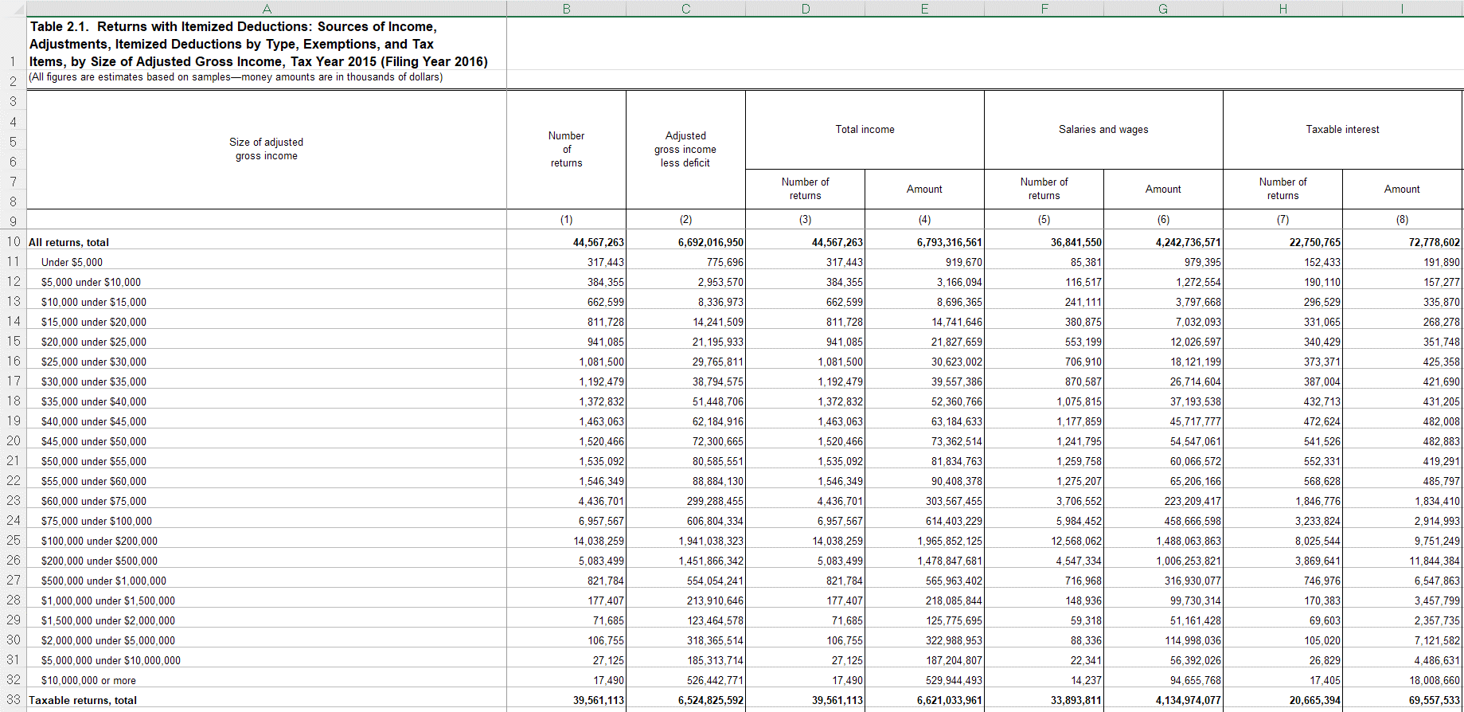
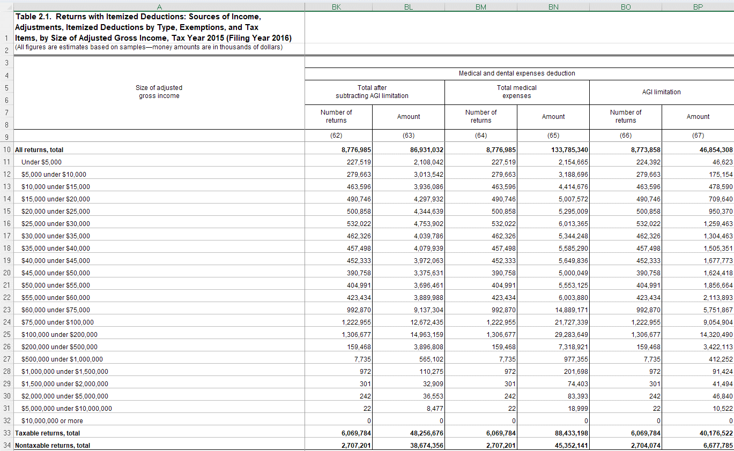
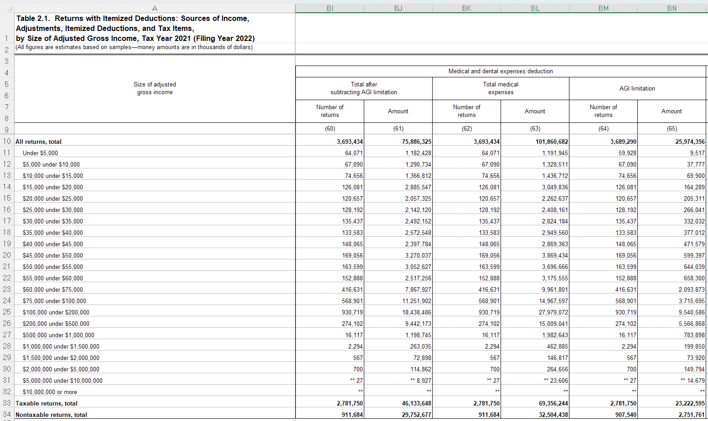
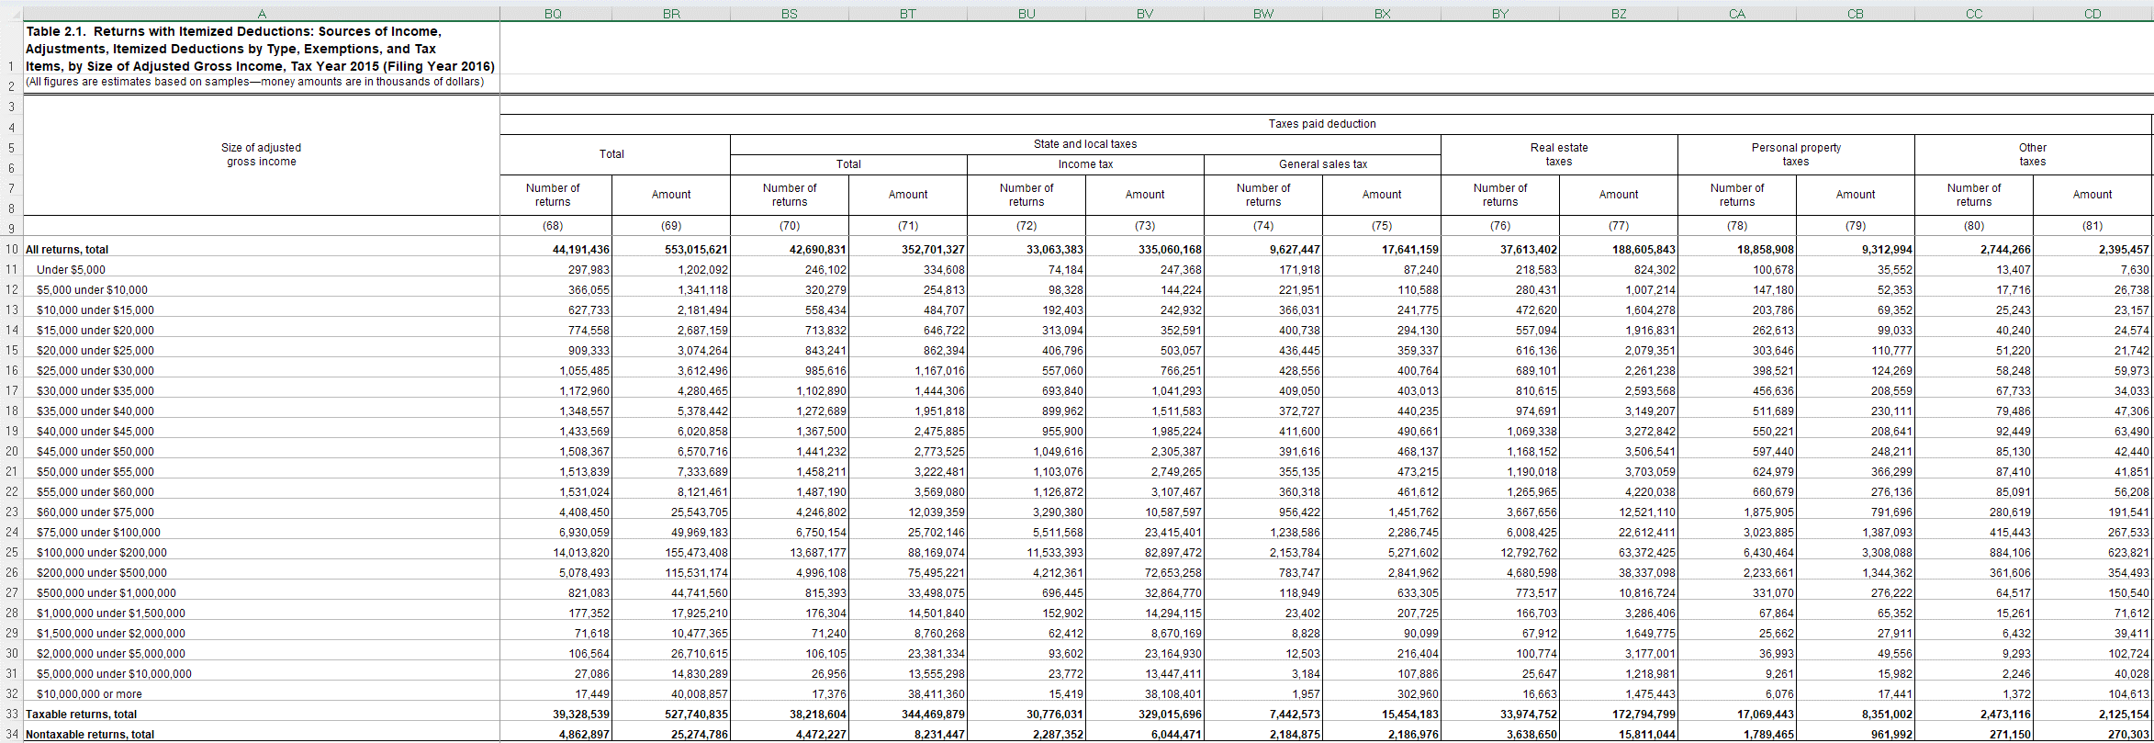
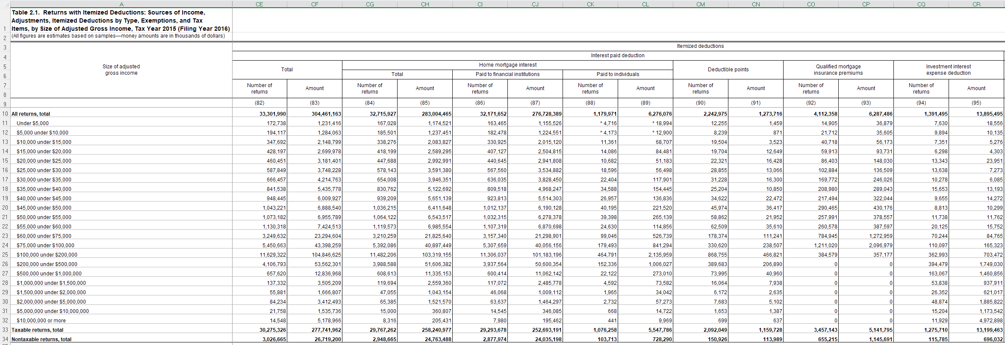
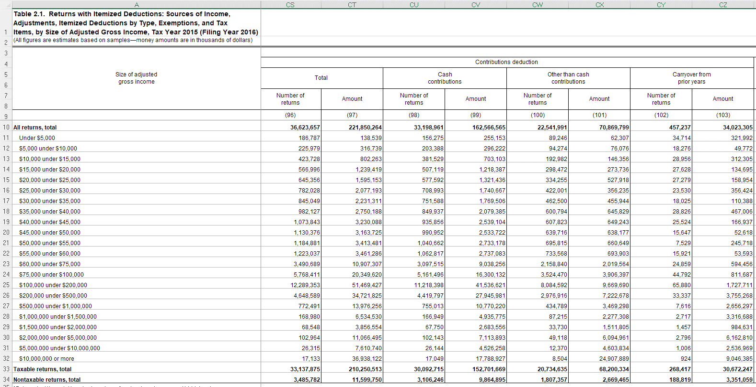
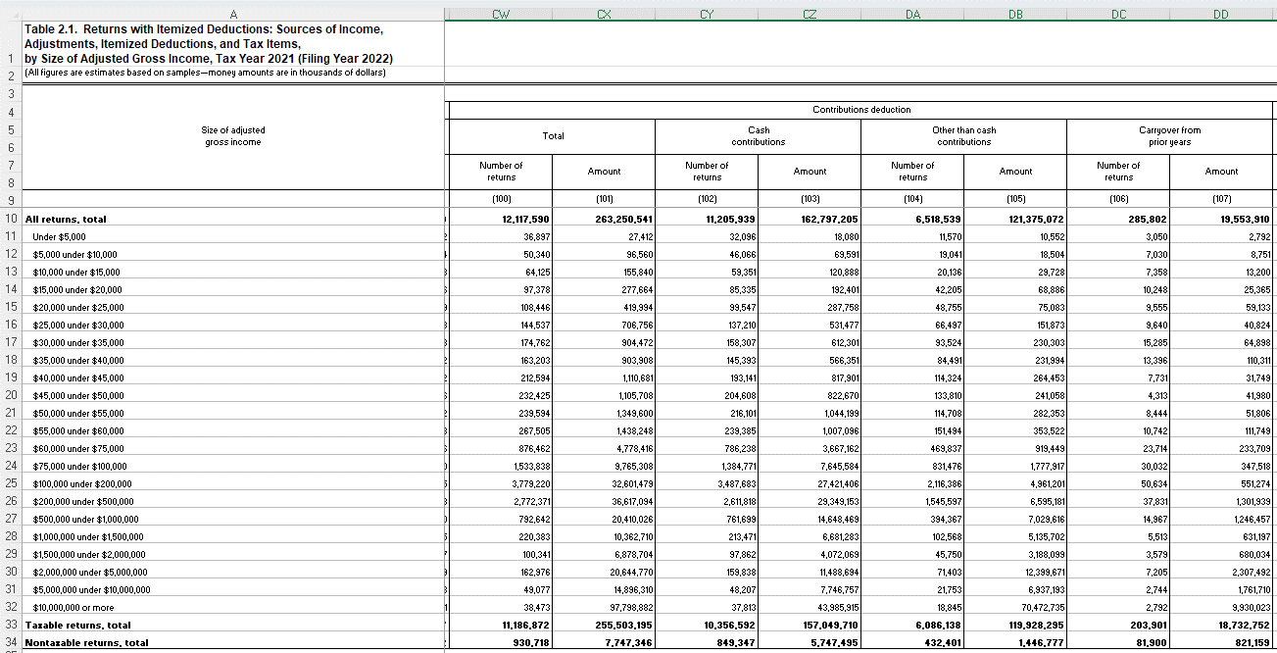
 |  | rowtype | filers_2015 | filers_2021 | filers_2022 | taxable_2015 | taxable_2021 | taxable_2022
 |  | startrow | 10 | 10 | 10 | 33 | 33 | 33
 |  | endrow | 32 | 32 | 32 | 33 | 33 | 33

vname | description | units | filers_2015 | filers_2021 | filers_2022 | taxable_2015 | taxable_2021 | taxable_2022 | notes
incrange | Size of adjusted gross income, Table 21 definition | 1000 | A | A | A | A | A | A
nret_itemded | Number of returns with itemized deductions | 1 | B | B | B | B | B | B
nret_id_medical_capped | Number of returns with total medical expenses, capped | 1 | BK | BI | BU | BK | BI | BU
id_medical_capped | Total medical expenses, capped | 1000 | BL | BJ | BV | BL | BJ | BV
nret_id_medical_uncapped | Number of returns with total medical expenses, uncapped | 1 | BM | BK | BW | BM | BK | BW
id_medical_uncapped | Total medical expenses, uncapped | 1000 | BN | BL | BX | BN | BL | BX
nret_id_taxpaid | Number of returns with taxes paid deduction | 1 | BQ | BO | CA | BQ | BO | CA
id_taxpaid | Taxes paid deduction | 1000 | BR | BP | CB | BR | BP | CB
nret_id_salt | Number of returns with state and local taxes deduction | 1 | BS | BQ | CC | BS | BQ | CC
id_salt | State and local taxes deduction | 1000 | BT | BR | CD | BT | BR | CD
nret_id_pitgst | Number of returns with state local income taxes or general sales taxes | 1 |  | BS | CE |  | BS | CE
id_pitgst | State local income taxes or general sales taxes | 1000 |  | BT | CF |  | BT | CF
nret_id_pit | Number of returns with income tax deduction | 1 | BU | BU | CG | BU | BU | CG
id_pit | Income tax deduction | 1000 | BV | BV | CH | BV | BV | CH
nret_id_gst | Number of returns with general sales tax deduction | 1 | BW | BW | CI | BW | BW | CI
id_gst | General sales tax deduction | 1000 | BX | BX | CJ | BX | BX | CJ
nret_id_retax | Number of returns with real estate tax deduction | 1 | BY | BY | CK | BY | BY | CK
id_retax | Real estate tax deduction | 1000 | BZ | BZ | CL | BZ | BZ | CL
nret_id_intpaid | Number of returns with interest paid deduction | 1 | CE | CG | CS | CE | CG | CS
id_intpaid | Interest paid deduction | 1000 | CF | CH | CT | CF | CH | CT
nret_id_mortgage | Number of returns with mortgage interest paid (any recipient) | 1 | CG | CI | CW | CG | CI | CW
id_mortgage | Mortgage interest paid (any recipient) | 1000 | CH | CJ | CX | CH | CJ | CX
nret_id_contributions | Number of returns with contributions deduction | 1 | CS | CW | DG | CS | CW | DG
id_contributions | Contributions deduction | 1000 | CT | CX | DH | CT | CX | DH

