cleaned
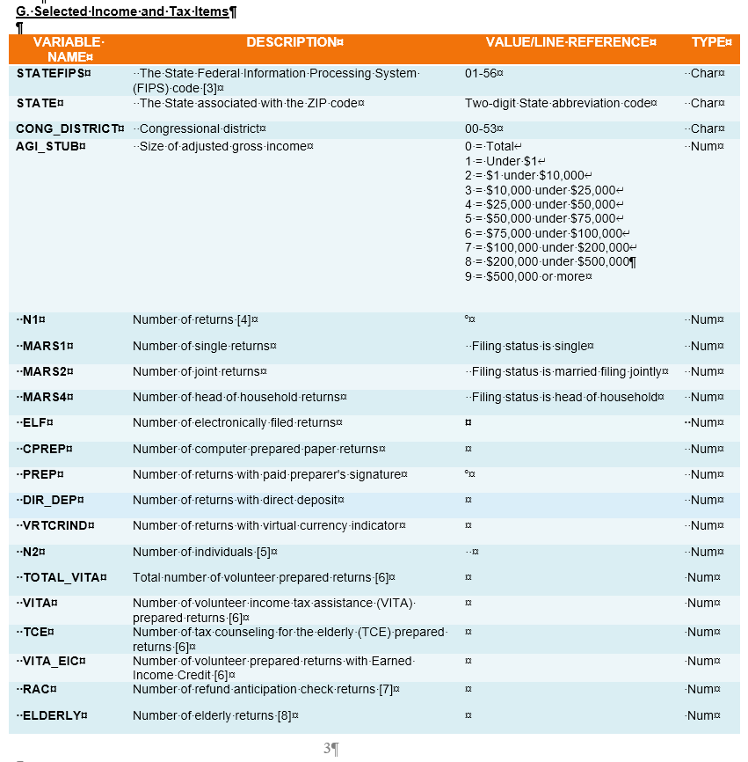
vname | description | reference | type
STATEFIPS | The State Federal Information Processing System (FIPS) code [3] | 01-56 | Char
STATE | The State associated with the ZIP code | Two-digit State abbreviation code | Char
CONG_DISTRICT | Congressional district | 00-53 | Char
AGI_STUB | Size of adjusted gross income | 0 = Total 1 = Under $1 2 = $1 under $10,000 3 = $10,000 under $25,000 4 = $25,000 under $50,000 5 = $50,000 under $75,000 6 = $75,000 under $100,000 7 = $100,000 under $200,000 8 = $200,000 under $500,000 9 = $500,000 or more | Num
N1 | Number of returns [4] |  | Num
MARS1 | Number of single returns | Filing status is single | Num
MARS2 | Number of joint returns | Filing status is married filing jointly | Num
MARS4 | Number of head of household returns | Filing status is head of household | Num
ELF | Number of electronically filed returns |  | Num
CPREP | Number of computer prepared paper returns |  | Num
PREP | Number of returns with paid preparer's signature |  | Num
DIR_DEP | Number of returns with direct deposit |  | Num
VRTCRIND | Number of returns with virtual currency indicator |  | Num
N2 | Number of individuals [5] |  | Num
TOTAL_VITA | Total number of volunteer prepared returns [6] |  | Num
VITA | Number of volunteer income tax assistance (VITA) prepared returns [6] |  | Num
TCE | Number of tax counseling for the elderly (TCE) prepared returns [6] |  | Num
VITA_EIC | Number of volunteer prepared returns with Earned Income Credit [6] |  | Num
RAC | Number of refund anticipation check returns [7] |  | Num
ELDERLY | Number of elderly returns [8] |  | Num
A00100 | Adjust gross income (AGI) [9] | 1040:11 | Num
N02650 | Number of returns with total income | 1040:9 | Num
A02650 | Total income amount | 1040:9 | Num
N00200 | Number of returns with salaries and wages | 1040:1 | Num
A00200 | Salaries and wages amount | 1040:1 | Num
N00300 | Number of returns with taxable interest | 1040:2b | Num
A00300 | Taxable interest amount | 1040:2b | Num
N00600 | Number of returns with ordinary dividends | 1040:3b | Num
A00600 | Ordinary dividends amount | 1040:3b | Num
N00650 | Number of returns with qualified dividends | 1040:3a | Num
A00650 | Qualified dividends amount [10] | 1040:3a | Num
N00700 | Number of returns with state and local income tax refunds | Schedule 1:1 | Num
A00700 | State and local income tax refunds amount | Schedule 1:1 | Num
N00900 | Number of returns with business or professional net income (less loss) | Schedule 1:3 | Num
A00900 | Business or professional net income (less loss) amount | Schedule 1:3 | Num
N01000 | Number of returns with net capital gain (less loss) | 1040:7 | Num
A01000 | Net capital gain (less loss) amount | 1040:7 | Num
N01400 | Number of returns with taxable individual retirement arrangements distributions | 1040:4b | Num
A01400 | Taxable individual retirement arrangements distributions amount | 1040:4b | Num
N01700 | Number of returns with taxable pensions and annuities | 1040:5b | Num
A01700 | Taxable pensions and annuities amount | 1040:5b | Num
SCHF | Number of farm returns | Schedule 1:6 | Num
N02300 | Number of returns with unemployment compensation | Schedule 1:7 | Num
A02300 | Unemployment compensation amount [11] | Schedule 1:7 | Num
N02500 | Number of returns with taxable Social Security benefits | 1040:6b | Num
A02500 | Taxable Social Security benefits amount | 1040:6b | Num
N26270 | Number of returns with partnership/S-corp net income (less loss) | Schedule E:32 | Num
A26270 | Partnership/S-corp net income (less loss) amount | Schedule E:32 | Num
N02900 | Number of returns with total statutory adjustments | Schedule 1:26 | Num
A02900 | Total statutory adjustments amount | Schedule 1:26 | Num
N03220 | Number of returns with educator expenses | Schedule 1:11 | Num
A03220 | Educator expenses amount | Schedule 1:11 | Num
N03300 | Number of returns with Self-employed (Keogh) retirement plans | Schedule 1:16 | Num
A03300 | Self-employed (Keogh) retirement plans amount | Schedule 1:16 | Num
N03270 | Number of returns with Self-employed health insurance deduction | Schedule 1:17 | Num
A03270 | Self-employed health insurance deduction amount | Schedule 1:17 | Num
N03150 | Number of returns with Individual retirement arrangement payments | Schedule 1:20 | Num
A03150 | Individual retirement arrangement payments amount | Schedule 1:20 | Num
N03210 | Number of returns with student loan interest deduction | Schedule 1:21 | Num
A03210 | Student loan interest deduction amount | Schedule 1:21 | Num
N02910 | Number of returns with charitable contributions if took standard deduction | 1040:12b | Num
A02910 | Charitable contributions if took standard deduction | 1040:12b | Num
N04450 | Number of returns with total standard deduction | 1040:12a | Num
A04450 | Total standard deduction amount | 1040:12a | Num
N04100 | Number of returns with basic standard deduction | 1040:12a | Num
A04100 | Basic standard deduction amount | 1040:12a | Num
N04200 | Number of returns with additional standard deduction | 1040:12a | Num
A04200 | Additional standard deduction amount | 1040:12a | Num
N04470 | Number of returns with itemized deductions | 1040:12a | Num
A04470 | Total itemized deductions amount | 1040:12a | Num
A00101 | Amount of AGI for itemized returns | 1040:11 | Num
N17000 | Number of returns with Total medical and dental expense deduction | Schedule A:4 | Num
A17000 | Total medical and dental expense deduction amount | Schedule A:4 | Num
N18425 | Number of returns with State and local income taxes | Schedule A:5a | Num
A18425 | State and local income taxes amount | Schedule A:5a | Num
N18450 | Number of returns with State and local general sales tax | Schedule A:5a | Num
A18450 | State and local general sales tax amount | Schedule A:5a | Num
N18500 | Number of returns with real estate taxes | Schedule A:5b | Num
A18500 | Real estate taxes amount | Schedule A:5b | Num
N18800 | Number of returns with Personal property taxes | Schedule A:5c | Num
A18800 | Personal property taxes amount | Schedule A:5c | Num
N18460 | Number of returns with Limited state and local taxes | Schedule A:5e | Num
A18460 | Limited state and local taxes | Schedule A:5e | Num
N18300 | Number of returns with Total taxes paid | Schedule A:7 | Num
A18300 | Total taxes paid amount | Schedule A:7 | Num
N19300 | Number of returns with Home mortgage interest paid | Schedule A:8a | Num
A19300 | Home mortgage interest paid amount | Schedule A:8a | Num
N19500 | Number of returns with Home mortgage from personal seller | Schedule A:8b | Num
A19500 | Home mortgage from personal seller amount | Schedule A:8b | Num
N19530 | Number of returns with Deductible points | Schedule A:8c | Num
A19530 | Deductible points amount | Schedule A:8c | Num
N19550 | Number of returns with Qualified mortgage insurance premiums | Schedule A:8d | Num
A19550 | Qualified mortgage insurance premiums amount | Schedule A:8d | Num
N19570 | Number of returns with Investment interest paid | Schedule A:9 | Num
A19570 | Investment interest paid amount | Schedule A:9 | Num
N19700 | Number of returns with Total charitable contributions | Schedule A:14 | Num
A19700 | Total charitable contributions amount | Schedule A:14 | Num
N20950 | Number of returns with Other non-limited miscellaneous deductions | Schedule A:16 | Num
A20950 | Other non-limited miscellaneous deductions amount | Schedule A:16 | Num
N04475 | Number of returns with Qualified business income deduction | 1040:13 | Num
A04475 | Qualified business income deduction | 1040:13 | Num
N04800 | Number of returns with taxable income | 1040:15 | Num
A04800 | Taxable income amount | 1040:15 | Num
N05800 | Number of returns with income tax before credits | 1040:16 | Num
A05800 | Income tax before credits amount | 1040:16 | Num
N09600 | Number of returns with alternative minimum tax | Schedule 2:1 | Num
A09600 | Alternative minimum tax amount | Schedule 2:1 | Num
N05780 | Number of returns with excess advance premium tax credit repayment | Schedule 2:2 | Num
A05780 | Excess advance premium tax credit repayment amount | Schedule 2:2 | Num
N07100 | Number of returns with total tax credits [12] | 1040:21 | Num
A07100 | Total tax credits amount | 1040:21 | Num
N07300 | Number of returns with foreign tax credit | Schedule 3:1 | Num
A07300 | Foreign tax credit amount | Schedule 3:1 | Num
N07180 | Number of returns with nonrefundable child care credit | Schedule 3:2 | Num
A07180 | Nonrefundable child care credit amount | Schedule 3:2 | Num
N07230 | Number of returns with nonrefundable education credit | Schedule 3:3 | Num
A07230 | Nonrefundable education credit amount | Schedule 3:3 | Num
N07240 | Number of returns with retirement savings contribution credit | Schedule 3:4 | Num
A07240 | Retirement savings contribution credit amount | Schedule 3:4 | Num
N07225 | Number of returns with nonrefundable child and other dependent tax credit | 1040:19 | Num
A07225 | Nonrefundable child and other dependent tax credit amount | 1040:19 | Num
N07260 | Number of returns with residential energy tax credit | Schedule 3:5 | Num
A07260 | Residential energy tax credit amount | Schedule 3:5 | Num
N09400 | Number of returns with self-employment tax | Schedule 2:4 | Num
A09400 | Self-employment tax amount | Schedule 2:4 | Num
N85770 | Number of returns with total premium tax credit | 8962:24 | Num
A85770 | Total premium tax credit amount | 8962:24 | Num
N85775 | Number of returns with advance premium tax credit | 8962:25 | Num
A85775 | Advance premium tax credit amount | 8962:25 | Num
N10600 | Number of returns with total tax payments | 1040:33 | Num
A10600 | Total tax payments amount | 1040:33 | Num
N59660 | Number of returns with earned income credit | 1040:27 | Num
A59660 | Earned income credit amount [13] | 1040:27 | Num
N59720 | Number of returns with excess earned income credit | 1040:27 | Num
A59720 | Excess earned income credit (refundable) amount [14] | 1040:27 | Num
N11070 | Number of returns with refundable child tax credit or additional child tax credit | 1040:28 | Num
A11070 | Refundable child tax credit or additional child tax credit amount | 1040:28 | Num
N10960 | Number of returns with refundable education credit [15] | 1040:29 | Num
A10960 | Refundable education credit amount | 1040:29 | Num
N11560 | Number of returns with net premium tax credit | Schedule 3:9 | Num
A11560 | Net premium tax credit amount | Schedule 3:9 | Num
N11450 | Number of returns with qualified sick and family leave credit for leave taken before April 1, 2021 | Schedule 3:13b | Num
A11450 | Qualified sick and family leave credit for leave taken before April 1, 2021 amount | Schedule 3:13b | Num
N11520 | Number of returns with refundable child and dependent care credit | Schedule 3:13g | Num
A11520 | Refundable child and dependent care credit | Schedule 3:13g | Num
N11530 | Number of returns with qualified sick and family leave credit for leave taken after March 31, 2021 | Schedule 3:13h | Num
A11530 | Qualified sick and family leave credit for leave taken after March 31, 2021 | Schedule 3:13h | Num
N10970 | Number of returns with recovery rebate credit | 1040:30 | Num
A10970 | Recovery rebate credit amount [16] | 1040:30 | Num
N10971 | Number of returns with economic impact payment third round |  | Num
A10971 | Economic impact payment third round amount [17, 18] |  | Num
N06500 | Number of returns with income tax after credits | 1040:22 | Num
A06500 | Income tax after credits amount | 1040:22 | Num
N10300 | Number of returns with tax liability | 1040:24 | Num
A10300 | Total tax liability amount [19] | 1040:24 | Num
N85530 | Number of returns with additional Medicare tax | 8959:24 | Num
A85530 | Additional Medicare tax amount | 8959:24 | Num
N85300 | Number of returns with net investment income tax | 8960:17 | Num
A85300 | Net investment income tax amount | 8960:17 | Num
N11901 | Number of returns with tax due at time of filing | 1040:37 | Num
A11901 | Tax due at time of filing amount [20] | 1040:37 | Num
N11900 | Number of returns with total overpayments | 1040:34 | Num
A11900 | Total overpayments amount | 1040:34 | Num
N11902 | Number of returns with overpayments refunded | 1040:35a | Num
A11902 | Overpayments refunded amount [21] | 1040:35a | Num
N12000 | Number of returns with credit to next year’s estimated tax | 1040:36 | Num
A12000 | Credited to next year’s estimated tax amount | 1040:36 | Num

screenshots
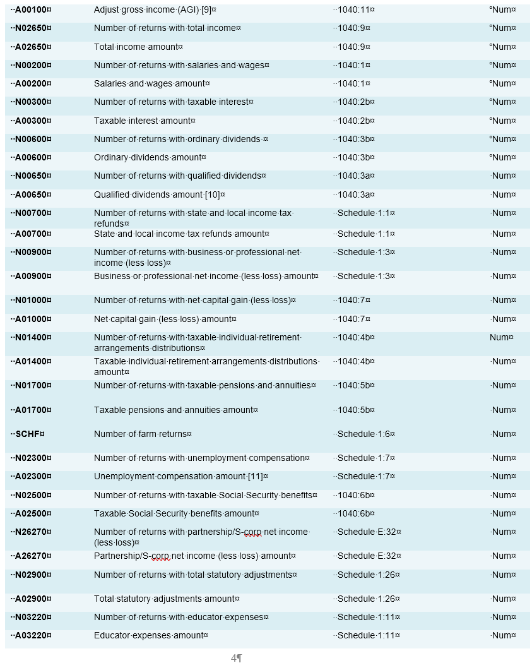
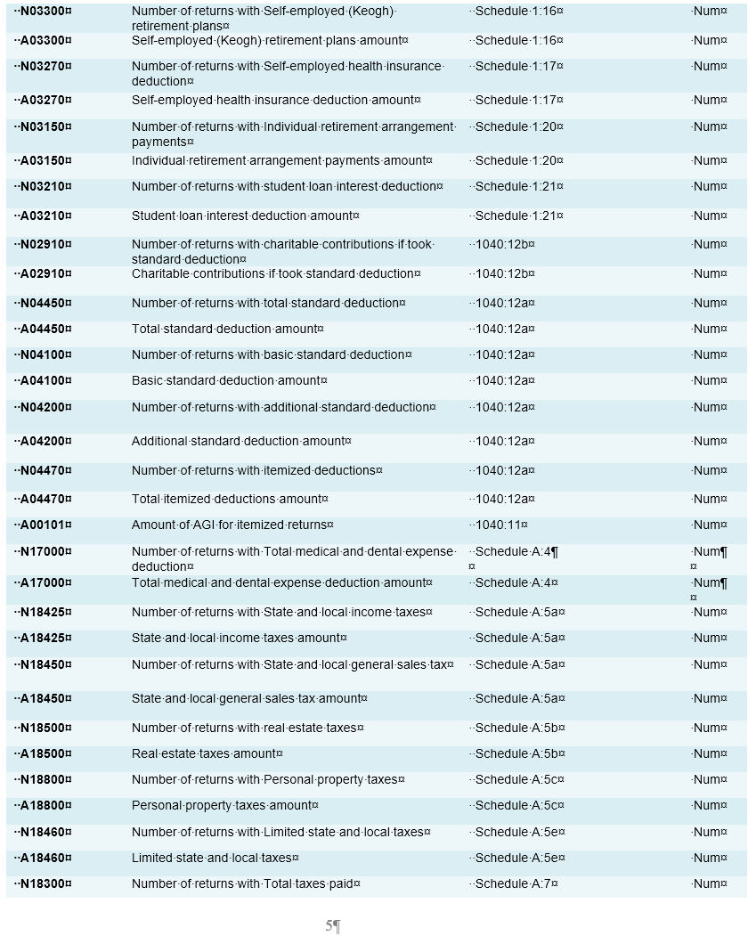
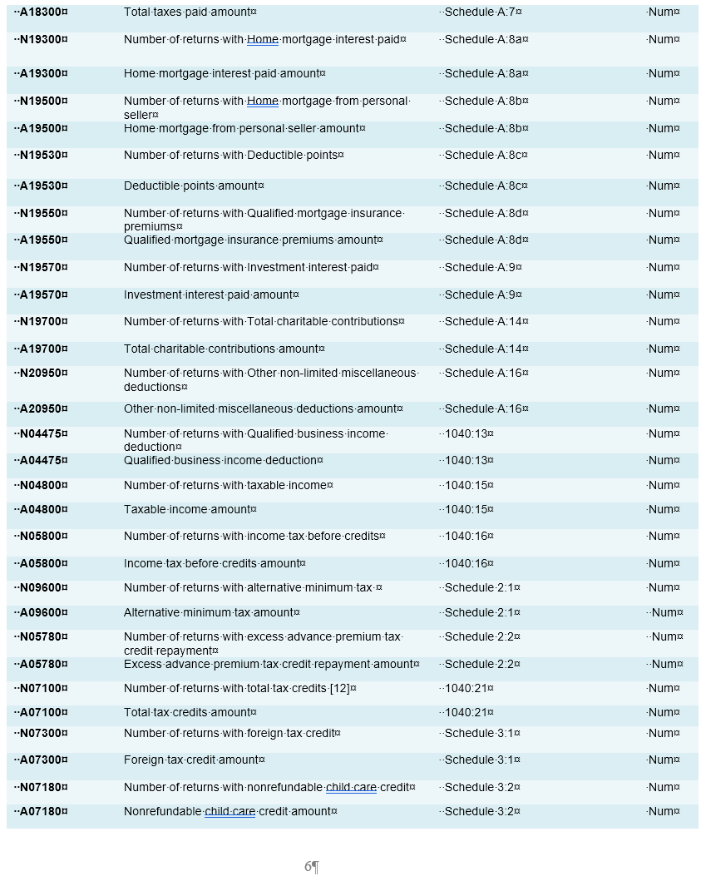
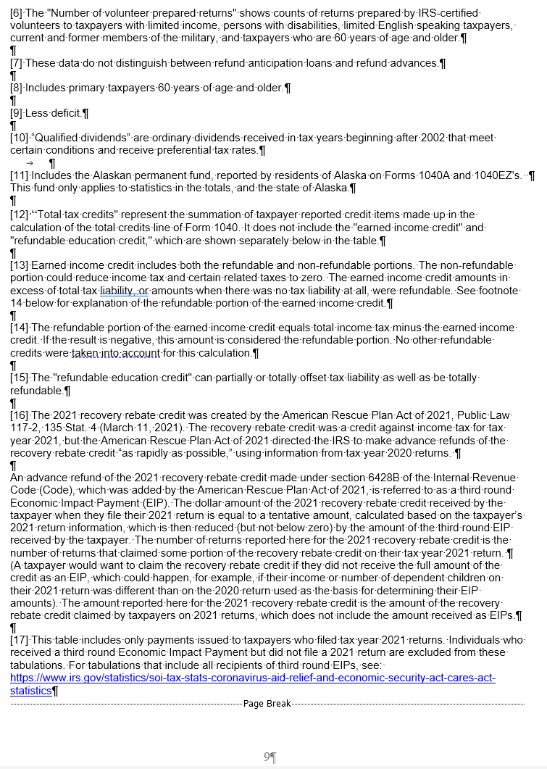
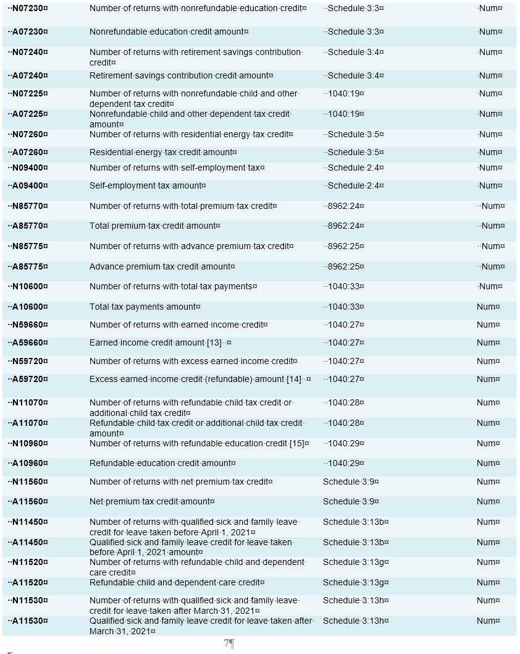
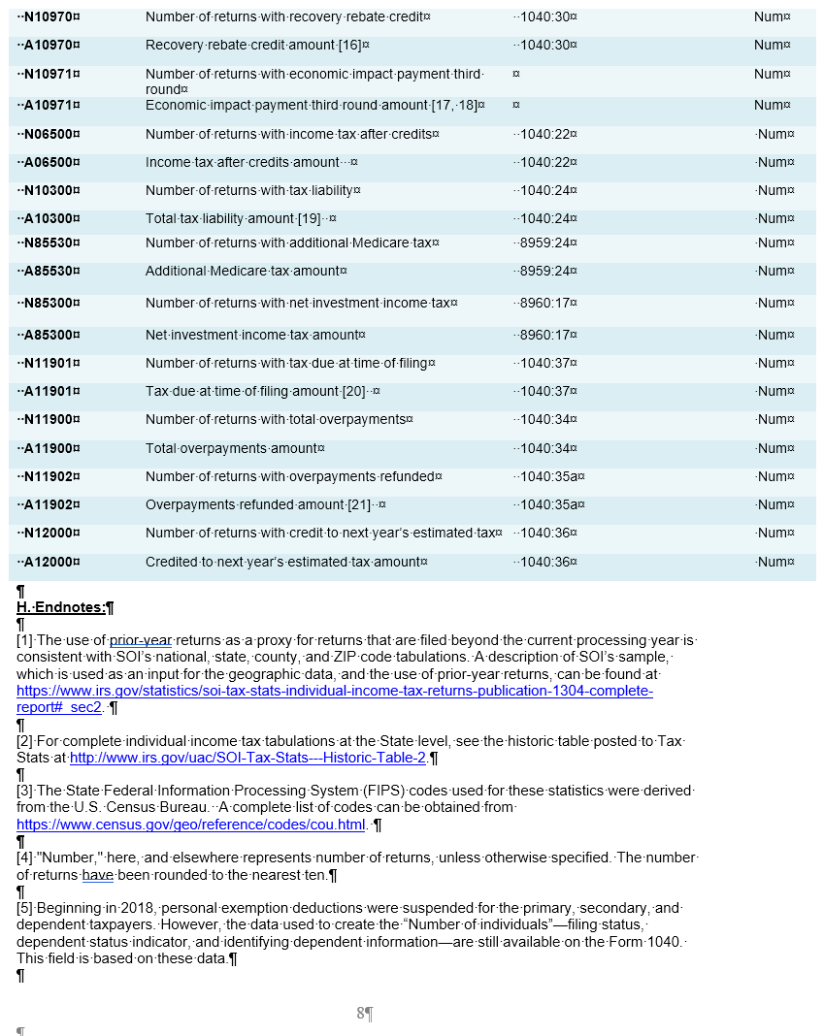
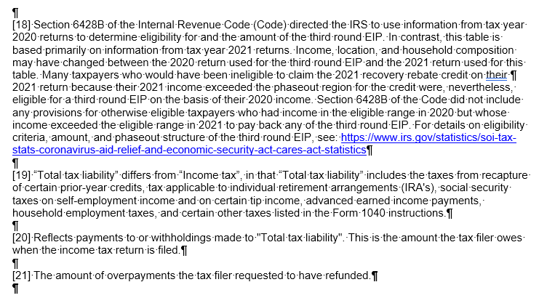
Screenshots of documentation table. Read from left to right, then down.

