EPP
Sr. No. | Mashup Name | Widges Name | Screen Shot if any | Comments
1 | IIOT_EPP_MainTabs_MU | Tabs |  | Not apperaring as expected (right & left gaps between tab also having issue with background color and press event )
2 | IIOT_EPP_PP_Timeline_Slider_Control_MU (All screens) | Buttons (All screens) |  | All types of buttons is not working as expected
3 | IIOT_EPP_PP_Timeline_Slider_Control_MU | Slider |  | Slider widgets is not apperaring as expected
4 | IIOT_EPP_PP_DateSelector_Popup_MU | Mahsup |  | Complete popup mashup is not apperaring as expected also contain all widgets as legacy one in this mashup
5 | IIOT_EPP_PP_TrainBatch_MU | Labels |  | Label gets impacted (color & font size ) through out entire mashup
6 | IIOT_EPP_PP_Batch-Tile_MU | Collections ( inner mashup widgets) |  | Label & value display gets impacted (color & font size ) inside collections mashup
7 | IIOT_EPP_PP_Timeline_Slider_Control_MU (All screens) | Labels & buttons |  | Both labels & buttons is not apperaring as expected
8 | IIOT_EPP_PP_EnergyInfo_MU | Dropdowns (All mashup) |  | Dropdown is not apperaring as expected, styling issue
9 | IIOT_EPP_PP_EnergyInfo_MU | TextFields (All mashup) |  | Text fields is not apperaring as expected, styling issue
10 | IIOT_EPP_PP_FilterPopUp_MU | Mashup | 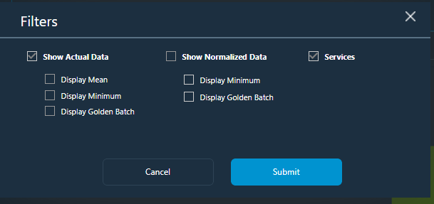 | Entire mashup is having problem needs to change styling of all widgets
11 | IIOT_EPP_PP_BatchActualViewZoomPopUp_MU | Mashup |  | Closed buttons and other UI styling issue
12 | IIOT_EPP_PP_BatchActualView_MU | dataexport |  | UI styling issue
13 | IIOT_EPP_SettingsNotAuthorizedPopUp_MU | Mashup |  | Entire mashup is having problem needs to change styling of all widgets
14 | IIOT_EPP_SettingsPopUp_MU | Mashup | 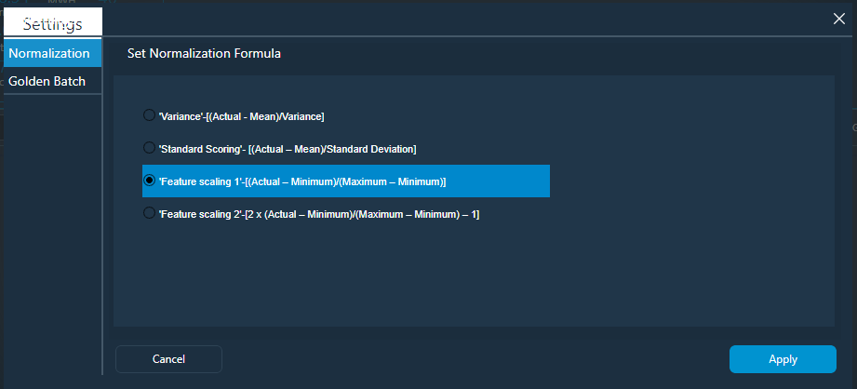 | Entire mashup is having problem needs to change styling of all widgets
15 | IIOT_EPP_PP_CompareBatchesPopUp_MU | Mashup |  | Entire mashup is having problem needs to change styling of all widgets
16 | IIOT_EPP_PP_OperationActualView_MU | Mashup |  | Entire mashup is having problem needs to change styling of all widgets
17 | IIOT_EPP_PP_OperationActualViewZoomPopUp_MU | Mashup | 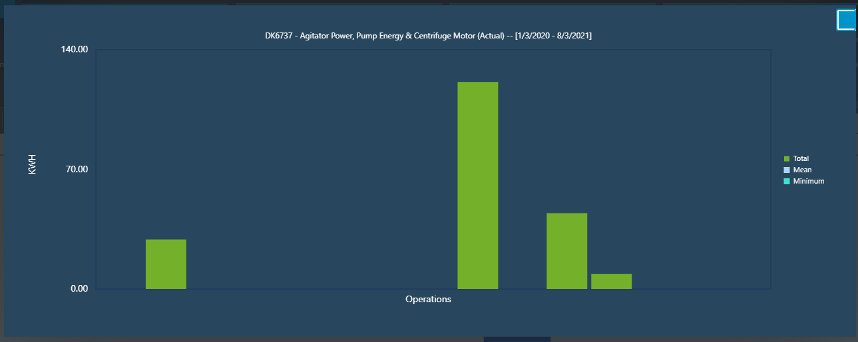 | Entire mashup is having problem needs to change styling of all widgets
18 | IIOT_EPP_PP_EnergyInfo_MU | buttons |  | Buttons / dropdown having styling issue
19 | IIOT_EPP_PP_Timeline_Slider_Control_MU | Panel | - | Panel widgtes become legacy for this version so need to replace it with new one
20 | IIOT_EPP_PP_Timeline_Slider_Control_MU | Navigation | - | Navigation widgtes become legacy for this version so need to replace it with new one
21 | IIOT_EPP_PP_Timeline_Slider_Control_MU | Auto Refresh | - | Auto refresh widgtes become legacy for this version so need to replace it with new one
22 | IIOT_EPP_PP_TrainBatch_MU | Panel | - | Panel widgtes become legacy for this version so need to replace it with new one
23 | IIOT_EPP_PP_DateSelector_Popup_MU | DateTimePicker | - | DatetimePicker widgtes become legacy for this version so need to replace it with new one
24 | IIOT_EPP_PP_DateSelector_Popup_MU | Divider | - | Divider widgtes become legacy for this version so need to replace it with new one
25 | IIOT_EPP_PP_DateSelector_Popup_MU | Label | - | label widgtes become legacy for this version so need to replace it with new one
26 | IIOT_EPP_PP_DateSelector_Popup_MU | Buttons | - | button widgtes become legacy for this version so need to replace it with new one
27 | IIOT_EPP_PP_EnergyInfo_MU | Panel | - | Panel widgtes become legacy for this version so need to replace it with new one
28 | IIOT_EPP_PP_EnergyInfo_MU | Navigation | - | Navigation widgtes become legacy for this version so need to replace it with new one
29 | IIOT_EPP_PP_FilterPopUp_MU | Navigation | - | Navigation widgtes become legacy for this version so need to replace it with new one
30 | IIOT_EPP_PP_OperationCompareActualNormalizedView_MU | Label Chart | - | Label Chart widgtes become legacy for this version so need to replace it with new one
31 | IIOT_EPP_PP_OperationCompareActualNormalizedView_MU | Navigation | - | Navigation widgtes become legacy for this version so need to replace it with new one
32 | IIOT_EPP_PP_PhaseCompareActualNormalizedView_MU | Label Chart | - | Label Chart widgtes become legacy for this version so need to replace it with new one
33 | IIOT_EPP_PP_PhaseCompareActualNormalizedView_MU | Navigation | - | Navigation widgtes become legacy for this version so need to replace it with new one
34 | IIOT_EPP_PP_PhaseCompareActualNormalizedViewZoomPopUP_MU | Label Chart | - | Label Chart widgtes become legacy for this version so need to replace it with new one
35 | IIOT_EPP_PP_OperationCompareActualNormalizedViewZoomPopUp_MU | Label Chart | - | Label Chart widgtes become legacy for this version so need to replace it with new one
36 | IIOT_EPP_PP_PhaseCompareActualViewZoomPopUP_MU | Label Chart | - | Label Chart widgtes become legacy for this version so need to replace it with new one
37 | IIOT_EPP_PP_PhaseCompareActualView_MU | Label Chart | - | Label Chart widgtes become legacy for this version so need to replace it with new one
38 | IIOT_EPP_PP_PhaseCompareActualView_MU | Navigation | - | Navigation widgtes become legacy for this version so need to replace it with new one
39 | IIOT_EPP_PP_OperationActualView_MU | Label Chart | - | Label Chart widgtes become legacy for this version so need to replace it with new one
40 | IIOT_EPP_PP_OperationActualView_MU | Navigation | - | Navigation widgtes become legacy for this version so need to replace it with new one
41 | IIOT_EPP_PP_OperationCompareActualViewZoomPopUp_MU | Label Chart | - | Label Chart widgtes become legacy for this version so need to replace it with new one
42 | IIOT_EPP_PP_EquipmentActualViewZoomPopUp_MU | Label Chart | - | Label Chart widgtes become legacy for this version so need to replace it with new one
43 | IIOT_EPP_ComapreBatchesPopUp_MU | dxgrid | - | dxgrid widgtes become legacy for this version so need to replace it with new one
44 | IIOT_EPP_PP_BatchActualNormalizedView_MU | Label Chart | - | Label Chart widgtes become legacy for this version so need to replace it with new one
45 | IIOT_EPP_PP_BatchActualNormalizedView_MU | Navigation | - | Navigation widgtes become legacy for this version so need to replace it with new one
46 | IIOT_EPP_PP_BatchActualNormalizedView_MU | Panel | - | Panel widgtes become legacy for this version so need to replace it with new one
47 | IIOT_EPP_LoginpErrMsg_MU | Panel | - | Panel widgtes become legacy for this version so need to replace it with new one
48 | IIOT_EPP_SettingsPopUp_MU | Panel | - | Panel widgtes become legacy for this version so need to replace it with new one
49 | IIOT_EPP_SettingsPopUp_MU | Grid | - | Grid widgtes become legacy for this version so need to replace it with new one
50 | IIOT_EPP_PP_PhaseActualViewZoomPopUp_MU | Label Chart | - | Label Chart widgtes become legacy for this version so need to replace it with new one
51 | IIOT_EPP_PP_PhaseActualView_MU | Panel | - | Panel widgtes become legacy for this version so need to replace it with new one
52 | IIOT_EPP_PP_PhaseActualView_MU | Label Chart | - | Label Chart widgtes become legacy for this version so need to replace it with new one
53 | IIOT_EPP_PP_PhaseActualView_MU | Navigation | - | Navigation widgtes become legacy for this version so need to replace it with new one
54 | IIOT_EPP_PP_PhaseActualNormalizedViewZoomPopUP_MU | Label Chart | - | Label Chart widgtes become legacy for this version so need to replace it with new one
55 | IIOT_EPP_PP_PhaseActualNormalizedView_MU | Label Chart | - | Label Chart widgtes become legacy for this version so need to replace it with new one
56 | IIOT_EPP_PP_PhaseActualNormalizedView_MU | Navigation | - | Navigation widgtes become legacy for this version so need to replace it with new one
57 | IIOT_EPP_PP_PhaseActualNormalizedView_MU | Panel | - | Panel widgtes become legacy for this version so need to replace it with new one
58 | IIOT_EPP_PP_OperationActualViewZoomPopUp_MU | Label Chart | - | Label Chart widgtes become legacy for this version so need to replace it with new one
59 | IIOT_EPP_PP_OperationActualNormalizedViewZoomPopUp_MU | Label Chart | - | Label Chart widgtes become legacy for this version so need to replace it with new one
60 | IIOT_EPP_PP_OperationActualNormalizedView_MU | Label Chart | - | Label Chart widgtes become legacy for this version so need to replace it with new one
61 | IIOT_EPP_PP_OperationActualNormalizedView_MU | Navigation | - | Navigation widgtes become legacy for this version so need to replace it with new one
62 | IIOT_EPP_PP_EquipmentCompareActualViewZoomPopUp_MU | Label Chart | - | Label Chart widgtes become legacy for this version so need to replace it with new one
63 | IIOT_EPP_PP_EquipmentCompareActualView_MU | Label Chart | - | Label Chart widgtes become legacy for this version so need to replace it with new one
64 | IIOT_EPP_PP_EquipmentCompareActualView_MU | Navigation | - | Navigation widgtes become legacy for this version so need to replace it with new one
65 | IIOT_EPP_PP_EquipmentCompareActualView_MU | Panel | - | Panel widgtes become legacy for this version so need to replace it with new one
66 | IIOT_EPP_PP_EquipmentCompareActualNormalizedView_MU | Label Chart | - | Label Chart widgtes become legacy for this version so need to replace it with new one
67 | IIOT_EPP_PP_EquipmentCompareActualNormalizedView_MU | Navigation | - | Navigation widgtes become legacy for this version so need to replace it with new one
68 | IIOT_EPP_PP_EquipmentActualView_MU | Navigation | - | Navigation widgtes become legacy for this version so need to replace it with new one
69 | IIOT_EPP_PP_EquipmentActualView_MU | Label Chart | - | Label Chart widgtes become legacy for this version so need to replace it with new one
70 | IIOT_EPP_PP_EquipmentActualView_MU | Panel | - | Panel widgtes become legacy for this version so need to replace it with new one
71 | IIOT_EPP_PP_EquipmentActualNormalizedViewZoomPopUp_MU | Label Chart | - | Label Chart widgtes become legacy for this version so need to replace it with new one
72 | IIOT_EPP_PP_EquipmentActualNormalizedView_MU | Label Chart | - | Label Chart widgtes become legacy for this version so need to replace it with new one
73 | IIOT_EPP_PP_EquipmentActualNormalizedView_MU | Panel | - | Panel widgtes become legacy for this version so need to replace it with new one
74 | IIOT_EPP_PP_EquipmentActualNormalizedView_MU | Navigation | - | Navigation widgtes become legacy for this version so need to replace it with new one
75 | IIOT_EPP_PP_BatchActualViewZoomPopUp_MU | Label Chart | - | Label Chart widgtes become legacy for this version so need to replace it with new one
76 | IIOT_EPP_PP_BatchActualView_MU | Label Chart | - | Label Chart widgtes become legacy for this version so need to replace it with new one
77 | IIOT_EPP_PP_BatchActualView_MU | Navigation | - | Navigation widgtes become legacy for this version so need to replace it with new one
78 | IIOT_EPP_PP_BatchActualView_MU | Panel | - | Panel widgtes become legacy for this version so need to replace it with new one
79 | IIOT_EPP_PP_BatchActualNormalizedViewZoomPopUp_MU | Label Chart | - | Label Chart widgtes become legacy for this version so need to replace it with new one
80 | IIOT_EPP_PP_OperationCompareActualView_MU | Label Chart | - | Label Chart widgtes become legacy for this version so need to replace it with new one
81 | IIOT_EPP_PP_OperationCompareActualView_MU | Panel | - | Panel widgtes become legacy for this version so need to replace it with new one
82 | IIOT_EPP_PP_OperationCompareActualView_MU | Navigation | - | Navigation widgtes become legacy for this version so need to replace it with new one
83 | IIOT_EPP_PP_OperationCompareActualView_MU | Button | - | Buttons widgtes become legacy for this version so need to replace it with new one
84 | IIOT_EPP_PP_EquipmentCompareActualNormalizedViewZoomPopUp_MU | Label Chart | - | Label Chart widgtes become legacy for this version so need to replace it with new one
85 | IIOT_EPP_PP_BuildingTrain_MU | Panel | - | Panel widgtes become legacy for this version so need to replace it with new one
86 | IIOT_EPP_PP_BuildingTrain_MU | Value Display | - | Value Display widgtes become legacy for this version so need to replace it with new one
87 | IIOT_EPP_PP_BuildingTrain_MU | repeater | - | repeater widgtes become legacy for this version so need to replace it with new one
 | IIOT_EPP_Master_MM | Label |  | Data base connection is missing

