METRICS
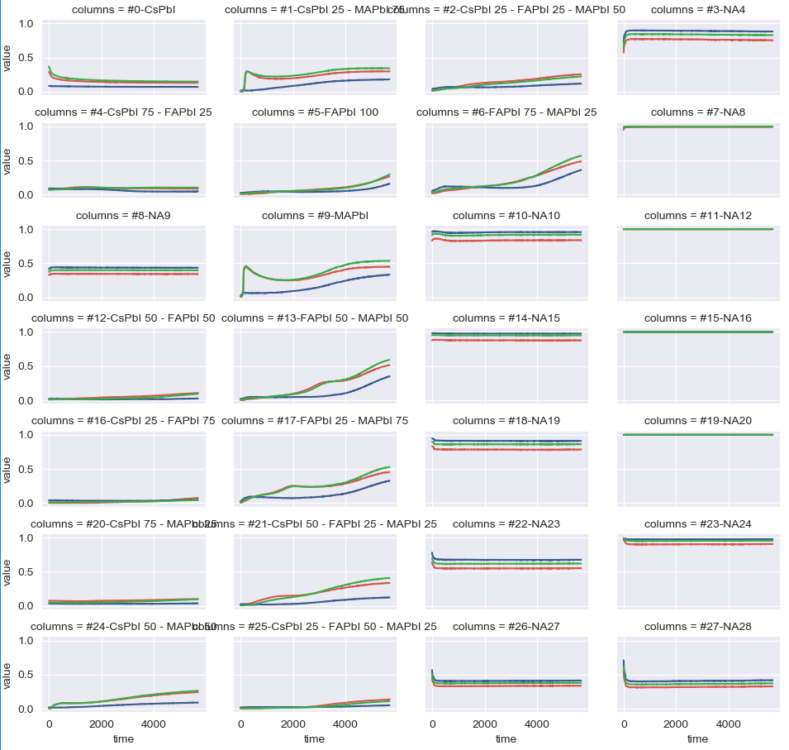
AREA |  |  | DIFF-AREA |  |  | INV-MOMENT |  |  | DTW
 | Sample | Total |  | Sample | Total |  | Sample | Total |  | Sample | Total
16 | #16-CsPbI 25 - FAPbI 75 | 469.69405291 | 20 | #20-CsPbI 75 - MAPbI 25 | 152.62718549 | 20 | #20-CsPbI 75 - MAPbI 25 | 2.6854908754 | 20 | #20-CsPbI 75 - MAPbI 25 | 28.988375716
12 | #12-CsPbI 50 - FAPbI 50 | 602.24195011 | 16 | #16-CsPbI 25 - FAPbI 75 | 192.08461553 | 16 | #16-CsPbI 25 - FAPbI 75 | 3.2019638052 | 16 | #16-CsPbI 25 - FAPbI 75 | 36.503046261
25 | #25-CsPbI 25 - FAPbI 50 - MAPbI 25 | 718.64889482 | 12 | #12-CsPbI 50 - FAPbI 50 | 408.12527457 | 12 | #12-CsPbI 50 - FAPbI 50 | 7.1314847554 | 12 | #12-CsPbI 50 - FAPbI 50 | 77.729267407
20 | #20-CsPbI 75 - MAPbI 25 | 1007.7885619 | 4 | #4-CsPbI 75 - FAPbI 25 | 422.8863563 | 4 | #4-CsPbI 75 - FAPbI 25 | 8.3931500502 | 4 | #4-CsPbI 75 - FAPbI 25 | 80.667150222
5 | #5-FAPbI 100 | 1330.0288025 | 25 | #25-CsPbI 25 - FAPbI 50 - MAPbI 25 | 536.95458909 | 25 | #25-CsPbI 25 - FAPbI 50 - MAPbI 25 | 8.6435578253 | 25 | #25-CsPbI 25 - FAPbI 50 - MAPbI 25 | 101.55929035
4 | #4-CsPbI 75 - FAPbI 25 | 1438.6230889 | 5 | #5-FAPbI 100 | 1066.4148557 | 5 | #5-FAPbI 100 | 18.151932846 | 5 | #5-FAPbI 100 | 203.44841131
2 | #2-CsPbI 25 - FAPbI 25 - MAPbI 50 | 2019.5892826 | 2 | #2-CsPbI 25 - FAPbI 25 - MAPbI 50 | 1633.7964242 | 2 | #2-CsPbI 25 - FAPbI 25 - MAPbI 50 | 30.20210665 | 2 | #2-CsPbI 25 - FAPbI 25 - MAPbI 50 | 310.92357934
24 | #24-CsPbI 50 - MAPbI 50 | 2019.7731555 | 24 | #24-CsPbI 50 - MAPbI 50 | 1846.2620286 | 24 | #24-CsPbI 50 - MAPbI 50 | 35.146800292 | 24 | #24-CsPbI 50 - MAPbI 50 | 351.00870264
0 | #0-CsPbI | 2218.3485851 | 0 | #0-CsPbI | 2017.8144008 | 21 | #21-CsPbI 50 - FAPbI 25 - MAPbI 25 | 41.775042534 | 0 | #0-CsPbI | 386.11718016
21 | #21-CsPbI 50 - FAPbI 25 - MAPbI 25 | 2628.6227058 | 21 | #21-CsPbI 50 - FAPbI 25 - MAPbI 25 | 2389.1880279 | 0 | #0-CsPbI | 45.128207516 | 21 | #21-CsPbI 50 - FAPbI 25 - MAPbI 25 | 453.18740265
13 | #13-FAPbI 50 - MAPbI 50 | 3051.992722 | 6 | #6-FAPbI 75 - MAPbI 25 | 2703.2987039 | 6 | #6-FAPbI 75 - MAPbI 25 | 47.664765133 | 6 | #6-FAPbI 75 - MAPbI 25 | 514.64996302
6 | #6-FAPbI 75 - MAPbI 25 | 3273.3584044 | 13 | #13-FAPbI 50 - MAPbI 50 | 2874.8245671 | 13 | #13-FAPbI 50 - MAPbI 50 | 48.020021059 | 13 | #13-FAPbI 50 - MAPbI 50 | 545.60165357
1 | #1-CsPbI 25 - MAPbI 75 | 3593.8111911 | 17 | #17-FAPbI 25 - MAPbI 75 | 3360.9895103 | 17 | #17-FAPbI 25 - MAPbI 75 | 63.218767441 | 17 | #17-FAPbI 25 - MAPbI 75 | 641.41090261
17 | #17-FAPbI 25 - MAPbI 75 | 3635.8444337 | 1 | #1-CsPbI 25 - MAPbI 75 | 3501.4703835 | 1 | #1-CsPbI 25 - MAPbI 75 | 74.626885778 | 1 | #1-CsPbI 25 - MAPbI 75 | 667.83465261
9 | #9-MAPbI | 5066.8304278 | 9 | #9-MAPbI | 4826.9532508 | 9 | #9-MAPbI | 105.87595314 | 9 | #9-MAPbI | 920.41181689

METRICS-Non-normalized
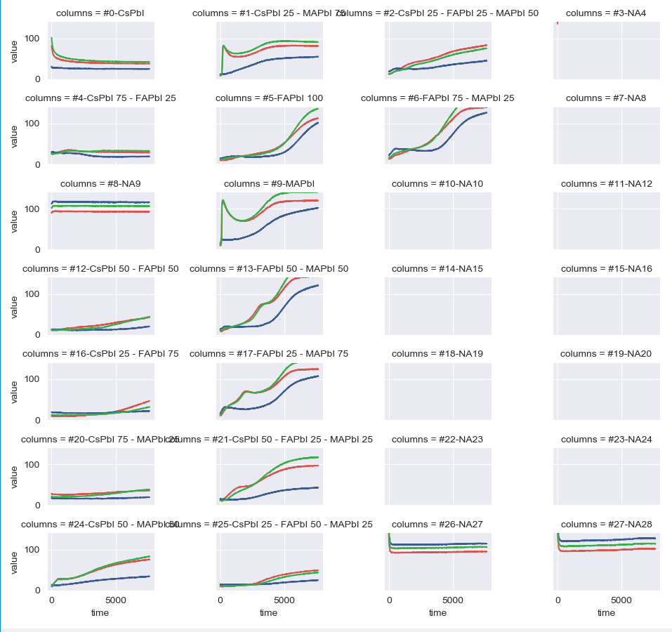
 | Area Difference | Inverse Moment | DTW | Area | Sample
20 | 79068.253685 | 1404.9739938 | 15060.383357 | 563556.73784 | #20-CsPbI 75 - MAPbI 25
16 | 124140.67525 | 1789.0950519 | 23597.226174 | 415715.56288 | #16-CsPbI 25 - FAPbI 75
4 | 133694.18209 | 2394.9073848 | 25378.031294 | 649227.62226 | #4-CsPbI 75 - FAPbI 25
12 | 199976.38397 | 2950.2196465 | 37960.73862 | 467247.59613 | #12-CsPbI 50 - FAPbI 50
25 | 274304.37887 | 3830.1505493 | 51851.770626 | 539117.48046 | #25-CsPbI 25 - FAPbI 50 - MAPbI 25
2 | 686286.3336 | 10840.810865 | 130131.66181 | 1026646.9245 | #2-CsPbI 25 - FAPbI 25 - MAPbI 50
24 | 717531.612 | 11599.348445 | 135993.02525 | 969161.43668 | #24-CsPbI 50 - MAPbI 50
5 | 736812.66895 | 10156.365249 | 140032.80725 | 1028865.0114 | #5-FAPbI 100
0 | 765052.19994 | 15101.177786 | 145720.14545 | 875582.10368 | #0-CsPbI
21 | 984304.90046 | 15036.178323 | 186243.51138 | 1286778.1107 | #21-CsPbI 50 - FAPbI 25 - MAPbI 25
1 | 1237462.6805 | 22824.99648 | 235119.61415 | 1474390.8821 | #1-CsPbI 25 - MAPbI 75
6 | 1382341.5058 | 20542.097917 | 262134.35491 | 1771478.6205 | #6-FAPbI 75 - MAPbI 25
17 | 1423637.8946 | 22480.810452 | 270286.31543 | 1749393.3836 | #17-FAPbI 25 - MAPbI 75
13 | 1430967.6038 | 20537.306868 | 270933.03734 | 1700200.8633 | #13-FAPbI 50 - MAPbI 50
9 | 1791832.9816 | 33181.313355 | 340414.28236 | 2085041.7467 | #9-MAPbI

METRICS-2
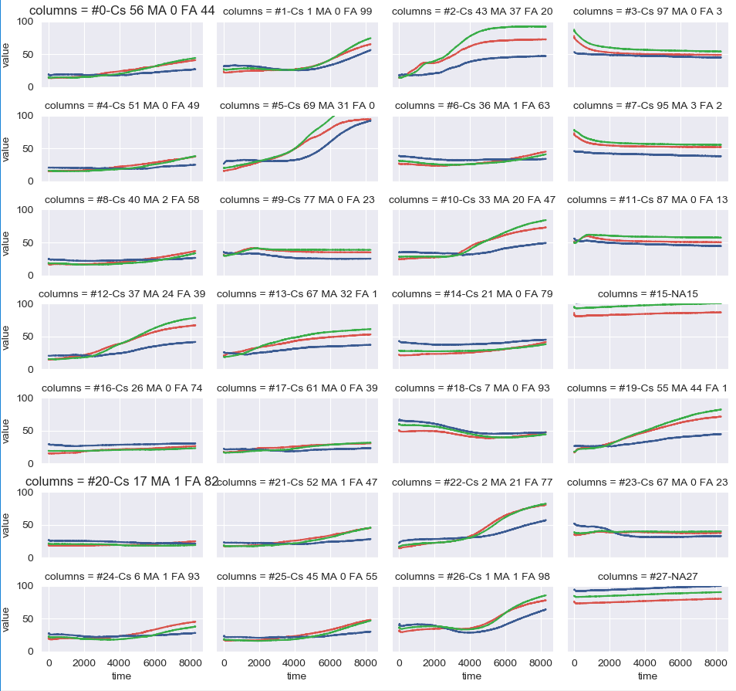
 | Area Difference | Inverse Moment | DTW | Area | Sample
20 | 54740.476142 | 917.66634928 | 10950.688049 | 519141.90856 | #20-Cs 17 MA 1 FA 82
16 | 65709.97411 | 1020.886275 | 13145.415825 | 581895.99596 | #16-Cs 26 MA 0 FA 74
8 | 84228.126596 | 1318.9588775 | 16857.099316 | 553615.6372 | #8-Cs 40 MA 2 FA 58
14 | 92814.309352 | 1496.0526766 | 18572.135786 | 813705.20332 | #14-Cs 21 MA 0 FA 79
6 | 116347.03482 | 1959.4342312 | 23277.177792 | 769510.39382 | #6-Cs 36 MA 1 FA 63
24 | 119442.71087 | 1813.1766464 | 23900.696841 | 632114.66248 | #24-Cs 6 MA 1 FA 93
4 | 125372.49562 | 1674.865698 | 25090.17128 | 549012.87519 | #4-Cs 51 MA 0 FA 49
17 | 128002.47767 | 1923.9979913 | 25605.438294 | 582624.92636 | #17-Cs 61 MA 0 FA 39
11 | 148995.47422 | 2870.7817082 | 29798.385868 | 1318944.0497 | #11-Cs 87 MA 0 FA 13
25 | 153361.45144 | 2116.7155159 | 30694.735917 | 624290.7697 | #25-Cs 45 MA 0 FA 55
21 | 158007.1876 | 2166.7562924 | 31619.693585 | 634359.45349 | #21-Cs 52 MA 1 FA 47
23 | 158944.14428 | 2667.4854251 | 31788.754803 | 936761.38143 | #23-Cs 67 MA 0 FA 23
9 | 163504.86698 | 2856.2547022 | 32699.951156 | 852148.86589 | #9-Cs 77 MA 0 FA 23
0 | 186264.68444 | 2553.2948193 | 37271.205145 | 589188.60883 | #0-Cs 56 MA 0 FA 44
1 | 222547.50426 | 2926.8483965 | 44549.935852 | 879382.60272 | #1-Cs 1 MA 0 FA 99
18 | 273925.17773 | 4143.6076441 | 54784.389775 | 1195831.774 | #18-Cs 7 MA 0 FA 93
26 | 296712.24786 | 3971.2413418 | 59382.159883 | 1124251.5387 | #26-Cs 1 MA 1 FA 98
7 | 363683.95757 | 6408.825827 | 72737.033865 | 1275745.2878 | #7-Cs 95 MA 3 FA 2
10 | 368057.26016 | 4803.8062545 | 73644.458157 | 1089903.0241 | #10-Cs 33 MA 20 FA 47
13 | 433950.22799 | 6521.1511647 | 86802.90915 | 974231.74258 | #13-Cs 67 MA 32 FA 1
12 | 496685.34643 | 6687.8447976 | 99370.440899 | 925920.1981 | #12-Cs 37 MA 24 FA 39
3 | 499390.99512 | 8874.8728197 | 99878.316509 | 1321433.7288 | #3-Cs 97 MA 0 FA 3
22 | 546993.62749 | 7634.5313903 | 109443.33409 | 993206.12521 | #22-Cs 2 MA 21 FA 77
19 | 581761.89268 | 8408.6642835 | 116380.01921 | 1095821.2041 | #19-Cs 55 MA 44 FA 1
5 | 845669.75965 | 11618.309374 | 169194.83751 | 1374618.3669 | #5-Cs 69 MA 31 FA 0
2 | 901810.10343 | 13339.793277 | 180381.81993 | 1296429.9261 | #2-Cs 43 MA 37 FA 20

METRICS-ROUND1 vs ROUND2 compar
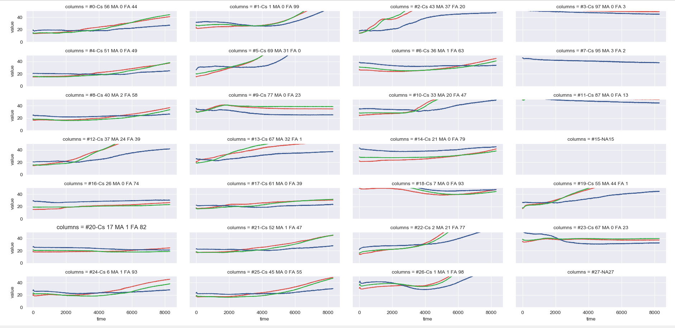
ROUND2 | DIFF AREA |  |  |  |  | ROUND 1 | DIFF AREA
 | Sample | Red | Green | Blue | Total |  | Sample | Red | Green | Blue | Total
20 | #20-Cs 17 MA 1 FA 82 | 11969.3129 | 20013.199631 | 22757.963611 | 54740.476142 |  | Sample | Red | Green | Blue | Total
16 | #16-Cs 26 MA 0 FA 74 | 45742.311978 | 10731.100084 | 9236.5620473 | 65709.97411 | 20 | #20-CsPbI 75 - MAPbI 25 | 23834.524492 | 44591.271968 | 10642.457225 | 79068.253685
8 | #8-Cs 40 MA 2 FA 58 | 43864.233438 | 29549.903701 | 10813.989457 | 84228.126596 | 16 | #16-CsPbI 25 - FAPbI 75 | 76064.964766 | 34365.576421 | 13710.134067 | 124140.67525
14 | #14-Cs 21 MA 0 FA 79 | 46666.168954 | 18156.654838 | 27991.485561 | 92814.309352 | 4 | #4-CsPbI 75 - FAPbI 25 | 25400.152735 | 40816.53865 | 67477.49071 | 133694.18209
6 | #6-Cs 36 MA 1 FA 63 | 39613.189071 | 33719.480669 | 43014.365078 | 116347.03482 | 12 | #12-CsPbI 50 - FAPbI 50 | 104776.43529 | 80321.602865 | 14878.345823 | 199976.38397
24 | #24-Cs 6 MA 1 FA 93 | 61965.763723 | 37572.674933 | 19904.27221 | 119442.71087 | 25 | #25-CsPbI 25 - FAPbI 50 - MAPbI 25 | 140853.27665 | 107055.55414 | 26395.548074 | 274304.37887
4 | #4-Cs 51 MA 0 FA 49 | 64467.027588 | 50492.514474 | 10412.953559 | 125372.49562 | 2 | #2-CsPbI 25 - FAPbI 25 - MAPbI 50 | 318842.43278 | 263468.60232 | 103975.2985 | 686286.3336
17 | #17-Cs 61 MA 0 FA 39 | 61633.813112 | 54623.674085 | 11744.990474 | 128002.47767 | 24 | #24-CsPbI 50 - MAPbI 50 | 305446.82011 | 332057.29624 | 80027.495648 | 717531.612
11 | #11-Cs 87 MA 0 FA 13 | 14207.583481 | 66840.235287 | 67947.655454 | 148995.47422 | 5 | #5-FAPbI 100 | 275071.01776 | 296997.26338 | 164744.38782 | 736812.66895
25 | #25-Cs 45 MA 0 FA 55 | 77695.075207 | 59408.969208 | 16257.407023 | 153361.45144 | 0 | #0-CsPbI | 305776.25118 | 416938.3884 | 42337.560372 | 765052.19994
21 | #21-Cs 52 MA 1 FA 47 | 78389.279282 | 66345.768077 | 13272.140237 | 158007.1876 | 21 | #21-CsPbI 50 - FAPbI 25 - MAPbI 25 | 411774.95877 | 471883.38975 | 100646.55194 | 984304.90046
23 | #23-Cs 67 MA 0 FA 23 | 19372.636766 | 7393.0945434 | 132178.41297 | 158944.14428 | 1 | #1-CsPbI 25 - MAPbI 75 | 478097.72509 | 541944.10773 | 217420.84764 | 1237462.6805
9 | #9-Cs 77 MA 0 FA 23 | 37591.580809 | 60919.673499 | 64993.612671 | 163504.86698 | 6 | #6-FAPbI 75 - MAPbI 25 | 508985.01032 | 555964.73297 | 317391.76251 | 1382341.5058
0 | #0-Cs 56 MA 0 FA 44 | 88359.578517 | 79646.105195 | 18259.000729 | 186264.68444 | 17 | #17-FAPbI 25 - MAPbI 75 | 542449.34097 | 588812.73053 | 292375.82313 | 1423637.8946
1 | #1-Cs 1 MA 0 FA 99 | 91618.88735 | 85115.577025 | 45813.039887 | 222547.50426 | 13 | #13-FAPbI 50 - MAPbI 50 | 543288.79102 | 591351.48994 | 296327.32282 | 1430967.6038
18 | #18-Cs 7 MA 0 FA 93 | 56364.236189 | 106175.137 | 111385.80453 | 273925.17773 | 9 | #9-MAPbI | 678079.84546 | 764464.05519 | 349289.08096 | 1791832.9816
26 | #26-Cs 1 MA 1 FA 98 | 128661.91066 | 109096.76478 | 58953.572417 | 296712.24786
7 | #7-Cs 95 MA 3 FA 2 | 159197.86754 | 163002.16184 | 41483.928195 | 363683.95757
10 | #10-Cs 33 MA 20 FA 47 | 170763.22045 | 163399.49471 | 33894.545008 | 368057.26016
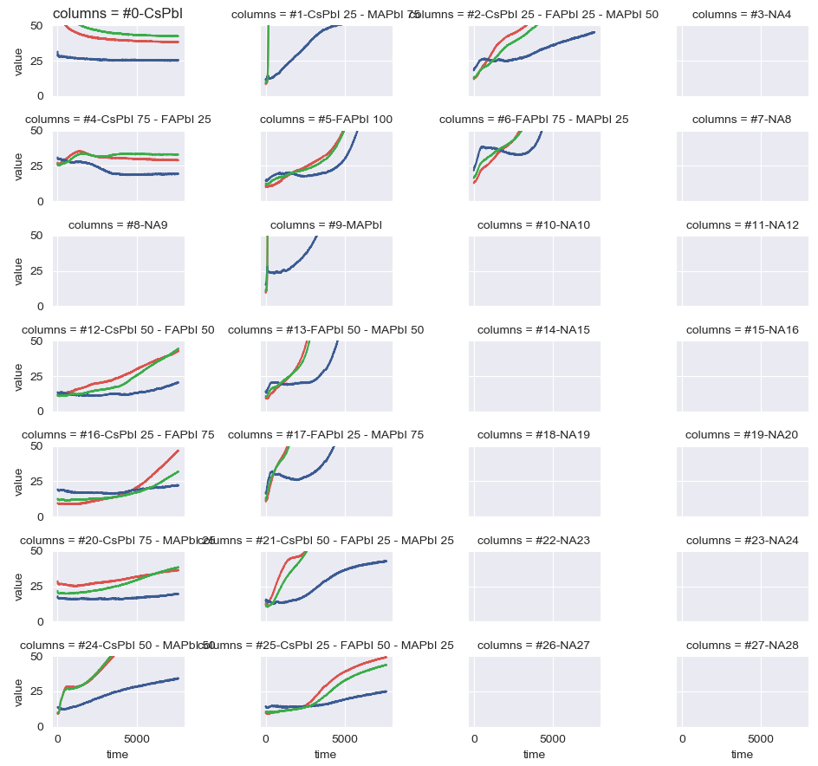
13 | #13-Cs 67 MA 32 FA 1 | 167958.79091 | 218692.32001 | 47299.11707 | 433950.22799
12 | #12-Cs 37 MA 24 FA 39 | 211594.68538 | 221258.95326 | 63831.707795 | 496685.34643
3 | #3-Cs 97 MA 0 FA 3 | 213866.80451 | 237722.06019 | 47802.130419 | 499390.99512
22 | #22-Cs 2 MA 21 FA 77 | 227117.12347 | 208627.46663 | 111249.03738 | 546993.62749
19 | #19-Cs 55 MA 44 FA 1 | 247916.21577 | 270484.79606 | 63360.880852 | 581761.89268
5 | #5-Cs 69 MA 31 FA 0 | 322021.16389 | 355026.47547 | 168622.12029 | 845669.75965
2 | #2-Cs 43 MA 37 FA 20 | 333902.99747 | 429896.41749 | 138010.68847 | 901810.10343

LAB round 1 AND round 2
Round 1 |  |  |  |  |  |  | Round 2
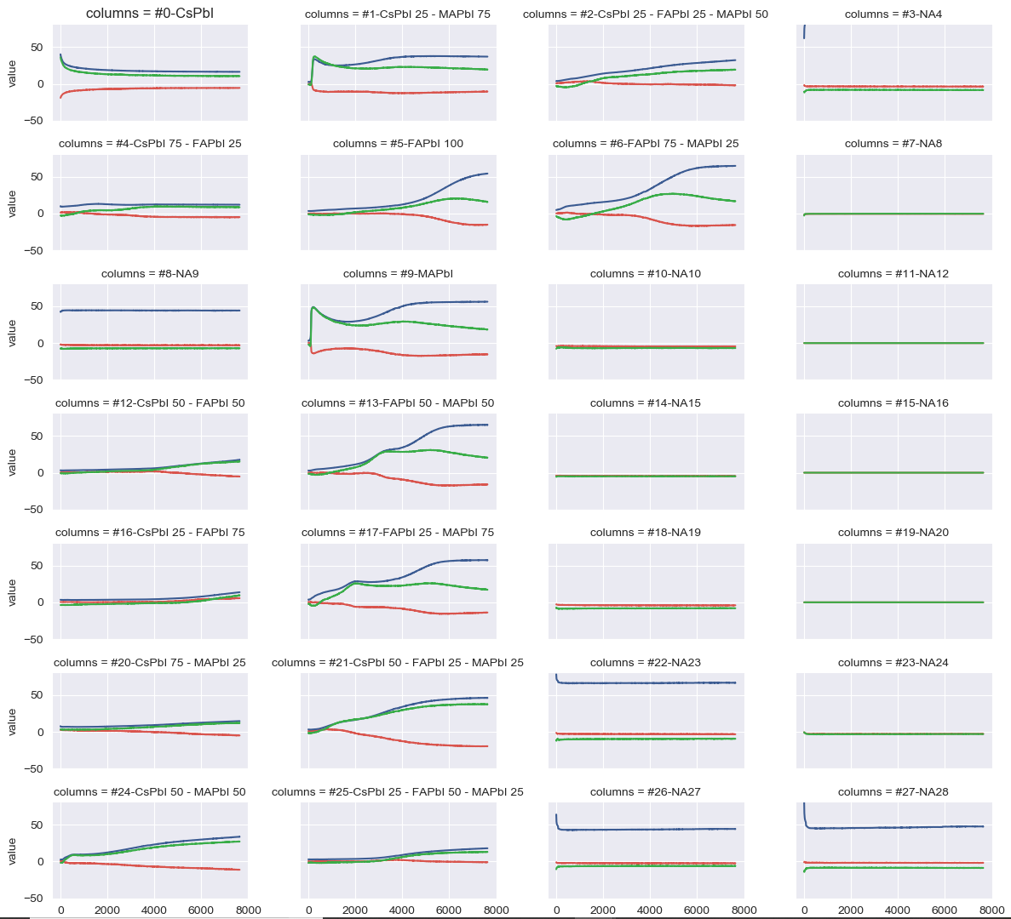
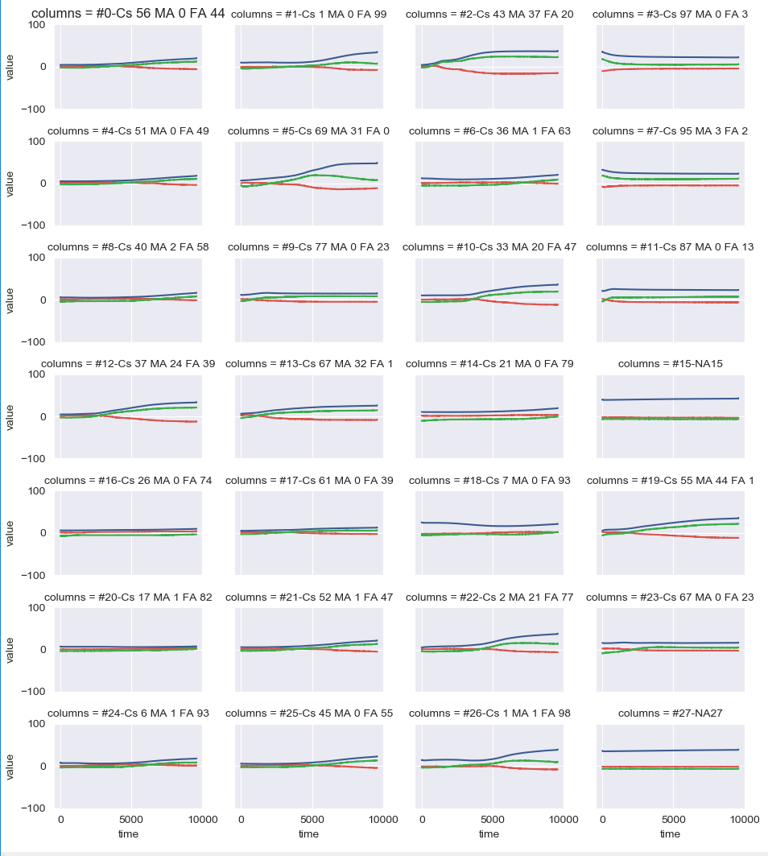

Metrics ranked |  |  |  |  |  |  | Metrics ranked
 | Sample | Red | Green | Blue | Total | RBG Rank |  | Sample | Red | Green | Blue | Total
16 | #16-CsPbI 25 - FAPbI 75 | 10837.495588 | 28144.979483 | 16927.883393 | 55910.358464 | 20 | 20 | #20-Cs 17 MA 1 FA 82 | 8931.1685151 | 7894.2468038 | 6899.556846 | 23724.972165 | 20
20 | #20-CsPbI 75 - MAPbI 25 | 24187.415553 | 26955.749957 | 18446.362091 | 69589.527601 | 16 | 16 | #16-Cs 26 MA 0 FA 74 | 11519.138812 | 14955.598007 | 7539.4405653 | 34014.177385 | 16
12 | #12-CsPbI 50 - FAPbI 50 | 12535.944684 | 50742.617728 | 34636.662208 | 97915.224619 | 4 | 8 | #8-Cs 40 MA 2 FA 58 | 7538.875431 | 18502.518405 | 14089.607213 | 40131.001049 | 8
25 | #25-CsPbI 25 - FAPbI 50 - MAPbI 25 | 4812.4144832 | 54044.139261 | 47395.410562 | 106251.96431 | 12 | 14 | #14-Cs 21 MA 0 FA 79 | 5416.2790084 | 29262.931041 | 10394.087861 | 45073.297911 | 14
4 | #4-CsPbI 75 - FAPbI 25 | 32543.105874 | 70615.132575 | 15227.556355 | 118385.7948 | 25 | 6 | #6-Cs 36 MA 1 FA 63 | 9007.4159725 | 22517.590196 | 15854.497756 | 47379.503924 | 6
5 | #5-FAPbI 100 | 33713.53789 | 75317.349044 | 125310.35096 | 234341.23789 | 2 | 4 | #4-Cs 51 MA 0 FA 49 | 7903.7248023 | 31517.468013 | 22935.92582 | 62357.118635 | 24
2 | #2-CsPbI 25 - FAPbI 25 - MAPbI 50 | 10788.826356 | 105683.42494 | 122452.90348 | 238925.15478 | 24 | 24 | #24-Cs 6 MA 1 FA 93 | 15752.69699 | 27759.152568 | 18993.484109 | 62505.333666 | 4
24 | #24-CsPbI 50 - MAPbI 50 | 54347.764578 | 143828.50913 | 138893.17312 | 337069.44684 | 5 | 25 | #25-Cs 45 MA 0 FA 55 | 9367.527877 | 34704.984309 | 28479.76163 | 72552.273817 | 17
6 | #6-FAPbI 75 - MAPbI 25 | 62479.37916 | 132476.79085 | 234008.98909 | 428965.1591 | 0 | 18 | #18-Cs 7 MA 0 FA 93 | 18825.712116 | 10511.522665 | 44351.848406 | 73689.083186 | 11
0 | #0-CsPbI | 93141.485333 | 176584.14405 | 166323.64917 | 436049.27856 | 21 | 17 | #17-Cs 61 MA 0 FA 39 | 12554.623021 | 42571.042166 | 24333.51855 | 79459.183736 | 25
13 | #13-FAPbI 50 - MAPbI 50 | 67191.963083 | 155800.84198 | 243388.44728 | 466381.25234 | 1 | 21 | #21-Cs 52 MA 1 FA 47 | 10347.847052 | 43773.949365 | 31099.13763 | 85220.934047 | 21
17 | #17-FAPbI 25 - MAPbI 75 | 69884.211968 | 161852.49979 | 248944.63833 | 480681.35009 | 6 | 0 | #0-Cs 56 MA 0 FA 44 | 14924.508276 | 43592.137574 | 35494.272758 | 94010.918608 | 23
21 | #21-CsPbI 50 - FAPbI 25 - MAPbI 25 | 86307.808026 | 202576.76527 | 197096.00631 | 485980.57961 | 17 | 1 | #1-Cs 1 MA 0 FA 99 | 13105.952405 | 47175.827096 | 38424.348322 | 98706.127823 | 9
1 | #1-CsPbI 25 - MAPbI 75 | 84005.356971 | 177084.55347 | 228387.94283 | 489477.85326 | 13 | 23 | #23-Cs 67 MA 0 FA 23 | 30790.126989 | 91475.458086 | 2490.4947456 | 124756.07982 | 0
9 | #9-MAPbI | 102267.42551 | 215382.03803 | 317399.11087 | 635048.57441 | 9 | 26 | #26-Cs 1 MA 1 FA 98 | 14001.492984 | 67166.38483 | 48511.939681 | 129679.81749 | 1
 |  |  |  |  |  |  | 9 | #9-Cs 77 MA 0 FA 23 | 40294.700145 | 79966.662298 | 23172.540094 | 143433.90254 | 18
 |  |  |  |  |  |  | 11 | #11-Cs 87 MA 0 FA 13 | 56721.96399 | 75279.345496 | 20478.469458 | 152479.77894 | 26
 |  |  |  |  |  |  | 7 | #7-Cs 95 MA 3 FA 2 | 20386.079963 | 67293.01191 | 68686.26581 | 156365.35768 | 7
 |  |  |  |  |  |  | 22 | #22-Cs 2 MA 21 FA 77 | 15775.15457 | 67052.561547 | 96120.376719 | 178948.09284 | 10
 |  |  |  |  |  |  | 10 | #10-Cs 33 MA 20 FA 47 | 32002.484886 | 92469.42266 | 72429.496628 | 196901.40417 | 13
 |  |  |  |  |  |  | 12 | #12-Cs 37 MA 24 FA 39 | 41253.684054 | 94991.411764 | 97784.207925 | 234029.30374 | 12
 |  |  |  |  |  |  | 3 | #3-Cs 97 MA 0 FA 3 | 40992.819101 | 104398.9526 | 97059.44991 | 242451.22161 | 3
 |  |  |  |  |  |  | 13 | #13-Cs 67 MA 32 FA 1 | 62337.08014 | 108468.67284 | 94630.150263 | 265435.90325 | 22
 |  |  |  |  |  |  | 19 | #19-Cs 55 MA 44 FA 1 | 53333.083676 | 127175.29627 | 119020.03755 | 299528.4175 | 19
 |  |  |  |  |  |  | 5 | #5-Cs 69 MA 31 FA 0 | 54348.950145 | 112850.91187 | 154493.45693 | 321693.31895 | 5
 |  |  |  |  |  |  | 2 | #2-Cs 43 MA 37 FA 20 | 94792.236904 | 158760.66442 | 180721.45361 | 434274.35494 | 2

