Heat Map
2026 REBUILT - Test Data & Heat Map Example

Evet | 2025mndu
Team | 3100

 |  | Shooting Locations for team #3100 |  |  |  |  |  |  | Map Locaton Numbers for Clickable Image
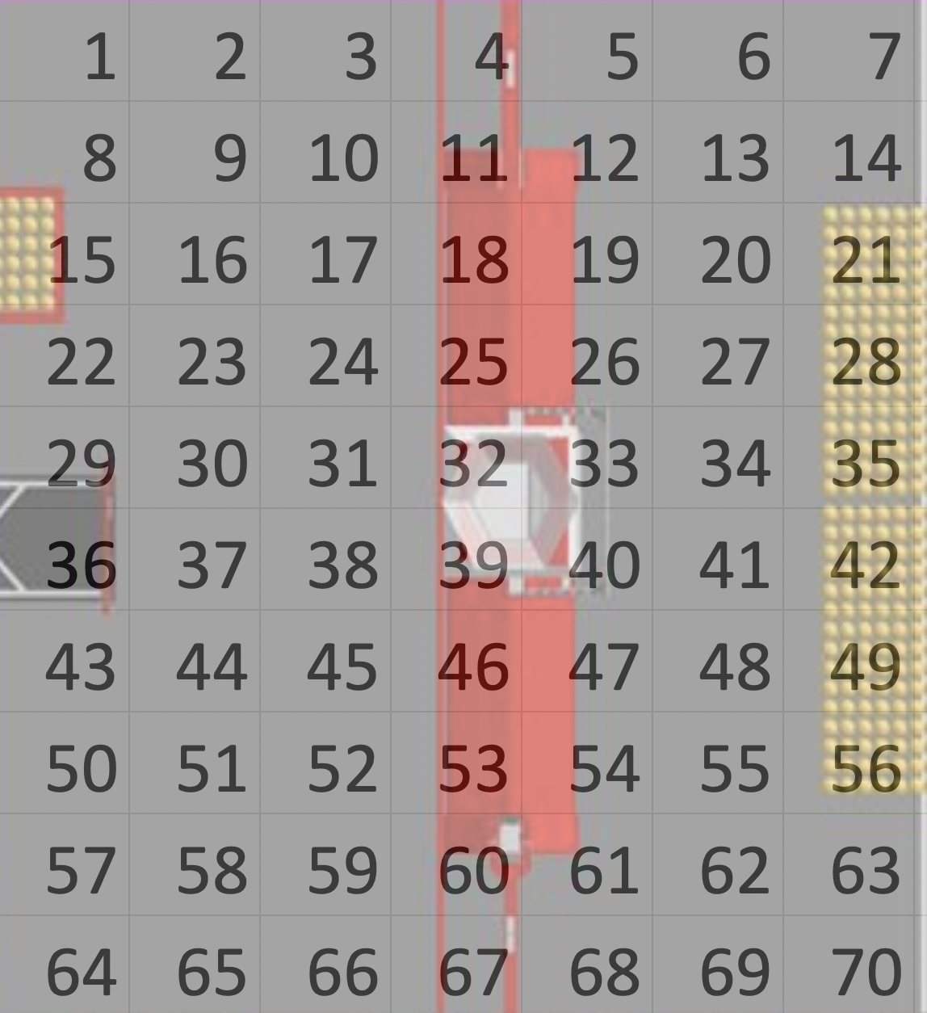
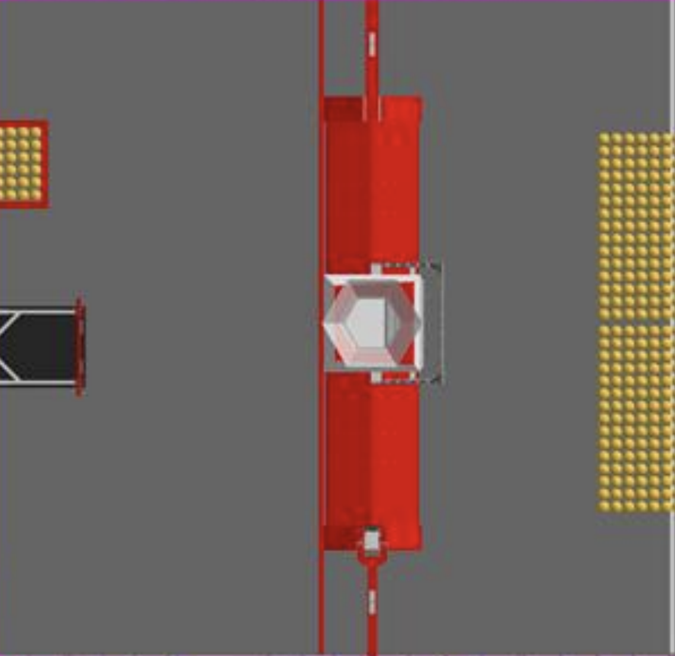
 |  | 2 | 6 | 1 | 1 | 0 | 0 | 0
 |  | 0 | 3 | 1 | 1 | 0 | 0 | 0
 |  | 2 | 0 | 0 | 2 | 0 | 0 | 0
 |  | 1 | 2 | 0 | 4 | 0 | 0 | 0
 |  | 0 | 3 | 1 | 1 | 0 | 0 | 0
 |  | 4 | 0 | 0 | 4 | 0 | 0 | 0
 |  | 2 | 2 | 0 | 3 | 0 | 0 | 0
 |  | 4 | 2 | 3 | 0 | 0 | 0 | 0
 |  | 1 | 4 | 0 | 1 | 0 | 0 | 0
 |  | 3 | 1 | 2 | 2 | 0 | 0 | 0

