example
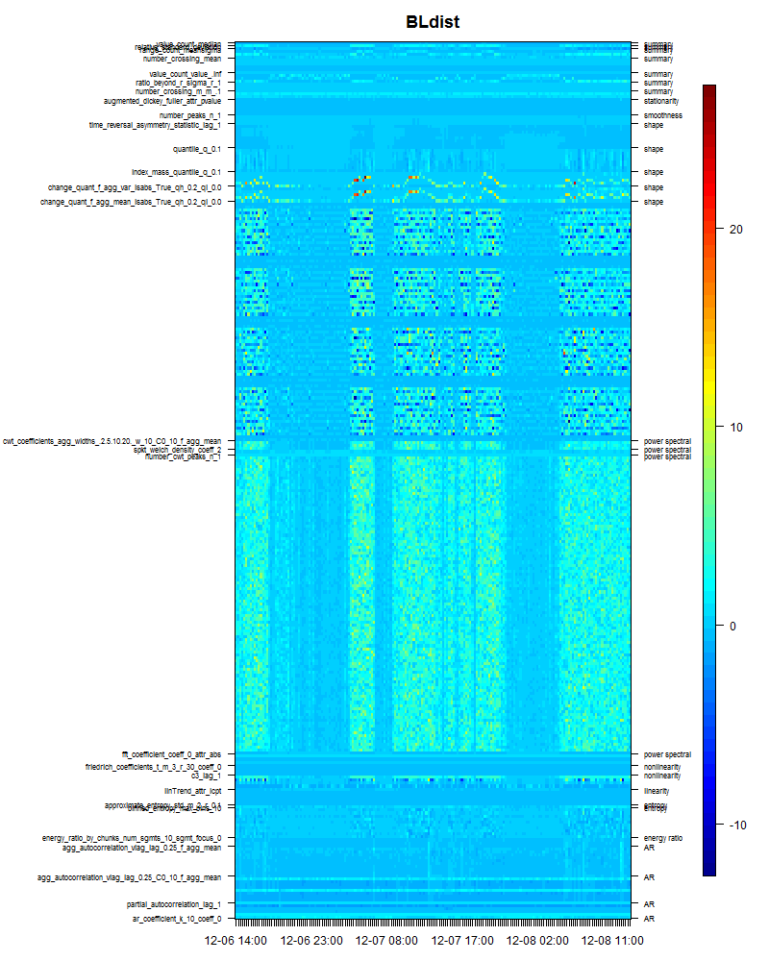

 | Expected heat map example

 | <- Summary -> | Shape | Stationarity…
Time series

