Info
This data is from the dashboard Advanced Technology Vehicle Sales Dashboard from the Auto Alliance Driving Innovation website:
https://autoalliance.org/energy-environment/advanced-technology-vehicle-sales-dashboard/

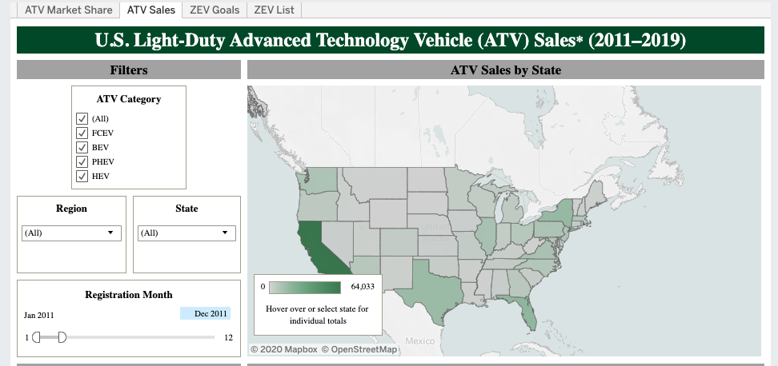
Specifically, the data is from the ATV Sales tab as shown below: | Legend:
 | FCEV | Fuel Cell Electric Vehicles
 | BEV | Battery Electric Vehicles
 | PHEV | Plug-in Hybrid Electric Vehicles
 | HEV | Hybrid Electric Vehicles
 | All | All

Note: In the above screenshot, registration month counts each month. So every year is indicated by increments of 12.
Note: Tennessee data from Mar. 2019-June 2019 is not included
Note: 2019 data is from Jan 2019 to June 2019 (NOT THE FULL YEAR)

