Sheet1
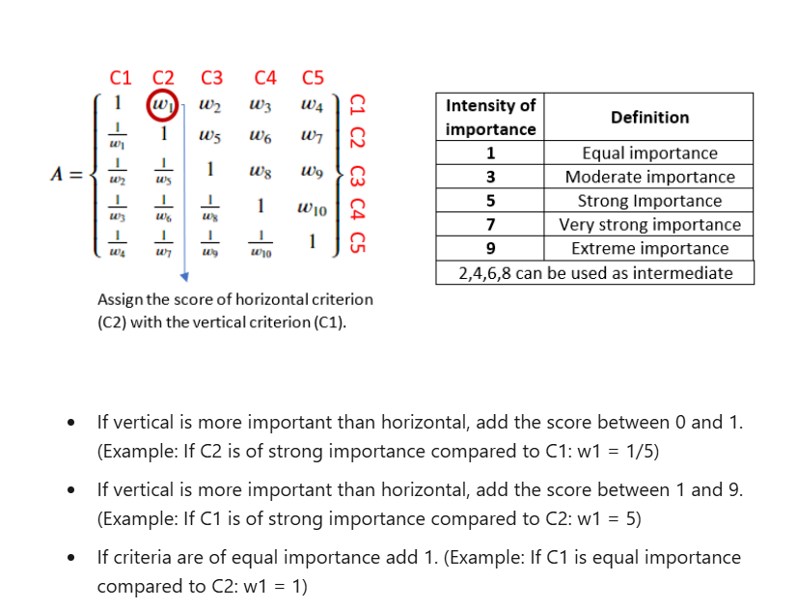
AHP data
 |  | C1 | C2 | C3 | C4 | C5
 | wrt C1 | 1.00 | 5.00 | 0.33 | 1.00 | 3.00
 | wrt C2 |  | 1.00 | 5.00 | 0.50 | 1.00
 | wrt C3 |  |  | 1.00 | 5.00 | 4.00
 | wrt C4 |  |  |  | 1.00 | 5.00
 | wrt C5 |  |  |  |  | 1.00

