Hoja1
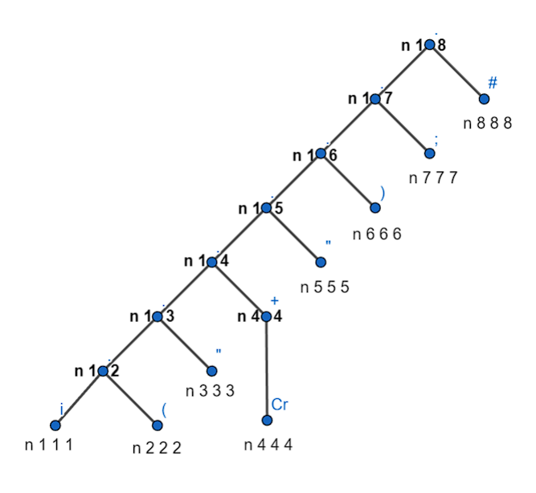
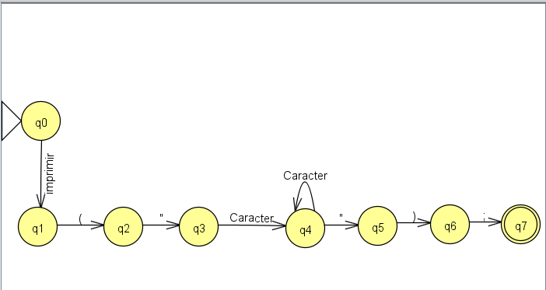
ER: i ( " Cr+ " ) ;
Hoja | Terminal | Follow Pos | Estados / Terminal | i | ( | " | Cr | " | ) | ; | #
1 | i | 2 | q0 = {1} | q1
2 | ( | 3 | q1 = {2} |  | q2
3 | " | 4 | q2 = {3} |  |  | q3
4 | Cr | 4, 5 | q3 = {4} |  |  |  | q4
5 | " | 6 | q4 = {4, 5} |  |  |  | q4 | q5
6 | ) | 7 | q5 = {6} |  |  |  |  |  | q6
7 | ; | 8 | q6 = {7} |  |  |  |  |  |  | q7
8 | # |  | q7 = {8}

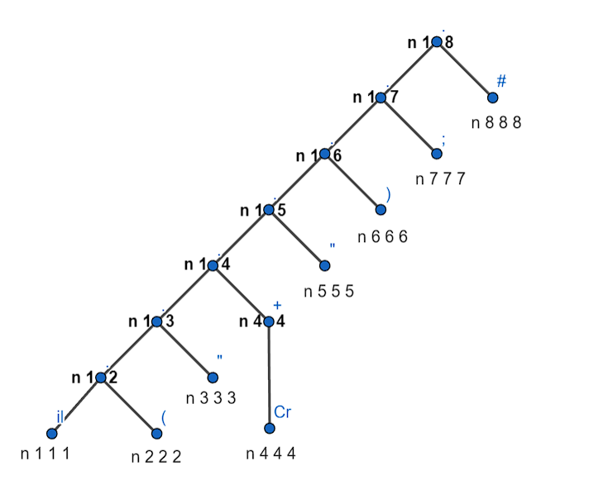
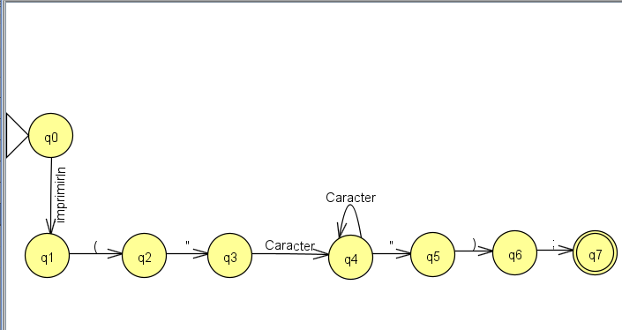
ER: il ( " Cr+ " ) ;
Hoja | Terminal | Follow Pos | Estados / Terminal | il | ( | " | Cr | " | ) | ; | #
1 | il | 2 | q0 = {1} | q1
2 | ( | 3 | q1 = {2} |  | q2
3 | " | 4 | q2 = {3} |  |  | q3
4 | Cr | 4, 5 | q3 = {4} |  |  |  | q4
5 | " | 6 | q4 = {4, 5} |  |  |  | q4 | q5
6 | ) | 7 | q5 = {6} |  |  |  |  |  | q6
7 | ; | 8 | q6 = {7} |  |  |  |  |  |  | q7
8 | # |  | q7 = {8}

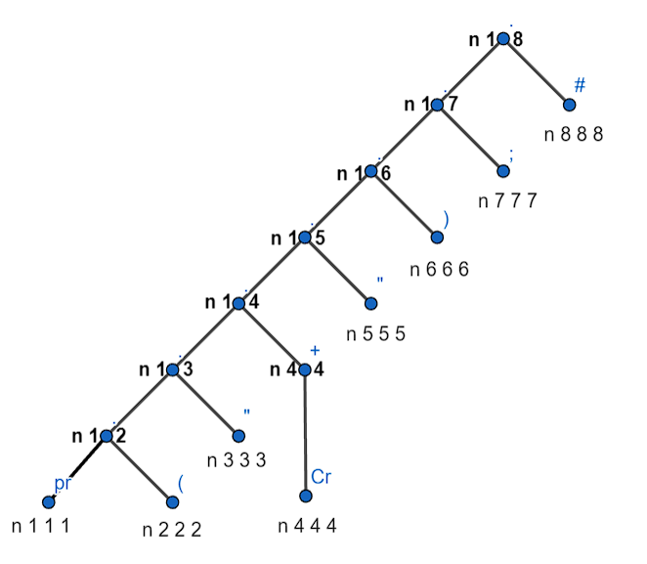

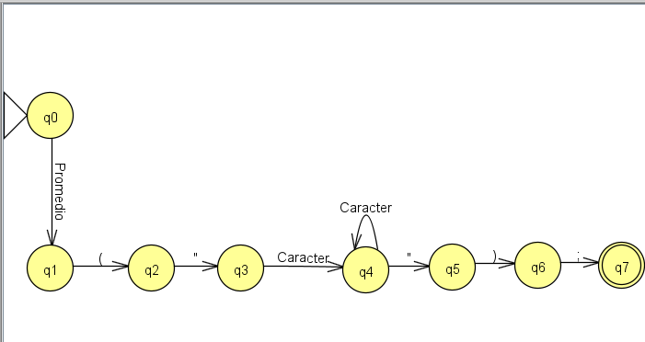
ER: pr ( " Cr+ " ) ;
Hoja | Terminal | Follow Pos | Estados / Terminal | pr | ( | " | Cr | " | ) | ; | #
1 | pr | 2 | q0 = {1} | q1
2 | ( | 3 | q1 = {2} |  | q2
3 | " | 4 | q2 = {3} |  |  | q3
4 | Cr | 4, 5 | q3 = {4} |  |  |  | q4
5 | " | 6 | q4 = {4, 5} |  |  |  | q4 | q5
6 | ) | 7 | q5 = {6} |  |  |  |  |  | q6
7 | ; | 8 | q6 = {7} |  |  |  |  |  |  | q7
8 | # |  | q7 = {8}

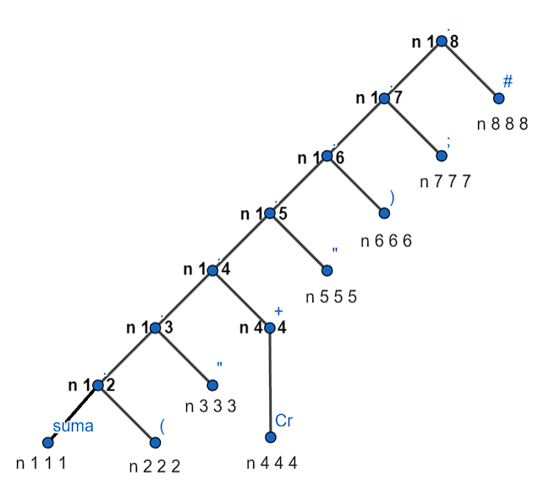
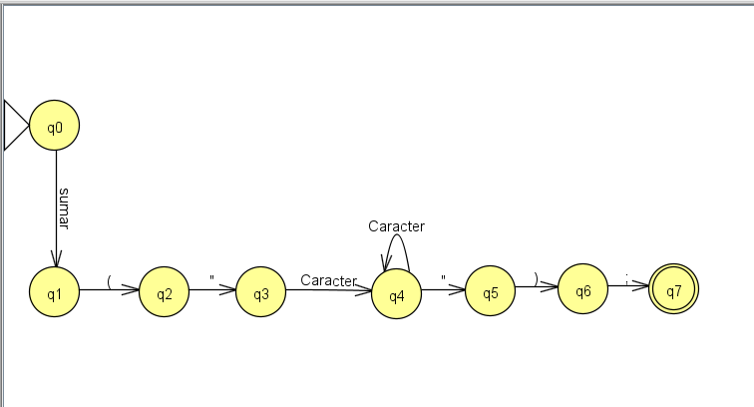
ER: suma ( " Cr+ " ) ;
Hoja | Terminal | Follow Pos | Estados / Terminal | suma | ( | " | Cr | " | ) | ; | #
1 | suma | 2 | q0 = {1} | q1
2 | ( | 3 | q1 = {2} |  | q2
3 | " | 4 | q2 = {3} |  |  | q3
4 | Cr | 4, 5 | q3 = {4} |  |  |  | q4
5 | " | 6 | q4 = {4, 5} |  |  |  | q4 | q5
6 | ) | 7 | q5 = {6} |  |  |  |  |  | q6
7 | ; | 8 | q6 = {7} |  |  |  |  |  |  | q7
8 | # |  | q7 = {8}

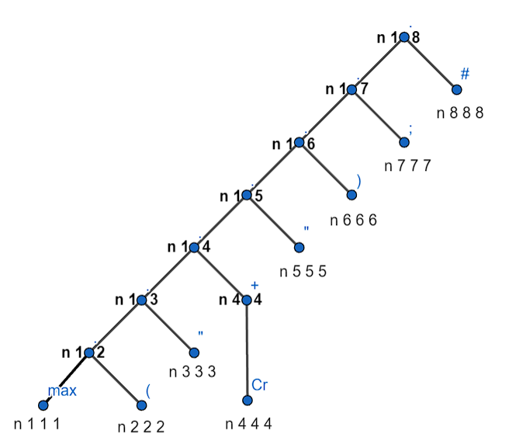

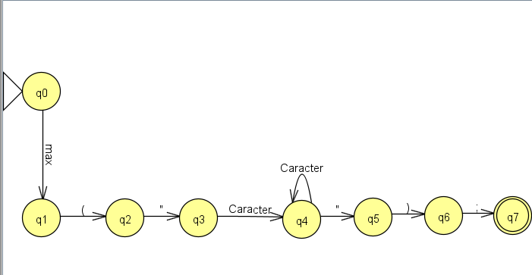
ER: max ( " Cr+ " ) ;
Hoja | Terminal | Follow Pos | Estados / Terminal | max | ( | " | Cr | " | ) | ; | #
1 | max | 2 | q0 = {1} | q1
2 | ( | 3 | q1 = {2} |  | q2
3 | " | 4 | q2 = {3} |  |  | q3
4 | Cr | 4, 5 | q3 = {4} |  |  |  | q4
5 | " | 6 | q4 = {4, 5} |  |  |  | q4 | q5
6 | ) | 7 | q5 = {6} |  |  |  |  |  | q6
7 | ; | 8 | q6 = {7} |  |  |  |  |  |  | q7
8 | # |  | q7 = {8}

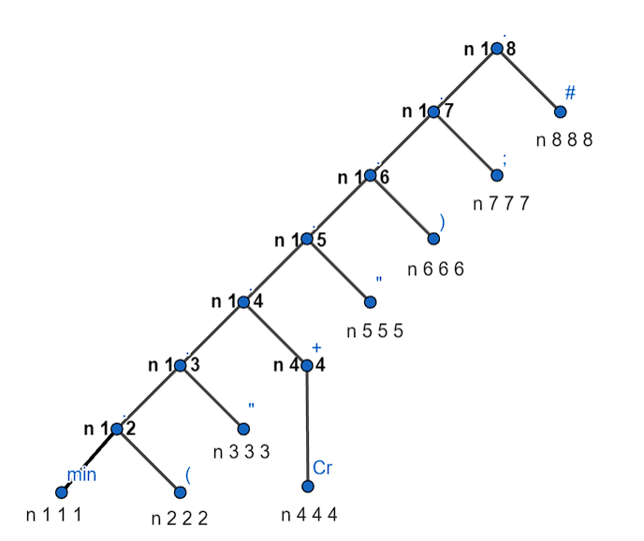


ER: min ( " Cr+ " ) ;
Hoja | Terminal | Follow Pos | Estados / Terminal | min | ( | " | Cr | " | ) | ; | #
1 | min | 2 | q0 = {1} | q1
2 | ( | 3 | q1 = {2} |  | q2
3 | " | 4 | q2 = {3} |  |  | q3
4 | Cr | 4, 5 | q3 = {4} |  |  |  | q4
5 | " | 6 | q4 = {4, 5} |  |  |  | q4 | q5
6 | ) | 7 | q5 = {6} |  |  |  |  |  | q6
7 | ; | 8 | q6 = {7} |  |  |  |  |  |  | q7
8 | # |  | q7 = {8}

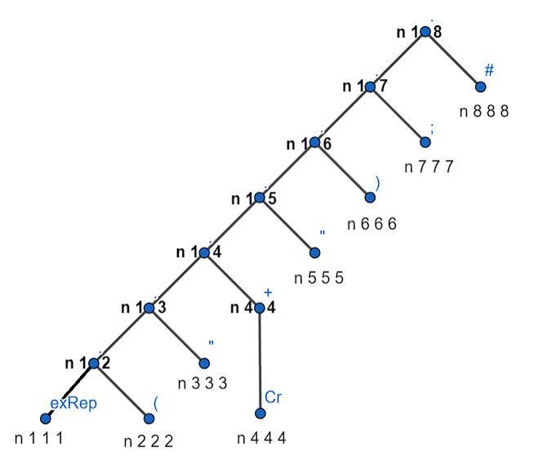
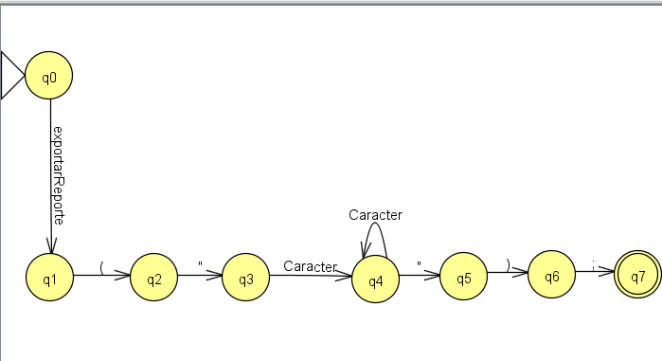
ER: exRep ( " Cr+ " ) ;
Hoja | Terminal | Follow Pos | Estados / Terminal | exRep | ( | " | Cr | " | ) | ; | #
1 | exRep | 2 | q0 = {1} | q1
2 | ( | 3 | q1 = {2} |  | q2
3 | " | 4 | q2 = {3} |  |  | q3
4 | Cr | 4, 5 | q3 = {4} |  |  |  | q4
5 | " | 6 | q4 = {4, 5} |  |  |  | q4 | q5
6 | ) | 7 | q5 = {6} |  |  |  |  |  | q6
7 | ; | 8 | q6 = {7} |  |  |  |  |  |  | q7
8 | # |  | q7 = {8}

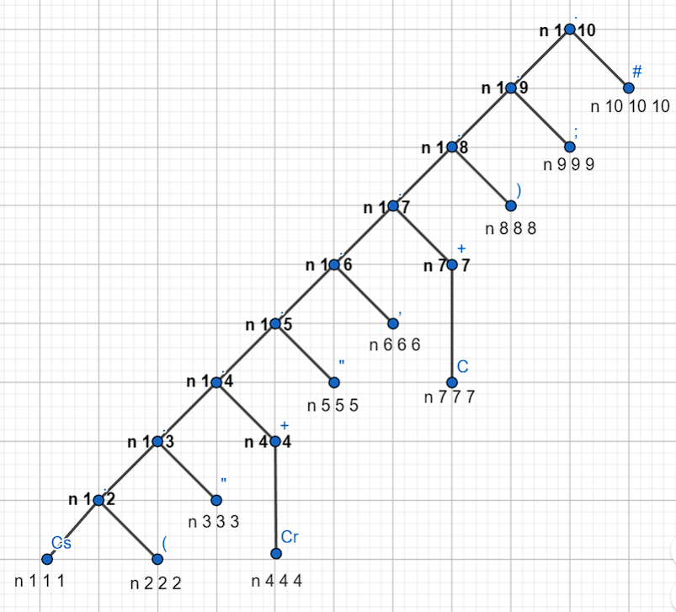
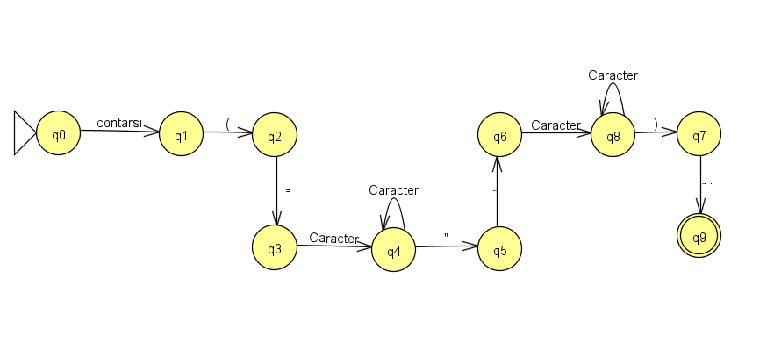
ER: Cs ( " Cr+ " , Cr+ ) ;
Hoja | Terminal | Follow Pos | Estados / Terminal | Cs | ( | " | Cr | " | , | Cr | ) | ; | #
1 | Cs | 2 | q0 = {1} | q1
2 | ( | 3 | q1 = {2} |  | q2
3 | " | 4 | q2 = {3} |  |  | q3
4 | Cr | 4, 5 | q3 = {4} |  |  |  | q4
5 | " | 6 | q4 = {4, 5} |  |  |  | q4 | q5
6 | , | 7 | q5 = {6} |  |  |  |  |  | q6
7 | Cr | 7,8 | q6 = {7} |  |  |  |  |  |  | q7
8 | ) | 9 | q7 = {7,8} |  |  |  |  |  |  | q7 | q8
9 | ; | 10 | q8 = {9} |  |  |  |  |  |  |  |  | q9
10 | # |  | q9 = {10}

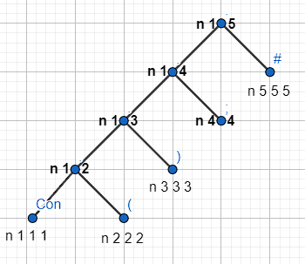
ER: Con ( ) ;
Hoja | Terminal | Follow Pos | Estados / Terminal | Con | ( | ) | ; | #
1 | Con | 2 | q0 = {1} | q1
2 | ( | 3 | q1 = {2} |  | q2
3 | ) | 4 | q2 = {3} |  |  | q3
4 | ; | 5 | q3 = {4} |  |  |  | q4
5 | # |  | q4 = {5}

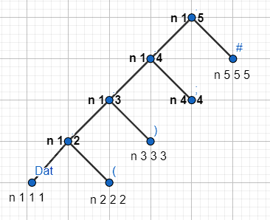
ER: Dat ( ) ;
Hoja | Terminal | Follow Pos | Estados / Terminal | Dat | ( | ) | ; | #
1 | Dat | 2 | q0 = {1} | q1
2 | ( | 3 | q1 = {2} |  | q2
3 | ) | 4 | q2 = {3} |  |  | q3
4 | ; | 5 | q3 = {4} |  |  |  | q4
5 | # |  | q4 = {5}

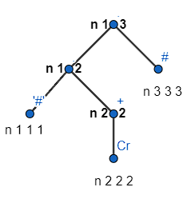
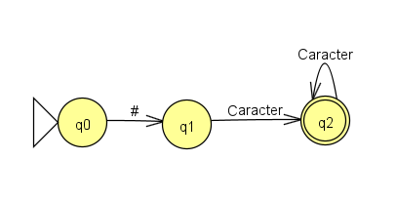
ER: '#' Cr+
Hoja | Terminal | Follow Pos | Estados / Terminal | #' | Cr | #
1 | #' | 2 | q0 = {1} | q1
2 | Cr | 2,3 | q1 = {2} |  | q1
3 | # |  | q2 = {2,3} |  | q2

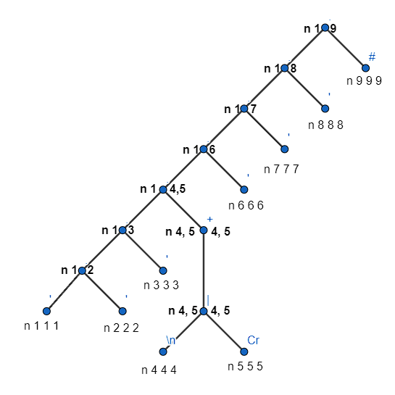

ER: ' ' ' (Cr | \n )+ ' ' '
Hoja | Terminal | Follow Pos | Estados / Terminal | ' | ' | ' | \n | Cr | ' | ' | ' | #
1 | ' | 2 | q0 = {1} | q1
2 | ' | 3 | q1 = {2} |  | q2
3 | ' | 4 | q2 = {3} |  |  | q3
4 | \n | 4, 5,6 | q3 = {4} |  |  |  | q4
5 | Cr | 4, 5, 6 | q4 = {4, 5, 6} |  |  |  | q4 | q4 | q5
6 | ' | 7 | q5 = {7} |  |  |  |  |  |  | q6
7 | ' | 8 | q6 = {8} |  |  |  |  |  |  |  | q7
8 | ' | 9 | q7 = {9}
9 | #

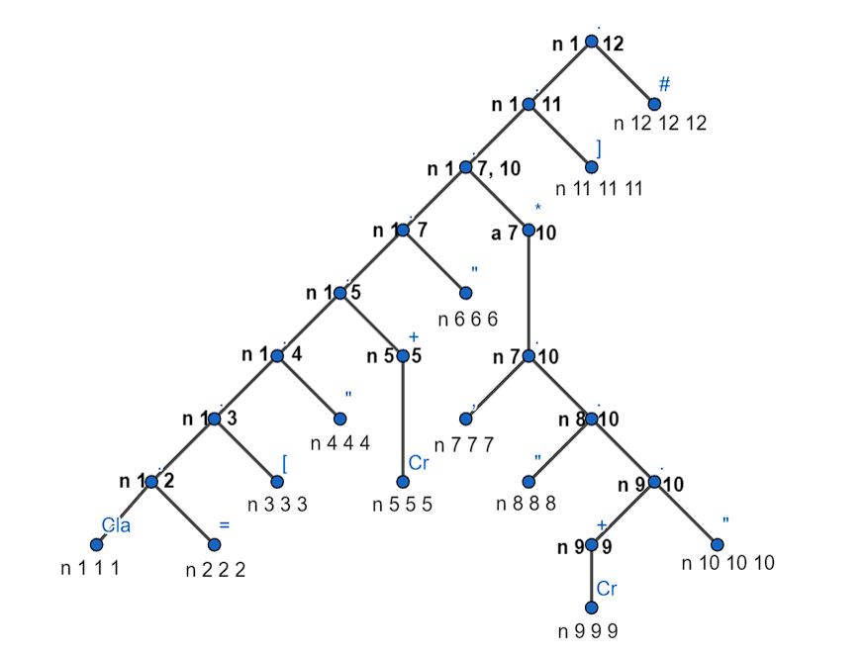
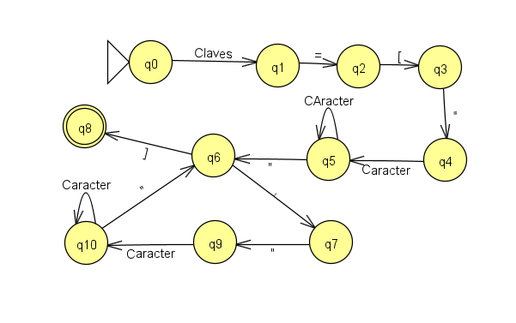
ER: cla = [ " cr + " (, " cr+ " )* ]
Hoja | Terminal | Follow Pos | Estados / Terminal | Cla | = | [ | " | Cr | " | , | " | Cr | " | ]
1 | Cla | 2 | q0 = {1} | q1
2 | = | 3 | q1 = {2} |  | q2
3 | [ | 4 | q2 = {3} |  |  | q3
4 | " | 5 | q3 = {4} |  |  |  | q4
5 | Cr | 5,6 | q4 = {5} |  |  |  |  | q5
6 | " | 7, 11 | q5 = {5,6} |  |  |  |  | q5 | q6
7 | , | 8 | q6 = {7,11} |  |  |  |  |  |  | q7 |  |  |  | q8
8 | " | 9 | q7 = {8} |  |  |  |  |  |  |  | q9
9 | Cr | 9, 10 | q8 = {12}
10 | " | 7, 11 | q9 = {9} |  |  |  |  |  |  |  |  | q10
11 | ] | 12 | q10 = {9, 10} |  |  |  |  |  |  |  |  | q10 | q6
12 | # |  | q11 ={12}

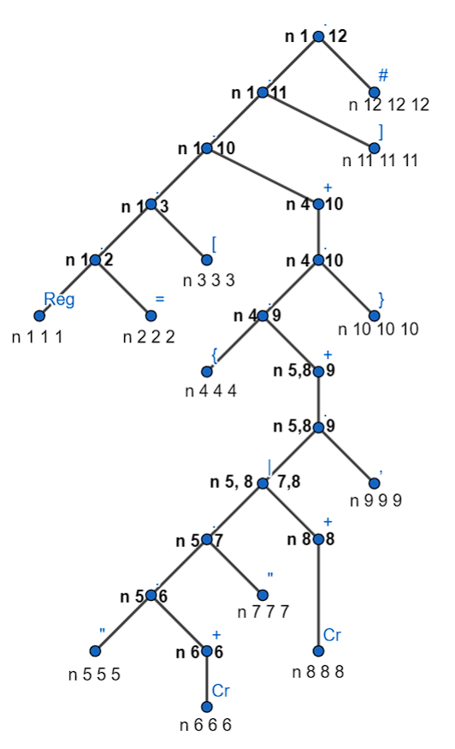

ER: reg = [ ({ ((Cr+)|(" Cr +") , )+ })+ ]
Hoja | Terminal | Follow Pos | Estados / Terminal | Reg | = | [ | { | " | Cr | " | Cr | , | } | ] | #
1 | Reg | 2 | q0 = {1} | q1
2 | = | 3 | q1 = {2} |  | q2
3 | [ | 4 | q2 = {3} |  |  | q3
4 | { | 5, 8 | q3 = {4} |  |  |  | q4
5 | " | 6 | q4 = {5,8} |  |  |  |  | q5 |  |  | q6
6 | Cr | 6,7 | q5 = {6} |  |  |  |  |  | q7
7 | " | 9 | q6 = {8,9} |  |  |  |  |  |  |  | q6 | q8
8 | Cr | 8,9 | q7 = {6,7} |  |  |  |  |  | q7 | q9
9 | , | 5,8,10 | q8 = {5,8,10} |  |  |  |  | q5 |  |  | q6 |  | q10
10 | } | 4,11 | q9 = {9} |  |  |  |  |  |  |  |  | q8
11 | ] | 12 | q10 = {4,11} |  |  |  | q4 |  |  |  |  |  |  | q12
12 | # |  | q = {12}

