x800
LCT | Assay | Req Scope | Verification Scope | Req Verification Reort | x800 Reagent Kit SAP# 192T | x800 Reagent Kit SAP# 384T | x800 Reagent Kit SAP# 480T | x800 Reagent Kit SAP# US 192T | x800 Reagent Kit SAP# US 480 | x800 Positive Control SAP# | x800 Positive Control SAP# US | x800 Negative Control SAP# | x800 Negative Control SAP# US | ASAP Name | ASAP Version | ASAP SAP Number | ASAP verification report | LOF | Launch Region | Launched Y/N | Changes to previous version | USI | Coumarin Channel | FAM Channel | HEX Channel | Ja270 Channel | Cy5.5 Channel | SP Process | AD Process | Mixed Batch Compatibility | ST Process | Sample Type 1 | Sample OID 1 | Sample Volume 1 | PPF Version 1 | Sample Type 2 | Sample OID 2 | Sample Volume 2 | PPF Version 2 | Sample Type 3 | Sample OID 3 | Sample Volume 3 | PPF Version 3 | Sample Type 4 | Sample OID 4 | Sample Volume 4 | PPF Version 4 | RMC Volume | RMC PPF Version | CP SRN | CP Version | WFD Integration Document | WFD Version | AP Version | IC Version
Infectious Disease | HIV-1 |  |  |  |  |  |  |  |  |  |  |  |  | x800 HIV |  |  |  |  | Global IVD |  |  |  |  | HIV-1 |  |  | RNA QS | SP1 | AD1 | A |  | Plasma | 2.16.840.1.113995.3.12.487.1700 | 500 200 |  |  |  |  |  |  |  |  |  |  |  |  |  |  |  |  | X800.HIV 1.0.1.20001 | DH-03378.33-124.02.HIV | Mastersession_c5800_HIV_V0001
Infectious Disease | HIV-1 |  |  |  |  |  |  |  |  |  |  |  |  | x800 HIV-PSC |  |  |  |  | CE-IVDR |  |  |  |  | HIV-1 |  |  | RNA QS | SP1 | AD1 | A |  | Plasma Separation Card | 2.16.840.1.113995.3.111.9.3.21 | 850 |  |  |  |  |  |  |  |  |  |  |  |  |  |  |  | DH-03406.15- 552.HIVPSC_V1.0 | X800.HIVPSC 1.0.1 | DH-03406.15-550.01.HIVPSC | Mastersession_c5800_HIV-PSC_V00011
Infectious Disease | HCV |  |  |  |  |  |  |  |  |  |  |  |  | x800 HCV |  |  |  |  | US-IVD |  |  | 11011-4^HCV^LN |  |  |  | HCV | RNA QS | SP1 | AD1 | A |  | Plasma | 2.16.840.1.113995.3.12.487.1700 | 500 200 |  | Serum | 2.16.840.1.113995.3.12.487.2000 | 500 200 |  |  |  |  |  |  |  |  |  |  |  |  | c68008800.SW2.HCV 1.0.0 |  | Mastersession_c6888-2_HCV_V0001.wfd
Infectious Disease | HCV |  |  |  |  |  |  |  |  |  |  |  |  | x800 HCV |  |  |  |  | CE-IVDR |  |  | 11011-4^HCV^LN |  |  |  | HCV | RNA QS | SP1 | AD1 | A |  | Plasma | 2.16.840.1.113995.3.12.487.1700 | 500 200 |  | Serum | 2.16.840.1.113995.3.12.487.2000 | 500 200 |  |  |  |  |  |  |  |  |  |  |  |  | c68008800.SW2.HCV 1.0.0 |  | Mastersession_c6888-2_HCV_V0001.wfd
Infectious Disease | HCV |  |  |  |  |  |  |  |  |  |  |  |  | x800 HCV-PSC |  |  |  |  | CE-IVDR |  |  | 11011-4^HCV-PSC^LN |  |  |  | HCV | RNA QS | SP1 | AD1 | A |  | Plasma Separation Card | 2.16.840.1.113995.3.111.9.3.21 | 850
Infectious Disease | HBV |  |  |  |  |  |  |  |  |  |  |  |  | x800 HBV |  |  |  |  | Global IVD |  |  |  |  |  | HBV |  | DNA QS | SP1 | AD2 | B |  | Plasma | 2.16.840.1.113995.3.12.487.1700 | 500 200 |  | Serum | 2.16.840.1.113995.3.12.487.2000 | 500 200 |  |  |  |  |  |  |  |  |  |  |  | DH-03222.04-791_SRN_v1.0.0 | X800.HBV 1.0.0.20001 | DH-03378.33-124.02.HBV | Mastersession_c5800_HBV_V0001
Infectious Disease | HBV RNA |  |  |  |  |  |  |  |  |  |  |  |  | x800 HBV-RNA |  |  |  |  |  |  |  |  |  |  | HBV |  | RNA QS | SP1 | AD1 | A |  |  |  |  |  |  |  |  |  |  |  |  |  |  |  |  |  |  |  | DH-03222.04-222_SRN_v1.1.0.20004 | X800.HBV_RNA_IVD 1.1.0.20004 | DH-04874.03-040.01 | Mastersession_x800_HBV RNA_quant_V0001
Infectious Disease | CMV |  |  |  |  |  |  |  |  |  |  |  |  | x800 CMV |  |  |  |  | Global IVD |  |  |  |  | CMV |  |  | DNA QS | SP1 | AD1 | A |  | Plasma | 2.16.840.1.113995.3.12.487.1700 | 350 |  |  |  |  |  |  |  |  |  |  |  |  |  |  |  | DH-03222.04-106_SRN_v1.0.0 | X800.CMV 1.0.0.20003 | DH-06062.04-550.01.CMV | Mastersession_c5800_CMV_V0001
Infectious Disease | HIV-1/2 Qual |  |  |  |  |  |  |  |  |  |  |  |  | x800 HIV-1/2Qual-Ser/Pla |  |  |  |  | Global IVD |  |  |  |  | HIV-1 | HIV-2 |  | IC | SP1 | AD1 | A |  | Plasma | 2.16.840.1.113995.3.12.487.1700 | 500 |  | Serum | 2.16.840.1.113995.3.12.487.2000 | 500 |  |  |  |  |  |  |  |  |  |  |  | DH-03222.04- 169_SRN_v1.1.0.20001 | c68008800.SW2. HIVQualPlaSer 1.1.0.20001 | DH-03406.15- 550.03.H12- PlaSer | Mastersession_c6888-2_HIVqual_PlaSer_V0003
...
Infectious Disease | CT/NG |  |  |  |  |  |  |  |  |  |  |  |  | x800 CT/NG |  |  |  |  | Global IVD
Infectious Disease | TV/MG |  |  |  |  |  |  |  |  |  |  |  |  | x800 TV/MG |  |  |  |  | US-IVD |  |  | 86949-5^TV/MG^LN
Infectious Disease | TV/MG |  |  |  |  |  |  |  |  |  |  |  |  | x800 TV/MG |  |  |  |  | CE-IVDR |  |  | 86949-5^TV/MG^LN
Infectious Disease | MTB |  |  |  |  |  |  |  |  |  |  |  |  | x800 MTB |  |  |  |  | CE-IVDR
Infectious Disease | MAI
Infectious Disease | MTB-RIF/INH |  |  |  |  |  |  |  |  |  |  |  |  | x800 MTB-RIF/INH |  |  |  |  | CE-IVDR
Cervical Cx | HPV |  |  |  |  |  |  |  |  |  |  |  |  | x800 HPV-GT |  |  |  |  | US-IVD
Cervical Cx | HPV |  |  |  |  |  |  |  |  |  |  |  |  | x800 HPV-GT |  |  |  |  | CE-IVDR
Cervical Cx | HPV |  |  |  |  |  |  |  |  |  |  |  |  | x800 HPV-HR |  |  |  |  | US-IVD
Cervical Cx | HPV |  |  |  |  |  |  |  |  |  |  |  |  | x800 HPV-HR |  |  |  |  | CE-IVDR
Please use this google sheet for x800 ASAP information:
https://docs.google.com/spreadsheets/d/1sc1CwBn3B6gw2wY5TnEjdh3nRK4NIt6ZP_R6a2UwCYI/edit?usp=sharing
Blood Screening | MPX |  |  |  |  |  |  |  |  |  |  |  |  | x800 MPX |  |  |  |  | Global IVD
Blood Screening | MPX & HEV |  |  |  |  |  |  |  |  |  |  |  |  | x800 MPX-E |  |  |  |  | Global IVD
Blood Screening | WNV |  |  |  |  |  |  |  |  |  |  |  |  | x800 WNV |  |  |  |  | Global IVD
Blood Screening | HEV |  |  |  |  |  |  |  |  |  |  |  |  | x800 HEV |  |  |  |  | CE-IVDR
Blood Screening | DPX |  |  |  |  |  |  |  |  |  |  |  |  | x800 DPX |  |  |  |  | Global IVD
Blood Screening | CHIKV/DENV
Blood Screening | ZIKA |  |  |  |  |  |  |  |  |  |  |  |  | x800 ZIKA |  |  |  |  | Global IVD
Blood Screening | Babesia |  |  |  |  |  |  |  |  |  |  |  |  | x800 Babesia |  |  |  |  | Global IVD
Blood Screening | Malaria |  |  |  |  |  |  |  |  |  |  |  |  | x800 Malaria |  |  |  |  | Global IVD

c48_CAP_Tests
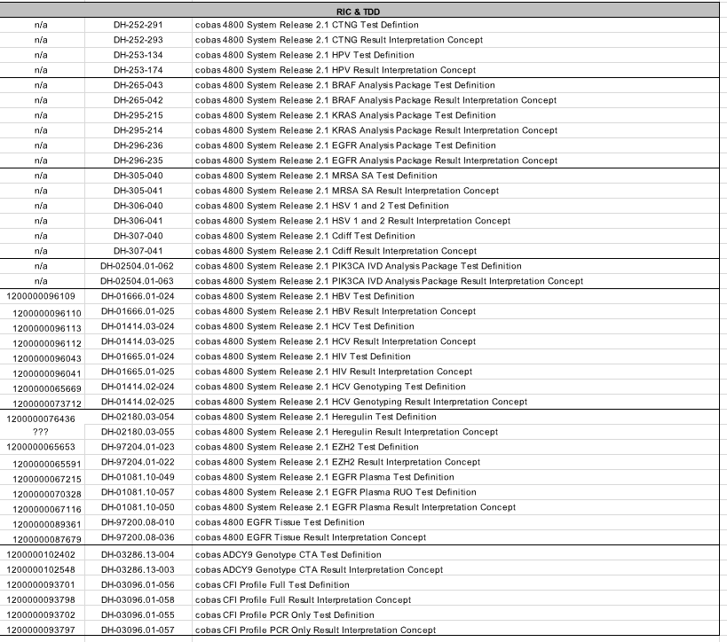
...
CAP/CTM
HI2QLP48 | 06989977190 | 1.0 | Plasma; COBAS®AmpliPrep/COBAS®TaqMan®HIV-1 Qualitative Test, version 2.0; COBAS®AmpliPrep Instrument plusCOBAS®TaqMan®48 Analyzer
HI2QLP96 | 07003030190 | 1.0 | Plasma; COBAS®AmpliPrep/COBAS®TaqMan®HIV-1 Qualitative Test, version 2.0; COBAS®AmpliPrep Instrument plus COBAS®TaqMan®Analyze
HI2QLD48 | 06989934190 | 1.0 | Dried Blood Spots; COBAS®AmpliPrep/COBAS®TaqMan®HIV-1 Qualitative Test, version 2.0; COBAS®AmpliPrep Instrument plusCOBAS®TaqMan®48 Analyzer
HI2QLD96 | 06989969190 | 1.0 | Dried Blood Spots; COBAS®AmpliPrep/COBAS®TaqMan®HIV-1 Qualitative Test, version 2.0; COBAS®AmpliPrep Instrument plus COBAS®TaqMan®Analyze
HIVHP2 | 06298249190 | 1.1 | Manual prep/HighPure CTM48
HIVHP2IU | 06838014190 | 1.1 | Manual prep/HighPure CTM48

