Analysis2
Analysis Sheet
This sheet will include all the Python formulas generated by Copilot.

Load data from Sheet1, social_network_ads

Preview
 | User ID | Gender | Age | EstimatedSalary | Purchased
0 | 15624510 | Male | 19 | 19000 | 0
1 | 15810944 | Male | 35 | 20000 | 0
2 | 15668575 | Female | 26 | 43000 | 0
3 | 15603246 | Female | 27 | 57000 | 0
4 | 15804002 | Male | 19 | 76000 | 0
... | ... | ... | ... | ... | ...
395 | 15691863 | Female | 46 | 41000 | 1
396 | 15706071 | Male | 51 | 23000 | 1
397 | 15654296 | Female | 50 | 20000 | 1
398 | 15755018 | Male | 36 | 33000 | 0
399 | 15594041 | Female | 49 | 36000 | 1

Missing values summary for each column

Preview
User ID | 0
Gender | 0
Age | 0
EstimatedSalary | 0
Purchased | 0

Outlier counts for numerical columns

Preview
{'Age': 0, 'EstimatedSalary': 0}

Target class balance

Preview
Purchased | count
0 | 257
1 | 143

Histograms of Age and EstimatedSalary

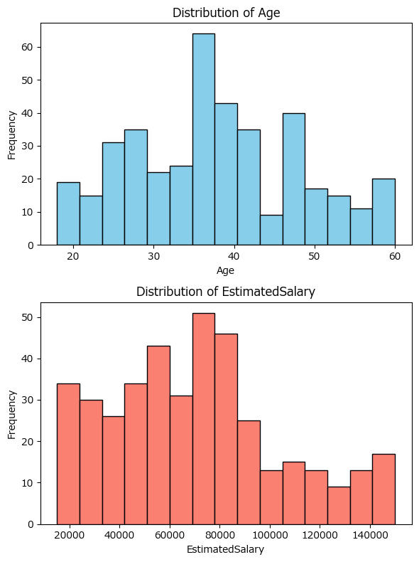

Logistic regression summary table

Preview
 | Coef. | Std.Err. | z | P>|z| | [0.025 | 0.975]
const | -12.783634136 | 1.3592465942 | -9.4049410832 | 5.205936359E-21 | -15.447708507 | -10.119559766
Gender | 0.33384338828 | 0.30522700228 | 1.0937544378 | 0.27406269175 | -0.2643905433 | 0.93207731986
Age | 0.23696940075 | 0.02637721477 | 8.9838674333 | 2.61412664E-19 | 0.18527100979 | 0.28866779172
EstimatedSalary | 3.6441190384E-05 | 5.4728800888E-06 | 6.658503346 | 2.7662999325E-11 | 2.5714542518E-05 | 4.7167838249E-05

Logistic regression performance metrics and confusion matrix

Preview
<DataFrame>
<DataFrame>

Confusion matrix heatmap

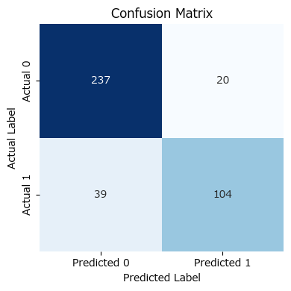

Summary table of model performance metrics

Preview
 | Metric | Value
0 | Accuracy | 0.8525
1 | Precision | 0.83870967742
2 | Recall | 0.72727272727
3 | F1 Score | 0.77902621723
4 | False Positives | 20
5 | False Negatives | 39

Correlation matrix for predictors

Preview
 | Gender | Age | EstimatedSalary
Gender | 1 | -0.073741334305 | -0.060434685296
Age | -0.073741334305 | 1 | 0.15523801797
EstimatedSalary | -0.060434685296 | 0.15523801797 | 1

Box-Tidwell test for linearity of the logit

Preview
 | Coef. | P>|z|
const | -7.1360887828 | 0.37943735957
Gender | 0.48756863638 | 0.15774852702
Age | 0.56920104434 | 0.56214830458
EstimatedSalary | -0.0016614321364 | 7.3162831275E-09
Age_log | -0.069683201787 | 0.73782322259
EstimatedSalary_log | 0.00013974650568 | 4.4275050718E-09

