Purple Teaming Log and Report
Purple Teaming Log and Report
Version | 1.0
Date | 21.04.2022
TLP | WHITE
Team and Roles | John - Coordinator Alice - Red Team Bob - Blue Team Mario - CTI Team
Purple Teaming Objective(s) | This exercise is meant to: 1. Get an overview of how the organization would deal against such a threat 2. Test the effectiveness of the security controls against this threat 3. Identify gaps and improvements
Threat Intelligence overview
Name | Qakbot
Type | Malware/Threat Actor
Overview | Qakbot aka Qbot is a modular trojan type of malware. It is known to be used by threat actors tracked as TA551, TA570, TA577, Lockean and Mallard Spider. As a modular malware Qakbot can retrieve different modules depending on the objective of the threat actor operating it. It is used as an information stealer as well as a delivery agent for ransomware. Some source (CERT-FR) mentions that Mallard Spider is threat actor behind development of the malware.
Objective | The objective of the threat actor behind this malware has in general been financial gain
Tools and malware | Qakbot seems to operate under an affiliate model. Therefore it has been seen deliverying various ransomwares such as Egregor, ProLock and Conti/Sodinokibi, DoppelPaymer and used by various threat actors
Victimology | Various, opportunistic
Attribution theory | Mallard Spider seems to be the threat actor behind its development
TTPs - ATT&CK Navigator | https://mitre-attack.github.io/attack-navigator//#layerURL=https%3A%2F%2Fattack.mitre.org%2Fsoftware%2FS0650%2FS0650-enterprise-layer.json
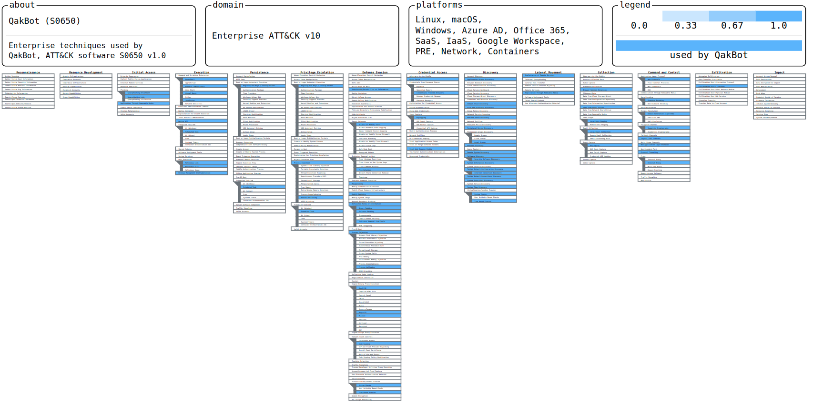

Emulation Plan
CTI Team |  | CTI and Red Team | Red Team | Red & Blue Team | Blue Team |  | ALL
Tactic | Technique | Procedure description | Procedure replay | Control/Mitigation | Type | Effectiveness | Comment
TA0001 Initial Access | T1566 Phishing | Qakbot initial access is varying a lot over time. But it is usually starting with a mail containing either an attachment or an URL. Sometimes it is impersonating a known organization and leveraging email thread between the victim and this entity. | <Document the Red Team procedure (ART Reference, manual, other.> | <Document here the expected security controls prior to executing the TTPs>
 |  |  |  | <Document here the expected security controls prior to executing the TTPs>
TA0002 Execution | T1053.005 Scheduled Task | Qakbot uses this technique as a way of executing every x time the malicious DLL | <Document the Red Team procedure (ART Reference, manual, other.> | Expectation 1. <Document here the expected security controls prior to executing the TTPs>
 |  |  |  | Observation 2. <Document here the observed security controls after executing the TTPs>
TA0003 Persistence | T1053.005 Scheduled Task | Qakbot creates schedule tasks to maintain persistence | <Document the Red Team procedure (ART Reference, manual, other.> | Expectation 1. <Document here the expected security controls prior to executing the TTPs>
 |  |  |  | Observation 2. <Document here the observed security controls after executing the TTPs>
TA0005 Defense Evasion | T1027.002 Obfuscated Files or information: Software Packing | Qakbot binary and config is obfuscated and encrypted using RC4 cipher | <Document the Red Team procedure (ART Reference, manual, other.> | Expectation 1. <Document here the expected security controls prior to executing the TTPs>
 |  |  |  | Observation 2. <Document here the observed security controls after executing the TTPs>
TA0005 Defense Evasion / TA0004 Privilege Escalation | T1055 Process Injection | Qakbot uses this technique to load into the memory of other process | <Document the Red Team procedure (ART Reference, manual, other.> | Expectation 1. <Document here the expected security controls prior to executing the TTPs>
 |  |  |  | Observation 2. <Document here the observed security controls after executing the TTPs>
TA0005 Defense Evasion | T1218 Signed Binary Proxy Execution | Qakbot is delievered as a DLL and executed using signed binaries such as rundll32 or regsvr32 | <Document the Red Team procedure (ART Reference, manual, other.> | Expectation 1. <Document here the expected security controls prior to executing the TTPs>
 |  |  |  | Observation 2. <Document here the observed security controls after executing the TTPs>
TA0005 Defense Evasion | T1497 Virtualization/Sandbox evasion | Anti-VM and sandbox techniques are used to evade detection | <Document the Red Team procedure (ART Reference, manual, other.> | Expectation 1. <Document here the expected security controls prior to executing the TTPs>
 |  |  |  | Observation 2. <Document here the observed security controls after executing the TTPs>
TA0005 Defense Evasion | T1497.003 Virtualization/Sandbox evasion: Time based evasion | Time-based evasion is checked during the malware runtime | <Document the Red Team procedure (ART Reference, manual, other.> | Expectation 1. <Document here the expected security controls prior to executing the TTPs>
 |  |  |  | Observation 2. <Document here the observed security controls after executing the TTPs>
TA0006 Credential Access / TA0009 Collection | T1056 Input Capture | Qakbot collects credentials and sensitive data from victim's devices | <Document the Red Team procedure (ART Reference, manual, other.> | Expectation 1. <Document here the expected security controls prior to executing the TTPs>
 |  |  |  | Observation 2. <Document here the observed security controls after executing the TTPs>
TA0007 Discovery | T1057 Process Discovery | Qakbot obtains the list of processes and other details | <Document the Red Team procedure (ART Reference, manual, other.> | Expectation 1. <Document here the expected security controls prior to executing the TTPs>
 |  |  |  | Observation 2. <Document here the observed security controls after executing the TTPs>
TA0007 Discovery | T1518 Software Discovery | A list of the installed softwares is retrieved by Qakbot | <Document the Red Team procedure (ART Reference, manual, other.> | Expectation 1. <Document here the expected security controls prior to executing the TTPs>
 |  |  |  | Observation 2. <Document here the observed security controls after executing the TTPs>
TA0007 Discovery | T1518.001 Software Discovery: Security Software Discovery | Installed antivirus and other security softwares is obtained by Qakbot | <Document the Red Team procedure (ART Reference, manual, other.> | Expectation 1. <Document here the expected security controls prior to executing the TTPs>
 |  |  |  | Observation 2. <Document here the observed security controls after executing the TTPs>
Appendix
Resources | https://attack.mitre.org/software/S0650/ https://www.microsoft.com/security/blog/2021/12/09/a-closer-look-at-qakbots-latest-building-blocks-and-how-to-knock-them-down/ https://thedfirreport.com/2022/02/21/qbot-and-zerologon-lead-to-full-domain-compromise/ https://redcanary.com/threat-detection-report/threats/qbot/
TLP Reminder | https://www.cisa.gov/tlp

