reviews_analysis
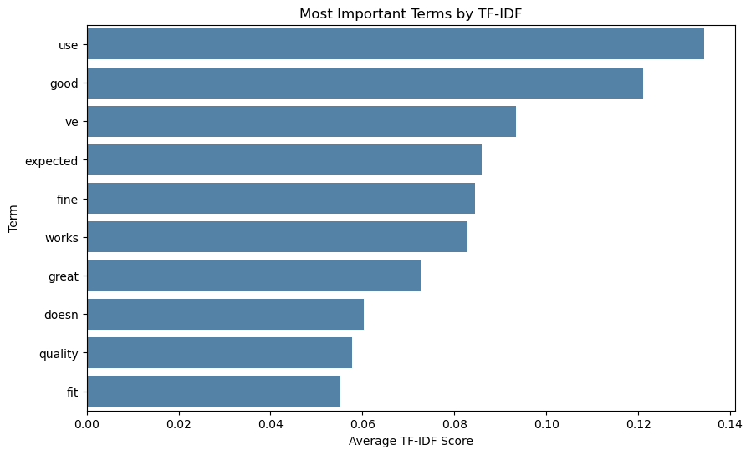
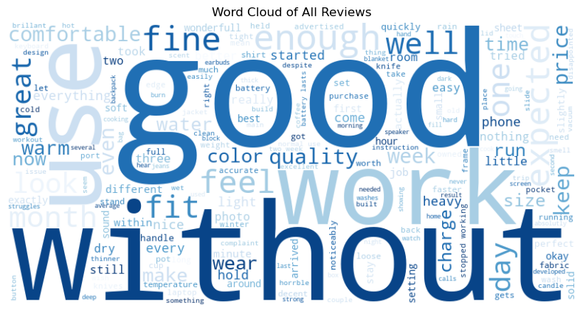
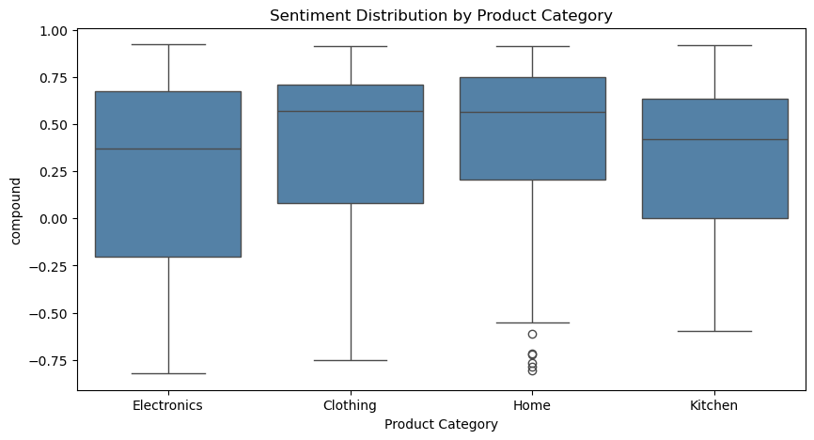
product_category | product_name | rating | review
Electronics | Adjustable Laptop Stand | 5 | Wonderfull purchase. My neck pain from working at a laptop all day disappeared within a week of using this stand. The aluminum construction feels solid and the hinge holds any angle I set it to without drifting. Folds flat for travel.
Clothing | Waterproof Rain Jacket | 2 | The jacket is water resistant at best, not waterproof as advertised. During a steady rain I got damp underneath within about 20 minutes. Fine for a quick dash to the car but not for extended outdoor use.
Home | Soy Wax Scented Candle | 4 | Lovely candle. The scent throw is good — I can smell it from the next room when it's been burning for a while. My only complaint is that the jar gets quite hot so I have to be careful where I place it.
Clothing | Travel Backpack | 5 | Speical backpack. Fits a ton of stuff for its size and the organization pockets are genuinely useful — I can find everything without digging. The laptop sleeve is padded enough to feel safe and the straps distribute weight evenly.
Clothing | Merino Wool Hiking Socks | 4 | Comfortable on long hikes. I haven't had any hot spots or blisters. They do take a while to dry if they get fully wet though.

review | review_clean
Wonderfull purchase. My neck pain from working at a laptop all day disappeared within a week of using this stand. The aluminum construction feels solid and the hinge holds any angle I set it to without drifting. Folds flat for travel. | wonderfull purchase. my neck pain from working at a laptop all day disappeared within a week of using this stand. the aluminum construction feels solid and the hinge holds any angle i set it to without drifting. folds flat for travel.
The jacket is water resistant at best, not waterproof as advertised. During a steady rain I got damp underneath within about 20 minutes. Fine for a quick dash to the car but not for extended outdoor use. | the jacket is water resistant at best, not waterproof as advertised. during a steady rain i got damp underneath within about 20 minutes. fine for a quick dash to the car but not for extended outdoor use.
Lovely candle. The scent throw is good — I can smell it from the next room when it's been burning for a while. My only complaint is that the jar gets quite hot so I have to be careful where I place it. | lovely candle. the scent throw is good — i can smell it from the next room when it's been burning for a while. my only complaint is that the jar gets quite hot so i have to be careful where i place it.

review_clean | compound | sentiment
wonderfull purchase. my neck pain from working at a laptop all day disappeared within a week of using this stand. the aluminum construction feels solid and the hinge holds any angle i set it to without drifting. folds flat for travel. | -0.56 | negative
the jacket is water resistant at best, not waterproof as advertised. during a steady rain i got damp underneath within about 20 minutes. fine for a quick dash to the car but not for extended outdoor use. | 0.46 | positive
lovely candle. the scent throw is good — i can smell it from the next room when it's been burning for a while. my only complaint is that the jar gets quite hot so i have to be careful where i place it. | 0.73 | positive
speical backpack. fits a ton of stuff for its size and the organization pockets are genuinely useful — i can find everything without digging. the laptop sleeve is padded enough to feel safe and the straps distribute weight evenly. | 0.70 | positive
comfortable on long hikes. i haven't had any hot spots or blisters. they do take a while to dry if they get fully wet though. | 0.51 | positive

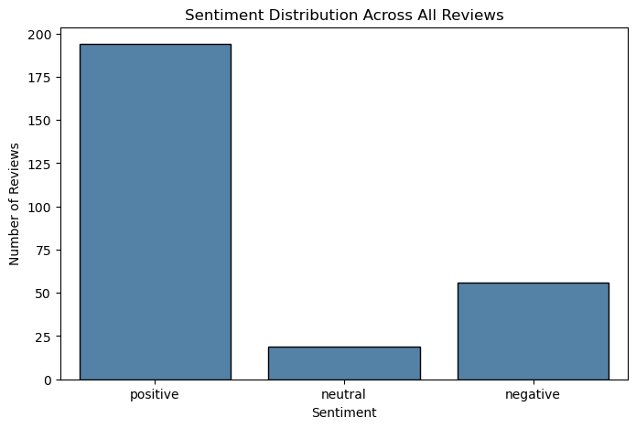

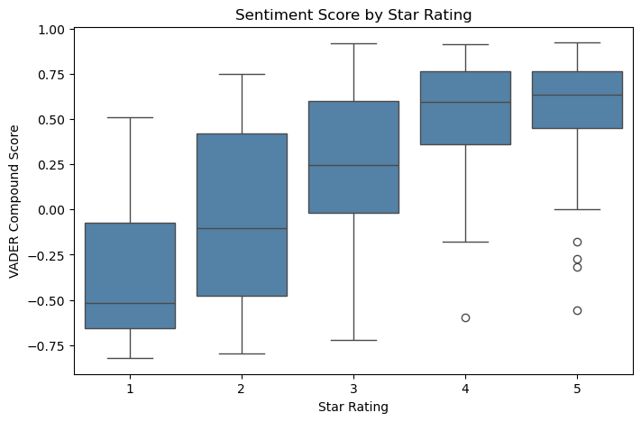

tokens
wonderfull
purchase
neck
pain
working
laptop
day
disappeared
within
week

word | count
good | 38
works | 26
enough | 21
without | 20
fine | 20
great | 18
use | 18
expected | 18
warm | 17
one | 16

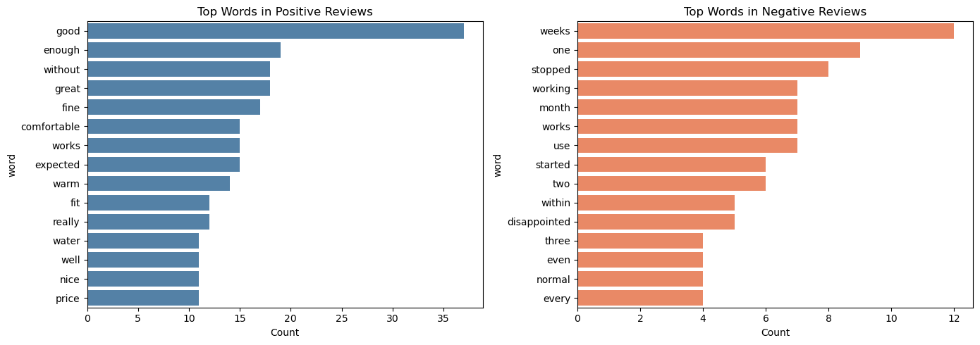

 | term | tfidf_score
7 | use | 0.134
4 | good | 0.121
8 | ve | 0.093
1 | expected | 0.086
2 | fine | 0.084
9 | works | 0.083
5 | great | 0.073
0 | doesn | 0.060
6 | quality | 0.058
3 | fit | 0.055

