eda
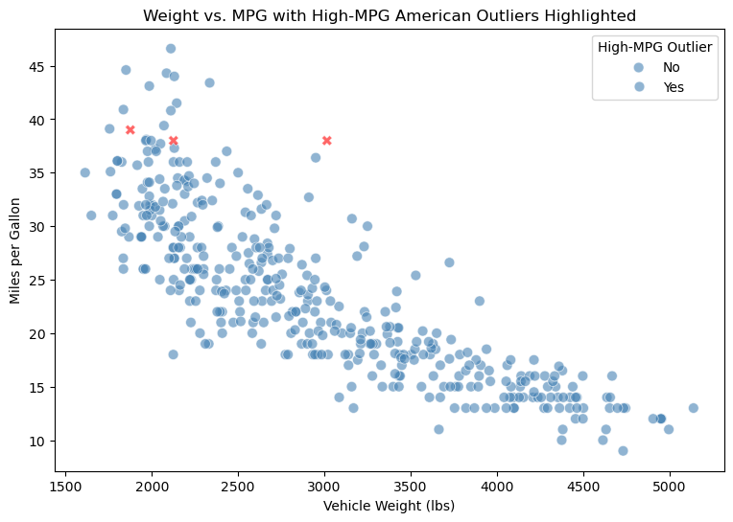
 | dtype | non_null | null_count | null_pct | unique
mpg | float64 | 398 | 0 | 0 | 129
cylinders | int64 | 398 | 0 | 0 | 5
displacement | float64 | 398 | 0 | 0 | 82
horsepower | float64 | 392 | 6 | 1.5 | 93
weight | int64 | 398 | 0 | 0 | 351
acceleration | float64 | 398 | 0 | 0 | 95
model_year | int64 | 398 | 0 | 0 | 13
origin | object | 398 | 0 | 0 | 3
name | object | 398 | 0 | 0 | 305

mpg | cylinders | displacement | horsepower | weight | acceleration | model_year | origin | name
18 | 8 | 307 | 130 | 3504 | 12 | 70 | usa | chevrolet chevelle malibu
15 | 8 | 350 | 165 | 3693 | 11.5 | 70 | usa | buick skylark 320
18 | 8 | 318 | 150 | 3436 | 11 | 70 | usa | plymouth satellite
16 | 8 | 304 | 150 | 3433 | 12 | 70 | usa | amc rebel sst
17 | 8 | 302 | 140 | 3449 | 10.5 | 70 | usa | ford torino

Before: 398 rows, After: 392 rows, Removed: 6

Median horsepower: 93.5, Missing after fill: 0

name | model_year | era
chevrolet chevelle malibu | 70 | Early 1970s
buick skylark 320 | 70 | Early 1970s
plymouth satellite | 70 | Early 1970s
amc rebel sst | 70 | Early 1970s
ford torino | 70 | Early 1970s

origin | power_to_weight
europe | 33.69
japan | 35.7
usa | 34.97

cylinders | 3 | 4 | 5 | 6 | 8
origin
europe | 0 | 63 | 3 | 4 | 0
japan | 4 | 69 | 0 | 6 | 0
usa | 0 | 72 | 0 | 74 | 103

cylinders | 3 | 4 | 5 | 6 | 8
origin
europe | 0.00% | 90.00% | 4.30% | 5.70% | 0.00%
japan | 5.10% | 87.30% | 0.00% | 7.60% | 0.00%
usa | 0.00% | 28.90% | 0.00% | 29.70% | 41.40%

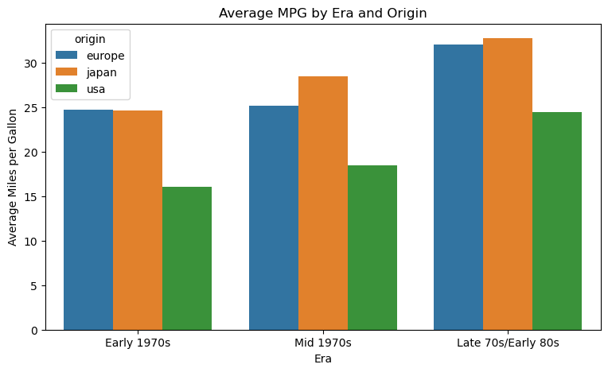

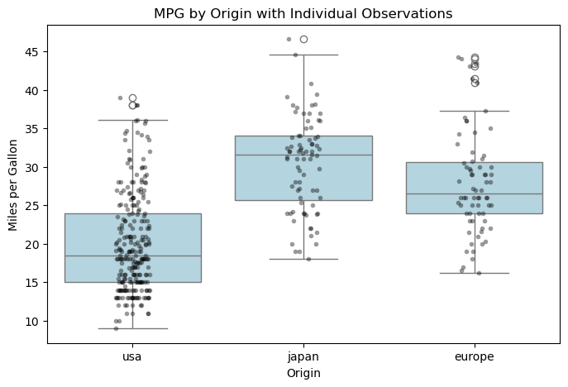

 | name | mpg | cylinders | horsepower | weight | model_year
344 | plymouth champ | 39 | 4 | 64 | 1875 | 81
378 | plymouth horizon miser | 38 | 4 | 63 | 2125 | 82
387 | oldsmobile cutlass ciera (diesel) | 38 | 6 | 85 | 3015 | 82

