stats
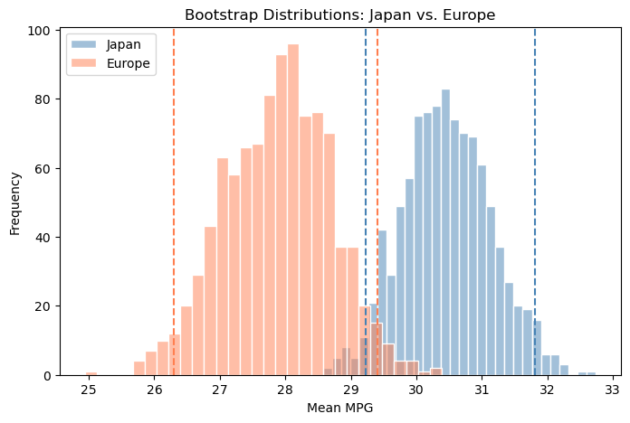
 | count | mean | std | min | 25% | 50% | 75% | max
origin
europe | 70 | 27.89 | 6.72 | 16.20 | 24.00 | 26.50 | 30.65 | 44.30
japan | 79 | 30.45 | 6.09 | 18.00 | 25.70 | 31.60 | 34.05 | 46.60
usa | 249 | 20.08 | 6.40 | 9.00 | 15.00 | 18.50 | 24.00 | 39.00

Test statistic | p-value | Asia mean | Europe mean | Difference
2.4378 | 0.016 | 30.45 | 27.89 | 2.56

Cohen's d (effect size): 0.4002

F-statistic | p-value | USA mean | Europe mean | Japan mean
98.54 | 0.0 | 20.08 | 27.89 | 30.45

group1 | group2 | meandiff | p-adj | lower | upper | reject
europe | japan | 2.5592 | 0.0404 | 0.0877 | 5.0307 | TRUE
europe | usa | -7.8079 | 0 | -9.8448 | -5.771 | TRUE
japan | usa | -10.3671 | 0 | -12.3114 | -8.4228 | TRUE

origin | cylinders | engine_size | count
usa | 8 | Large (8) | 103
usa | 6 | Medium (5-6) | 74
usa | 4 | Small (3-4) | 72
japan | 4 | Small (3-4) | 69
europe | 4 | Small (3-4) | 63
japan | 6 | Medium (5-6) | 6
europe | 6 | Medium (5-6) | 4
japan | 3 | Small (3-4) | 4
europe | 5 | Medium (5-6) | 3

engine_size | Small (3-4) | Medium (5-6) | Large (8)
origin
europe | 63 | 7 | 0
japan | 73 | 6 | 0
usa | 72 | 74 | 103

Chi-square statistic | p-value | Degrees of freedom
149.93 | 0.0 | 4

Cramér's V: 0.43

0

Original mean | 95% CI lower | 95% CI upper | CI width
30.45 | 29.08 | 31.94 | 2.86

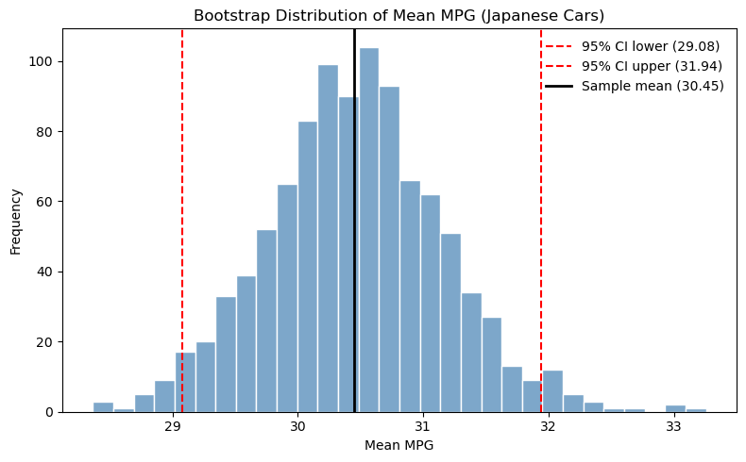

Group | Mean | CI Lower (2.5%) | CI Upper (97.5%)
Japan | 30.45 | 29.23 | 31.81
Europe | 27.89 | 26.30 | 29.41

