regression
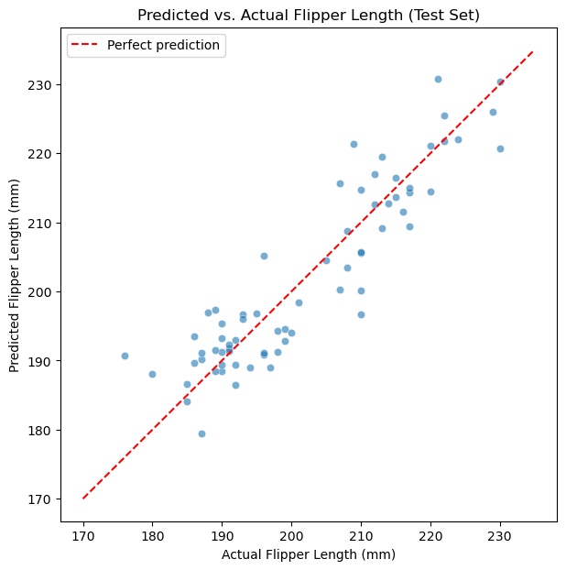
 | species | island | bill_length_mm | bill_depth_mm | flipper_length_mm | body_mass_g | sex
0 | Adelie | Torgersen | 39.1 | 18.7 | 181 | 3750 | Male
1 | Adelie | Torgersen | 39.5 | 17.4 | 186 | 3800 | Female
2 | Adelie | Torgersen | 40.3 | 18 | 195 | 3250 | Female
4 | Adelie | Torgersen | 36.7 | 19.3 | 193 | 3450 | Female
5 | Adelie | Torgersen | 39.3 | 20.6 | 190 | 3650 | Male
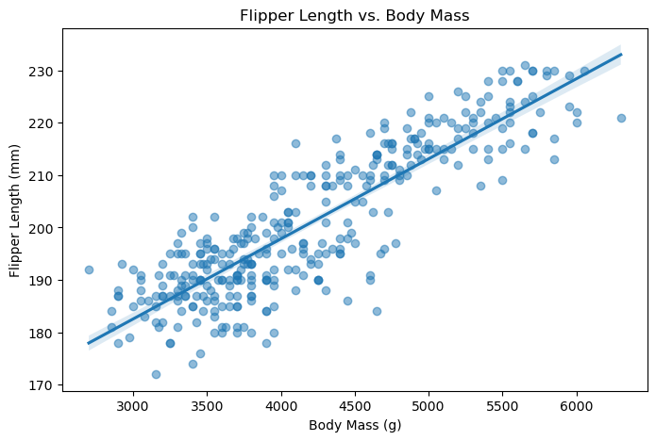

 | const | body_mass_g
0 | 1 | 3750
1 | 1 | 3800
2 | 1 | 3250
4 | 1 | 3450
5 | 1 | 3650

 | Coef. | Std.Err. | t | P>|t| | [0.025 | 0.975]
const | 136.73 | 2.00 | 68.47 | 0.00 | 132.80 | 140.66
body_mass_g | 0.02 | 0.00 | 32.72 | 0.00 | 0.01 | 0.02

 | Coef. | Std.Err. | t | P>|t| | [0.025 | 0.975]
const | 157.78594229 | 4.6261270238 | 34.107568054 | 1.7980989463E-111 | 148.68631661 | 166.88556796
body_mass_g | 0.010925613624 | 0.00053838729154 | 20.293223475 | 1.9316462648E-60 | 0.0098666018851 | 0.011984625362
bill_length_mm | 0.5922731041 | 0.071733108603 | 8.2566211842 | 3.4163878761E-15 | 0.45117355506 | 0.73337265314
bill_depth_mm | -1.6786762055 | 0.18077083516 | -9.2862114843 | 1.994798874E-18 | -2.0342537598 | -1.3230986512

Predicted flipper length: 205.1 mm

is_gentoo | count
0 | 219
1 | 123

 | Coef. | Std.Err. | z | P>|z| | [0.025 | 0.975]
const | -28.41806042 | 3.6096409012 | -7.8728220336 | 3.4672971354E-15 | -35.492826584 | -21.343294257
body_mass_g | 0.0063708851979 | 0.00081316878295 | 7.8346406446 | 4.7018550222E-15 | 0.0047771036699 | 0.0079646667258

 | odds_ratio
const | 4.5519048279E-13
body_mass_g | 1.0063912225

TRAIN TEST SPLIT

Training set: 273 rows, Test set: 69 rows

Mean Absolute Error on test set: 4.44 mm

Test set accuracy: 100.0%, Correct: 69 out of 69

