passengers_ts
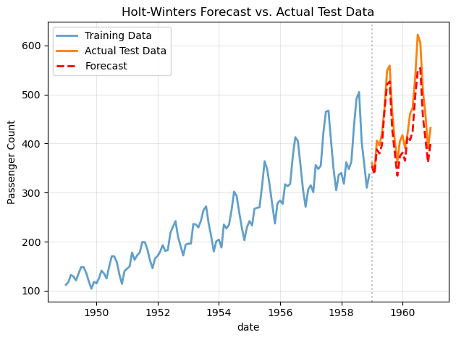
 | passengers
date
17899 | 112
17930 | 118
17958 | 132
17989 | 129
18019 | 121

 | passengers
date
17988 | 362
18079 | 385
18171 | 432
18263 | 341
18353 | 382

date | trend
17899 | #NUM!
17930 | #NUM!
17958 | #NUM!
17989 | #NUM!
18019 | #NUM!
18050 | #NUM!
18080 | 126.79166667
18111 | 127.25
18142 | 127.95833333
18172 | 128.58333333
18203 | 129
18233 | 129.75
18264 | 131.25
18295 | 133.08333333
18323 | 134.91666667

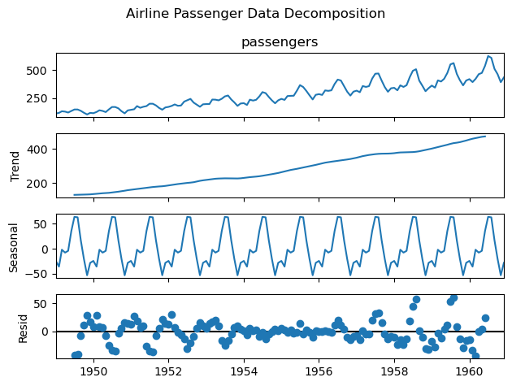

date
17899 | 111.95999796
17930 | 120.1933366
17958 | 134.67683545
17989 | 131.40726346
18019 | 124.64374308
18050 | 140.42724552
18080 | 153.85808679
18111 | 152.43641771
18142 | 139.68358943
18172 | 122.38855242

22282
22313
22341
22372
22402

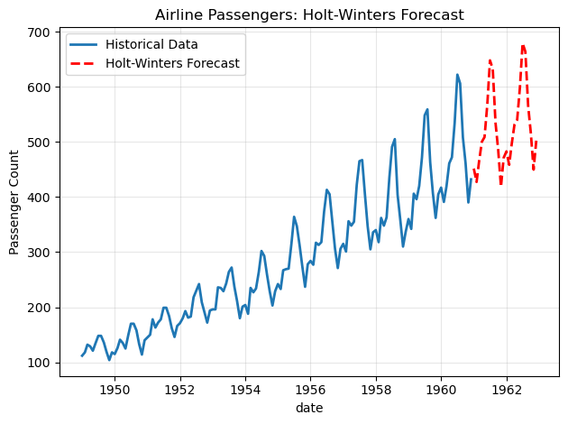

Metric | Value
Test Statistic | 0.81536887921
p-value | 0.99188024344

21551 | 354.17364148
21582 | 337.57319653
21610 | 387.77444486
21641 | 379.77500904
21671 | 397.21314538

Mean Absolute Error: 31.07

Actual | Forecast | Error
360 | 354.17364148 | 5.8263585243
342 | 337.57319653 | 4.4268034698
406 | 387.77444486 | 18.225555137
396 | 379.77500904 | 16.224990956
420 | 397.21314538 | 22.786854625
472 | 468.87706029 | 3.122939713
548 | 520.42527546 | 27.574724543
559 | 526.51011146 | 32.489888535
463 | 427.87427735 | 35.125722653
407 | 381.94210182 | 25.057898181
362 | 334.44886907 | 27.551130934
405 | 373.58301312 | 31.416986876

115.25

Metric | Value
Holt-Winters MAE | 31.07
Baseline MAE | 115.25
Improvement (%) | 73.04

shampoo_ts
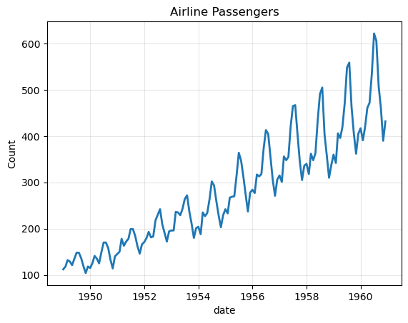
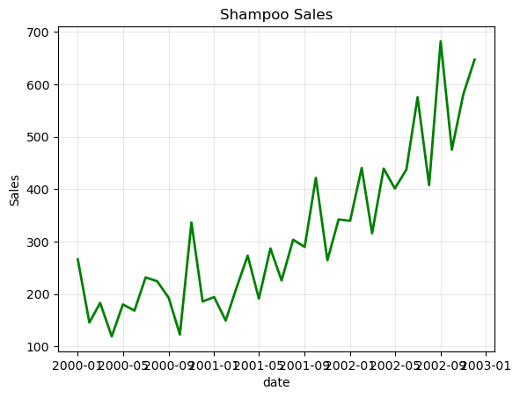
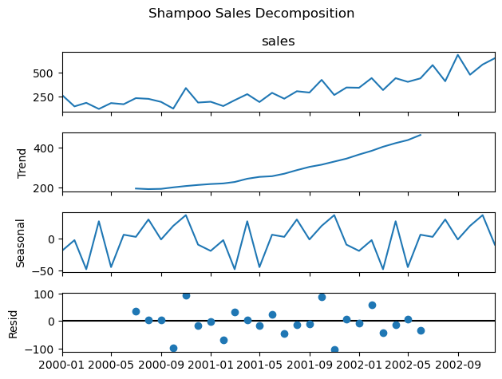
 | sales
date
36526 | 266
36557 | 145.9
36586 | 183.1
36617 | 119.3
36647 | 180.3

