Sheet1
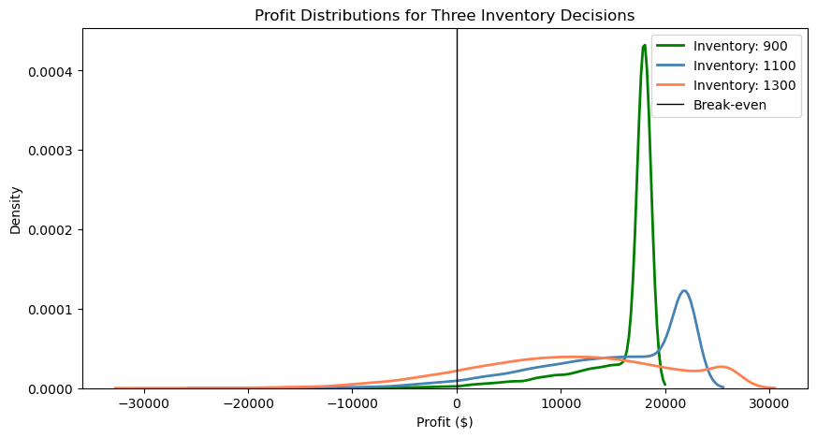
54
46
39
47
51

Mean heads per 100 flips: 49.98, Std dev: 5.01

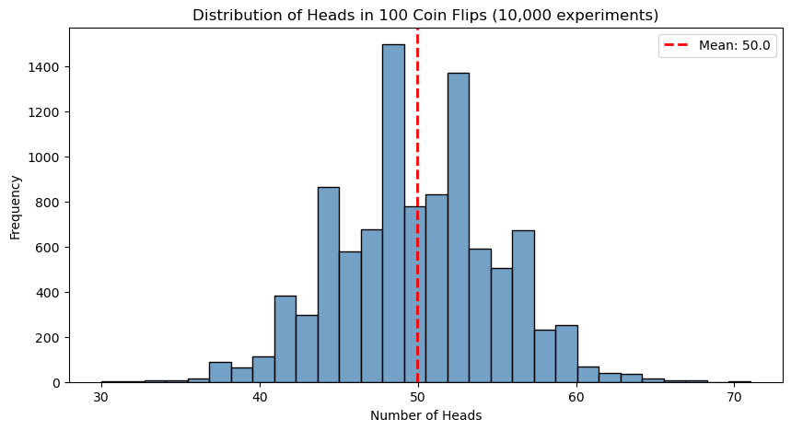

1094.2870327
761.80486106
1286.5413937
937.46962078
855.88225333

21714.351637
5090.2430529
22000
13873.481039
9794.1126663

Metric | Value
Mean Profit | $15152
Median Profit | $17181
10th Percentile | $4191
90th Percentile | $22000
Probability of Loss | 4.55%

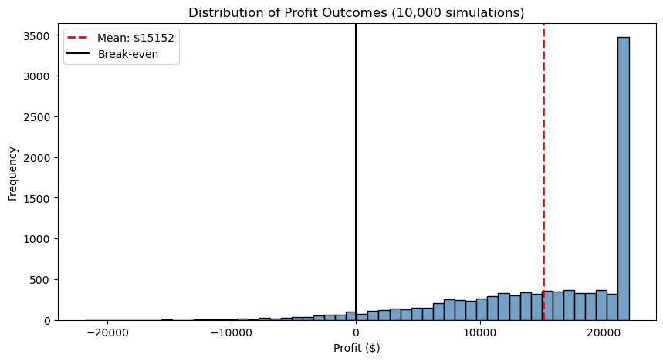

Probability of profit > $18,000: 46.6%

Inventory | Mean Profit | Median Profit | 10th Pctile | 90th Pctile | Prob of Loss
900 | 16007 | 18000 | 10077 | 18000 | 1.1%
1100 | 14998 | 16974 | 4077 | 22000 | 4.6%
1300 | 10681 | 10974 | -1923 | 23813 | 13.5%

