passengers_ts
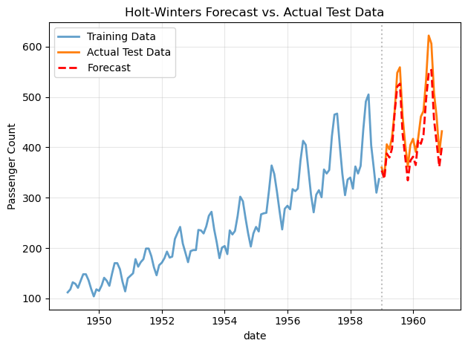
 | passengers
date
17899 | 112
17930 | 118
17958 | 132
17989 | 129
18019 | 121

 | passengers
date
17988 | 120.67
18079 | 128.33
18171 | 144.00
18263 | 113.67
18353 | 127.33

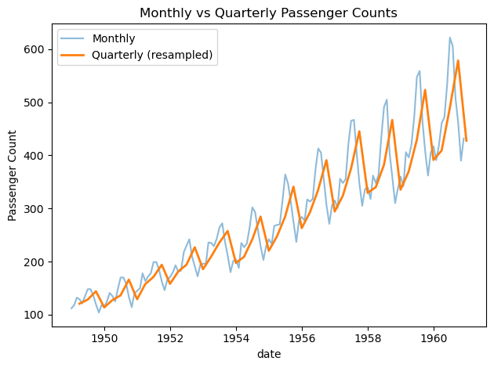

 | passengers | rolling_mean
date
17899 | 112 | #NUM!
17930 | 118 | #NUM!
17958 | 132 | #NUM!
17989 | 129 | #NUM!
18019 | 121 | #NUM!
18050 | 135 | #NUM!
18080 | 148 | #NUM!
18111 | 148 | #NUM!
18142 | 136 | #NUM!
18172 | 119 | #NUM!
18203 | 104 | #NUM!
18233 | 118 | 126.67

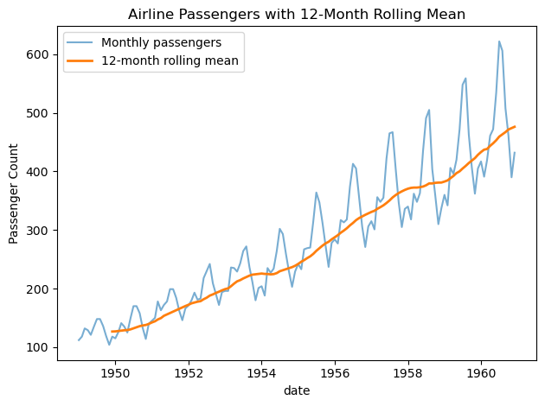

date | trend
17899 | #NUM!
17930 | #NUM!
17958 | #NUM!
17989 | #NUM!
18019 | #NUM!
18050 | #NUM!
18080 | 126.79
18111 | 127.25
18142 | 127.96
18172 | 128.58
18203 | 129.00
18233 | 129.75
18264 | 131.25
18295 | 133.08
18323 | 134.92

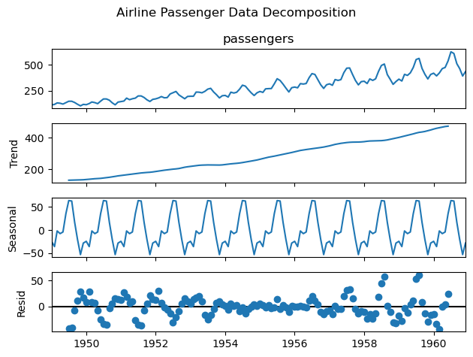

 | passengers | fitted
date
17899 | 112.00 | 111.95999796
17930 | 118.00 | 120.1933366
17958 | 132.00 | 134.67683545
17989 | 129.00 | 131.40726346
18019 | 121.00 | 124.64374308
18050 | 135.00 | 140.42724552
18080 | 148.00 | 153.85808679
18111 | 148.00 | 152.43641771
18142 | 136.00 | 139.68358943
18172 | 119 | 122.38855242

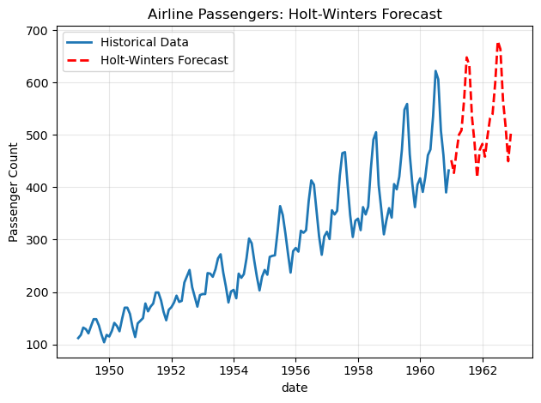

 | passengers | forecast
date
21551 | 360.00 | 354.17364148
21582 | 342.00 | 337.57319653
21610 | 406.00 | 387.77444486
21641 | 396 | 379.77500904
21671 | 420 | 397.21314538

Mean Absolute Error: 31.07

Actual | Forecast | Error
360 | 354.17 | 5.83
342 | 337.57 | 4.43
406 | 387.77 | 18.23
396 | 379.78 | 16.22
420 | 397.21 | 22.79
472 | 468.88 | 3.12
548 | 520.43 | 27.57
559 | 526.51 | 32.49
463 | 427.87 | 35.13
407 | 381.94 | 25.06
362 | 334.45 | 27.55
405 | 373.58 | 31.42

Baseline MAE: 115.25

Metric | Value
Holt-Winters MAE | 31.07
Baseline MAE | 115.25
Improvement (%) | 73.04

shampoo_ts
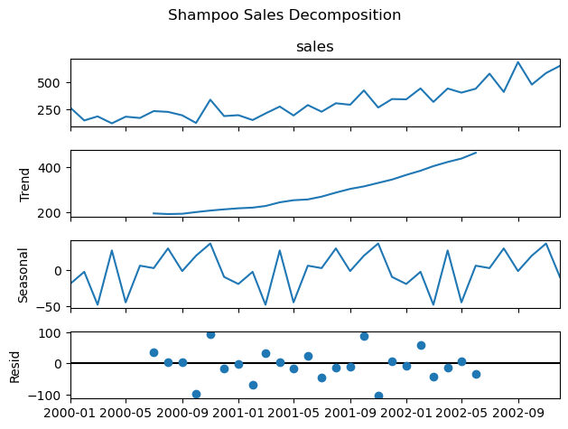
 | sales
date
36526 | 266
36557 | 145.9
36586 | 183.1
36617 | 119.3
36647 | 180.3

