Sheet1
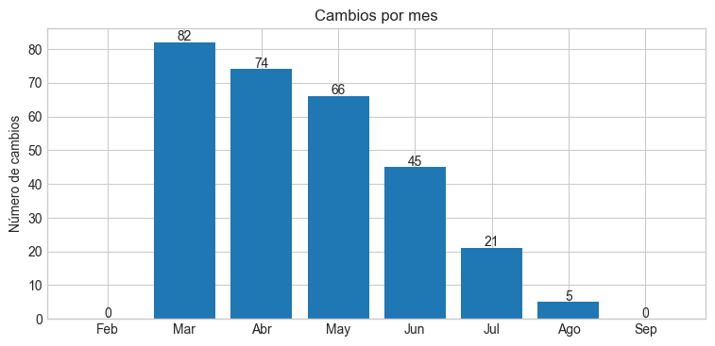
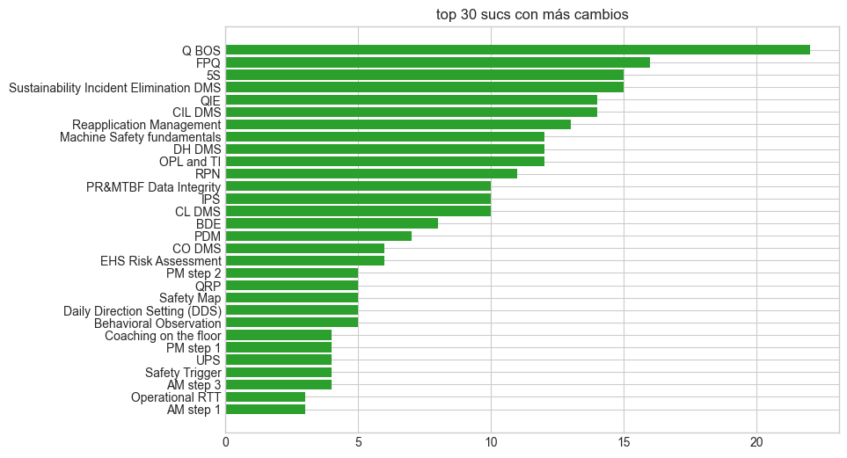
Change_Type | Employee | Month | Competency | Conteo
1 → 2 | Barajas Omar | May | Q BOS | 2
1 → 2 | Farias Villalvazo Julio Cesar | Mar | Machine Safety fundamentals | 2
1 → 2 | Aguilar Pedro | Mar | Coaching on the floor | 1
1 → 2 | Baltazar Andres | Mar | Coaching on the floor | 1
1 → 2 | Baltazar Andres | Mar | ET Training Basic | 1
1 → 2 | Baltazar Andres | Mar | Machine Safety fundamentals | 1
1 → 2 | Baltazar Andres | Mar | Safety Map | 1
1 → 2 | Barajas Omar | Abr | PR&MTBF Data Integrity | 1
1 → 2 | Barajas Omar | Abr | RPN | 1
1 → 2 | Barajas Omar | Abr | UPS | 1
1 → 2 | Barajas Omar | Jul | Reapplication Management | 1
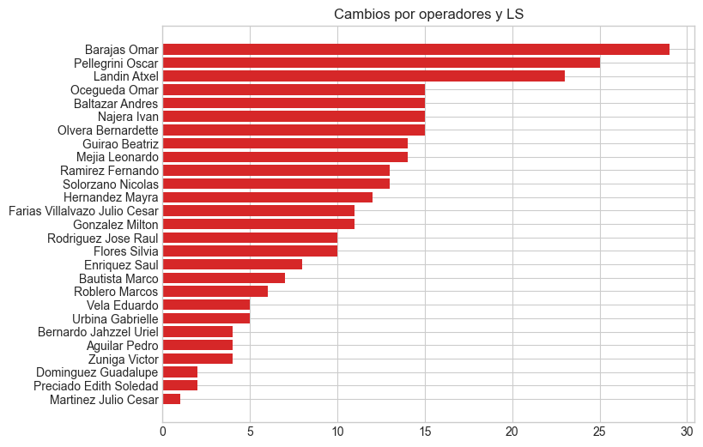
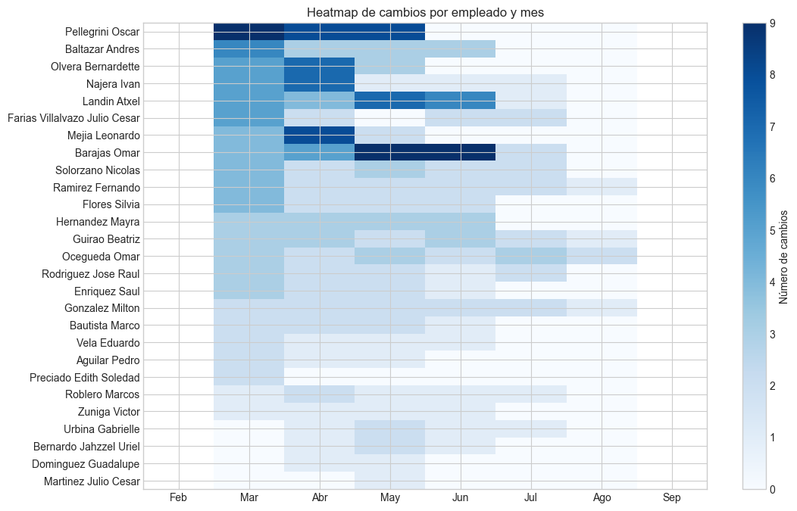
1 → 2 | Barajas Omar | Jul | Sustainability Incident Elimination DMS | 1
1 → 2 | Barajas Omar | Jun | AM step 1 | 1
1 → 2 | Barajas Omar | Jun | FPQ | 1
1 → 2 | Barajas Omar | Jun | Operational RTT | 1
1 → 2 | Barajas Omar | Jun | Run To Target (RTT) | 1
1 → 2 | Barajas Omar | Jun | UPS | 1
1 → 2 | Barajas Omar | Mar | CO DMS | 1
1 → 2 | Barajas Omar | Mar | EHS Risk Assessment | 1
1 → 2 | Barajas Omar | Mar | Machine Safety fundamentals | 1
1 → 2 | Barajas Omar | Mar | PDM | 1
1 → 2 | Barajas Omar | May | High Risk Management | 1
1 → 2 | Barajas Omar | May | IOS OVERVIEW | 1
1 → 2 | Barajas Omar | May | Machine Safety fundamentals | 1
1 → 2 | Barajas Omar | May | Maintenance Cost Management | 1
1 → 2 | Barajas Omar | May | Parts and Supplies | 1
1 → 2 | Bautista Marco | Abr | FPQ | 1
1 → 2 | Bautista Marco | Mar | Q BOS | 1
1 → 2 | Bautista Marco | Mar | RPN | 1
1 → 2 | Enriquez Saul | Mar | Machine Safety fundamentals | 1
1 → 2 | Enriquez Saul | Mar | Sustainability Incident Elimination DMS | 1
1 → 2 | Enriquez Saul | Mar | Sustainability Incident Management | 1
1 → 2 | Farias Villalvazo Julio Cesar | Mar | EHS Risk Assessment | 1
1 → 2 | Farias Villalvazo Julio Cesar | Mar | PR&MTBF Data Integrity | 1
1 → 2 | Farias Villalvazo Julio Cesar | Mar | RPN | 1
1 → 2 | Flores Silvia | Mar | EHS Pillar overview | 1
1 → 2 | Flores Silvia | Mar | Job Safety Analysis | 1
1 → 2 | Flores Silvia | Mar | Q BOS | 1
1 → 2 | Gonzalez Milton | Mar | Machine Safety fundamentals | 1
1 → 2 | Guirao Beatriz | Mar | PDM | 1
1 → 2 | Guirao Beatriz | Mar | PR&MTBF Data Integrity | 1
1 → 2 | Guirao Beatriz | Mar | RPN | 1
1 → 2 | Hernandez Mayra | Abr | QRP | 1
1 → 2 | Hernandez Mayra | Mar | Behavioral Observation | 1
1 → 2 | Hernandez Mayra | Mar | Coaching on the floor | 1
1 → 2 | Hernandez Mayra | Mar | High Risk Management | 1
1 → 2 | Landin Atxel | Abr | PM step 1 | 1
1 → 2 | Landin Atxel | Abr | PM step 2 | 1
1 → 2 | Landin Atxel | Abr | PR&MTBF Data Integrity | 1
1 → 2 | Landin Atxel | Abr | RPN | 1
1 → 2 | Landin Atxel | Jun | DH DMS | 1
1 → 2 | Landin Atxel | Jun | FPQ | 1
1 → 2 | Landin Atxel | Jun | Operational RTT | 1
1 → 2 | Landin Atxel | Jun | QIE | 1
1 → 2 | Landin Atxel | Jun | Sustainability Incident Elimination DMS | 1
1 → 2 | Landin Atxel | Mar | AM Overview | 1
1 → 2 | Landin Atxel | Mar | CO DMS | 1
1 → 2 | Landin Atxel | Mar | Machine Safety fundamentals | 1
1 → 2 | Landin Atxel | Mar | PDM | 1
1 → 2 | Landin Atxel | Mar | PM overview | 1
1 → 2 | Landin Atxel | May | AM step 1 | 1
1 → 2 | Landin Atxel | May | AM step 2 | 1
1 → 2 | Landin Atxel | May | AM step 3 | 1
1 → 2 | Landin Atxel | May | BDE | 1
1 → 2 | Landin Atxel | May | Reapplication Management | 1
1 → 2 | Mejia Leonardo | Abr | OPL and TI | 1
1 → 2 | Mejia Leonardo | Abr | Operational RTT | 1
1 → 2 | Mejia Leonardo | Abr | PR&MTBF Data Integrity | 1
1 → 2 | Mejia Leonardo | Abr | QIE | 1
1 → 2 | Mejia Leonardo | Abr | RPN | 1
1 → 2 | Mejia Leonardo | Abr | Sustainability Incident Elimination DMS | 1
1 → 2 | Mejia Leonardo | Abr | UPS | 1
1 → 2 | Mejia Leonardo | Mar | Daily Direction Setting (DDS) | 1
1 → 2 | Mejia Leonardo | Mar | PDM | 1
1 → 2 | Mejia Leonardo | Mar | PM step 1 | 1
1 → 2 | Mejia Leonardo | Mar | PM step 2 | 1
1 → 2 | Najera Ivan | Abr | PDM | 1
1 → 2 | Najera Ivan | Abr | PM overview | 1
1 → 2 | Najera Ivan | Abr | PM step 1 | 1
1 → 2 | Najera Ivan | Abr | PM step 2 | 1
1 → 2 | Najera Ivan | Abr | PR&MTBF Data Integrity | 1
1 → 2 | Najera Ivan | Abr | RPN | 1
1 → 2 | Najera Ivan | Abr | UPS | 1
1 → 2 | Najera Ivan | Mar | AM Overview | 1
1 → 2 | Najera Ivan | Mar | CO DMS | 1
1 → 2 | Najera Ivan | Mar | Daily Direction Setting (DDS) | 1
1 → 2 | Najera Ivan | Mar | EHS Risk Assessment | 1
1 → 2 | Najera Ivan | Mar | Machine Safety fundamentals | 1
1 → 2 | Ocegueda Omar | Mar | EHS Risk Assessment | 1
1 → 2 | Ocegueda Omar | Mar | PR&MTBF Data Integrity | 1
1 → 2 | Ocegueda Omar | Mar | RPN | 1
1 → 2 | Olvera Bernardette | Mar | Loss Analysis | 1
1 → 2 | Pellegrini Oscar | Abr | Environmental Fundamentals | 1
1 → 2 | Pellegrini Oscar | Abr | IOS OVERVIEW | 1
1 → 2 | Pellegrini Oscar | Abr | PM step 2 | 1
1 → 2 | Preciado Edith Soledad | Mar | Coaching on the floor | 1
1 → 2 | Preciado Edith Soledad | Mar | High Risk Management | 1
1 → 2 | Ramirez Fernando | Mar | EHS Risk Assessment | 1
1 → 2 | Ramirez Fernando | Mar | Machine Safety fundamentals | 1
1 → 2 | Ramirez Fernando | Mar | PR&MTBF Data Integrity | 1
1 → 2 | Ramirez Fernando | Mar | Sustainability Incident Elimination DMS | 1
1 → 2 | Rodriguez Jose Raul | Mar | EHS Risk Assessment | 1
1 → 2 | Rodriguez Jose Raul | Mar | Machine Safety fundamentals | 1
1 → 2 | Rodriguez Jose Raul | Mar | PR&MTBF Data Integrity | 1
1 → 2 | Solorzano Nicolas | Mar | AM step 3 | 1
1 → 2 | Solorzano Nicolas | Mar | PM step 1 | 1
1 → 2 | Solorzano Nicolas | Mar | PM step 2 | 1
1 → 2 | Solorzano Nicolas | Mar | Q BOS | 1
1 → 2 | Vela Eduardo | Mar | Q BOS | 1
1 → 2 | Vela Eduardo | Mar | RPN | 1
1 → 2 | Zuniga Victor | Mar | Q BOS | 1
1 → 3 | Guirao Beatriz | Jul | Sustainability Incident Elimination DMS | 1
1 → 3 | Hernandez Mayra | Jun | Safety Map | 1
1 → 3 | Hernandez Mayra | Jun | Safety Trigger | 1
1 → 3 | Mejia Leonardo | Abr | Q BOS | 1
1 → 3 | Najera Ivan | Jul | CIL DMS | 1
1 → 3 | Najera Ivan | Jun | Q BOS | 1
1 → 3 | Najera Ivan | May | OPL and TI | 1
1 → 3 | Pellegrini Oscar | Abr | AM step 1 | 1
1 → 3 | Pellegrini Oscar | Abr | AM step 2 | 1
1 → 3 | Pellegrini Oscar | Abr | AM step 3 | 1
1 → 3 | Pellegrini Oscar | Abr | Behavioral Observation | 1
1 → 3 | Pellegrini Oscar | May | Daily Direction Setting (DDS) | 1
1 → 3 | Pellegrini Oscar | May | FPQ | 1
1 → 3 | Pellegrini Oscar | May | Loss Analysis | 1
1 → 3 | Pellegrini Oscar | May | OPL and TI | 1
1 → 3 | Pellegrini Oscar | May | Q BOS | 1
1 → 3 | Pellegrini Oscar | May | QIE | 1
1 → 3 | Pellegrini Oscar | May | Qualification Process and Skills Management System | 1
1 → 3 | Pellegrini Oscar | May | RPN | 1
2 → 3 | Barajas Omar | Abr | DH DMS | 2
2 → 3 | Barajas Omar | Jun | CL DMS | 2
2 → 3 | Barajas Omar | Jun | IPS | 2
2 → 3 | Barajas Omar | May | CIL DMS | 2
2 → 3 | Farias Villalvazo Julio Cesar | Abr | BDE | 2
2 → 3 | Farias Villalvazo Julio Cesar | Jun | CIL DMS | 2
2 → 3 | Ocegueda Omar | Abr | OPL and TI | 2
2 → 3 | Ocegueda Omar | Ago | IPS | 2
2 → 3 | Ocegueda Omar | Jul | DH DMS | 2
2 → 3 | Ocegueda Omar | Jun | CIL DMS | 2
2 → 3 | Ocegueda Omar | May | CL DMS | 2
2 → 3 | Rodriguez Jose Raul | Abr | FPQ | 2
2 → 3 | Aguilar Pedro | Abr | Safety Map | 1
2 → 3 | Aguilar Pedro | Mar | QRP | 1
2 → 3 | Aguilar Pedro | May | Safety Trigger | 1
2 → 3 | Baltazar Andres | Abr | CO DMS | 1
2 → 3 | Baltazar Andres | Abr | IPS | 1
2 → 3 | Baltazar Andres | Abr | Kaizen | 1
2 → 3 | Baltazar Andres | Jun | Reapplication Management | 1
2 → 3 | Baltazar Andres | Jun | Safety Map | 1
2 → 3 | Baltazar Andres | Jun | Safety Trigger | 1
2 → 3 | Baltazar Andres | Mar | 5S | 1
2 → 3 | Baltazar Andres | Mar | CL DMS | 1
2 → 3 | Baltazar Andres | May | Daily Direction Setting (DDS) | 1
2 → 3 | Baltazar Andres | May | FPQ | 1
2 → 3 | Baltazar Andres | May | Q BOS | 1
2 → 3 | Bautista Marco | Abr | 5S | 1
2 → 3 | Bautista Marco | Jun | QIE | 1
2 → 3 | Bautista Marco | May | FPQ | 1
2 → 3 | Bautista Marco | May | Q BOS | 1
2 → 3 | Bernardo Jahzzel Uriel | Abr | FPQ | 1
2 → 3 | Bernardo Jahzzel Uriel | Jun | QIE | 1
2 → 3 | Bernardo Jahzzel Uriel | May | DH DMS | 1
2 → 3 | Bernardo Jahzzel Uriel | May | Q BOS | 1
2 → 3 | Dominguez Guadalupe | Abr | Reapplication Management | 1
2 → 3 | Dominguez Guadalupe | May | Sustainability Incident Elimination DMS | 1
2 → 3 | Enriquez Saul | Abr | AM step 2 | 1
2 → 3 | Enriquez Saul | Abr | AM step 3 | 1
2 → 3 | Enriquez Saul | Jun | Sustainability Incident Management | 1
2 → 3 | Enriquez Saul | May | Machine Safety fundamentals | 1
2 → 3 | Enriquez Saul | May | Sustainability Incident Elimination DMS | 1
2 → 3 | Farias Villalvazo Julio Cesar | Jul | QIE | 1
2 → 3 | Farias Villalvazo Julio Cesar | Jul | Reapplication Management | 1
2 → 3 | Flores Silvia | Abr | IPS | 1
2 → 3 | Flores Silvia | Abr | Q BOS | 1
2 → 3 | Flores Silvia | Jun | FPQ | 1
2 → 3 | Flores Silvia | Jun | Sustainability Incident Elimination DMS | 1
2 → 3 | Flores Silvia | Mar | OPL and TI | 1
2 → 3 | Flores Silvia | May | QIE | 1
2 → 3 | Flores Silvia | May | Reapplication Management | 1
2 → 3 | Gonzalez Milton | Abr | 5S | 1
2 → 3 | Gonzalez Milton | Abr | CL DMS | 1
2 → 3 | Gonzalez Milton | Ago | BDE | 1
2 → 3 | Gonzalez Milton | Jul | DH DMS | 1
2 → 3 | Gonzalez Milton | Jul | Sustainability Incident Elimination DMS | 1
2 → 3 | Gonzalez Milton | Jun | QIE | 1
2 → 3 | Gonzalez Milton | Jun | Reapplication Management | 1
2 → 3 | Gonzalez Milton | Mar | OPL and TI | 1
2 → 3 | Gonzalez Milton | May | FPQ | 1
2 → 3 | Gonzalez Milton | May | Q BOS | 1
2 → 3 | Guirao Beatriz | Abr | DH DMS | 1
2 → 3 | Guirao Beatriz | Abr | OPL and TI | 1
2 → 3 | Guirao Beatriz | Abr | Q BOS | 1
2 → 3 | Guirao Beatriz | Ago | BDE | 1
2 → 3 | Guirao Beatriz | Jul | FPQ | 1
2 → 3 | Guirao Beatriz | Jun | 5S | 1
2 → 3 | Guirao Beatriz | Jun | QIE | 1
2 → 3 | Guirao Beatriz | Jun | Reapplication Management | 1
2 → 3 | Guirao Beatriz | May | CIL DMS | 1
2 → 3 | Guirao Beatriz | May | IPS | 1
2 → 3 | Hernandez Mayra | Abr | 5S | 1
2 → 3 | Hernandez Mayra | Abr | Behavioral Observation | 1
2 → 3 | Hernandez Mayra | Jun | QRP | 1
2 → 3 | Hernandez Mayra | May | FPQ | 1
2 → 3 | Hernandez Mayra | May | Q BOS | 1
2 → 3 | Hernandez Mayra | May | QIE | 1
2 → 3 | Landin Atxel | Jul | DH DMS | 1
2 → 3 | Landin Atxel | Jun | CL DMS | 1
2 → 3 | Landin Atxel | May | 5S | 1
2 → 3 | Landin Atxel | May | CIL DMS | 1
2 → 3 | Martinez Julio Cesar | May | 5S | 1
2 → 3 | Mejia Leonardo | May | 5S | 1
2 → 3 | Mejia Leonardo | May | CIL DMS | 1
2 → 3 | Ocegueda Omar | Jul | Behavioral Observation | 1
2 → 3 | Ocegueda Omar | May | 5S | 1
2 → 3 | Olvera Bernardette | Abr | CL DMS | 1
2 → 3 | Olvera Bernardette | Abr | DH DMS | 1
2 → 3 | Olvera Bernardette | Mar | PDM | 1
2 → 3 | Olvera Bernardette | Mar | Q BOS | 1
2 → 3 | Olvera Bernardette | Mar | QIE | 1
2 → 3 | Olvera Bernardette | Mar | RPN | 1
2 → 3 | Olvera Bernardette | May | CO DMS | 1
2 → 3 | Olvera Bernardette | May | Daily Direction Setting (DDS) | 1
2 → 3 | Olvera Bernardette | May | Sustainability Incident Management | 1
2 → 3 | Pellegrini Oscar | Abr | QRP | 1
2 → 3 | Pellegrini Oscar | Mar | 5 Steps improvement | 1
2 → 3 | Pellegrini Oscar | Mar | 5S | 1
2 → 3 | Pellegrini Oscar | Mar | CIL DMS | 1
2 → 3 | Pellegrini Oscar | Mar | CO DMS | 1
2 → 3 | Pellegrini Oscar | Mar | LGA | 1
2 → 3 | Pellegrini Oscar | Mar | PDM | 1
2 → 3 | Pellegrini Oscar | Mar | PR&MTBF Data Integrity | 1
2 → 3 | Ramirez Fernando | Abr | OPL and TI | 1
2 → 3 | Ramirez Fernando | Abr | Q BOS | 1
2 → 3 | Ramirez Fernando | Ago | BDE | 1
2 → 3 | Ramirez Fernando | Jul | Reapplication Management | 1
2 → 3 | Ramirez Fernando | Jul | Sustainability Incident Elimination DMS | 1
2 → 3 | Ramirez Fernando | Jun | FPQ | 1
2 → 3 | Ramirez Fernando | Jun | QIE | 1
2 → 3 | Ramirez Fernando | May | DH DMS | 1
2 → 3 | Ramirez Fernando | May | IPS | 1
2 → 3 | Roblero Marcos | Abr | 5S | 1
2 → 3 | Roblero Marcos | Abr | Reapplication Management | 1
2 → 3 | Roblero Marcos | Jul | BDE | 1
2 → 3 | Roblero Marcos | Jun | Sustainability Incident Elimination DMS | 1
2 → 3 | Roblero Marcos | Mar | OPL and TI | 1
2 → 3 | Roblero Marcos | May | DH DMS | 1
2 → 3 | Rodriguez Jose Raul | Jul | Qualification Process and Skills Management System | 1
2 → 3 | Rodriguez Jose Raul | Jul | Sustainability Incident Elimination DMS | 1
2 → 3 | Rodriguez Jose Raul | Jun | BDE | 1
2 → 3 | Rodriguez Jose Raul | May | 5S | 1
2 → 3 | Rodriguez Jose Raul | May | CIL DMS | 1
2 → 3 | Solorzano Nicolas | Abr | 5S | 1
2 → 3 | Solorzano Nicolas | Abr | Safety Map | 1
2 → 3 | Solorzano Nicolas | Jul | IPS | 1
2 → 3 | Solorzano Nicolas | Jul | Sustainability Incident Elimination DMS | 1
2 → 3 | Solorzano Nicolas | Jun | OPL and TI | 1
2 → 3 | Solorzano Nicolas | Jun | Reapplication Management | 1
2 → 3 | Solorzano Nicolas | May | FPQ | 1
2 → 3 | Solorzano Nicolas | May | Q BOS | 1
2 → 3 | Solorzano Nicolas | May | QIE | 1
2 → 3 | Urbina Gabrielle | Abr | OPL and TI | 1
2 → 3 | Urbina Gabrielle | Jul | CL DMS | 1
2 → 3 | Urbina Gabrielle | Jun | Q BOS | 1
2 → 3 | Urbina Gabrielle | May | 5S | 1
2 → 3 | Urbina Gabrielle | May | CIL DMS | 1
2 → 3 | Vela Eduardo | Abr | QIE | 1
2 → 3 | Vela Eduardo | Jun | FPQ | 1
2 → 3 | Vela Eduardo | May | Reapplication Management | 1
2 → 3 | Zuniga Victor | Abr | IPS | 1
2 → 3 | Zuniga Victor | Jun | Sustainability Incident Elimination DMS | 1
2 → 3 | Zuniga Victor | May | Q BOS | 1
2 → 4 | Olvera Bernardette | Abr | CIL DMS | 1
2 → 4 | Olvera Bernardette | Abr | QRP | 1
2 → 4 | Olvera Bernardette | Abr | Safety Trigger | 1
3 → 4 | Olvera Bernardette | Abr | 5S | 1
3 → 4 | Olvera Bernardette | Abr | Behavioral Observation | 1
3 → 4 | Pellegrini Oscar | Mar | CL DMS | 1
3 → 4 | Pellegrini Oscar | Mar | Reapplication Management | 1

