Filters-Tags
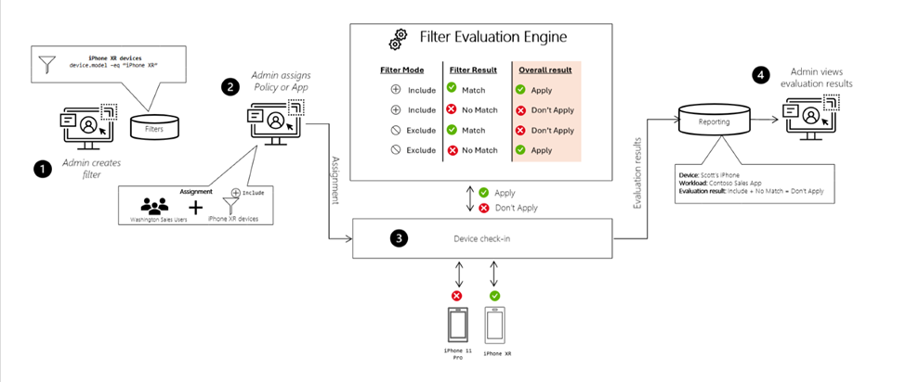
Windows | Android | iOS | Mac | Cloud PC | Notes
BYOD | BYOD | BYOD | BYOD | CPC Devices
COD | COD | COD | COD
 |  | Only Iphones
 |  | Only Iphones
Autopilot profile

Tags
Default will be used unless Customer request any isolation in console devices

