Dashboard
OLIST E-COMMERCE ANALYTICS
Interactive Sales & Customer Dashboard

Home
Dashboard

Average Delivery days TO Customer Pet-Shop
 | Total
Total | 11.733480154
Average price & Payment value - Sao Paulo
 | Average of price | Average of Payment Value
Total | 120.65373901 | 154.10038042
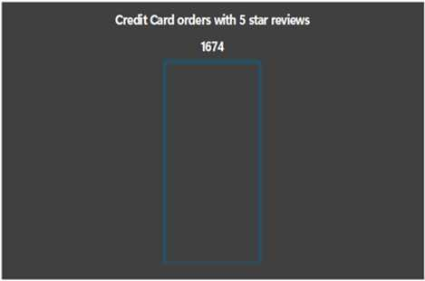

Product Category by Revenue
 | Total
agro_industry_and_commerce | 72530.47
air_conditioning | 55024.96
art | 24202.64
arts_and_craftmanship | 1814.01
audio | 50688.5
auto | 592720.11
baby | 411764.89
bed_bath_table | 1036988.68
books_general_interest | 46856.88
books_imported | 4639.85
books_technical | 19096.06
cds_dvds_musicals | 730
christmas_supplies | 8800.82
cine_photo | 6933.46
computers | 222963.13
computers_accessories | 911954.32
consoles_games | 157465.22
construction_tools_construction | 144677.59
construction_tools_lights | 41080
construction_tools_safety | 40544.52
cool_stuff | 635290.85
costruction_tools_garden | 25715.89
costruction_tools_tools | 15903.95
diapers_and_hygiene | 1567.59
drinks | 22428.7
dvds_blu_ray | 5999.39
electronics | 160246.74
fashio_female_clothing | 2803.64
fashion_bags_accessories | 152823.54
fashion_childrens_clothes | 569.85
fashion_male_clothing | 10797.82
fashion_shoes | 23562.77
fashion_sport | 2119.51
fashion_underwear_beach | 9541.55
fixed_telephony | 59583
flowers | 1110.04
food | 29393.41
food_drink | 15179.48
furniture_bedroom | 20028.78
furniture_decor | 729762.49
furniture_living_room | 68916.56
furniture_mattress_and_upholstery | 4368.08
garden_tools | 485256.46
health_beauty | 1258681.34
home_appliances | 80171.53
home_appliances_2 | 113317.74
home_comfort_2 | 760.27
home_confort | 58572.04
home_construction | 83088.12
housewares | 632248.66
...
Orders By Status
 | Total
Approved | 2
Canceled | 625
Created | 5
Delivered | 96478
Invoiced | 314
Processing | 301
Shipped | 1107
Unavailable | 609
Shiping days Vs Reviwe Score
 | Total
0 | 1.7724113968
1 | 4.4955470738
2 | 4.4783296425
3 | 4.4311688312
4 | 4.4257917615
5 | 4.3917614616
6 | 4.3813509545
7 | 4.3753596652
8 | 4.3536116045
9 | 4.3040305192
10 | 4.3089807555
11 | 4.2743484225
12 | 4.2717948718
13 | 4.2336065574
14 | 4.2199267782
15 | 4.2068203347
16 | 4.1346954219
17 | 4.1058425064
18 | 4.0624712908
19 | 4.0877483444
20 | 4.044057971
21 | 3.9612040134
22 | 3.8062913907
23 | 3.7395348837
24 | 3.6303418803
25 | 3.4668304668
26 | 3.4943342776
27 | 3.3456221198
28 | 3.0722891566
29 | 3.0811965812
30 | 2.9953051643
31 | 2.7637362637
32 | 2.5454545455
33 | 2.6433121019
34 | 2.4390243902
35 | 2.35
36 | 2.2876106195
37 | 2.0923076923
38 | 1.9018404908
39 | 2.0060606061
40 | 2.2285714286
41 | 1.8238993711
42 | 2.0769230769
43 | 2
44 | 1.7196261682
45 | 1.798245614
46 | 1.6421052632
47 | 1.5068493151
48 | 1.6666666667
49 | 1.4923076923
...

