driver performance analysis
Highest Performances Analysis
Top 6 Drivers with most deliveries |  |  |  | Top 5 Drivers with highest rating |  |  | Top 5 Drivers with highest total delivery cost | List of top driver performances
driver_name |  |  |  | driver_name |  |  | driver_name | driver_id
Ferriday |  |  |  | Adan |  |  | Guillou | d263cc82
Adney |  |  |  | Orrom |  |  | Ferriday | d963f392
Ezzell |  |  |  | Ferriday |  |  | Engley | d689vb78
Christaeas |  |  |  | Germain |  |  | Ezzell | d961zz31
Orrom |  |  |  | Onyon |  |  | Windmill | d874jz12
Windmill |  |  |  |  |  |  |  | d682x946
 |  |  |  |  |  |  |  | d332xt54
Top 5 Drivers with highest average delivery cost |  |  |  | Top 5 Drivers with heaviest delivery weight |  |  | Top 5 Drivers with longest trip | d064jh48
driver_name |  |  |  | driver_name |  |  | driver_name | d669p400
Baysting |  |  |  | Guillou |  |  | Guillou | d058da71
Engley |  |  |  | Engley |  |  | Engley | d532pn52
Guillou |  |  |  | Ferriday |  |  | Baysting | d630cs24
Lainton |  |  |  | Ezzell |  |  | Ezzell | d874jz12
Lotterington |  |  |  | Windmill |  |  | Ferriday | d263cc82
 |  |  |  |  |  |  |  | d9198x07
List of driver_id occurences (unique) |  |  | List of driver_id occurences (unique & sorted) |  |  |  |  | d418sm33
driver_id | total occurences |  | driver_name | driver_id | total occurences |  |  | d669p400
Highest Performance Score
d263cc82 | 5 |  | Ferriday | d263cc82 | 5 |  |  | d064jh48
d963f392 | 1 |  | Ezzell | d689vb78 | 4 |  |  | d263cc82
d689vb78 | 4 |  | Guillou | d669p400 | 4 |  |  | d689vb78
d961zz31 | 1 |  | Engley | d064jh48 | 4 |  |  | d682x946
d874jz12 | 2 |  | Windmill | d682x946 | 3 |  |  | d669p400
d682x946 | 3 |  | Orrom | d874jz12 | 2 |  |  | d263cc82
d332xt54 | 2 |  | Baysting | d332xt54 | 2 |  |  | d064jh48
d064jh48 | 4 |  | Adney | d963f392 | 1 |  |  | d689vb78
d669p400 | 4 |  | Christaeas | d961zz31 | 1 |  |  | d682x946
d058da71 | 1 |  | Germain | d9198x07 | 1 |  |  | d669p400
d532pn52 | 1 |  | Adan | d630cs24 | 1 | mangat |  | d064jh48
d630cs24 | 1 |  | Lotterington | d532pn52 | 1 |  |  | d332xt54
d9198x07 | 1 |  | Onyon | d418sm33 | 1 |  |  | d689vb78
d418sm33 | 1 |  | Lainton | d058da71 | 1 |  |  | d263cc82

Lowest Performances Analysis

Drivers with the fewest deliveries |  |  |  | Drivers with the lowest rating |  |  | Drivers with lowest total delivery cost | List of lowest driver performances
driver_name |  |  |  | driver_name |  |  | driver_name | driver_id
Slegg |  |  |  | Adney |  |  | Wooffinden | d156xg46
Baysting |  |  |  | Demann |  |  | Pounder | d332xt54
Reams |  |  |  | Tregidgo |  |  | Slegg | d685rx07
Engley |  |  |  | McGilbon |  |  | Reams | d064jh48
Pounder |  |  |  | Slemming |  |  | Drew | d0095x63
 |  |  |  |  |  |  |  | d173jf22
 |  |  |  |  |  |  |  | d371yu31
Drivers with lowest average delivery cost |  |  |  | Drivers with the smallest delivery weight. |  |  | Drivers with shortest trip | d506ki34
driver_name |  |  |  | driver_name |  |  | driver_name | d8601561
Le Sieur |  |  |  | Slegg |  |  | Slegg | d963f392
Fairbard |  |  |  | Reams |  |  | Pounder | d963f392
Demann |  |  |  | Wooffinden |  |  | Reams | d506ki34
Tregidgo |  |  |  | Pounder |  |  | Minnock | d8601561
Adney |  |  |  | Fairbard |  |  | Drew | d790ei04
 |  |  |  | Ramsbottom |  |  |  | d381in69
 |  |  |  | Drew |  |  |  | d156xg46
List of driver_id occurences (unique) |  |  |  |  |  |  |  | d685rx07
driver_id | total occurences |  |  |  |  |  |  | d000dc28
d156xg46 | 4 |  | List of driver_id occurences (unique & sorted) |  |  |  |  | d0095x63
d332xt54 | 1 |  | driver_name | driver_id | total occurences |  |  | d371yu31
d685rx07 | 4 |  | Slegg | d156xg46 | 4 |  |  | d5863k83
d064jh48 | 1 |  | Reams | d685rx07 | 4 |  |  | d9728z69
Lowest Performance Score
d0095x63 | 4 |  | Pounder | d0095x63 | 4 |  |  | d000dc28
d173jf22 | 1 |  | Drew | d9728z69 | 3 |  |  | d0095x63
d371yu31 | 2 |  | Fairbard | d371yu31 | 2 |  |  | d156xg46
d506ki34 | 2 |  | Demann | d506ki34 | 2 |  |  | d685rx07
d8601561 | 2 |  | Tregidgo | d8601561 | 2 |  |  | d9728z69
d963f392 | 2 |  | Adney | d963f392 | 2 |  |  | d156xg46
d790ei04 | 1 |  | Wooffinden | d000dc28 | 2 |  |  | d0095x63
d381in69 | 1 |  | Baysting | d332xt54 | 1 |  |  | d685rx07
d000dc28 | 2 |  | Engley | d064jh48 | 1 |  |  | d662l393
d5863k83 | 1 |  | Le Sieur | d173jf22 | 1 |  |  | d9728z69
d9728z69 | 3 |  | McGilbon | d790ei04 | 1
d662l393 | 1 |  | Slemming | d381in69 | 1
 |  |  | Ramsbottom | d5863k83 | 1
 |  |  | Minnock | d662l393 | 1

Driver Performance by Cost (excluding failed deliveries)
driver_id | MIN of delivery_cost | MAX of delivery_cost | AVERAGE of delivery_cost | MEDIAN of delivery_cost | SUM of delivery_cost | Driver Performance by Frequency, Rating, Weights and Distances (excluding failed deliveries)
d000dc28 | Rp12,000 | Rp16,000 | Rp13,882 | Rp14,000 | Rp236,000
d0095x63 | Rp12,000 | Rp16,000 | Rp14,667 | Rp16,000 | Rp220,000
d058da71 | Rp18,000 | Rp34,800 | Rp27,312 | Rp28,000 | Rp464,300
d064jh48 | Rp50,900 | Rp80,800 | Rp62,557 | Rp62,700 | Rp875,800
d095ns79 | Rp18,000 | Rp36,000 | Rp25,868 | Rp26,000 | Rp646,700
d119yw24 | Rp12,000 | Rp16,000 | Rp13,917 | Rp14,000 | Rp334,000
d156xg46 | Rp12,000 | Rp16,000 | Rp14,000 | Rp14,000 | Rp140,000
d173jf22 | Rp12,000 | Rp16,000 | Rp13,333 | Rp12,000 | Rp360,000
d232di22 | Rp12,000 | Rp16,000 | Rp13,760 | Rp14,000 | Rp344,000
d234da52 | Rp18,000 | Rp33,100 | Rp26,253 | Rp26,000 | Rp498,800
d244zx70 | Rp20,000 | Rp34,000 | Rp26,167 | Rp26,000 | Rp785,000
d263cc82 | Rp18,000 | Rp35,700 | Rp26,376 | Rp26,000 | Rp896,800
d293in45 | Rp18,000 | Rp35,700 | Rp25,089 | Rp24,000 | Rp677,400
d298zv28 | Rp12,000 | Rp16,000 | Rp14,100 | Rp14,000 | Rp282,000
d332xt54 | Rp50,800 | Rp82,000 | Rp64,830 | Rp66,750 | Rp648,300
d3582w57 | Rp12,000 | Rp16,000 | Rp14,222 | Rp14,000 | Rp256,000
d371yu31 | Rp12,000 | Rp16,000 | Rp13,500 | Rp14,000 | Rp270,000
d381in69 | Rp12,000 | Rp16,000 | Rp14,571 | Rp16,000 | Rp306,000
d418sm33 | Rp12,000 | Rp16,000 | Rp14,211 | Rp14,000 | Rp270,000
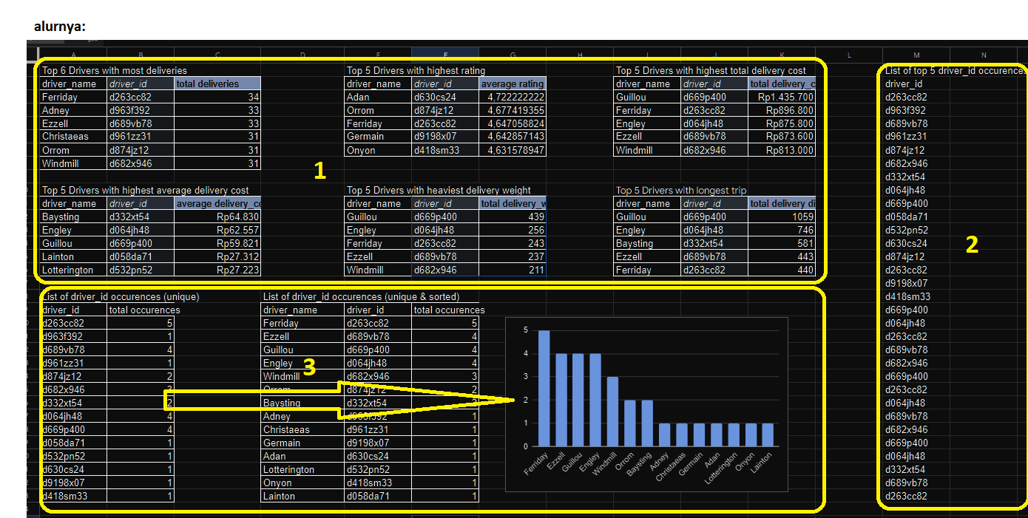
d4323027 | Rp12,000 | Rp16,000 | Rp14,000 | Rp14,000 | Rp420,000
d506ki34 | Rp12,000 | Rp16,000 | Rp13,565 | Rp14,000 | Rp312,000
d532pn52 | Rp18,000 | Rp34,800 | Rp27,223 | Rp28,000 | Rp707,800
d5863k83 | Rp12,000 | Rp16,000 | Rp13,889 | Rp14,000 | Rp250,000
d630cs24 | Rp12,000 | Rp16,000 | Rp14,111 | Rp14,000 | Rp254,000
d636kh58 | Rp12,000 | Rp16,000 | Rp13,909 | Rp14,000 | Rp306,000
d637ww68 | Rp12,000 | Rp16,000 | Rp14,000 | Rp14,000 | Rp350,000
d662l393 | Rp12,000 | Rp16,000 | Rp14,111 | Rp14,000 | Rp254,000
d669p400 | Rp39,200 | Rp77,400 | Rp59,821 | Rp62,600 | Rp1,435,700
d682x946 | Rp20,000 | Rp34,500 | Rp26,226 | Rp26,000 | Rp813,000
d685rx07 | Rp12,000 | Rp16,000 | Rp14,154 | Rp14,000 | Rp184,000
d689vb78 | Rp18,000 | Rp36,000 | Rp26,473 | Rp26,000 | Rp873,600
d696vl45 | Rp12,000 | Rp16,000 | Rp14,476 | Rp14,000 | Rp304,000
d7558x82 | Rp12,000 | Rp16,000 | Rp14,462 | Rp15,000 | Rp376,000
d790ei04 | Rp12,000 | Rp16,000 | Rp14,273 | Rp14,000 | Rp314,000
d796l251 | Rp12,000 | Rp16,000 | Rp13,909 | Rp14,000 | Rp306,000
d833of33 | Rp18,000 | Rp35,100 | Rp23,911 | Rp23,250 | Rp669,500
d8601561 | Rp12,000 | Rp16,000 | Rp13,478 | Rp14,000 | Rp310,000
d874jz12 | Rp12,000 | Rp16,000 | Rp14,452 | Rp14,000 | Rp448,000
d9198x07 | Rp12,000 | Rp16,000 | Rp14,286 | Rp14,000 | Rp400,000
d961zz31 | Rp12,000 | Rp16,000 | Rp14,581 | Rp14,000 | Rp452,000
d963f392 | Rp12,000 | Rp16,000 | Rp13,333 | Rp12,000 | Rp440,000
d9728z69 | Rp12,000 | Rp16,000 | Rp14,118 | Rp14,000 | Rp240,000
d9977s49 | Rp18,000 | Rp36,000 | Rp24,874 | Rp25,700 | Rp572,100
Grand Total | Rp12,000 | Rp82,000 | Rp19,942 | Rp16,000 | Rp19,502,800

