celá křivka
ohm | F | C | ohm |  | min | max
450 | 100 | 37.808 | 450 | 45 | 405 | 495
158.2 | 150 | 65.608 | 158.2 | 15.82 | 142.38 | 174.02
64.3 | 200 | 93.408 | 64.3 | 6.43 | 57.87 | 70.73
29.25 | 250 | 121.208 | 29.25 | 2.93 | 26.32 | 32.18
14.96 | 300 | 149.008 | 14.96 | 2.25 | 12.71 | 17.21

 | 88.096277157 |  |  |  |  |  | x

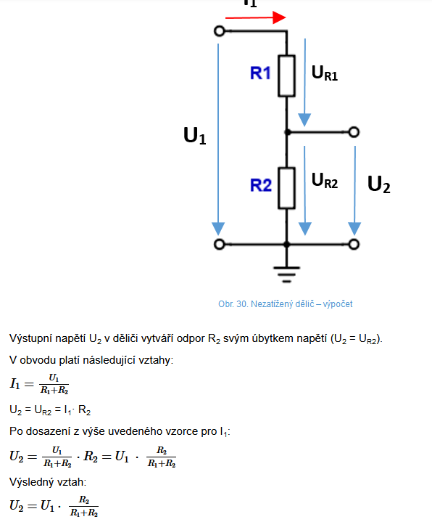

 |  |  |  |  |  |  |  | 10k

 |  |  |  |  |  |  |  | termistpr

List1
 | Celsium |  | min |  | max
450 |  | 405 |  | 495
158.2 | 65.608 | 142.38 | 65.608 | 174.02 | 65.608
64.3 | 93.408 | 57.87 | 93.408 | 70.73 | 93.408
29.25 | 121.208 | 26.32 | 121.208 | 32.18 | 121.208
14.96 |  | 12.71 |  | 17.21

ohm | F | C | ohm |  | min | max
450 | 100 |  | 450 | 45 | 405 | 495
158.2 | 150 | 65.608 | 158.2 | 15.82 | 142.38 | 174.02
64.3 | 200 | 93.408 | 64.3 | 6.43 | 57.87 | 70.73
29.25 | 250 | 121.208 | 29.25 | 2.93 | 26.32 | 32.18
14.96 | 300 |  | 14.96 | 2.25 | 12.71 | 17.21

 | 91.933868415 |  |  |  |  |  | x
 | 94.640523728

 |  |  |  |  |  |  |  | 10k

 |  |  |  |  |  |  |  | termistpr

