Sheet1
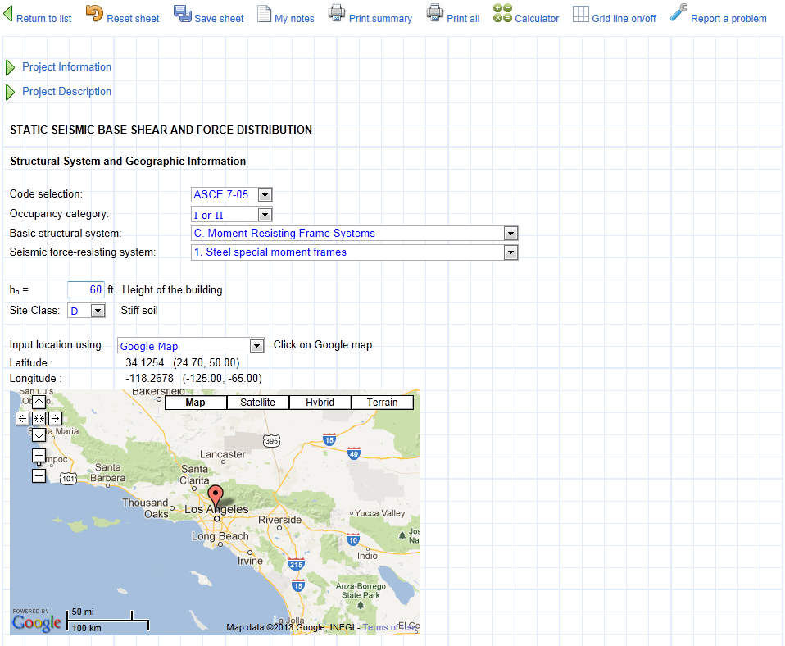
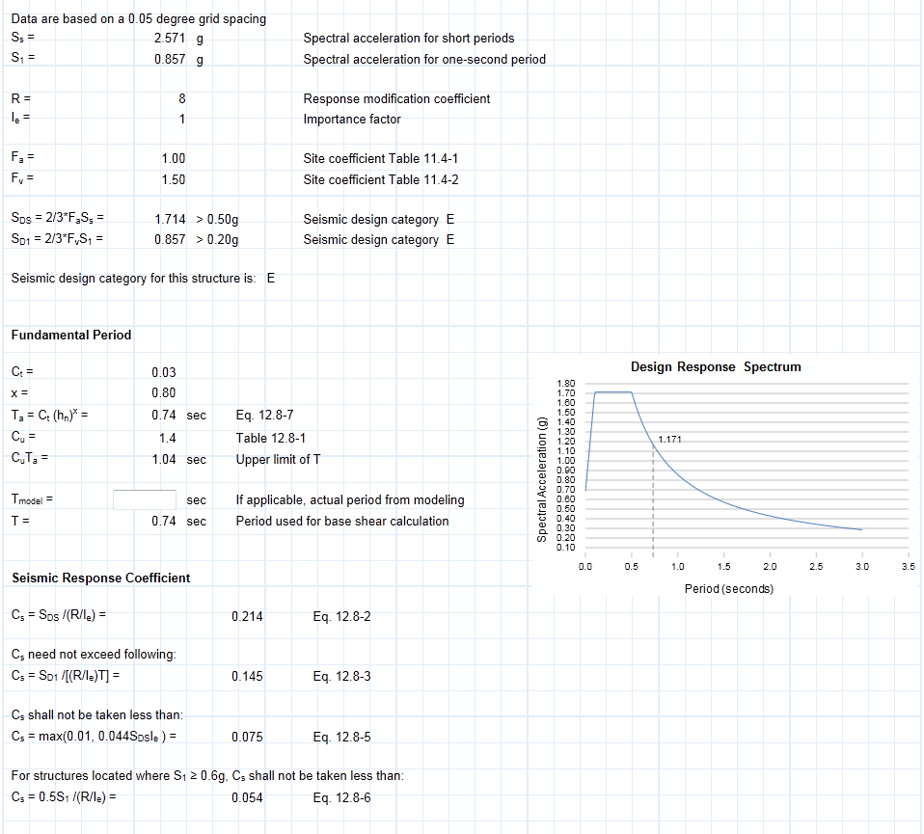
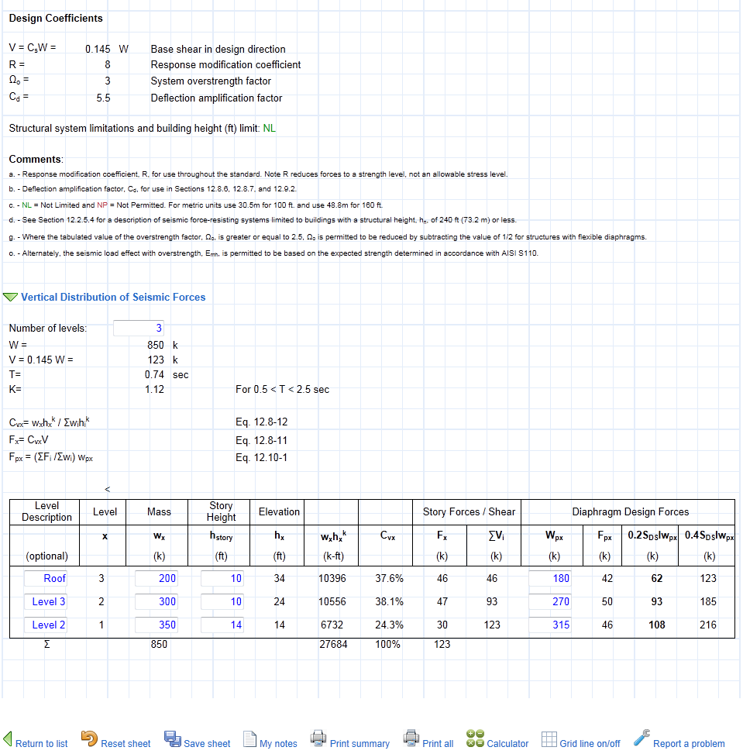
Following is a screenshot of an interactive design tool from website
www.SEsheets.com | providing powerful tools for structural engineers.

If you do not have an account, you can register an account for free.
Become a member and get free access to many powerful design tools.

