Pivot Table 1
 |  |  |  |  |  | Sensitivity | 1 - Specificity | Specificity
 |  |  | Good | Cumm. Good | Cumm. Bad | Cumm. Good % | Cumm. Bad % | Cumm. Bad Avoided % | Profit to Business
 |  |  | 59 | 59 | 1 | 12% | 1% | 99% | 5400
 |  |  | 59 | 118 | 2 | 24% | 2% | 98% | 10800
 |  |  | 55 | 173 | 7 | 35% | 7% | 93% | 13800
 |  |  | 54 | 227 | 13 | 46% | 12% | 88% | 16200
 |  |  | 54 | 281 | 19 | 57% | 18% | 82% | 18600
 |  |  | 52 | 333 | 27 | 67% | 26% | 74% | 19800
 |  |  | 47 | 380 | 40 | 77% | 38% | 62% | 18000
 |  |  | 43 | 423 | 57 | 85% | 54% | 46% | 13800
 |  |  | 42 | 465 | 75 | 94% | 71% | 29% | 9000
 |  |  | 30 | 495 | 105 | 100% | 100% | 0% | -3000

 |  |  |  |  | Assumptions
 |  |  |  |  | Loss from a bad loan (Target = 1) |  |  | 500
 |  |  |  |  | Profit from a good loan (Target = 0) |  |  | 100

 |  |  |  |  | Final Recommendation: Keeping Only Profitability in Mind
 |  |  |  |  | Approve Loan Application, if Probability for Target = 0 is higher than |  |  | 85.47%

 |  |  |  |  | Final Recommendation: Keeping Profitability & Expansion in Mind
 |  |  |  |  | Approve Loan Application, if Probability for Target = 0 is higher than |  |  | 79.73%

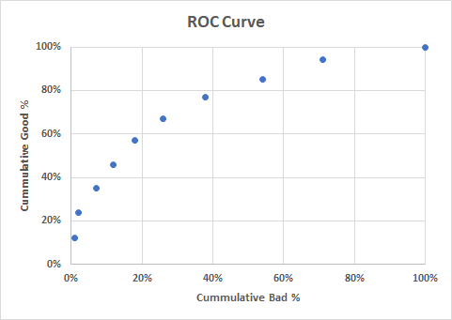

 |  |  | Sensitivity

 |  |  |  |  |  |  | 1 - Specificity

Precision | Specificity | TP/TP+FP
Recall | Sensitivity | TP/TP+FN

TP | FP
FN | TN

