Sheet1
BUG ID | Title | Test Steps | Expected Result | Actual Result | Status | Severity | Priority | Screenshot
BUG_001 | Text formatting not become bold | 1.Login to website 2. Create a new document 3. Type some text and apply bold formatting | The text should retain the bold formatting | The text appears without any formatting | Open | High | Medium | 
BUG_002 | On dashboard Get Started button is not clickable | 1. open the website 2. click on “Get Started” | Get Started button should be clickable | Get Started button is not clickable | Open | High | Medium | 
BUG_003 | Post button are not clickable in the post section | 1. open a website 2 click on trending blog 3 click on first post then add a comment | Comment should be posted | Comment is not posted beacuse post button is not clickable | Open | High | Medium | 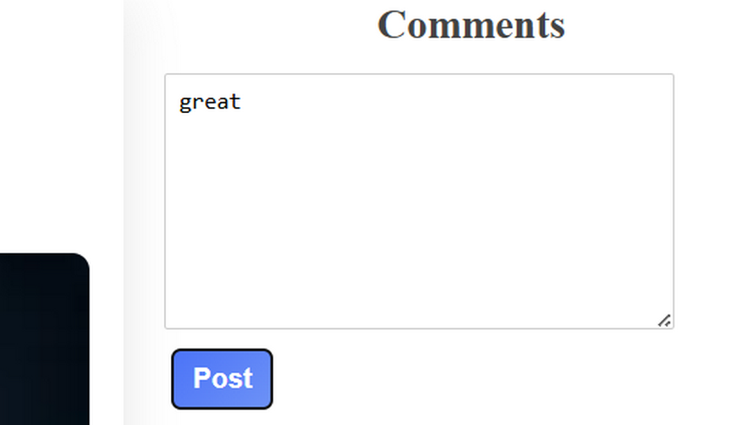
BUG_004 | Footer Links are not clickable | 1 open a website | Footer link should be clickable | Footer link is not clickable | Open | Low | Medium

