Sheet1
BUG ID | Title | Test Steps | Expected Result | Actual Result | Status | Severity | Priority | Screenshot
BUG_001 | Text formatting not become bold | 1.Login to website 2. Create a new document 3. Type some text and apply bold formatting | The text should retain the bold formatting | The text appears without any formatting | Open | High | Medium | 
BUG_002 | On dashboard Get Started button is not clickable | 1. open the website 2. click on “Get Started” | Get Started button should be clickable | Get Started button is not clickable | Open | High | Medium | 
BUG_003 | Post button are not clickable in the post section | 1. open a website 2 click on trending blog 3 click on first post then add a comment | Comment should be posted | Comment is not posted beacuse post button is not clickable | Open | High | Medium | 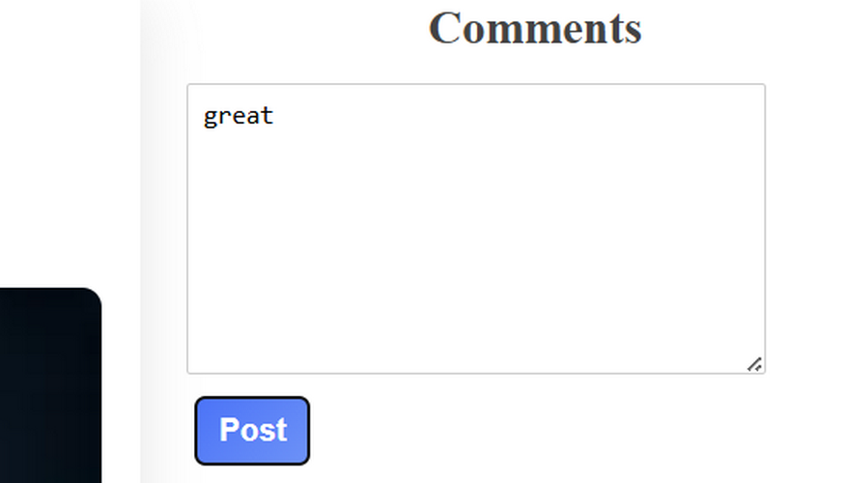
BUG_004 | Footer Links are not clickable | 1 open a website | Footer link should be clickable | Footer link is not clickable | Open | Low | Medium
BUG_005 | Unable to click the after creating a Post | 1. open a website | Crete post should be clickable | Create Post button is not clickable | Open | Critical | High
BUG_006 | Click any of the featured categories Creative Writing Link it is not connected to their related page | 1. open a website | Featured categories should be connected to their related page | Featured categories is not connected to their related page | Open | Critical | High
BUG_007 | Not able to see the uploaded file | 1. open a website | Upload file should be able to see | Upload file is not able to see | Open | High | High
BUG_008 | Create Post button’s width is huge | 1. open a website | Create Post button’s width should not be huge | Create Post button’s width is huge | Open | Medium | Low
BUG_009 | The "WriteWave" logo in the header is white on a black background, making it visible, but the font size could be slightly larger for better readability. | 1. open a website | The logo should be more prominent and readable. | The logo is not more prominent and readable. | Open | Medium | Low | 

