Dashboard
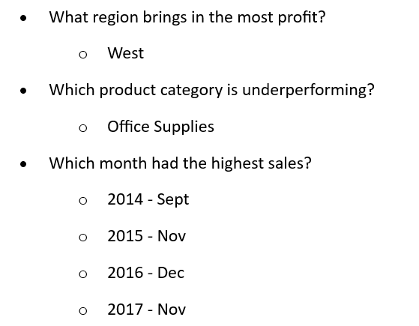

Superstore Sales Dashboard

Total Sales:
2297200.86
Total Profit:
286397.0217
Total Quantity:
37873

Region-Wise Sales
 | Sum of Sales | Sum of Profit
Central | 501239.8908 | 39706.3625
East | 678781.24 | 91522.78
South | 391721.905 | 46749.4303
West | 725457.8245 | 108418.4489
Sales by Category/Subcategory
 | Total
Furniture | 741999.7953
Office Supplies | 719047.032
Technology | 836154.033

Monthly Sales Trend
 | Total
Jan | 14236.895
Feb | 4519.892
Mar | 55691.009
Apr | 28295.345
May | 23648.287
Jun | 34595.1276
Jul | 33946.393
Aug | 27909.4685
Sep | 81777.3508
Oct | 31453.393
Nov | 78628.7167
Dec | 69545.6205
Jan | 18174.0756
Feb | 11951.411
Mar | 38726.252
Apr | 34195.2085
May | 30131.6865
Jun | 24797.292
Jul | 28765.325
Aug | 36898.3322
Sep | 64595.918
Oct | 31404.9235
Nov | 75972.5635
Dec | 74919.5212
Jan | 18542.491
Feb | 22978.815
Mar | 51715.875
Apr | 38750.039
May | 56987.728
Jun | 40344.534
Jul | 39261.963
Aug | 31115.3743
Sep | 73410.0249
Oct | 59687.745
Nov | 79411.9658
Dec | 96999.043
Jan | 43971.374
Feb | 20301.1334
Mar | 58872.3528
Apr | 36521.5361
May | 44261.1102
Jun | 52981.7257
Jul | 45264.416
Aug | 63120.888
Sep | 87866.652
Oct | 77776.9232
Nov | 118447.825
Dec | 83829.3188

Region-Wise Sales
Region | Sum of Sales | Sum of Profit
Central | 501239.8908 | 39706.3625
East | 678781.24 | 91522.78
South | 391721.905 | 46749.4303
West | 725457.8245 | 108418.4489
Grand Total | 2297200.8603 | 286397.0217
Region-Wise Sales

Sales_by_Cat_and_SubCat
Category | Sum of Sales
Furniture | 741999.7953
Office Supplies | 719047.032
Technology | 836154.033
Grand Total | 2297200.8603

Sales by Category/Subcategory

Monthly_sales_trend
Year/Month | Sum of Sales
2014 | 484247.4981
Jan | 14236.895
Feb | 4519.892
Mar | 55691.009
Apr | 28295.345
Monthly Sales Trend
May | 23648.287
Jun | 34595.1276
Jul | 33946.393
Aug | 27909.4685
Sep | 81777.3508
Oct | 31453.393
Nov | 78628.7167
Dec | 69545.6205
2015 | 470532.509
Jan | 18174.0756
Feb | 11951.411
Mar | 38726.252
Apr | 34195.2085
May | 30131.6865
Jun | 24797.292
Jul | 28765.325
Aug | 36898.3322
Sep | 64595.918
Oct | 31404.9235
Nov | 75972.5635
Dec | 74919.5212
2016 | 609205.598
Jan | 18542.491
Feb | 22978.815
Mar | 51715.875
Apr | 38750.039
May | 56987.728
Jun | 40344.534
Jul | 39261.963
Aug | 31115.3743
Sep | 73410.0249
Oct | 59687.745
Nov | 79411.9658
Dec | 96999.043
2017 | 733215.2552
Jan | 43971.374
Feb | 20301.1334
Mar | 58872.3528
Apr | 36521.5361
May | 44261.1102
Jun | 52981.7257
Jul | 45264.416
Aug | 63120.888
Sep | 87866.652
Oct | 77776.9232
Nov | 118447.825
Dec | 83829.3188
Grand Total | 2297200.8603

