Solutions
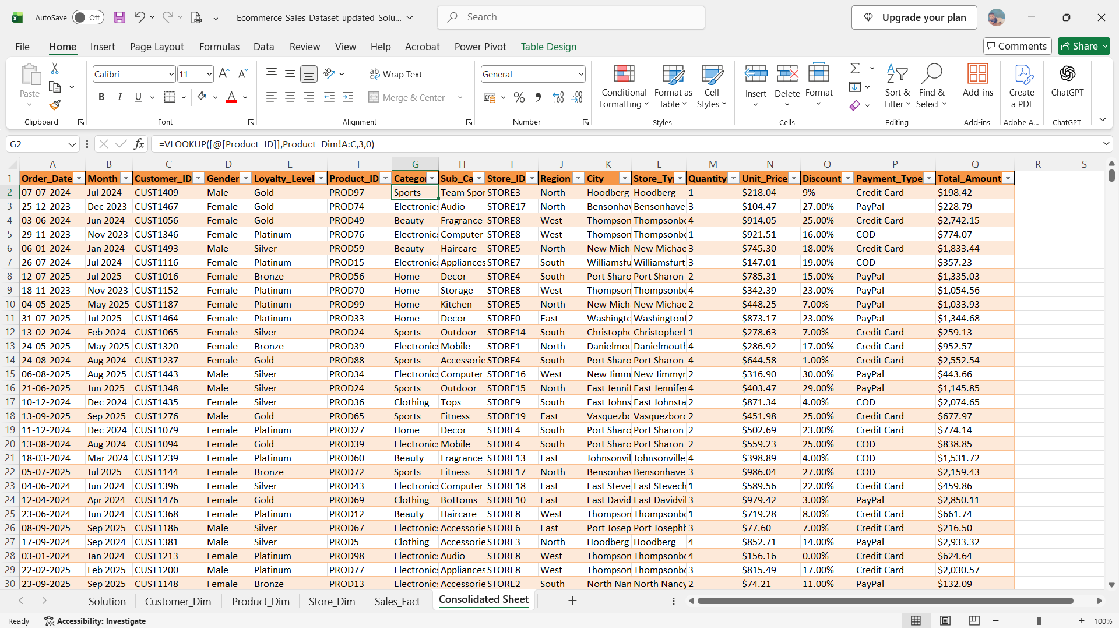
Step 1 | Converting the data into Table
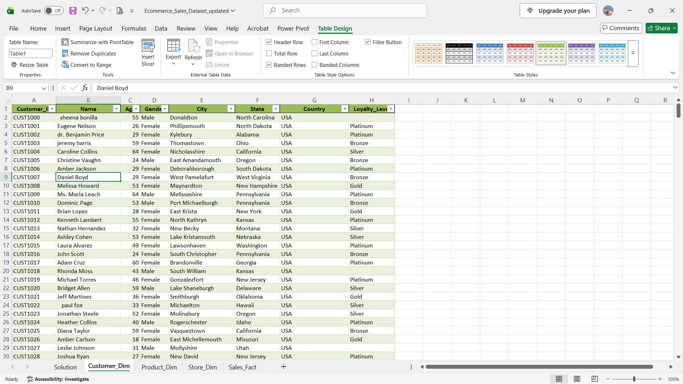

Step 2 | Data Cleaning | Using find & replace for Data Correction

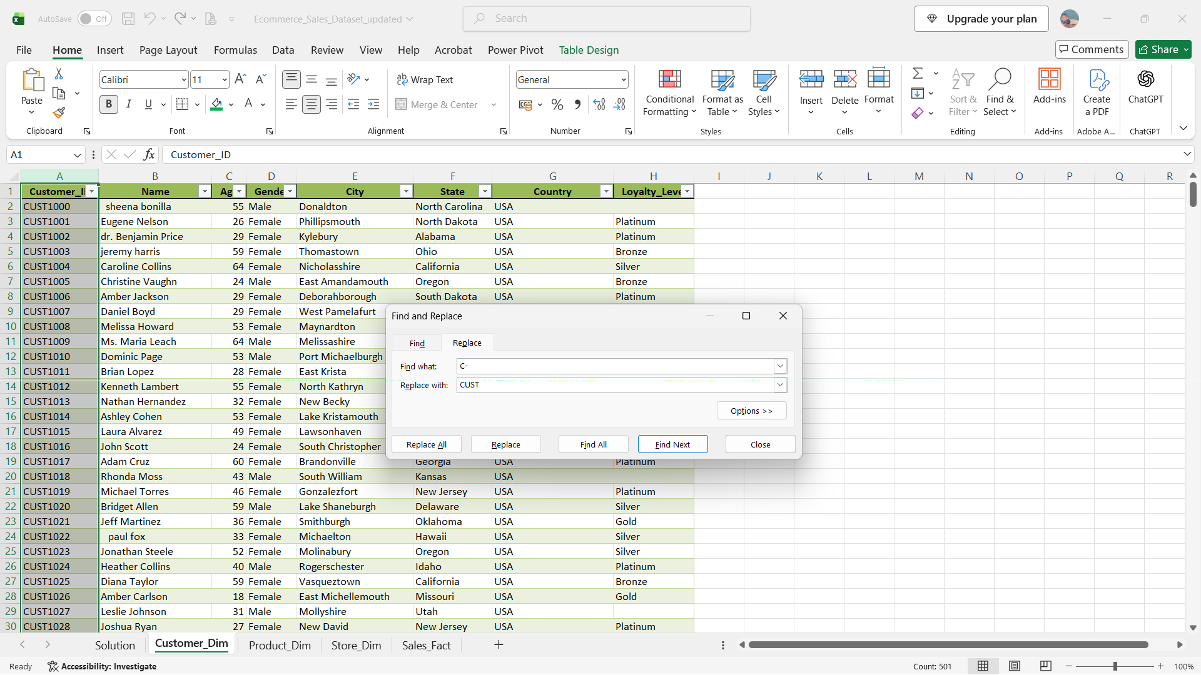

Step 3 | Data Cleaning | Using Formulas, to Correct the Data
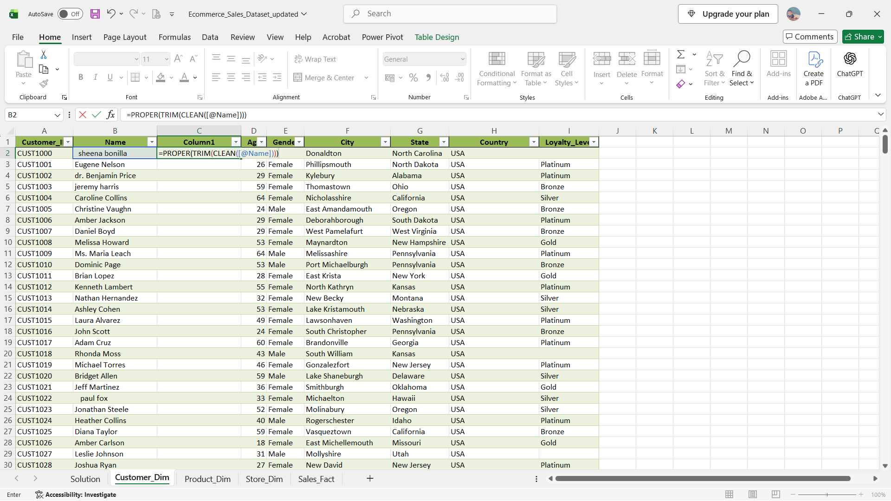

Step 4 | Data Cleaning | Handling Missing Values
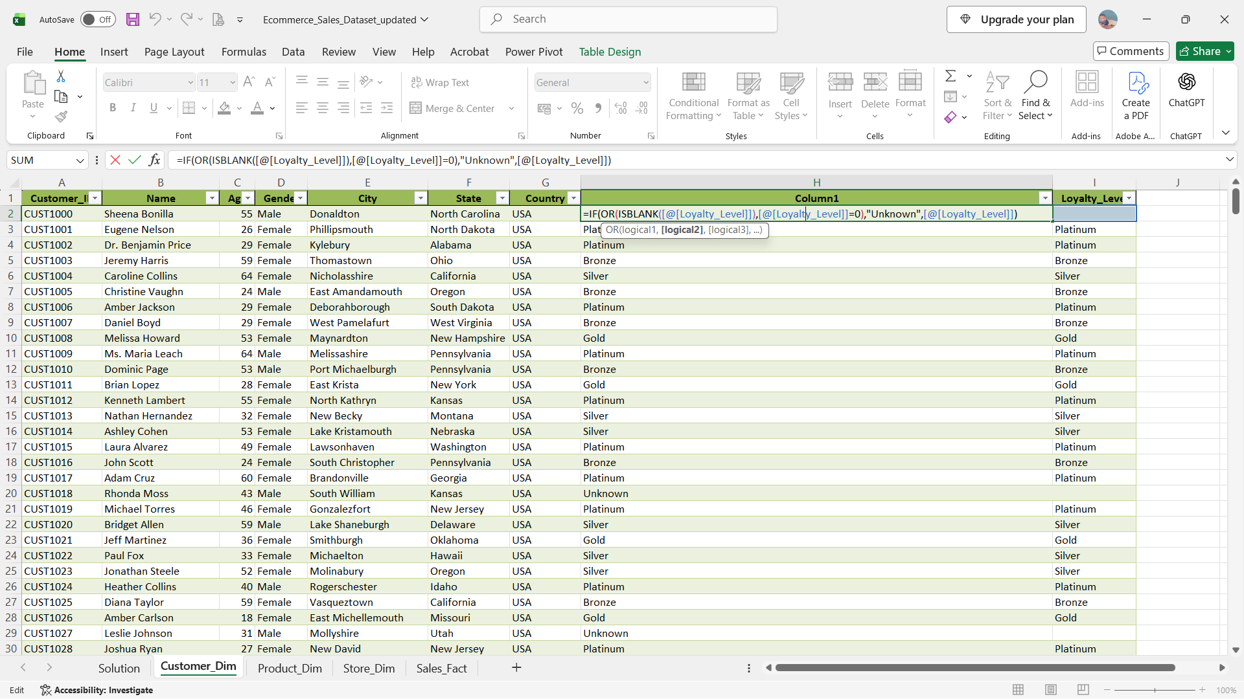

Step 5 | Data Cleaning | Handling Duplicate Values

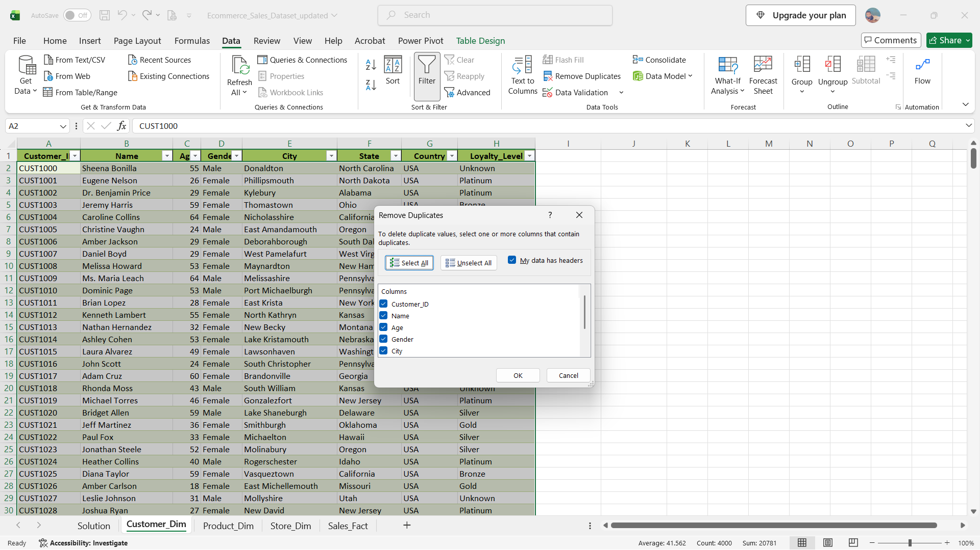

Step 6 | Data Cleaning | Finding the missing values using formulas

 | unit price = (Tot amt/(qty*(1-Discount))) | OR | We can take the average of the individual product id's
 | Tot Amt = Qty*Unit Price*(1-Discount) |  | For example the average unit price of PROD60 is $398.886
 | Grs Amt = Qty*Unit Price |  | For Qty we can take the average of the Total Qty Product wise using pivot table and xlookup
 | Discount % = (Grs Amt − Total Amt) ÷ Grs Amt × 100 |  | Discount values is replace with Zero

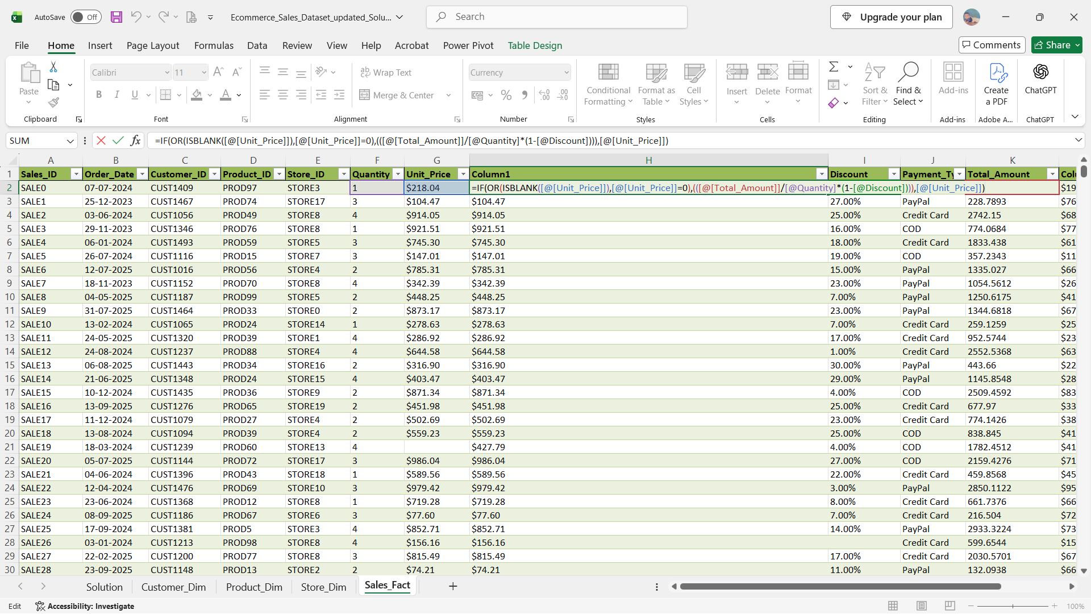

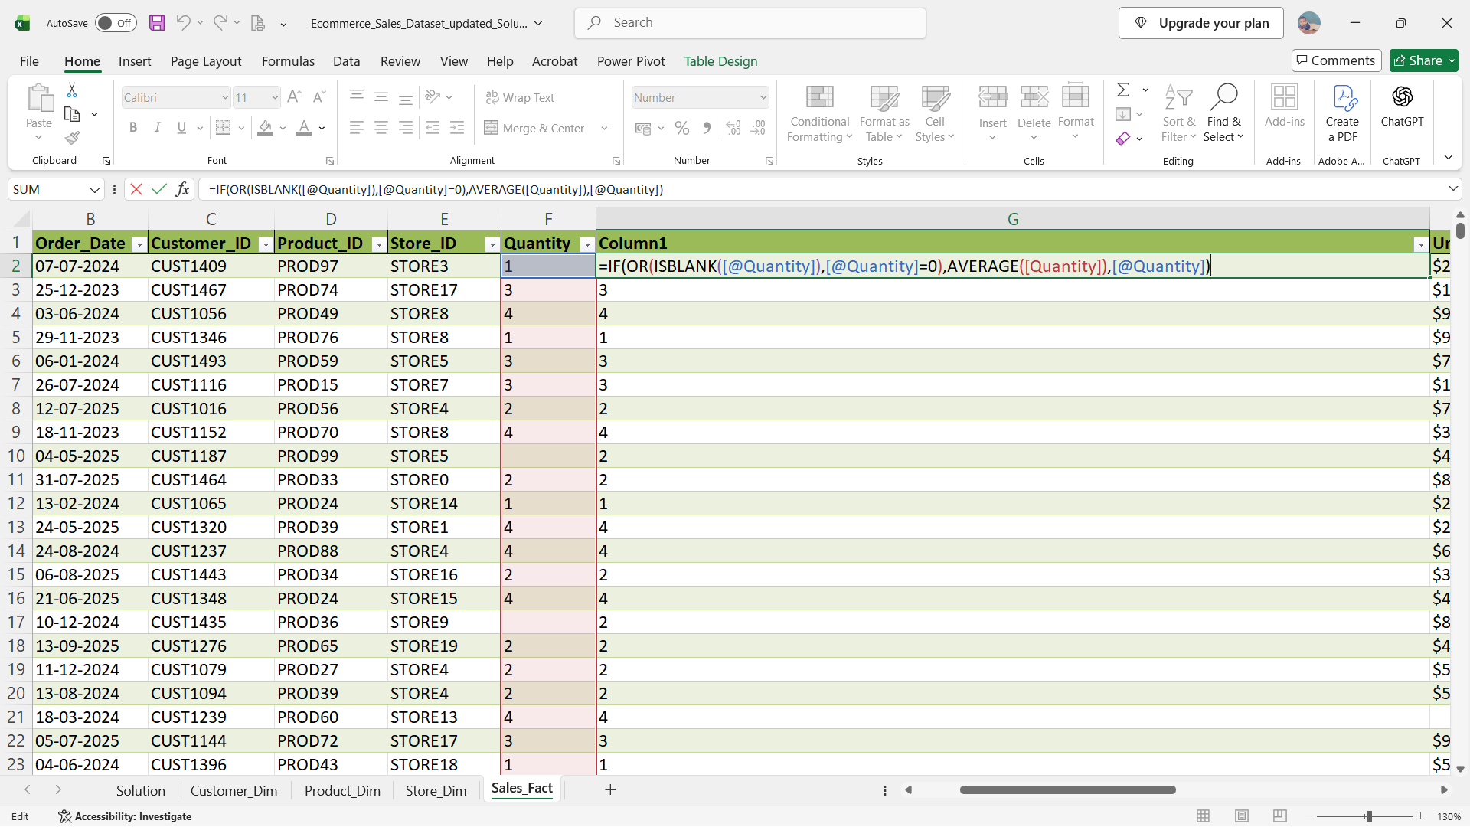

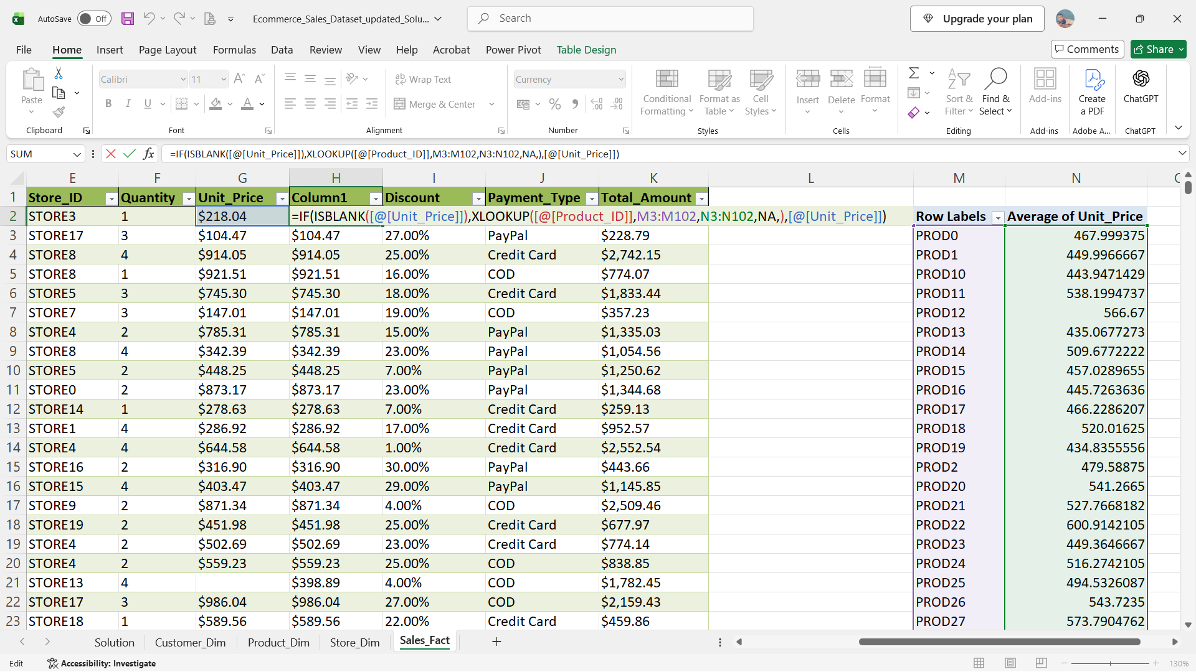

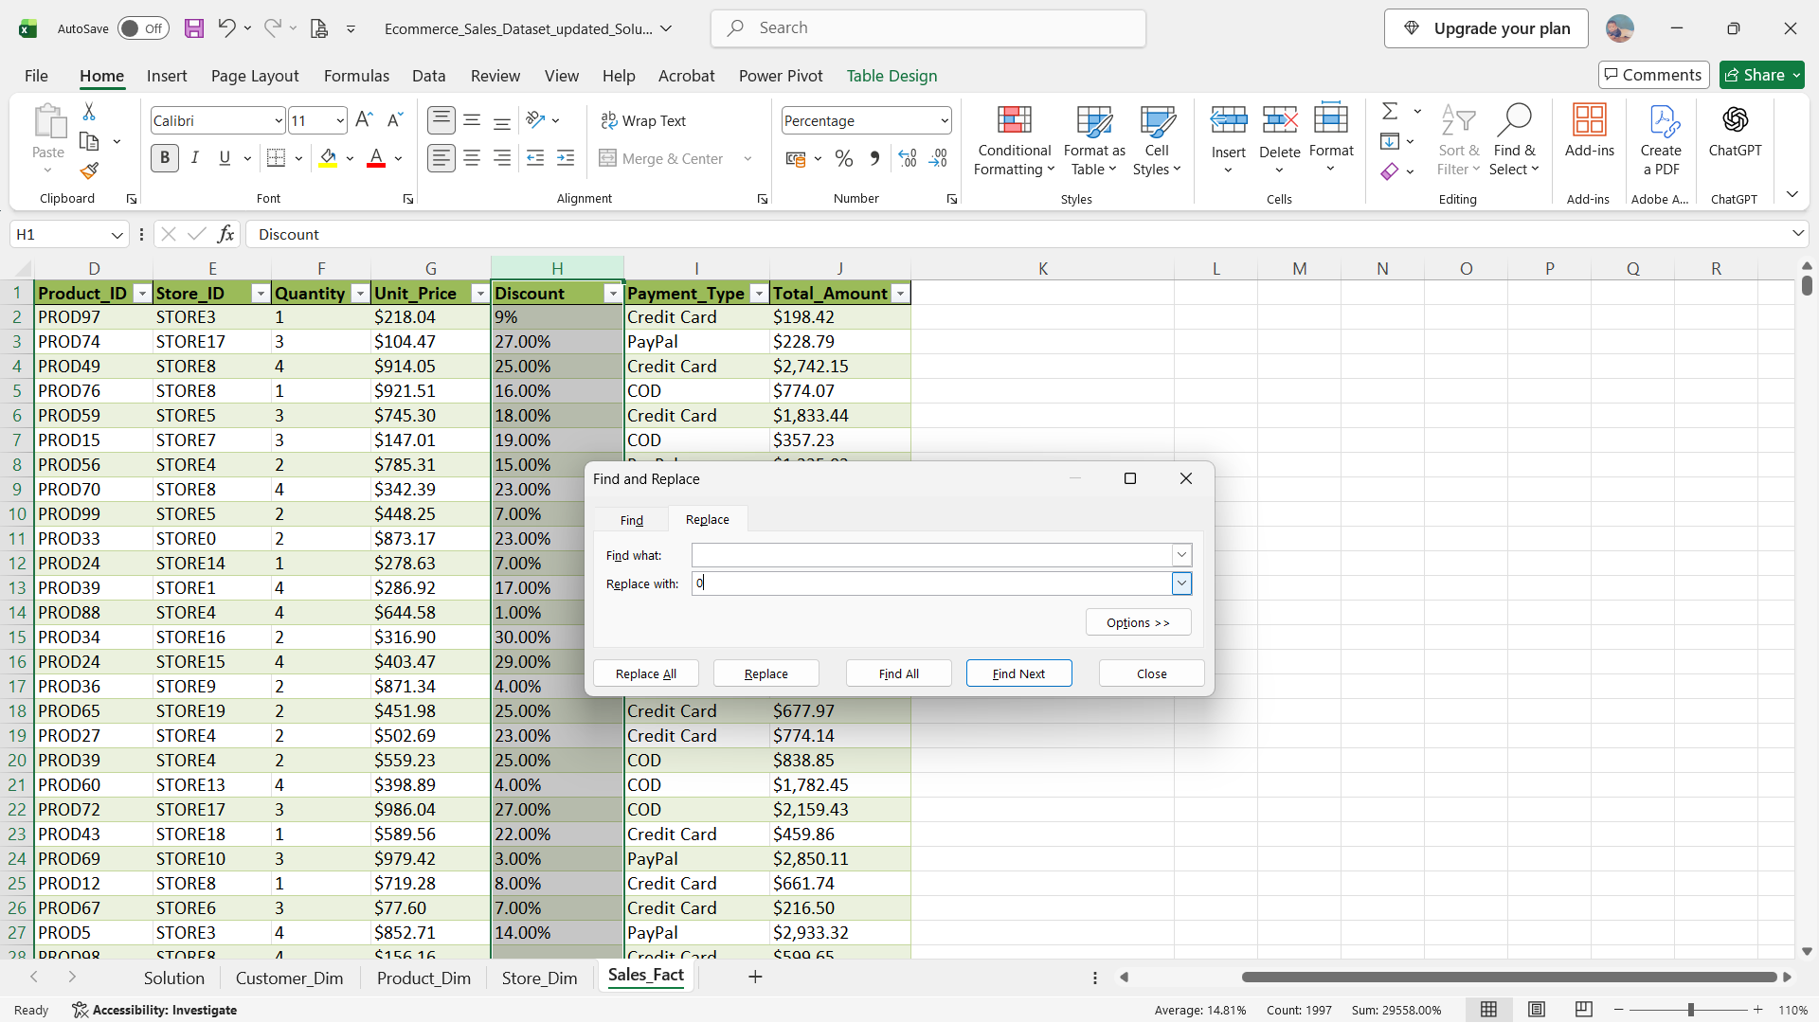

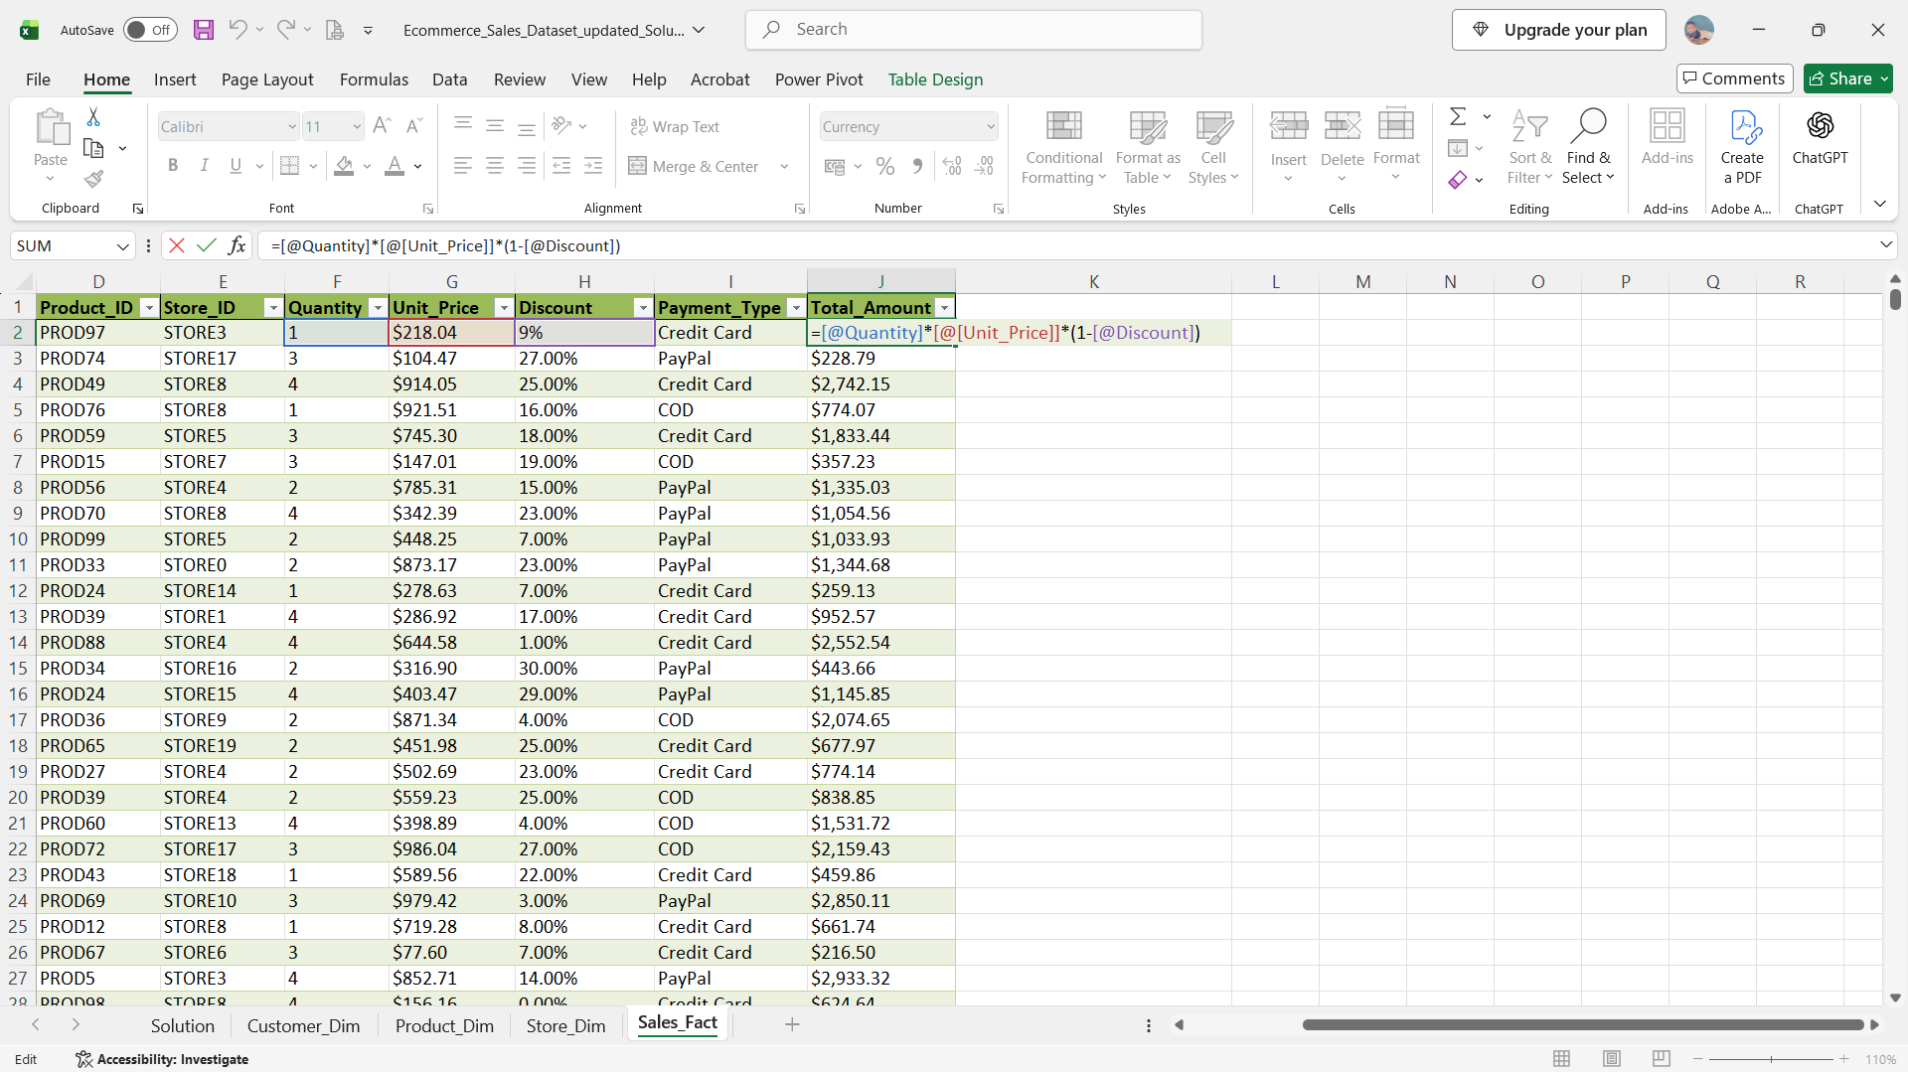

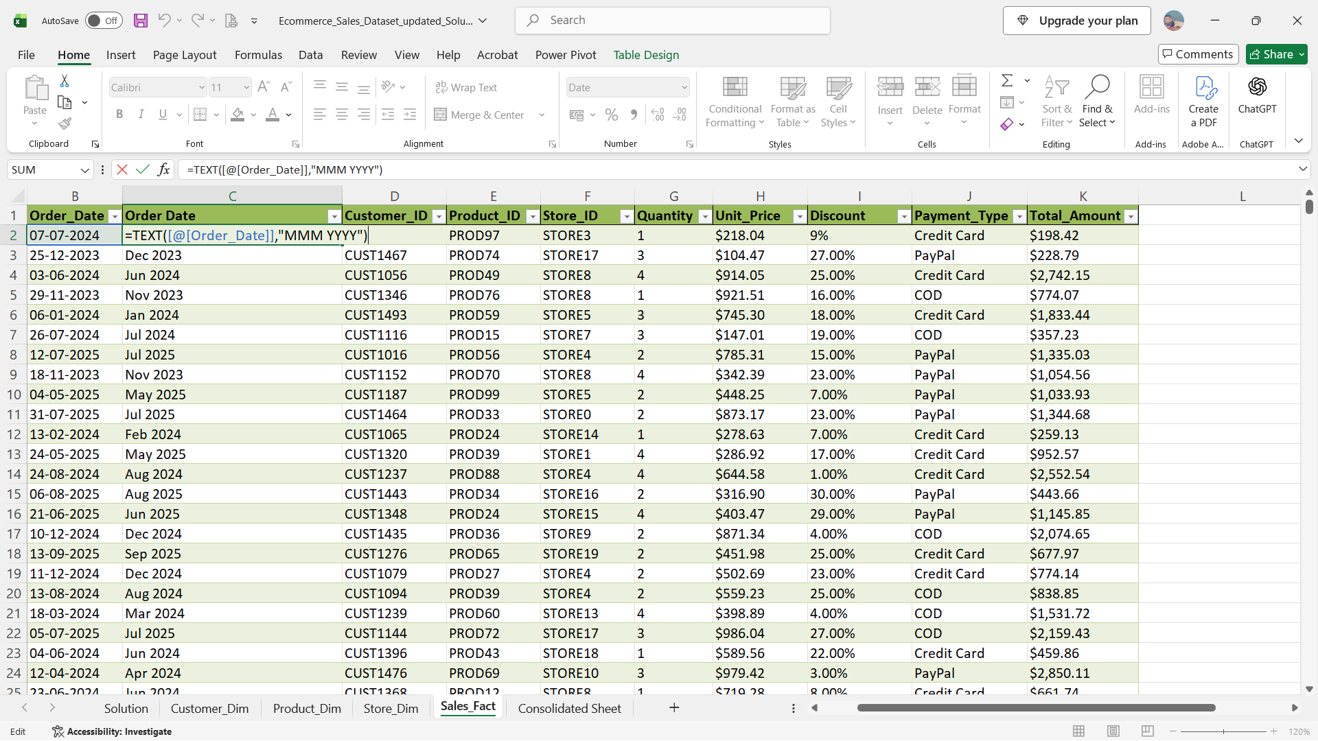

Used VLOOKUP to combine the sheets using, Cust ID, Prod ID & Store ID

Dashboard
E-Commerce Sales Dashboard

Total Qty : 4960
Total Orders : 2000
Total Sales : $21,74,824
Average Sales : $1,087

Region Vs % of Sales
 | Total
East | 29%
North | 30%
South | 29%
West | 12%
Month Vs Sales
 | Total
Oct | $44,760.55
Nov | $84,402.87
Dec | $94,277.11
Jan | $81,904.55
Feb | $83,018.28
Mar | $102,864.93
Apr | $90,470.73
May | $57,825.22
Jun | $97,004.00
Jul | $93,582.27
Aug | $92,326.52
Sep | $100,828.41
Oct | $102,567.65
Nov | $102,983.30
Dec | $88,824.44
Jan | $91,663.07
Feb | $72,055.66
Mar | $107,588.86
Apr | $102,514.11
May | $88,470.05
Jun | $65,636.01
Jul | $101,129.55
Aug | $100,764.78
Sep | $88,892.92
Oct | $38,467.82
Category Vs Sales
 | Total
Beauty | $322,242.17
Clothing | $378,781.24
Electronics | $505,868.86
Home | $425,921.21
Sports | $542,010.17

Category Vs Qty Vs Gender
 | Female | Male
Beauty | 404 | 334
Clothing | 482 | 363
Electronics | 657 | 508
Home | 513 | 458
Sports | 714 | 527
Payment Type Vs Revenue
 | Total
COD | 701773.88153
Credit Card | 716332.73893
PayPal | 756717.0381
ForeCast Analysis
 | Sum of Total_Amount | Forecast(Sum of Total_Amount) | Lower Confidence Bound(Sum of Total_Amount) | Upper Confidence Bound(Sum of Total_Amount)
 | $9,643.07
 | $3,660.34
 | $5,112.54
 | $1,514.15
 | $7,720.64
 | $3,601.88
 | $5,488.52
 | $7,375.15
 | $5,432.06
 | $833.79
 | $613.68
 | $393.57
 | $2,587.86
 | $674.64
 | $3,927.10
 | $4,365.19
 | $5,346.38
 | $6,613.78
 | $4,724.77
 | $2,835.75
 | $6,204.40
 | $667.21
 | $2,642.28
 | $1,267.97 | 1267.9744 | 1267.9744 | 1267.9744
 |  | 1396.4572632 | -3945.1019968 | 6738.0165232
 |  | 1270.7818616 | -5409.3735157 | 7950.9372389
 |  | 1145.10646 | -6649.7367317 | 8939.9496516
 |  | 1019.4310583 | -7751.9785173 | 9790.8406339
 |  | 893.75565671 | -8758.1182346 | 10545.629548
 |  | 768.08025508 | -9692.4535963 | 11228.614106
 |  | 642.40485346 | -10570.533189 | 11855.342896
 |  | 516.72945184 | -11403.017186 | 12436.47609
 |  | 391.05405021 | -12197.590304 | 12979.698404
 |  | 265.37864859 | -12960.008183 | 13490.76548
 |  | 139.70324697 | -13694.713529 | 13974.120023
 |  | 14.027845345 | -14405.220255 | 14433.275945
 |  | -111.64755628 | -15094.36422 | 14871.069108
 |  | -237.3229579 | -15764.473153 | 15289.827237
 |  | -362.99835952 | -16417.485473 | 15691.488754
 |  | -488.67376115 | -17055.035631 | 16077.688109
 |  | -614.34916277 | -17678.516814 | 16449.818488
 |  | -719.75433832 | -18191.552681 | 16752.044004

Forecast Analysis
Row Labels | Sum of Total_Amount | Forecast(Sum of Total_Amount) | Lower Confidence Bound(Sum of Total_Amount) | Upper Confidence Bound(Sum of Total_Amount)
2023-11-05 | $9,643.07
2023-12-05 | $3,660.34
2024-01-05 | $5,112.54
2024-02-05 | $1,514.15
2024-03-05 | $7,720.64
2024-04-05 | $3,601.88
ForeCast Analysis
 | Sum of Total_Amount | Forecast(Sum of Total_Amount) | Lower Confidence Bound(Sum of Total_Amount) | Upper Confidence Bound(Sum of Total_Amount)
 | $9,643.07
 | $3,660.34
 | $5,112.54
 | $1,514.15
 | $7,720.64
 | $3,601.88
 | $5,488.52
 | $7,375.15
 | $5,432.06
 | $833.79
 | $613.68
 | $393.57
 | $2,587.86
 | $674.64
 | $3,927.10
 | $4,365.19
 | $5,346.38
 | $6,613.78
 | $4,724.77
 | $2,835.75
 | $6,204.40
 | $667.21
 | $2,642.28
 | $1,267.97 | 1267.9744 | 1267.9744 | 1267.9744
 |  | 1396.4572632 | -3945.1019968 | 6738.0165232
 |  | 1270.7818616 | -5409.3735157 | 7950.9372389
 |  | 1145.10646 | -6649.7367317 | 8939.9496516
 |  | 1019.4310583 | -7751.9785173 | 9790.8406339
 |  | 893.75565671 | -8758.1182346 | 10545.629548
 |  | 768.08025508 | -9692.4535963 | 11228.614106
 |  | 642.40485346 | -10570.533189 | 11855.342896
 |  | 516.72945184 | -11403.017186 | 12436.47609
 |  | 391.05405021 | -12197.590304 | 12979.698404
 |  | 265.37864859 | -12960.008183 | 13490.76548
 |  | 139.70324697 | -13694.713529 | 13974.120023
 |  | 14.027845345 | -14405.220255 | 14433.275945
 |  | -111.64755628 | -15094.36422 | 14871.069108
 |  | -237.3229579 | -15764.473153 | 15289.827237
 |  | -362.99835952 | -16417.485473 | 15691.488754
 |  | -488.67376115 | -17055.035631 | 16077.688109
 |  | -614.34916277 | -17678.516814 | 16449.818488
 |  | -719.75433832 | -18191.552681 | 16752.044004
2024-05-05 | $5,488.52
2024-06-05 | $7,375.15
2024-07-05 | $5,432.06
2024-08-05 | $833.79
2024-09-05 | $613.68
2024-10-05 | $393.57
2024-11-05 | $2,587.86
2024-12-05 | $674.64
2025-01-05 | $3,927.10
2025-02-05 | $4,365.19
2025-03-05 | $5,346.38
2025-04-05 | $6,613.78
2025-05-05 | $4,724.77
2025-06-05 | $2,835.75
2025-07-05 | $6,204.40
2025-08-05 | $667.21
2025-09-05 | $2,642.28
2025-10-05 | $1,267.97 | $1,267.97 | $1,267.97 | $1,267.97
2025-11-05 |  | $1,396.46 | -$3,945.10 | $6,738.02
2025-12-05 |  | $1,270.78 | -$5,409.37 | $7,950.94
2026-01-05 |  | $1,145.11 | -$6,649.74 | $8,939.95
2026-02-05 |  | $1,019.43 | -$7,751.98 | $9,790.84
2026-03-05 |  | $893.76 | -$8,758.12 | $10,545.63
2026-04-05 |  | $768.08 | -$9,692.45 | $11,228.61
2026-05-05 |  | $642.40 | -$10,570.53 | $11,855.34
2026-06-05 |  | $516.73 | -$11,403.02 | $12,436.48
2026-07-05 |  | $391.05 | -$12,197.59 | $12,979.70
2026-08-05 |  | $265.38 | -$12,960.01 | $13,490.77
2026-09-05 |  | $139.70 | -$13,694.71 | $13,974.12
2026-10-05 |  | $14.03 | -$14,405.22 | $14,433.28
2026-11-05 |  | -$111.65 | -$15,094.36 | $14,871.07
2026-12-05 |  | -$237.32 | -$15,764.47 | $15,289.83
2027-01-05 |  | -$363.00 | -$16,417.49 | $15,691.49
2027-02-05 |  | -$488.67 | -$17,055.04 | $16,077.69
2027-03-05 |  | -$614.35 | -$17,678.52 | $16,449.82
2027-03-31 |  | -$719.75 | -$18,191.55 | $16,752.04

Prod Vs Sale
Row Labels | Sum of Total_Amount
Beauty | $322,242.17
Clothing | $378,781.24
Electronics | $505,868.86
Home | $425,921.21
Sports | $542,010.17
Grand Total | $2,174,823.66

Region Vs Product Sales

Region Vs % of Sales
Row Labels | % of sales
East | 29%
North | 30%
South | 29%
West | 12%
Region Vs % of Sales
Grand Total | 100%

Month Vs Sales
Row Labels | Sum of Total_Amount
2023 | $223,440.53
Oct | $44,760.55
Nov | $84,402.87
Dec | $94,277.11
2024 | $1,094,200.30
Jan | $81,904.55
Feb | $83,018.28
Mar | $102,864.93
Apr | $90,470.73
May | $57,825.22
Jun | $97,004.00
Jul | $93,582.27
Aug | $92,326.52
Sep | $100,828.41
Oct | $102,567.65
Nov | $102,983.30
Dec | $88,824.44
2025 | $857,182.83
Jan | $91,663.07
Feb | $72,055.66
Mar | $107,588.86
Apr | $102,514.11
May | $88,470.05
Jun | $65,636.01
Jul | $101,129.55
Aug | $100,764.78
Sep | $88,892.92
Oct | $38,467.82
Grand Total | $2,174,823.66

Cat Vs Qty Vs gender
Sum of Quantity | Column Labels
Row Labels | Female | Male | Grand Total
Beauty | 404 | 334 | 738
Clothing | 482 | 363 | 845
Electronics | 657 | 508 | 1165
Category Vs Qty Vs Gender
Home | 513 | 458 | 971
Sports | 714 | 527 | 1241
Grand Total | 2770 | 2190 | 4960

Payment Type Vs Revenue
Row Labels | Sum of Revenue
COD | 701773.88153
Credit Card | 716332.73893
PayPal | 756717.0381
Grand Total | 2174823.6586
Payment Type Vs Revenue

