Sheet
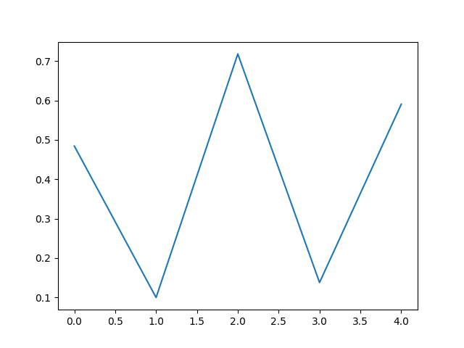
Name | Age | City
Alice | 25 | New York
Bob | 30 | London
Charlie | 22 | Paris
Product | Price
Laptop | 1000
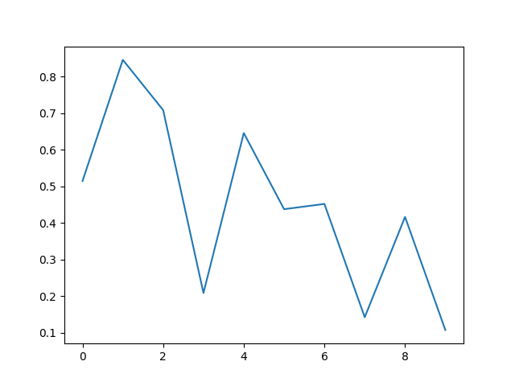
Phone | 500
Tablet | 250

