Sheet
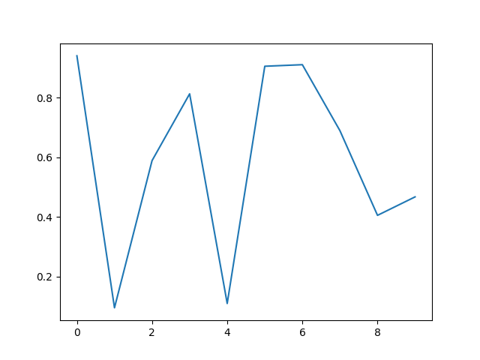
Name | Age | City
Alice | 25 | New York
Bob | 30 | London
Charlie | 22 | Paris

