Charts
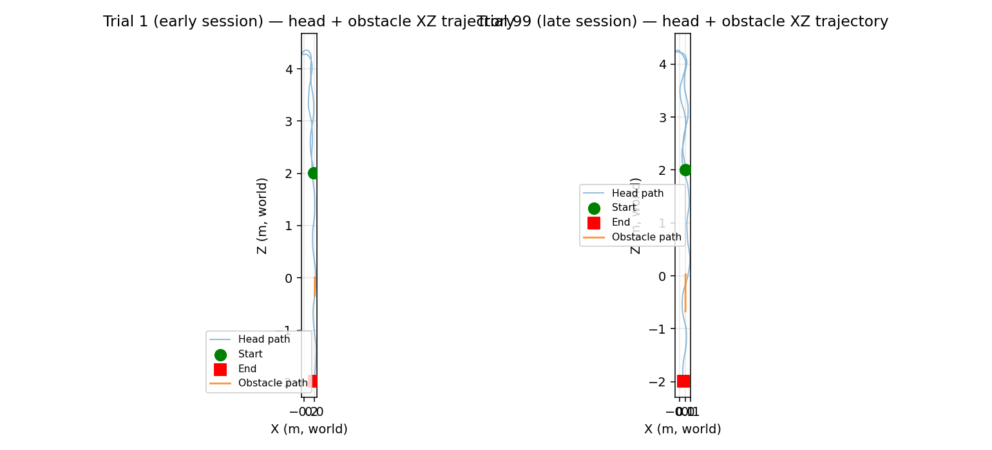
Visualizations (see Charts sheet)

Walk time per trial
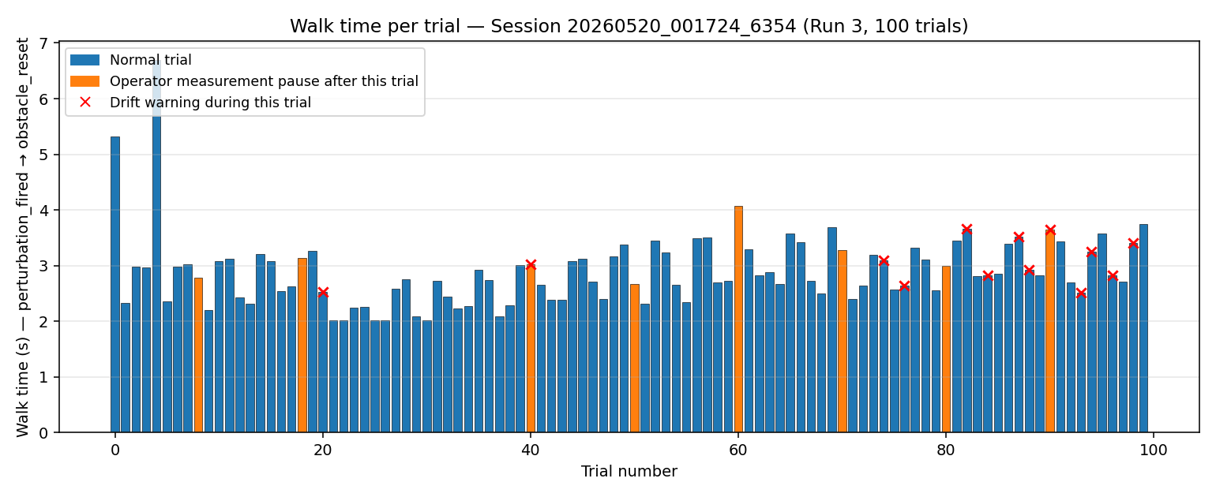

Trial duration showing measurement pauses
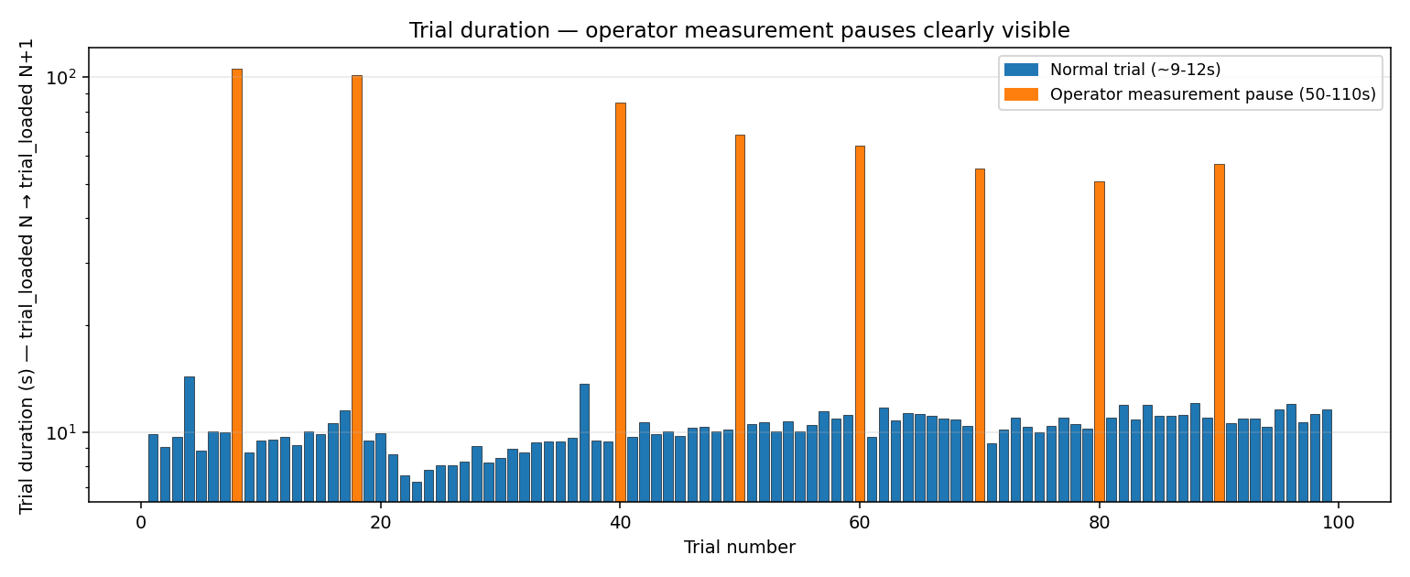

Perturbation magnitude effect + adaptation trend
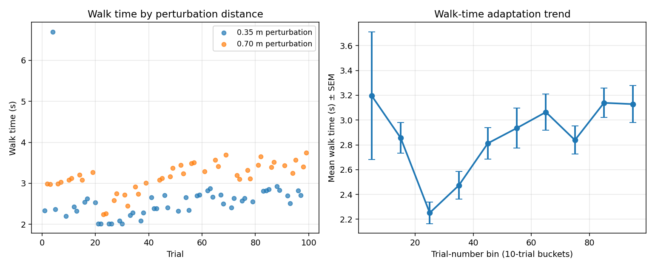

Anchor drift over session
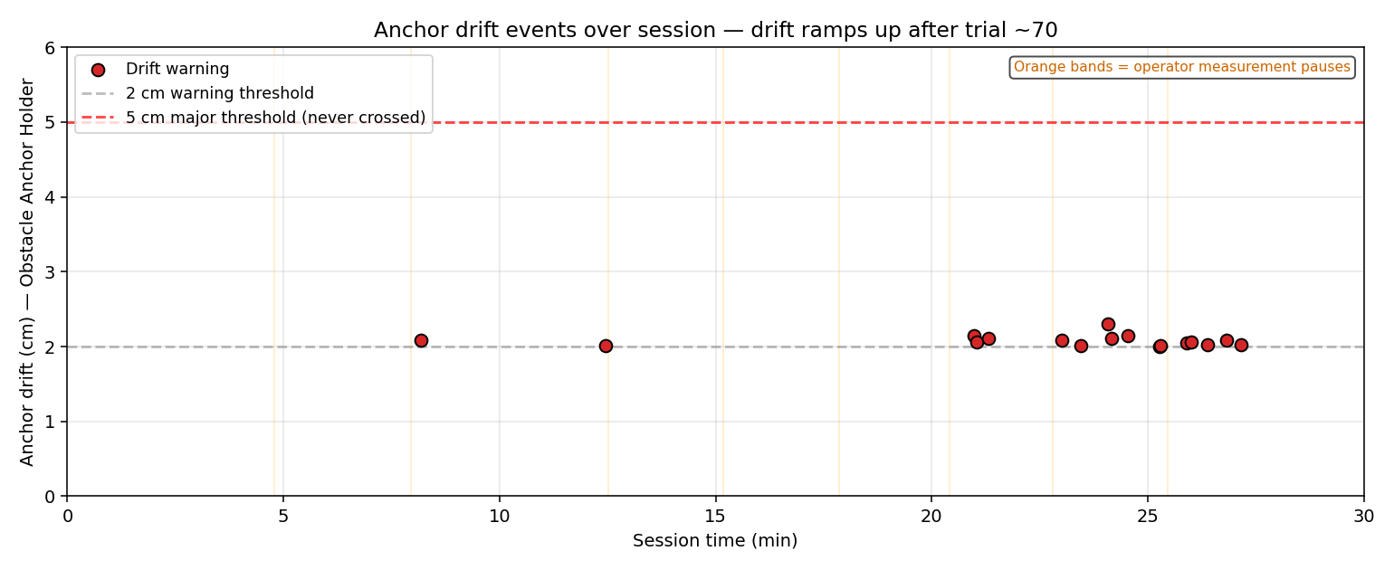

Head+obstacle trajectory examples (trial 1 vs 99)

