Sheet1
No | Down-sampling | Over-sampling | Classifier | Pipeline | Other method | Best parameter | Cross validation (F1_macro) | Test(F1_macro) | Test(Accuracy) | Confusion matrix (Per-class) | Date | Time | Memory | Script | Note | Hyper-parameter tuning
1 | N/A | SMOTE(random_state=42) | RandomForestClassifier(random_state=42) | imbpipeline(steps = [('smote', SMOTE(random_state=42)), | training:testing=8:2, cv: Stratified 3-fold, GridSearch | Best Parameters: {'rfr__bootstrap': False, 'rfr__max_depth': 25, 'rfr__max_features': 'auto', 'rfr__min_samples_leaf': 2, 'rfr__min_samples_split': 10, 'rfr__n_estimators': 200} | 0.6541 | 0.6540 | 0.9705 | 5C: 96.9%, 5mC: 97.1%, 5hmC: 23.4% | 2021-10-11 |  |  |  |  | GridSearch (20 parameters x 3 folds)
2 | N/A | SMOTE(random_state=42) | RandomForestClassifier(random_state=42) | imbpipeline(steps = [('smote', SMOTE(random_state=42)), | training:testing=8:2, cv: Stratified 3-fold, GridSearch | Best Parameters: {'rfr__bootstrap': False, 'rfr__max_depth': 25, 'rfr__max_features': 'auto', 'rfr__min_samples_leaf': 2, 'rfr__min_samples_split': 2, 'rfr__n_estimators': 120} | 0.6541 | 0.6539 | 0.9705 | 5C: 96.9%, 5mC: 97.2%, 5hmC: 22.7% | 2021-10-13 |  |  |  |  | 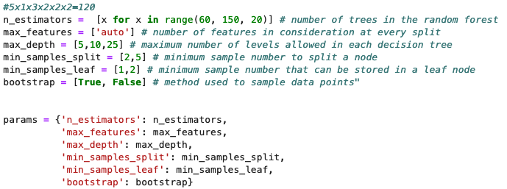 GridSearch (120 parameters x 3 folds)
3 | RandomForestClassifier(random_state=42 | SMOTE(sampling_strategy='not majority', random_state = 42) | RandomForestClassifier(random_state=42) | imbpipeline(steps = [('u', under), ('o', over), ('m', rf_model)]) | training:testing=8:2, cv: Stratified 3-fold, RandomSearch | Best Parameters: {'u__sampling_strategy': {0: 398880, 1: 620480, 2: 1108}, 'o__k_neighbors': 5, 'm__n_estimators': 120, 'm__min_samples_split': 5, 'm__min_samples_leaf': 1, 'm__max_features': 'auto', 'm__max_depth': 25, 'm__bootstrap': True} | 0.6494 | 0.6492 | 0.9570 | 5C: 95.0%, 5mC: 96.1%, 5hmC: 36.1% | 2021-10-21 | 1:21:52 | 466.85 GB |  |  | RandomSearch (120 parameters x 3 folds)
4 | EditedNearestNeighbours | SMOTE(sampling_strategy='not majority', random_state = 42) | RandomForestClassifier(random_state=42) | imbpipeline(steps = [('u', under), ('o', over), ('m', rf_model)]) | training:testing=8:2, cv: Stratified 3-fold, RandomSearch | Best Parameters: {'u__n_neighbors': 20, 'o__k_neighbors': 5, 'm__n_estimators': 40, 'm__min_samples_split': 10, 'm__min_samples_leaf': 1, 'm__max_features': 'auto', 'm__max_depth': 20, 'm__bootstrap': False} | 0.6467 | 0.6456 | 0.9436 | 5C: 92.7%, 5mC: 95.4%, 5hmC: 57.1% | 2021-10-21 | 7:15:27 | 667.29 GB | p2.sh |  | RandomSearch (120 parameters x 3 folds)
5 | EditedNearestNeighbours | SMOTE(sampling_strategy='not majority', random_state = 42) | RandomForestClassifier(random_state=42) | imbpipeline(steps = [('u', under), ('o', over), ('m', rf_model)]) | training:testing=8:2, cv: Stratified 3-fold, RandomSearch | Best Parameters: {'u__n_neighbors': 5, 'o__k_neighbors': 5, 'm__n_estimators': 20, 'm__min_samples_split': 5, 'm__min_samples_leaf': 1, 'm__max_features': 'auto', 'm__max_depth': 25, 'm__bootstrap': False} | 0.6540 | 0.6539 | 0.9689 | 5C: 92.7%, 5mC: 95.4%, 5hmC: 57.1% | 2021-10-23 | 6:15:47 | 616.04 GB | p2.sh, p2_rf_ENN_SMOTE_RandomCV.py |  | 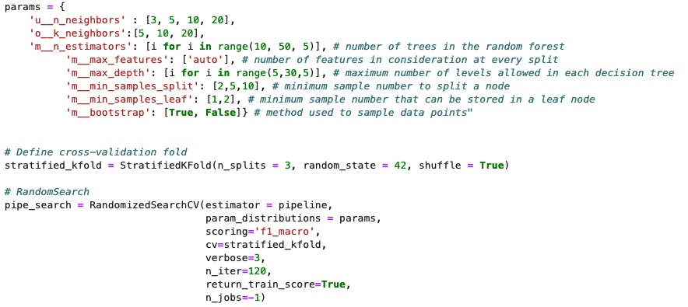 RandomSearch (120 parameters x 3 folds) (Different from 2021-10-21)
6 | N/A | SMOTE(random_state=42) | RandomForestClassifier(random_state=42) | imbpipeline(steps = [['smote', SMOTE(random_state=42)],['classifier', RandomForestClassifier(random_state=42)]]) | training:testing=8:2, cv: Stratified 3-fold, RandomSearch | SMOTE(random_state=42)),RandomForestClassifier(max_depth=5, min_samples_leaf=2,n_estimators=80, random_state=42))]) |  |  |  |  | 2021-10-08 |  |  | 2021-10-23/load_pkl.sh | 2021-10-08 log file is not saved for some reason | 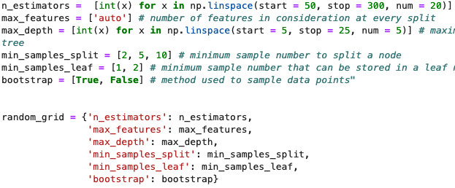 RandomSearch (30 parameters x 3 folds)
 |  |  |  |  |  |  | 0.6285 | 0.6338 | 0.9082 | 5C: 90.7%, 5mC: 90.9%, 5hmC: 80.5% | 2021-10-23 | 1:25:41 | 9.20 GB | 2021-10-23/load_pkl.sh | Load the saved model from 2021-10-08
7 | N/A | SMOTE(random_state=42) | RandomForestClassifier(random_state=42) | imbpipeline(steps = [['smote', SMOTE(random_state=42)],['classifier', RandomForestClassifier(random_state=42)]]) | training:testing=8:2, cv: Stratified 3-fold, RandomSearch | SMOTE(random_state=42)),RandomForestClassifier(max_depth=5, min_samples_leaf=2,n_estimators=80, random_state=42))]) | 0.6285 | 0.6284 | 0.8936 | 5C: 88.6%, 5mC: 89.8%, 5hmC: 86.3% | 2021-10-24 | 2:13:16 | 9.14 GB | run_model.sh, run_model.py |  | Rerun the model with the best parameter
8 | N/A | SMOTE(random_state=42) | RandomForestClassifier(random_state=13) | imbpipeline(steps = [['smote', SMOTE(random_state=42)],['classifier', RandomForestClassifier(random_state=13)]]) | training:testing=8:2, cv: Stratified 3-fold, GridSearch | Best Parameters: {'m__bootstrap': True, 'm__max_depth': 10, 'm__max_features': 'auto', 'm__min_samples_leaf': 2, 'm__min_samples_split': 2, 'm__n_estimators': 100, 'o__k_neighbors': 5} | 0.6345 | 0.6333 | 0.9084 | 5C: 89.5%, 5mC: 91.7%, 5hmC: 80.7% | 2021-10-23 | 8:15:33 | 603.48 GB | rf_SMOTE_GridSearch.sh, rf_SMOTE_GridSearch.py | Try to optimze the parameter from 2021-10-08 with Grid search | 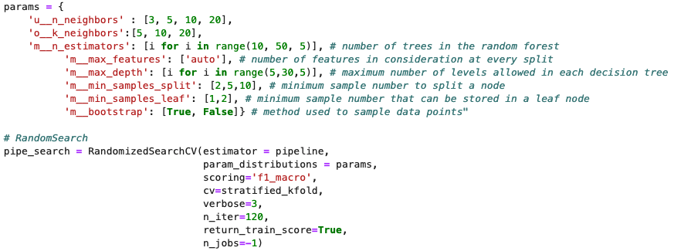 GridSearch(48 parameters x 3 folds), try to optimize parameters around 7
9 | N/A | SMOTE(random_state=42) | RandomForestClassifier(random_state=42) | imbpipeline(steps = [['smote', SMOTE(random_state=42)],['classifier', RandomForestClassifier(random_state=42)]]) | training:testing=8:2, cv: Stratified 3-fold, RandomSearch | Best Parameters: {'o__k_neighbors': 5, 'm__n_estimators': 80, 'm__min_samples_split': 2, 'm__min_samples_leaf': 2, 'm__max_features': 'auto', 'm__max_depth': 10, 'm__bootstrap': True} | 0.6345 | 0.6336 | 0.9091 | 5C: 89.7%, 5mC: 91.7%, 5hmC: 81.2% | 2021-10-23 | 3:38:04 | 582.79 GB | rf_SMOTE_randomCV_20.sh, rf_SMOTE_randomCV_20.py | Try to optimze the parameter from 2021-10-08 with random search | 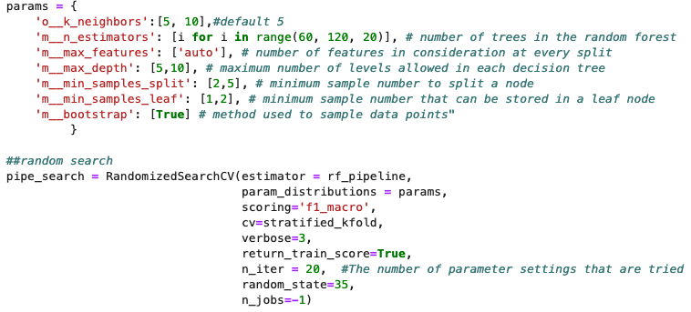 RandomSearch(20 parameters x 3 folds), try to optimize parameters around 7
10 | N/A | SMOTE(random_state=42) | RandomForestClassifier(random_state=13) | imbpipeline(steps = [['smote', SMOTE(random_state=42)],['classifier', RandomForestClassifier(random_state=13)]]) | training:testing=8:2, cv: Stratified 3-fold, RandomSearch | Best Parameters: {'o__k_neighbors': 5, 'm__n_estimators': 100, 'm__min_samples_split': 5, 'm__min_samples_leaf': 1, 'm__max_features': 'auto', 'm__max_depth': 25, 'm__bootstrap': True} | 0.6539 | 0.6537 | 0.9697 | 5C: 96.8%, 5mC: 97.1%, 5hmC: 24.3% | 2021-10-23 | 3:38:04 | 582.79 GB | rf_SMOTE_randomCV.sh, rf_SMOTE_randomCV.py | Try to optimze the parameter from 2021-10-08 with random search | 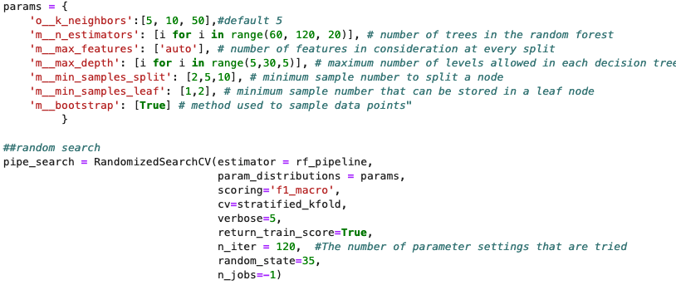 RandomSearch(120 parameters x 3 folds), try to optimize parameters around 7

Sheet2
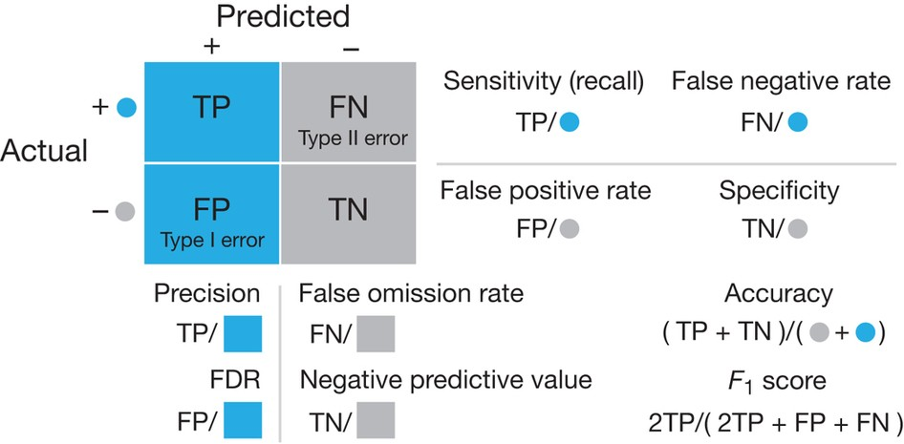
https://www.nature.com/articles/nmeth.3945

