www.btsj5.com_4th_Oct_2021
TextValue | NumericValue | DateValue | Image | OptionalText
 | 1452 | 2021-06-05 | 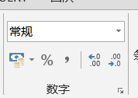
A17zxc | 1452 | 2021-06-06
A18zxc | 1452 | 2021-06-07
A19zxc | 1452 | 2021-06-08

