Test_execution
Testcase ID | Req_ID | Module Name | Test Scenario | Testcase title | Test Steps | Test data | Expected result | Actual result | Comments
TC_Myinfo_01 | 3.1 | ORHR_Myinfo | ESS user login | Verify ESS user login with Valid Username and Valid password | 1) Open Browser 2) launching application with url=https://opensource-demo.orangehrmlive.com/ web/index.php/auth/login 3) Provide valid username 4) provide valid password 5) click on Login Button | 1) username-Admin 2) password-admin123 | 1) login successful 2) user should view myinfo page. | 1) login successful as expected 2) user landing on Dashboard page instead of Myinfo page | Failed(P2)
TC_Myinfo_02 | 3.1 | ORHR_Myinfo | ESS user login | Verify ESS user login with Valid Username and invalid password | 1) Open Browser 2) launching application with url=https://opensource-demo.orangehrmlive.com/ web/index.php/auth/login 3) Provide valid username 4) provide invalid password 5) click on Login Button | 1) username-Admin 2) password-admin | Invalid credentials | As Expected | Passed
TC_Myinfo_03 | 3.1 | ORHR_Myinfo | ESS user login | Verify ESS user login with invalid Username and valid password | 1) Open Browser 2) launching application with url=https://opensource-demo.orangehrmlive.com/ web/index.php/auth/login 3) Provide invalid username 4) provide valid password 5) click on Login Button | 1) username-abc 2) password-admin123 | Invalid credentials | As Expected | Passed
TC_Myinfo_04 | 3.1 | ORHR_Myinfo | ESS user login | Verify ESS user login with invalid Username and invalid password | 1) Open Browser 2) launching application with url=https://opensource-demo.orangehrmlive.com/ web/index.php/auth/login 3) Provide invalid username 4) provide invalid password 5) click on Login Button | 1) username-admin 2) password-123 | Invalid credentials | As Expected | Passed

TC_Myinfo_05 | 3.1 | ORHR_Myinfo | ESS user can view personal details | verify ESS user can view personal details | 1) login OrangeHRM as ESS user 2) click on Myinfo tab | NA | user shoud view personal details | As Expected | Passed
TC_Myinfo_06 | 3.1 | ORHR_Myinfo | ESS user can edit personal details | verify ESS user can edit personal details in some fields | 1) login OrangeHRM as ESS user 2) click on Myinfo tab 3) Edit certain fields 4) click on Save Button | ● Firstname ● Middlename ● lastname ● Gender ● Marital status ● Nationality | 1)successfully updated 2) user should see edited details in the personal details | As Expected | Passed
TC_Myinfo_07 | 3.1 | ORHR_Myinfo | ESS user cannot edit personal details | verify ESS user cannot edit personal details | 1) login OrangeHRM as ESS user 2) click on Myinfo tab 3) provide data into following fields mentioned in testdata 4) click on Save Button | Personal Details ● Employee ID ● SSN No ● SIN No ● Driver License No ● Date of Birth | testdata fields should not be editable by ESS user | 1) ESS user can edit restricted personal details 2) SSN No and SIN No is not visible | Failed(S0 and P0)

TC_Myinfo_08 | 3.2 | ORHR_Myinfo | ESS User can add photograph | Verify ESS user is able to add photograph | 1) login OrangeHRM as ESS user 2) click on Myinfo tab 3) click on photograph at the corner section 4) click on "+" symbol 5) select photograph in browser window 6) click on Save button | 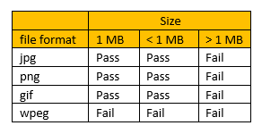 | 1) photograph selecetd should be populated in the photograph section 2) Size of photograph upto 1mb 3)recommended dimension is 200*200 pixcel 4) photograph file type should jpg, png, gif format | 1) photograph populated in the photograph section As Expected 2) size of photograph upto 1mb As Expected 3)photograph file type jpg, png, gif format As Expected 4)recommended dimension is 200*200 pixcel. But accepts more than recommended 225*224 | Failed(P1 and S2)
TC_Myinfo_09 | 3.3 | ORHR_Myinfo | ESS user can view contact details | Verify ESS user able to view contatct details | 1) login orangeHRM as ESS user 2) click on Myinfo tab 3) click on contacy details | NA | ESS user should view contact details | As Expected | Passed
TC_Myinfo_10 | 3.3 | ORHR_Myinfo | ESS user can edit contact details | Verify ESS user able to edit contact details | 1) login OrangeHRM as ESS user 2) click on Myinfo tab 3) click on contacy details 4) edit : Country(select dropdown) ,Street 1 , Street 2 ,City/Town, State/Province,ZIP Code,Home Telephone,Mobile,Work Telephone,Work Email,Other Email 5) click Save button |  | 1) Successfully updated message should be displayed 2)User should view edited details in Contact details | As Expected | Passed
TC_Myinfo_11 | 3.4 | ORHR_Myinfo | ESS User can add Emergency Contact | verify ESS user able to add emergency contact details | 1) login orangeHRM as ESS user 2) click on Myinfo tab 3) click on Emergency contact 4) click on add button 5) edit fields: ●Name(Required field) ●Relationship(Required field) ●Home telephone(Required field) ●Mobile ● work Telephone 6) click on Save button |  | 1) Successful Saved message should display 2) ESS user should view emergency contact details | As Expected | Passed
TC_Myinfo_12 | 3.4 | ORHR_Myinfo | ESS User can add multiple Emergency Contact | verify ESS user able to add multiple emergency contact | 1) login orangeHRM as ESS user 2) click on Myinfo tab 3) click on Emergency contact 4) click on add button 5) edit fields: ●Name(Required field) ●Relationship(Required field) ●Home telephone(Required field) ●Mobile ● work Telephone 6) click on Save button |  | 1) Successful Saved message should display 2) ESS user should view multuple emergency contact details | As Expected | Passed
TC_Myinfo_13 | 3.4 | ORHR_Myinfo | ESS user can delete emergency contact | verify user able to delete emergency contact | 1) login orangeHRM as ESS user 2) click on Myinfo tab 3) click on Emergency contact 4) click on checkbox of particular entry 5) click on delete buton 6) click on 'YES delete' in the alert box |  | 1) 'Successfully deleted' message should be displayed 2) Emergency contcact details should disappear from table | As Expected | Passed
TC_Myinfo_14 | 3.4 | ORHR_Myinfo | ESS user can delete multiple emergency contact | verify user able to delete multiple emergency contact at same time | 1) login orangeHRM as ESS user 2) click on Myinfo tab 3) click on Emergency contact 4) click on checkboxes of multiple entries at same time 5) click on delete buton 6) click on 'YES delete' in the alert box |  | 1) 'Successfully deleted' message should be displayed 2) multiple Emergency contcact details should disappear from table | As Expected | Passed
TC_Myinfo_15 | 3.5 | ORHR_Myinfo | ESS user can add Dependents | verify user able to add Dependents | 1) login orangeHRM as ESS user 2) click on Myinfo tab 3) click on Dependents 4) click on Add button 5) Provide data: ● Name(required filed) ● Relationship(required field) ● please specify(required field) Date of Birth 6) click on Save button |  | 1) 'Successfully saved' message should be displayed 2) ESS user should view Dependent details | As Expected | Passed
TC_Myinfo_16 | 3.5 | ORHR_Myinfo | ESS user can add multiple Dependents | verify user able to add multiple Dependents | 1) login orangeHRM as ESS user 2) click on Myinfo tab 3) click on Dependents 4) click on Add button 5) Provide data: ● Name(required filed) ● Relationship(select dropdown)(required field) ● please specify(required field) Date of Birth 6) click on Save button |  | 1) 'Successfully saved' message should be displayed 2) ESS user should view multiple Dependent details | As Expected | Passed
TC_Myinfo_17 | 3.5 | ORHR_Myinfo | ESS user can delete Dependents | verify user able to delete Dependents | 1) login orangeHRM as ESS user 2) click on Myinfo tab 3) click on Dependents 4) click on checkbox next to particular entry 5) click on delete button of particular entry 6) click on 'YES delete' in the alert box |  | 1) 'Successfully deleted' message should be displayed 2) Dependents should disappear from the table | As Expected | Passed
TC_Myinfo_18 | 3.5 | ORHR_Myinfo | ESS user can delete multiple Dependents | verify user able to delete multiple Dependents | 1) login orangeHRM as ESS user 2) click on Myinfo tab 3) click on Dependents 4) click on multiple checkbox next to particular entry 5) click on delete selected 6) click on 'YES delete' in the alert box |  | 1) 'Successfully deleted' message should be displayed 2) multuple Dependent detail selected should disappear from the table | As Expected | Passed
TC_Myinfo_19 | 3.6 | ORHR_Myinfo | ESS user can add immigration details | verify user able to add immigration details | 1) login orangeHRM as ESS user 2) click on Myinfo tab 3) click on immigration 4) click on add button 5) select document radio button (Passport / Visa) 6) Provide data ● Number(required field) ● Issued date ● Expired date ● Eligible status ● Issued by(select dropdown country) ● Eligible review date ● comments 7) click on Save button |  | 1) 'Successfully saved' message should be displayed 2) ESS user should view immigration details ● Document ● Number ● Issued By ● Issued Date ● Expiry Date | As Expected | Passed
TC_Myinfo_20 | 3.6 | ORHR_Myinfo | ESS user can add multiple immigration details | verify user able to multiple immigration details | 1) login orangeHRM as ESS user 2) click on Myinfo tab 3) click on immigration 4) click on add button 5) select document radio button (Passport / Visa) 6) Provide data ● Number(required field) ● Issued date ● Expired date ● Eligible status ● Issued by(select dropdown country) ● Eligible review date ● comments 7) click on Save button |  | 1)' Successfully saved' message should be displayed 2) ESS user should view multiple immigration details ● Document ● Number ● Issued By ● Issued Date ● Expiry Date | As Expected | Passed
TC_Myinfo_21 | 3.6 | ORHR_Myinfo | ESS user can delete immigration details | verify user able to delete immigration details | 1) login orangeHRM as ESS user 2) click on Myinfo tab 3) click on immigration 4) click on checkbox next to particular entry 5) click on delet button of particular entry 6) click on 'YES delete' in the alert box |  | 1) 'Successfully deleted' message should be displayed 2) immigration detail should be disappeared from the table | As Expected | Passed
TC_Myinfo_22 | 3.6 | ORHR_Myinfo | ESS user can delete multiple immigration details | verify user able to delete multiple immigration details at same time | 1) login orangeHRM as ESS user 2) click on Myinfo tab 3) click on immigration 4) click on multiple checkbox next to particular entry 5) click on delet selected 6) click on 'YES delete' in the alert box |  | 1) 'Successfully deleted' message should be displayed 2) multiple immigration detail selected should be disappeared from the table | As Expected | Passed
TC_Myinfo_23 | 3.7 | ORHR_Myinfo | ESS user can not make changes in the job details | verify user not able to make changes to job | 1) login orangeHRM as ESS user 2) click on Myinfo tab 3) click on job 4) provide data in these fields: ● Job Title ● Jobs Specification ● Employment Status ● Job Category ● Joined Date ● Sub Unit ● Location ● Employment Contract Start Date ● Employment Contract End Date ● Attachments 1) login orangeHRM as ESS user 2) click on Myinfo tab 3) click on job |  | ESS user should be restricted from editing fields | As Expected | Passed
TC_Myinfo_24 | 3.8 | ORHR_Myinfo | ESS user completely hidden from viewing salary details | verify user able to view salary details | 1) login orangeHRM as ESS user 2) click on Myinfo tab 3) click on job 4) hidden field details: ● Salary Component ● Pay Frequency ● Currency ● Amount ● Comments ● Direct Deposit Details ●Attachments |  | ESS user should be completely hidden from viewing salary details | As Expected | Passed
TC_Myinfo_25 | 3.9 | ORHR_Myinfo | ESS user can not make changes in the report-to supervisor | verify user able to make changes in report-to supervisor | 1) login orangeHRM as ESS user 2) click on Myinfo tab 3) click on report-to |  | 1) restricted from editing the following fields: ● Assigned Supervisors ● Assigned Subordinates ● Attachments 2) user should see 'Assigned supervisors and Assigned subordinates' | As Expected | Passed
TC_Myinfo_26 | 3.10 | ORHR_Myinfo | ESS user can enter Experiences in Qualification section | verify user able to provide data in Work experience field | 1) login orangeHRM as ESS user 2) click on Myinfo tab 3) click on Qualifications 4) click on add next to work experience 5) provide details ● Company(required) ● Job Title(required) ● From ● To ● Comment 6) click on Save button |  | 1) 'Successfully saved' message should be displayed. 2) ESS user should view work experience inside the table under work experience. | As Expected | Passed
TC_Myinfo_27 | 3.10 | ORHR_Myinfo | ESS user can enter Experiences in Qualification section | verify user able to provide multiple work experience | 1) login orangeHRM as ESS user 2) click on Myinfo tab 3) click on Qualifications 4) click on add next to work experience 5) provide data ● Company(required) ● Job Title(required) ● From ● To ● Comment 6) click on Save button |  | 1) 'Successfully saved' message should be displayed. 2) ESS user should view multiple work experience inside the table under work experience. | As Expected | Passed
TC_Myinfo_28 | 3.10 | ORHR_Myinfo | ESS user can delete Experiences in Qualification section | verify user able to delete work experience | 1) login orangeHRM as ESS user 2) click on Myinfo tab 3) click on Qualifications 4) click on checkbox next to particular entry 5) click on delet button of particular entry 6) click on 'YES delete' in the alert box |  | 1) 'Successfully deleted' message should be displayed 2) work experience details should disappear from the table under work experience | As Expected | Passed
TC_Myinfo_29 | 3.10 | ORHR_Myinfo | ESS user can delete Experiences in Qualification section | verify user able to delete multiple work experience | 1) login orangeHRM as ESS user 2) click on Myinfo tab 3) click on Qualifications 4) under education click on multiple checkbox next to particular entry 5) click on delete selected button 6) click on 'YES delete' in the alert box |  | 1) 'Successfully deleted' message should be displayed 2) multiple work experience details should disappear from the table under work experience | As Expected | Passed
TC_Myinfo_30 | 3.10 | ORHR_Myinfo | ESS user can enter Education in Qualification section | verify user able to provide education details in Eduction field | 1) login orangeHRM as ESS user 2) click on Myinfo tab 3) click on Qualifications 4) click on Add button next to Education 5) provide data into these fields: ● Level (select dropdown)(required) ● Institute ● Major/Specialization ● Year ● GPA/Score ● Start Date ● End Date 6) click on save button |  | 1) 'Successfully saved' message should be displayed. 2) ESS user should view particular education details( ● Level ● Year ● GPA/Score ) inside the table under Education field | As Expected | Passed
TC_Myinfo_31 | 3.10 | ORHR_Myinfo | ESS user can enter Education in Qualification section | verify user able to provide multiple education details in Eduction field | 1) login orangeHRM as ESS user 2) click on Myinfo tab 3) click on Qualifications 4) click on Add button next to Education 5) provide data into these fields: ● Level ● Year ● GPA/Scoren 6) click on save button |  | 1) 'Successfully saved' message should be displayed. 2) ESS user should view particular education details( ● Level ● Year ● GPA/Score ) inside the table under Education field | As Expected | Passed
TC_Myinfo_32 | 3.10 | ORHR_Myinfo | ESS user can delete Education in Qualification section | verify user able to delete education details in Eduction field | 1) login orangeHRM as ESS user 2) click on Myinfo tab 3) click on Qualifications 4) click on checkbox next to particular entry 5) click on delete button 6) click on 'yes delete' in the alert box |  | 1) 'Successfully deleted' message should be displayed 2)education details should be disappeared from the table under Education field | As Expected | Passed
TC_Myinfo_33 | 3.10 | ORHR_Myinfo | ESS user can delete Education in Qualification section | verify user able to delete multiple education details in Eduction field | 1) login orangeHRM as ESS user 2) click on Myinfo tab 3) click on Qualifications 4) click on multiple checkbox next to particular entry 5) click on delete selected button 6) click on 'yes delete' in the alert box |  | 1) 'Successfully deleted' message should be displayed 2)multiple selected education details should be disappeared from the table under Education field | As Expected | Passed
TC_Myinfo_34 | 3.10 | ORHR_Myinfo | ESS user can enter Skills in Qualification section | verify user able to provide skills in skills field | 1) login orangeHRM as ESS user 2) click on Myinfo tab 3) click on Qualifications 4) click on Add button next to Skills 5) provide data into these fields: ● skills(select dropdown)(required) ● years of Expereience |  | 1) 'Successfully saved' message should be displayed. 2) ESS user should view ● skill ● Year of experience inside the table under Education field | As Expected | Passed
TC_Myinfo_35 | 3.10 | ORHR_Myinfo | ESS user can enter Skills in Qualification section | verify user able to provide multiple skills in skills field | 1) login orangeHRM as ESS user 2) click on Myinfo tab 3) click on Qualifications 4) click on Add button next to Skills 5) provide data into these fields: ● skills(select dropdown)(required) ● years of Expereience |  | 1) 'Successfully saved' message should be displayed. 2) ESS user should view multiple ● skill ● Year of experience inside the table under skills field | As Expected | Passed
TC_Myinfo_36 | 3.10 | ORHR_Myinfo | ESS user can delete Skills in Qualification section | verify user able to delete skills in skills field | 1) login orangeHRM as ESS user 2) click on Myinfo tab 3) click on Qualifications 4) under skills click on checkbox next to particular entry 5) click on delete button 6) click on 'yes delete' in the alert box |  | 1) 'Successfully deleted' message should be displayed 2)skills details should be disappeared from the table under skills field | As Expected | Passed
TC_Myinfo_37 | 3.10 | ORHR_Myinfo | ESS user can delete multiple Skills in Qualification section | verify user able to delete multiple skills in skills field | 1) login orangeHRM as ESS user 2) click on Myinfo tab 3) click on Qualifications 4) under skills click on multiple checkbox next to particular entry 5) click on delete selected button 6) click on 'yes delete' in the alert box |  | 1) 'Successfully deleted' message should be displayed 2)multiple skills should be disappeared from the table under skills field | As Expected | Passed
TC_Myinfo_38 | 3.10 | ORHR_Myinfo | ESS user can add languages in Qualification section | verify user able to add languages | 1) login orangeHRM as ESS user 2) click on Myinfo tab 3) click on Qualifications 4) click on Add next to Languages 5) Select ● Language (select dropdown)(required) ● Fluency(select dropdown)(required) ● Competency(select ● comments 6) click on Save button |  | 1) 'Successfully saved' message should be displayed. 2) ESS user should view details under Languages. ● Language ● Fluency ● Competency ● Comments | As Expected | Passed
TC_Myinfo_39 | 3.10 | ORHR_Myinfo | ESS user can add multiple languages in Qualification section | verify user able to add multiple languages | 1) login orangeHRM as ESS user 2) click on Myinfo tab 3) click on Qualifications 4) click on Add next to Languages 5) Select ● Language (select dropdown)(required) ● Fluency(select dropdown)(required) ● Competency(select ● comments 6) click on Save button |  | 1) 'Successfully saved' message should be displayed. 2) ESS user should view multiple languages details under Languages field. ● Language ● Fluency ● Competency ● Comments | As Expected | Passed
TC_Myinfo_40 | 3.10 | ORHR_Myinfo | ESS user can delete language in Qualification section | verify user able to delete language | 1) login orangeHRM as ESS user 2) click on Myinfo tab 3) click on Qualifications 4) under languages click on checkbox next to particular entry 5) click on delete button 6) click on 'yes delete' in the alert box |  | 1) 'Successfully deleted' message should be displayed 2)language should be disappeared from the table under language field | As Expected | Passed
TC_Myinfo_41 | 3.10 | ORHR_Myinfo | ESS user can delete multiple languages in Qualification section | verify user able to delete multiple languages | 1) login orangeHRM as ESS user 2) click on Myinfo tab 3) click on Qualifications 4) under languages click on multiple checkboxes next to particular entry 5) click on delete selected button 6) click on 'yes delete' in the alert box |  | 1) 'Successfully deleted' message should be displayed 2)multiple selected languages should be disappeared from the table under language field | As Expected | Passed
TC_Myinfo_42 | 3.10 | ORHR_Myinfo | ESS user can add license in Qualification section | verify user able to add license | 1) login orangeHRM as ESS user 2) click on Myinfo tab 3) click on Qualifications 4) click on 'Add' next to License 5) Select ● License type(select dropdown)(required) ● Enter License number(required) ● issued date(select) ● Expiry date(select) 6) click on Save button |  | 1) 'Successfully saved' message should be displayed. 2) ESS user should view details under License. ● License type ● issued date ● expired date | As Expected | Passed
TC_Myinfo_43 | 3.10 | ORHR_Myinfo | ESS user can add multiple license in Qualification section | verify user able to add multiple license | 1) login orangeHRM as ESS user 2) click on Myinfo tab 3) click on Qualifications 4) click on 'Add' next to License 5) Select ● License type(select dropdown)(required) ● Enter License number(required) ● issued date(select) ● Expiry date(select) 6) click on Save button |  | 1) 'Successfully saved' message should be displayed. 2) ESS user should view multiple license details under License field. ● License type ● issued date ● expired date | As Expected | Passed
TC_Myinfo_44 | 3.11 | ORHR_Myinfo | ESS user can add memberships details | verify user able to add membership details | 1) login orangeHRM as ESS user 2) click on Myinfo tab 3) click on Memberships 4) click on 'Add' button next to Assigned Memberships 5) provide data ● Membership(select dropdown)(required) ● Subscription Paid By(select dropdown) ● enter Subscription Amount ● currency (select dropdown) ● Subscription Commence Date ● Subscription Renewal Date 6) click on save button |  | 1) 'Successfully saved' message should be displayed. 2) ESS user should view details under Assigned membership. ● Membership ● Subscription Paid By ● Subscription Amount ● Currency ● Subscription commence date ● Subscription Renewal Date | As Expected | Passed
TC_Myinfo_45 | 3.11 | ORHR_Myinfo | ESS user can add memberships details | verify user able to add multiple membership details | 1) login orangeHRM as ESS user 2) click on Myinfo tab 3) click on Memberships 4) click on 'Add' button next to Assigned Memberships 5) provide data ● Membership(select dropdown)(required) ● Subscription Paid By(select dropdown) ● enter Subscription Amount ● currency (select dropdown) ● Subscription Commence Date ● Subscription Renewal Date 6) click on save button |  | 1) 'Successfully saved' message should be displayed. 2) ESS user should view multiple membership details under Assigned membership. ● Membership ● Subscription Paid By ● Subscription Amount ● Currency ● Subscription commence date ● Subscription Renewal Date | As Expected | Passed
TC_Myinfo_46 | 3.11 | ORHR_Myinfo | ESS user can delete memberships details | verify user able to delete membership details | 1) login orangeHRM as ESS user 2) click on Myinfo tab 3) click on Memberships 4) under Assigned membership click on checkbox next to particular entry 5) click on delete button 6) click on 'yes delete' in the alert box |  | 1) 'Successfully deleted' message should be displayed 2) membership details should disappear from the table under Assigned membership | As Expected | Passed
TC_Myinfo_46 | 3.11 | ORHR_Myinfo | ESS user can delete multiple memberships details | verify user able to delete multiple membership details | 1) login orangeHRM as ESS user 2) click on Myinfo tab 3) click on Memberships 4) under Assigned membership click on multiple checkbox next to particular entry 5) click on delete selected button 6) click on 'yes delete' in the alert box |  | 1) 'Successfully deleted' message should be displayed 2) multiuple membership details should be disappeared from the table under Assigned membership | As Expected | Passed

BugReport
QA |  |  |  |  |  |  |  |  |  |  | Dev
Bug ID | ModuleName | Build No | Description | TCID | Steps to replicate bug | Screenshot | Seviority | Priority | Reported By | Assigned to | Resolution | Status | Fixed Date
ORHRM_01 | Myinfo | 1 | User landing on dashboard page instead of myinfopage after login successful | TC_Myinfo_01 | 1) Open Browser 2) launching application with url=https://opensource-demo.orangehrmlive.com/ web/index.php/auth/login 3) Provide valid username 4) provide valid password 5) click on Login Button | 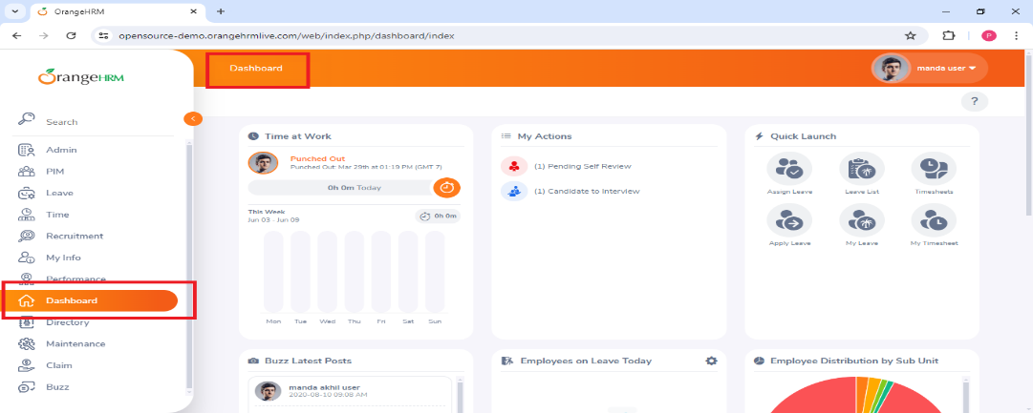 | S3 | P3 | Pandu Kumar | Dev | Accepted | open

ORHRM_02 | Myinfo | 1 | ESS user can edit restricted personal details | TC_Myinfo_07 | 1) login OrangeHRM as ESS user 2) click on Myinfo module 3) provide data : Personal Details ● Employee ID ● SSN No ● SIN No ● Driver License No ● Date of Birth 4) click on Save Button | 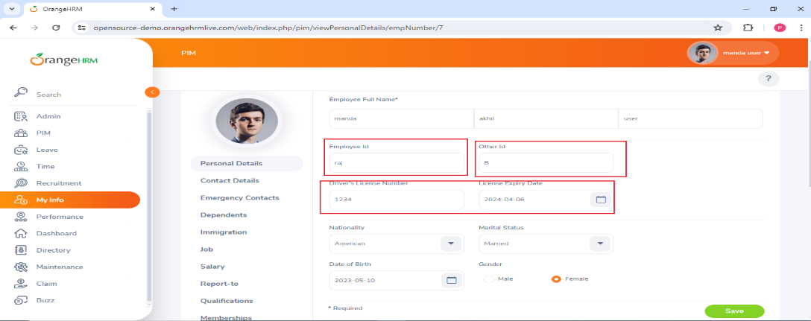 | S0 | P0 | Pandu Kumar | Dev | Accepted | In-progress
ORHRM_03 | Myinfo | 1 | ESS user can upload photograph of dimensions more than 200*200 pixcel | TC_Myinfo_08 | 1) login OrangeHRM as ESS user 2) click on Myinfo module 3) click on photograph at the corner section 4) click on "+" symbol 5) select photograph in browser window 6) click on Save button |  | S2 | P1 | Pandu Kumar | Dev | Accepted | Open

