Sheet1
Nama : Pandu wiguna ruswandi (20240040258)
Kelas : TI24F
Matkul : Machine Learning

No | Temperature | Headache | Nausea | Flu
1 | High | Yes | No | Yes
2 | Very High | Yes | Yes | Yes
3 | Normal | No | No | No
4 | High | Yes | Yes | Yes
5 | High | No | Yes | No
6 | Normal | Yes | No | No
7 | Normal | No | Yes | No

Target flu decision
Yes = 3
No = 4

1. Hitung gini Dataset (untuk akar)
Gini = 1 - (p1^2 + p2^2)
Pyes = 3/7
Pno = 4/7
Gini(S) = 1 - ((3/7)^2 + (4/7)^2) = 1 - (9/49 + 16/49^2) = 1 - 25/49 = 24/49 = 0.4892.

2. Hitung gini tiap atribut (untuk menentukan akar)
A. Temperature
HIGH
Data : (1,4,5) |  | Gini= 1 - ((2/3)^2 + (1/3)^2) = 1 - (4/9 + 1/9) = 4/9 = 0.444
yes : 2
No : 1

VERY HIGH
DATA:(2) |  | Gini = 0
Yes 1: 1
No : 1

NORMAL
DATA : (3,6,7) |  | Gini = 0
Yes : 0
No : 3

Gini total temperature = (3/7)(0.444) + (1/7)(0) + (3/7)(0) = 0.190

B. Headache
Yes
Data : (1,2,4,6) |  | Gini = 1 - ((3/4)^2 + (1/4)^2) = 1 - (9/16 + 1/16) = 6/16 = 0.375
Yes : 3
No : 1

No
Data : (3,5,7) |  | Gini = 0
Yes : 0
No : 3

Gini headache = (4/7)(0.375) + (3/7)(0) = (0.214)

C. Nausea
Yes
Data : (2,4,5,7) |  | Gini = 1 - (0.5^2 + 0.5^2) = 0.5
Yes : 2
No : 2

No
Data : (1,3,6) |  | Gini = 1 - ((1/3^2 + (2/3)^2)) = 4/9 = 0.444
Yes : 1
No : 2

Gini Nausea = (4/7)(0.5) + (3/7)(0.444) = 0.476

3. Menentukan akar pohon
Atribut | Gini
Temperature | 0.190
Headache | 0.214
Nausea | 0.476

Gini terkecil = Temperature

4. Percabangan Root
Temperature = Very high |  |  | Temperature = Normal |  | Temperature = HIGH
Data : (2) |  |  | Data : (3,6,7) |  | Data : (3,6,7)
Flu = yes |  |  | Flu = No semua |  | No | Headache | Nausea | Flu
LEAF = YES |  |  | LEAF = NO |  | 1 | yes | no | yes
 |  |  |  |  | 4 | yes | yes | yes
 |  |  |  |  | 5 | no | yes | no

5. Hitung Gini subset (Temperature = high)
A. Headhache
Yes |  | No
1.4 |  | 5
Yes : 2 |  | Yes : 0
No : 0 |  | No : 1
Gini : 0 |  | Gini : 0
 | Total Gini : 0

6. Pohon keputusan
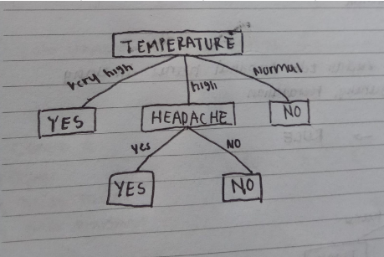

7. Bentuk keputusan
IF Temperature = very high -> flu = yes
IF Temperature = normal-> flu = no
IF Temperature = high AND Headache = yes -> flu = yes
IF Temperature = high AND Headache = no -> flu = no

