The Black-Scholes model
The Black-Scholes Model is a mathematical model used to estimate the price of European-style options (call and put).
The model requires the following inputs to estimate the price of an option:
S = current stock price
K = strike price or exercise price
r = risk free rate of interest
σ = implied volatility
t = time to maturity (in years)
The pricing model is:
- Call option price
- Put option price
where
N(x) is the cumulative probability distribution function for the standardized normal distribution (mean = 0 and standard deviation = 1). In other words, it the probability that a variable with standard normal distribution N(0, 1) will be less than x.

The Black-Scholes model implementation

Input Parameters: |  |  |  |  | Calculations: |  |  |  |  |  | Result: |  | Result via VBA
S - current stock price | K - strike price | r - risk free rate | σ - implied volatility | t- time to maturity | d1 | d2 | N(d1) | N(d2) | N(-d1) | N(-d2) | C - call option price | P - put option price | C - call option price | P - put option price
65.730003 | 65.730003 | 0.001 | 0.18279179562 | 1 | 0.096866602863 | -0.085925192756 | 0.53858383445 | 0.46576294232 | 0.46141616555 | 0.53423705768 | 4.8171167553 | 4.7514196064 | 4.8171167553 | 4.7514196064

Microsoft stock price
Microsoft stock price from Yahoo Finance

Source: https://finance.yahoo.com |  |  |  |  |  |  |  | Additional Data:
Date | Open | High | Low | Close | Volume | Adj Close | Stock return | Risk free rate | Time to expiry (year) | Exercise price | Volatility (calculated)
2017-04-04 | 65.389999 | 65.809998 | 65.279999 | 65.730003 | 12981200 | 65.730003 | 0.0027459952977 | 0.001 | 1 | 65.730003 | 0.18279179562
2017-04-03 | 65.809998 | 65.940002 | 65.190002 | 65.550003 | 20352800 | 65.550003 | -0.0047069237062
Stock Price
2017-03-31 | 65.650002 | 66.190002 | 65.449997 | 65.860001 | 21001100 | 65.860001 | 0.0022827880427
2017-03-30 | 65.419998 | 65.980003 | 65.360001 | 65.709999 | 15100400 | 65.709999 | 0.003665770526
2017-03-29 | 65.120003 | 65.5 | 64.949997 | 65.470001 | 13512400 | 65.470001 | 0.002756930575
2017-03-28 | 64.959999 | 65.470001 | 64.650002 | 65.290001 | 20039300 | 65.290001 | 0.0029186329622
2017-03-27 | 64.629997 | 65.220001 | 64.349998 | 65.099998 | 18550200 | 65.099998 | 0.0018466450363
2017-03-24 | 65.360001 | 65.449997 | 64.760002 | 64.980003 | 22373200 | 64.980003 | 0.0016956990121
2017-03-23 | 64.940002 | 65.239998 | 64.769997 | 64.870003 | 18819600 | 64.870003 | -0.0024603414187
2017-03-22 | 64.120003 | 65.139999 | 64.120003 | 65.029999 | 20632800 | 65.029999 | 0.012770596679
2017-03-21 | 65.190002 | 65.5 | 64.129997 | 64.209999 | 26191800 | 64.209999 | -0.011088880333
2017-03-20 | 64.910004 | 65.18 | 64.720001 | 64.93 | 12744200 | 64.93 | 0.00092488048752
2017-03-17 | 64.910004 | 65.239998 | 64.68 | 64.870003 | 48994700 | 64.870003 | 0.0035582302531
2017-03-16 | 64.75 | 64.760002 | 64.300003 | 64.639999 | 20532600 | 64.639999 | -0.0016988571429
2017-03-15 | 64.550003 | 64.919998 | 64.25 | 64.75 | 20501900 | 64.75 | 0.0052786210043
2017-03-14 | 64.529999 | 64.550003 | 64.150002 | 64.410004 | 14263700 | 64.410004 | -0.0046359914176
2017-03-13 | 65.010002 | 65.190002 | 64.57 | 64.709999 | 19551800 | 64.709999 | -0.0033882796858
2017-03-10 | 65.110001 | 65.260002 | 64.75 | 64.93 | 19528300 | 64.93 | 0.0030897109645
2017-03-09 | 65.190002 | 65.199997 | 64.480003 | 64.730003 | 19772700 | 64.730003 | -0.0040005386675 | For analysis Adjusted closing price is used
2017-03-08 | 64.260002 | 65.080002 | 64.25 | 64.989998 | 20961700 | 64.989998 | 0.0091614282869
2017-03-07 | 64.190002 | 64.779999 | 64.190002 | 64.400002 | 18300700 | 64.400002 | 0.0020227945553
Call & Put options price calculation
2017-03-06 | 63.970001 | 64.559998 | 63.810001 | 64.269997 | 17487700 | 64.269997 | 0.00031123735409
2017-03-03 | 63.990002 | 64.279999 | 63.619999 | 64.25 | 18135900 | 64.25 | 0.0037493827918
2017-03-02 | 64.690002 | 64.75 | 63.880001 | 64.010002 | 24510900 | 64.010002 | -0.01432091117
2017-03-01 | 64.129997 | 64.989998 | 64.019997 | 64.940002 | 26763800 | 64.940002 | 0.015004720225
2017-02-28 | 64.080002 | 64.199997 | 63.759998 | 63.98 | 23043900 | 63.98 | -0.0038923087081 | Step 1 "Volatility calculation"
2017-02-27 | 64.540001 | 64.540001 | 64.050003 | 64.230003 | 15850400 | 64.230003 | -0.0060352829139 | Annual standard deviation of stock returns |  |  | 0.18279179562
2017-02-24 | 64.529999 | 64.800003 | 64.139999 | 64.620003 | 21705200 | 64.620003 | 0
2017-02-23 | 64.419998 | 64.730003 | 64.190002 | 64.620003 | 20235200 | 64.620003 | 0.004039807271 | Step 2 "Option prices models ussage"
Step 1 - Go To Sheet name "The Black-Scholes model"
Step 2 - Fill model parameters
Step 3 - Find result data
Step 4 - Go To Sheet name "Binomial Model"
Step 5 - Fill model parameters
Step 6 - Find result data
2017-02-22 | 64.330002 | 64.389999 | 64.050003 | 64.360001 | 19259700 | 64.360001 | -0.0020157699493
2017-02-21 | 64.610001 | 64.949997 | 64.449997 | 64.489998 | 19384900 | 64.489998 | -0.0020118383467
2017-02-17 | 64.470001 | 64.690002 | 64.300003 | 64.620003 | 21234600 | 64.620003 | 0.0015500000721
2017-02-16 | 64.739998 | 65.239998 | 64.440002 | 64.519997 | 20524700 | 64.519997 | -0.0001549976779
2017-02-15 | 64.5 | 64.57 | 64.160004 | 64.529999 | 16917000 | 64.529999 | -0.00061949821899
2017-02-14 | 64.410004 | 64.720001 | 64.019997 | 64.57 | 23065900 | 64.57 | 0.003730763252
2017-02-13 | 64.239998 | 64.860001 | 64.129997 | 64.720001 | 22920100 | 64.33 | 0.011250010965
2017-02-10 | 64.25 | 64.300003 | 63.98 | 64 | 18170700 | 63.614338 | -0.00093658360322
2017-02-09 | 63.52 | 64.440002 | 63.32 | 64.059998 | 22644400 | 63.673974 | 0.011367187956
2017-02-08 | 63.57 | 63.810001 | 63.220001 | 63.34 | 18096400 | 62.958315 | -0.0014188923057 | Black-Scholes pricing model result: |  |  | Binimial Option pricing model result:
2017-02-07 | 63.740002 | 63.779999 | 63.23 | 63.43 | 20277200 | 63.047773 | -0.0032998028171 | Call | Put |  | Call | Put
2017-02-06 | 63.5 | 63.650002 | 63.139999 | 63.639999 | 19796400 | 63.256507 | -0.00062815710759 | 4.8171167553 | 4.7514196064 |  | 5.0593958569 | 4.993698708
2017-02-03 | 63.5 | 63.700001 | 63.07 | 63.68 | 30301800 | 63.296267 | 0.0080734885276
2017-02-02 | 63.25 | 63.41 | 62.75 | 63.169998 | 45827000 | 62.789338 | -0.0064486262302
2017-02-01 | 64.360001 | 64.620003 | 63.470001 | 63.580002 | 39671500 | 63.196871 | -0.01655065358
2017-01-31 | 64.860001 | 65.150002 | 64.260002 | 64.650002 | 25270500 | 64.260423 | -0.0073698058835
2017-01-30 | 65.690002 | 65.790001 | 64.800003 | 65.129997 | 31651400 | 64.737526 | -0.0098814366475
2017-01-27 | 65.389999 | 65.910004 | 64.889999 | 65.779999 | 44818000 | 65.38361 | 0.023494652105
2017-01-26 | 64.120003 | 64.540001 | 63.549999 | 64.269997 | 43554600 | 63.882708 | 0.0092650171613
2017-01-25 | 63.950001 | 64.099998 | 63.450001 | 63.68 | 23672700 | 63.296267 | 0.0025188941213
2017-01-24 | 63.200001 | 63.740002 | 62.939999 | 63.52 | 24672900 | 63.137231 | 0.0088945610049
2017-01-23 | 62.700001 | 63.119999 | 62.57 | 62.959999 | 23097600 | 62.580604 | 0.003506498163
2017-01-20 | 62.669998 | 62.82 | 62.369999 | 62.740002 | 30213500 | 62.361932 | 0.0070626396326
2017-01-19 | 62.240002 | 62.98 | 62.200001 | 62.299999 | 18451700 | 61.924581 | -0.0032000192134
2017-01-18 | 62.669998 | 62.700001 | 62.119999 | 62.5 | 19670100 | 62.123377 | -0.0004797500756
2017-01-17 | 62.68 | 62.700001 | 62.029999 | 62.529999 | 20664000 | 62.153195 | -0.0027113464531
2017-01-13 | 62.619999 | 62.869999 | 62.349998 | 62.700001 | 19422300 | 62.322172 | 0.0014374593813
2017-01-12 | 63.060001 | 63.400002 | 61.950001 | 62.610001 | 20968200 | 62.232715 | -0.0091786368046
2017-01-11 | 62.610001 | 63.23 | 62.43 | 63.189999 | 21517300 | 62.809218 | 0.0091025200998
2017-01-10 | 62.73 | 63.07 | 62.279999 | 62.619999 | 18593000 | 62.242653 | -0.00031929314537
2017-01-09 | 62.759998 | 63.080002 | 62.540001 | 62.639999 | 20256600 | 62.262533 | -0.0031826892954
2017-01-06 | 62.299999 | 63.150002 | 62.040001 | 62.84 | 19922900 | 62.461328 | 0.0086677534403
2017-01-05 | 62.189999 | 62.66 | 62.029999 | 62.299999 | 24876000 | 61.924581 | 0
2017-01-04 | 62.48 | 62.75 | 62.119999 | 62.299999 | 21340000 | 61.924581 | -0.0044743253678
2017-01-03 | 62.790001 | 62.84 | 62.130001 | 62.580002 | 20694100 | 62.202897 | 0.0070808246397
2016-12-30 | 62.959999 | 62.990002 | 62.029999 | 62.139999 | 25579900 | 61.765546 | -0.0120826984
2016-12-29 | 62.860001 | 63.200001 | 62.73 | 62.900002 | 10250600 | 62.520968 | -0.001428803567
2016-12-28 | 63.400002 | 63.400002 | 62.830002 | 62.990002 | 14653300 | 62.610426 | -0.0045827515444
2016-12-27 | 63.209999 | 64.07 | 63.209999 | 63.279999 | 11763200 | 62.898675 | 0.00063246394676
2016-12-23 | 63.450001 | 63.540001 | 62.799999 | 63.240002 | 12403800 | 62.858919 | -0.0048780179679
2016-12-22 | 63.84 | 64.099998 | 63.41 | 63.549999 | 22176600 | 63.167049 | 0.00015735361929
2016-12-21 | 63.43 | 63.700001 | 63.119999 | 63.540001 | 17096300 | 63.157111 | 0
2016-12-20 | 63.689999 | 63.799999 | 63.029999 | 63.540001 | 26028400 | 63.157111 | -0.0012574358212
2016-12-19 | 62.560001 | 63.77 | 62.419998 | 63.619999 | 34338200 | 63.236627 | 0.021187805857
2016-12-16 | 62.950001 | 62.950001 | 62.119999 | 62.299999 | 42453100 | 61.924581 | -0.0044743253678
2016-12-15 | 62.700001 | 63.150002 | 62.299999 | 62.580002 | 27669900 | 62.202897 | -0.0015953826932
2016-12-14 | 63 | 63.450001 | 62.529999 | 62.68 | 30352700 | 62.302293 | -0.004763397676
2016-12-13 | 62.5 | 63.419998 | 62.240002 | 62.98 | 35718900 | 62.600484 | 0.013028809087
2016-12-12 | 61.82 | 62.299999 | 61.720001 | 62.169998 | 20198100 | 61.795364 | 0.0032273224555
2016-12-09 | 61.18 | 61.990002 | 61.130001 | 61.970001 | 27349400 | 61.596572 | 0.015735174133
2016-12-08 | 61.299999 | 61.580002 | 60.84 | 61.009998 | 21220800 | 60.642354 | -0.0058660641767
2016-12-07 | 60.009998 | 61.380001 | 59.799999 | 61.369999 | 30809000 | 61.000185 | 0.023686369359
2016-12-06 | 60.43 | 60.459999 | 59.799999 | 59.950001 | 19907000 | 59.588744 | -0.0044835604094
2016-12-05 | 59.700001 | 60.59 | 59.560001 | 60.220001 | 23552700 | 59.857117 | 0.016371328315
2016-12-02 | 59.080002 | 59.470001 | 58.799999 | 59.25 | 25515700 | 58.892961 | 0.00084458266701
2016-12-01 | 60.110001 | 60.150002 | 58.939999 | 59.200001 | 34542100 | 58.843263 | -0.017590400754
2016-11-30 | 60.860001 | 61.18 | 60.220001 | 60.259998 | 34655400 | 59.896873 | -0.013586553669
2016-11-29 | 60.650002 | 61.41 | 60.52 | 61.09 | 22366700 | 60.721874 | 0.007919476226
2016-11-28 | 60.34 | 61.02 | 60.209999 | 60.610001 | 20732600 | 60.244767 | 0.001321693236
2016-11-25 | 60.299999 | 60.529999 | 60.130001 | 60.529999 | 8409600 | 60.165247 | 0.0021522741184
2016-11-23 | 61.009998 | 61.099998 | 60.25 | 60.400002 | 21848900 | 60.036033 | -0.011780066965
2016-11-22 | 60.98 | 61.259998 | 60.810001 | 61.119999 | 23206700 | 60.751692 | 0.0042720792366
2016-11-21 | 60.5 | 60.970001 | 60.419998 | 60.860001 | 19652600 | 60.49326 | 0.0084507418865
2016-11-18 | 60.779999 | 61.139999 | 60.299999 | 60.349998 | 27686300 | 59.986331 | -0.0047823473194
2016-11-17 | 60.41 | 60.950001 | 59.970001 | 60.639999 | 32132700 | 60.274585 | 0.01659679269
2016-11-16 | 58.939999 | 59.66 | 58.810001 | 59.650002 | 27332500 | 59.290552 | 0.013249571693
2016-11-15 | 58.330002 | 59.490002 | 58.32 | 58.869999 | 35904100 | 58.51525 | 0.019747091951
2016-11-14 | 59.02 | 59.080002 | 57.279999 | 58.119999 | 41328400 | 57.38212 | -0.015249088757
2016-11-11 | 58.23 | 59.119999 | 58.009998 | 59.02 | 38767800 | 58.270695 | 0.0054514419679
2016-11-10 | 60.48 | 60.490002 | 57.630001 | 58.700001 | 57822400 | 57.954758 | -0.024430743156
2016-11-09 | 60 | 60.59 | 59.200001 | 60.169998 | 49632500 | 59.406093 | -0.0049611834803
2016-11-08 | 60.549999 | 60.779999 | 60.150002 | 60.470001 | 22935400 | 59.702287 | 0.00082758733064
2016-11-07 | 59.779999 | 60.52 | 59.779999 | 60.419998 | 31664800 | 59.652919 | 0.029126210745
2016-11-04 | 58.650002 | 59.279999 | 58.52 | 58.709999 | 28697000 | 57.964629 | -0.0084445178947
2016-11-03 | 59.529999 | 59.639999 | 59.110001 | 59.209999 | 21600400 | 58.458281 | -0.0037018693836
2016-11-02 | 59.82 | 59.93 | 59.299999 | 59.43 | 22147000 | 58.67549 | -0.0061872646659
2016-11-01 | 59.970001 | 60.02 | 59.25 | 59.799999 | 24533000 | 59.040791 | -0.0020026448604
2016-10-31 | 60.16 | 60.419998 | 59.919998 | 59.919998 | 26434700 | 59.159266 | 0.00083512234549
2016-10-28 | 60.009998 | 60.52 | 59.580002 | 59.869999 | 33574700 | 59.109902 | -0.003826955675
2016-10-27 | 60.610001 | 60.830002 | 60.09 | 60.099998 | 28479900 | 59.336982 | -0.0087415765269
2016-10-26 | 60.810001 | 61.200001 | 60.470001 | 60.630001 | 29911600 | 59.860255 | -0.0059026149084
2016-10-25 | 60.849998 | 61.369999 | 60.799999 | 60.990002 | 35137200 | 60.215685 | -0.00016391712243
2016-10-24 | 59.939999 | 61 | 59.93 | 61 | 54067000 | 60.225557 | 0.022460616276
2016-10-21 | 60.279999 | 60.450001 | 59.490002 | 59.66 | 80032200 | 58.902569 | 0.042096067301
2016-10-20 | 57.5 | 57.52 | 56.66 | 57.25 | 49455600 | 56.523166 | -0.0048670052488
2016-10-19 | 57.470001 | 57.84 | 57.400002 | 57.529999 | 22878400 | 56.79961 | -0.0022546214153
2016-10-18 | 57.529999 | 57.950001 | 57.41 | 57.66 | 19149500 | 56.927961 | 0.0076896037756
2016-10-17 | 57.360001 | 57.459999 | 56.869999 | 57.220001 | 23830000 | 56.493548 | -0.0034830569068
2016-10-14 | 57.119999 | 57.740002 | 57.119999 | 57.419998 | 27402500 | 56.691006 | 0.0087842569954
2016-10-13 | 56.700001 | 57.299999 | 56.32 | 56.919998 | 25313700 | 56.197354 | -0.0033269519608
2016-10-12 | 57.110001 | 57.27 | 56.400002 | 57.110001 | 22177500 | 56.384944 | -0.0013988046102
2016-10-11 | 57.889999 | 58.02 | 56.889999 | 57.189999 | 26497400 | 56.463926 | -0.014645114455
2016-10-10 | 57.91 | 58.389999 | 57.869999 | 58.040001 | 18196500 | 57.303137 | 0.0041522665008
2016-10-07 | 57.849998 | 57.98 | 57.419998 | 57.799999 | 20089000 | 57.066183 | 0.0010391014274
2016-10-06 | 57.740002 | 57.860001 | 57.279999 | 57.740002 | 16212600 | 57.006947 | 0.0017349516539
2016-10-05 | 57.290001 | 57.959999 | 57.259998 | 57.639999 | 16726400 | 56.908214 | 0.0069880724527
2016-10-04 | 57.27 | 57.599998 | 56.970001 | 57.240002 | 20085900 | 56.513295 | -0.0031347300487
2016-10-03 | 57.41 | 57.549999 | 57.060001 | 57.419998 | 19189500 | 56.691006 | -0.0031250043411
2016-09-30 | 57.57 | 57.77 | 57.34 | 57.599998 | 29910800 | 56.868721 | 0.0034842703259
2016-09-29 | 57.810001 | 58.169998 | 57.209999 | 57.400002 | 25463500 | 56.671263 | -0.010856407513
2016-09-28 | 57.880001 | 58.060001 | 57.669998 | 58.029999 | 20536400 | 57.293262 | 0.0013804595636
2016-09-27 | 56.93 | 58.060001 | 56.68 | 57.950001 | 28065100 | 57.21428 | 0.018453419103
2016-09-26 | 57.080002 | 57.139999 | 56.830002 | 56.900002 | 21688700 | 56.177611 | -0.0092286044021
2016-09-23 | 57.869999 | 57.91 | 57.380001 | 57.43 | 19955300 | 56.700881 | -0.0067450597152
2016-09-22 | 57.919998 | 58 | 57.630001 | 57.82 | 19822200 | 57.085929 | 0.0010387942909
2016-09-21 | 57.509998 | 57.849998 | 57.080002 | 57.759998 | 33707300 | 57.02669 | 0.016722354003
2016-09-20 | 57.349998 | 57.349998 | 56.75 | 56.810001 | 17384000 | 56.088754 | -0.0021078249561
2016-09-19 | 57.27 | 57.75 | 56.849998 | 56.93 | 20937100 | 56.207229 | -0.0055895135103
2016-09-16 | 57.630001 | 57.630001 | 56.75 | 57.25 | 44607000 | 56.523166 | 0.0010491654441
2016-09-15 | 56.150002 | 57.349998 | 55.98 | 57.189999 | 26847000 | 56.463926 | 0.016530396673
2016-09-14 | 56.389999 | 56.630001 | 56.029999 | 56.259998 | 24062500 | 55.545733 | -0.004776240566
2016-09-13 | 56.5 | 56.650002 | 56.049999 | 56.529999 | 30130200 | 55.812306 | -0.0091148084008
2016-09-12 | 56 | 57.209999 | 55.610001 | 57.049999 | 29303000 | 56.325704 | 0.014943950657
2016-09-09 | 56.790001 | 57.52 | 56.209999 | 56.209999 | 35113900 | 55.496369 | -0.021243267807
2016-09-08 | 57.630001 | 57.790001 | 57.18 | 57.43 | 20146100 | 56.700881 | -0.0039889009901
2016-09-07 | 57.470001 | 57.84 | 57.41 | 57.66 | 17493400 | 56.927961 | 0.00086790116971
2016-09-06 | 57.779999 | 57.799999 | 57.209999 | 57.610001 | 16278400 | 56.878596 | -0.0010403627592
2016-09-02 | 57.669998 | 58.189999 | 57.419998 | 57.669998 | 18900500 | 56.937832 | 0.0013890889457
2016-09-01 | 57.009998 | 57.82 | 57.009998 | 57.59 | 26075400 | 56.85885 | 0.0022624690821
2016-08-31 | 57.650002 | 57.799999 | 57.299999 | 57.459999 | 20860300 | 56.730499 | -0.0074278838752
2016-08-30 | 57.98 | 58.189999 | 57.610001 | 57.889999 | 16930200 | 57.15504 | -0.0036144425197
2016-08-29 | 58.18 | 58.599998 | 58.099998 | 58.099998 | 16417200 | 57.362373 | 0.0012062675014
2016-08-26 | 58.279999 | 58.700001 | 57.689999 | 58.029999 | 20971200 | 57.293262 | -0.0024067286856
2016-08-25 | 57.880001 | 58.290001 | 57.779999 | 58.169998 | 18552600 | 57.431484 | 0.0037963249734
2016-08-24 | 57.799999 | 58.040001 | 57.720001 | 57.950001 | 18151500 | 57.21428 | 0.0010364790227
2016-08-23 | 57.900002 | 58.18 | 57.849998 | 57.889999 | 18732400 | 57.15504 | 0.0038148273717
2016-08-22 | 57.599998 | 57.75 | 57.259998 | 57.669998 | 15221900 | 56.937832 | 0.00086773298237
2016-08-19 | 57.43 | 57.73 | 57.200001 | 57.619999 | 17271000 | 56.888468 | 0.00034723833511
2016-08-18 | 57.419998 | 57.700001 | 57.27 | 57.599998 | 14214300 | 56.868721 | 0.00069487125921
2016-08-17 | 57.540001 | 57.68 | 57.23 | 57.560001 | 18856400 | 56.829232 | 0.0020891805122
2016-08-16 | 57.610001 | 57.619999 | 57.27 | 57.439999 | 20523500 | 56.710753 | -0.0055401776687
2016-08-15 | 58.009998 | 58.5 | 57.959999 | 58.119999 | 19283900 | 57.026691 | 0.0031066801036
2016-08-12 | 58.029999 | 58.189999 | 57.619999 | 57.939999 | 21655200 | 56.850076 | -0.0061749753795
2016-08-11 | 58.029999 | 58.450001 | 58.029999 | 58.299999 | 18162300 | 57.203305 | 0.0048259070186
2016-08-10 | 58.16 | 58.32 | 57.82 | 58.02 | 15756900 | 56.928573 | -0.0030927838482
2016-08-09 | 58.169998 | 58.5 | 58.02 | 58.200001 | 16920700 | 57.105187 | 0.0024112735081
2016-08-08 | 58.060001 | 58.09 | 57.779999 | 58.060001 | 19473500 | 56.967822 | 0.0017253827609
2016-08-05 | 57.650002 | 58.209999 | 57.450001 | 57.959999 | 29335200 | 56.8697 | 0.0099320333644
2016-08-04 | 56.799999 | 57.52 | 56.669998 | 57.389999 | 26587700 | 56.310423 | 0.0073722601281
2016-08-03 | 56.68 | 57.110001 | 56.490002 | 56.970001 | 22075600 | 55.898326 | 0.0068928835453
2016-08-02 | 56.849998 | 56.900002 | 56.310001 | 56.580002 | 35122000 | 55.515663 | 0
2016-08-01 | 56.599998 | 56.75 | 56.139999 | 56.580002 | 26003400 | 55.515663 | -0.0017642569881
2016-07-29 | 56.259998 | 56.759998 | 56.049999 | 56.68 | 30558700 | 55.61378 | 0.0083615248015
2016-07-28 | 56 | 56.369999 | 55.720001 | 56.209999 | 37550400 | 55.15262 | 0.00035593929994
2016-07-27 | 56.610001 | 56.799999 | 56.110001 | 56.189999 | 32327500 | 55.132996 | -0.01004227283
2016-07-26 | 56.52 | 57.290001 | 56.509998 | 56.759998 | 28079000 | 55.692273 | 0.00052879085093
2016-07-25 | 56.470001 | 56.740002 | 56.259998 | 56.73 | 25610600 | 55.662839 | 0.0028283505762
2016-07-22 | 56.080002 | 56.630001 | 55.779999 | 56.57 | 32157200 | 55.505849 | 0.013799295065
2016-07-21 | 55.98 | 56.23 | 55.759998 | 55.799999 | 32776700 | 54.750333 | -0.0019674519777
2016-07-20 | 56.150002 | 56.84 | 55.529999 | 55.91 | 89893300 | 54.858264 | 0.053117341333
2016-07-19 | 53.709999 | 53.900002 | 52.93 | 53.09 | 53336500 | 52.091312 | -0.016123031198
2016-07-18 | 53.700001 | 54.34 | 53.549999 | 53.959999 | 31433900 | 52.944945 | 0.0048416736449
2016-07-15 | 53.950001 | 54 | 53.209999 | 53.700001 | 32024400 | 52.689838 | -0.00074433302333
2016-07-14 | 53.84 | 53.990002 | 53.580002 | 53.740002 | 24545500 | 52.729086 | 0.0042983112906
2016-07-13 | 53.560001 | 53.860001 | 53.18 | 53.509998 | 25356800 | 52.50341 | 0.0056380259255
2016-07-12 | 52.939999 | 53.400002 | 52.790001 | 53.209999 | 27317600 | 52.209054 | 0.01178929332
2016-07-11 | 52.5 | 52.830002 | 52.470001 | 52.59 | 22269200 | 51.600718 | 0.0055449576403
2016-07-08 | 51.73 | 52.360001 | 51.549999 | 52.299999 | 28391000 | 51.316172 | 0.017905766474
2016-07-07 | 51.419998 | 51.610001 | 51.07 | 51.380001 | 19585200 | 50.41348 | 0
2016-07-06 | 50.779999 | 51.540001 | 50.389999 | 51.380001 | 28167500 | 50.41348 | 0.0041040142506
2016-07-05 | 50.830002 | 51.279999 | 50.740002 | 51.169998 | 24806400 | 50.207428 | 0.00019542759977
2016-07-01 | 51.130001 | 51.720001 | 51.07 | 51.16 | 21400400 | 50.197618 | -0.00019538941529
2016-06-30 | 50.720001 | 51.299999 | 50.5 | 51.169998 | 28527800 | 50.207428 | 0.012465314581
2016-06-29 | 49.91 | 50.720001 | 49.799999 | 50.540001 | 31304000 | 49.589282 | 0.022249239806
2016-06-28 | 48.919998 | 49.470001 | 48.669998 | 49.439999 | 38140700 | 48.509972 | 0.020854806774
2016-06-27 | 49.099998 | 49.150002 | 48.040001 | 48.43 | 50216300 | 47.518973 | -0.028095538637
2016-06-24 | 49.810001 | 50.939999 | 49.52 | 49.830002 | 133503000 | 48.892638 | -0.040069318609
2016-06-23 | 51.279999 | 52.060001 | 51.150002 | 51.91 | 29028800 | 50.933509 | 0.01804271955
2016-06-22 | 51.080002 | 51.459999 | 50.950001 | 50.990002 | 28816800 | 50.030817 | -0.0039069583459
2016-06-21 | 50.200001 | 51.43 | 50.16 | 51.189999 | 34097800 | 50.227052 | 0.022368654759
2016-06-20 | 50.639999 | 50.830002 | 50.029999 | 50.07 | 35607900 | 49.128122 | -0.0011969017663
2016-06-17 | 50.41 | 50.43 | 49.82 | 50.130001 | 45710500 | 49.186994 | -0.0051597320842
2016-06-16 | 49.52 | 50.470001 | 49.509998 | 50.389999 | 31188600 | 49.442102 | 0.014087359461
2016-06-15 | 49.779999 | 50.119999 | 49.689999 | 49.689999 | 33757600 | 48.755269 | -0.0028096049962
2016-06-14 | 49.900002 | 50.099998 | 49.57 | 49.830002 | 42577100 | 48.892638 | -0.0061826575933
2016-06-13 | 49.580002 | 50.720001 | 49.060001 | 50.139999 | 83217800 | 49.196805 | -0.026029526922
2016-06-10 | 51.049999 | 52.049999 | 51.040001 | 51.48 | 25833200 | 50.511598 | -0.0027120989624
2016-06-09 | 52 | 52 | 51.490002 | 51.619999 | 20305700 | 50.648963 | -0.008070767815
2016-06-08 | 52.02 | 52.439999 | 51.869999 | 52.040001 | 21149400 | 51.061065 | -0.0011515859938
2016-06-07 | 52.240002 | 52.73 | 52.099998 | 52.099998 | 20866800 | 51.119934 | -0.00057553003779
2016-06-06 | 51.990002 | 52.349998 | 51.889999 | 52.130001 | 18243300 | 51.149372 | 0.0065649701486
2016-06-03 | 52.380001 | 52.419998 | 51.599998 | 51.790001 | 23081300 | 50.815768 | -0.013147822299
2016-06-02 | 52.639999 | 52.740002 | 51.84 | 52.48 | 22840800 | 51.492786 | -0.0070009299823
2016-06-01 | 52.439999 | 52.950001 | 52.439999 | 52.849998 | 25324800 | 51.855825 | -0.0028302210613
2016-05-31 | 52.259998 | 53 | 52.080002 | 53 | 37653100 | 52.003005 | 0.012996954406
2016-05-27 | 51.919998 | 52.32 | 51.77 | 52.32 | 17653700 | 51.335796 | 0.008286757139
2016-05-26 | 51.93 | 51.98 | 51.360001 | 51.889999 | 24335200 | 50.913885 | -0.0044128852267
2016-05-25 | 51.919998 | 52.490002 | 51.790001 | 52.119999 | 24040200 | 51.139558 | 0.010273288003
2016-05-24 | 50.700001 | 51.709999 | 50.400002 | 51.59 | 34757900 | 50.619529 | 0.031181322904
2016-05-23 | 50.599998 | 50.68 | 49.98 | 50.029999 | 26118700 | 49.088873 | -0.011655484869
2016-05-20 | 50.48 | 51.220001 | 50.400002 | 50.619999 | 23905800 | 49.667775 | 0.0059618314057
2016-05-19 | 50.470001 | 50.619999 | 49.82 | 50.32 | 23842400 | 49.373419 | -0.0096438007443
2016-05-18 | 50.48 | 51.139999 | 50.299999 | 50.810001 | 24907500 | 49.854203 | 0.0059394861279
2016-05-17 | 51.720001 | 51.73 | 50.360001 | 50.509998 | 27803500 | 49.559843 | -0.018651696424
2016-05-16 | 50.799999 | 51.959999 | 50.75 | 51.830002 | 20032000 | 50.501787 | 0.014682845376
2016-05-13 | 51.439999 | 51.900002 | 51.040001 | 51.080002 | 22592300 | 49.771007 | -0.0083478209517
2016-05-12 | 51.200001 | 51.810001 | 50.919998 | 51.509998 | 24102800 | 50.189984 | 0.0090107361269
2016-05-11 | 51.130001 | 51.779999 | 51 | 51.049999 | 24039100 | 49.741774 | 0.00058800049718
2016-05-10 | 50.330002 | 51.099998 | 50.189999 | 51.02 | 22891000 | 49.712543 | 0.018973438109
2016-05-09 | 50.490002 | 50.59 | 50 | 50.07 | 17951600 | 48.786888 | -0.0063504549521
2016-05-06 | 49.919998 | 50.389999 | 49.66 | 50.389999 | 24715600 | 49.098687 | 0.0090108309831
2016-05-05 | 49.869999 | 50.299999 | 49.73 | 49.939999 | 25390700 | 48.660218 | 0.0014036463442
2016-05-04 | 49.84 | 50.060001 | 49.459999 | 49.869999 | 24257600 | 48.592012 | 0.0018079420927
2016-05-03 | 50.34 | 50.41 | 49.599998 | 49.779999 | 26460200 | 48.504319 | -0.016399938759
2016-05-02 | 50 | 50.75 | 49.779999 | 50.610001 | 33114500 | 49.31305 | 0.014838611745
2016-04-29 | 49.349998 | 50.25 | 49.349998 | 49.869999 | 48411700 | 48.592012 | -0.00060125978672
2016-04-28 | 50.619999 | 50.77 | 49.560001 | 49.900002 | 43134800 | 48.621246 | -0.020416124303
2016-04-27 | 51.48 | 51.5 | 50.549999 | 50.939999 | 43369300 | 49.634592 | -0.0097200660016
2016-04-26 | 52.259998 | 52.349998 | 51.09 | 51.439999 | 33532600 | 50.121779 | -0.012857449563
2016-04-25 | 51.779999 | 52.130001 | 51.630001 | 52.110001 | 33226900 | 50.774611 | 0.0063731508408
2016-04-22 | 51.91 | 52.43 | 50.77 | 51.779999 | 126834100 | 50.453066 | -0.071710282286
2016-04-21 | 55.799999 | 56.23 | 55.419998 | 55.779999 | 38909100 | 54.35056 | 0.0034178441228
2016-04-20 | 56.290001 | 56.5 | 55.490002 | 55.59 | 36195700 | 54.165431 | -0.014186896119
2016-04-19 | 56.630001 | 56.77 | 55.68 | 56.389999 | 29596800 | 54.944929 | -0.001239813001
2016-04-18 | 55.490002 | 56.59 | 55.209999 | 56.459999 | 23150300 | 55.013135 | 0.014555225414
2016-04-15 | 55.299999 | 55.919998 | 55.110001 | 55.650002 | 28793800 | 54.223894 | 0.0052384512245
2016-04-14 | 55.220001 | 55.580002 | 55.07 | 55.360001 | 20877100 | 53.941325 | 0.00018071045166
2016-04-13 | 55.119999 | 55.439999 | 54.889999 | 55.349998 | 20818000 | 53.931579 | 0.012808716157
2016-04-12 | 54.369999 | 54.779999 | 53.759998 | 54.650002 | 24944300 | 53.249521 | 0.0062603563074
2016-04-11 | 54.490002 | 55.150002 | 54.299999 | 54.310001 | 21414200 | 52.918234 | -0.0020212572794
2016-04-08 | 54.669998 | 55.279999 | 54.32 | 54.419998 | 22167200 | 53.025412 | -0.00073448507
2016-04-07 | 54.869999 | 54.91 | 54.23 | 54.459999 | 19225100 | 53.064387 | -0.011973882816
2016-04-06 | 54.360001 | 55.200001 | 54.209999 | 55.119999 | 21188700 | 53.707474 | 0.010263887281
2016-04-05 | 55.189999 | 55.299999 | 54.459999 | 54.560001 | 19272300 | 53.161827 | 0

Binomial Model
Binimial Option Pricing Model - is an options valuation discrete model.
This makes BOPM a very useful tool in valuing American-style and exotic options that can be exercised before the expiry date.
Model Parameters:
S₀ - Stock Price
X - Exercise Price
r - Interest Rate
σ - Volatility
t - Time to Maturity
N - Number of Steps
D - Dividend Yield
The up move and down move factor are calculated as:
- - UP
-
- DOWN

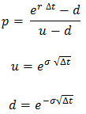

Parameters |  | Calculations
Stock Price | 65.73 | Time Interval | 0.2
Exercise Price | 65.730003 | Up movement | 1.0851811984 | u
Interest Rate | 0.001 | Up movement | 0.92150509197 | d = 1/u
Volatility | 0.18279179562 | Up probability | 0.48079667684
Time to Maturity | 1 | Discount Factor | 0.99980002
Number of Steps | 5
Dividend Yield | 0 | Step | 0 | 1 | 2 | 3 | 4 | 5
 |  | Time | 0 | 0.2 | 0.4 | 0.6 | 0.8 | 1
Binomial Option Pricing Model result:
Call | Put | Stock Price | 65.730003 | 71.328963424 | 77.404850006 | 83.998287889 | 91.153362711 | 98.917915382
5.0593958569 | 4.993698708 |  |  | 60.57053246 | 65.730003 | 71.328963424 | 77.404850006 | 83.998287889
 |  |  |  |  | 55.816054085 | 60.57053246 | 65.730003 | 71.328963424
 |  |  |  |  |  | 51.434778053 | 55.816054085 | 60.57053246
 |  |  |  |  |  |  | 47.39740988 | 51.434778053
 |  |  |  |  |  |  |  | 43.676954551

 |  | Call Option Price | 5.0593958569 | 8.0772010444 | 12.435973587 | 18.294571632 | 25.436504397 | 33.187912382
 |  |  |  | 2.2667736597 | 4.0439684775 | 7.0155401997 | 11.687991692 | 18.268284889
 |  |  |  |  | 0.62191523067 | 1.293768564 | 2.6914232271 | 5.5989604238
 |  |  |  |  |  | 0 | 0 | 0
 |  |  |  |  |  |  | 0 | 0
 |  |  |  |  |  |  |  | 0

 |  | Put Option Price | 4.993698708 | 2.4256776462 | 0.72170040807 | 0 | 0 | 0
 |  |  |  | 7.3736812255 | 4.0045423047 | 1.3902930324 | 0 | 0
 |  |  |  |  | 10.496437973 | 6.4269523608 | 2.678278541 | 0
 |  |  |  |  |  | 14.268938204 | 9.900804229 | 5.1594705403
 |  |  |  |  |  |  | 18.319448434 | 14.295224947
 |  |  |  |  |  |  |  | 22.053048449

Oil Price and factors
Oil price and factors

Price
 | Price
2017-03-27 | 47.02
2017-03-24 | 47.3
2017-03-23 | 47
2017-03-22 | 47.29
2017-03-21 | 47.02
2017-03-20 | 47.79
2017-03-17 | 48.34
2017-03-16 | 48.3
2017-03-15 | 48.34
2017-03-14 | 47.24
2017-03-13 | 47.95
2017-03-10 | 48.05
2017-03-09 | 48.75
2017-03-08 | 49.83
2017-03-07 | 52.68
2017-03-06 | 53.19
2017-03-03 | 53.33
2017-03-02 | 52.63
2017-03-01 | 53.82
2017-02-28 | 54
2017-02-27 | 54.04
2017-02-24 | 53.99
2017-02-23 | 54.48
2017-02-22 | 53.61
2017-02-21 | 54.02
2017-02-17 | 53.41
2017-02-16 | 53.41
2017-02-15 | 53.11
2017-02-14 | 53.21
2017-02-13 | 52.96
2017-02-10 | 53.84
2017-02-09 | 52.99
2017-02-08 | 52.37
2017-02-07 | 52.19
2017-02-06 | 53.01
2017-02-03 | 53.81
2017-02-02 | 53.55
2017-02-01 | 53.9
2017-01-31 | 52.75
2017-01-30 | 52.63
2017-01-27 | 53.18
2017-01-26 | 53.24
2017-01-25 | 52.14
2017-01-24 | 52.38
2017-01-23 | 52.77
2017-01-20 | 52.33
2017-01-19 | 51.39
2017-01-18 | 51.12
2017-01-17 | 52.45
2017-01-13 | 52.36
...
DATE | Price
2017-03-27 | 47.02
2017-03-24 | 47.3
2017-03-23 | 47
2017-03-22 | 47.29
2017-03-21 | 47.02
2017-03-20 | 47.79
2017-03-17 | 48.34
2017-03-16 | 48.3
2017-03-15 | 48.34
2017-03-14 | 47.24
2017-03-13 | 47.95
2017-03-10 | 48.05
2017-03-09 | 48.75
2017-03-08 | 49.83
2017-03-07 | 52.68
2017-03-06 | 53.19
2017-03-03 | 53.33
2017-03-02 | 52.63
2017-03-01 | 53.82
Significant drop is obvious
2017-02-28 | 54
2017-02-27 | 54.04 | Min | 26.19
2017-02-24 | 53.99 | Max | 107.95
2017-02-23 | 54.48 | Average | 60.998452088
2017-02-22 | 53.61
Factors that influenced the oil price:
2017-02-21 | 54.02
2017-02-17 | 53.41
2017-02-16 | 53.41
1. Decrease in oil demand in Europe and China due to slowdown of economy
2017-02-15 | 53.11
2017-02-14 | 53.21
2017-02-13 | 52.96
2017-02-10 | 53.84
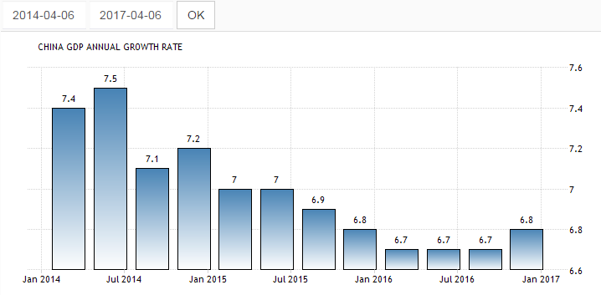
2017-02-09 | 52.99
2017-02-08 | 52.37
2017-02-07 | 52.19
2017-02-06 | 53.01
2017-02-03 | 53.81
2017-02-02 | 53.55
2017-02-01 | 53.9
2017-01-31 | 52.75
2017-01-30 | 52.63
2017-01-27 | 53.18
2017-01-26 | 53.24
2017-01-25 | 52.14
2017-01-24 | 52.38
2017-01-23 | 52.77
2017-01-20 | 52.33
2017-01-19 | 51.39
2017-01-18 | 51.12
2017-01-17 | 52.45
2017-01-13 | 52.36
2017-01-12 | 53.01
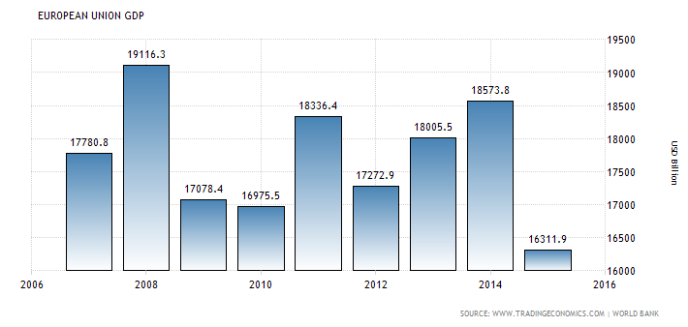
2017-01-11 | 52.19
2017-01-10 | 50.82
2017-01-09 | 51.95
2017-01-06 | 53.98
2017-01-05 | 53.77
2017-01-04 | 53.26
2017-01-03 | 52.36
2016-12-30 | 53.75
2016-12-29 | 53.8
2016-12-28 | 54.01
2016-12-27 | 52.82
2016-12-23 | 52.01
2016-12-22 | 51.98
2016-12-21 | 51.44
2016-12-20 | 52.22
2016-12-19 | 52.13
2016-12-16 | 51.93
2016-12-15 | 50.9
2016-12-14 | 51.01
2016-12-13 | 52.99
2. Increase in oil production in USA (including tight oil) => decrease in import
2016-12-12 | 52.74
2016-12-09 | 51.51
2016-12-08 | 50.84
2016-12-07 | 49.85
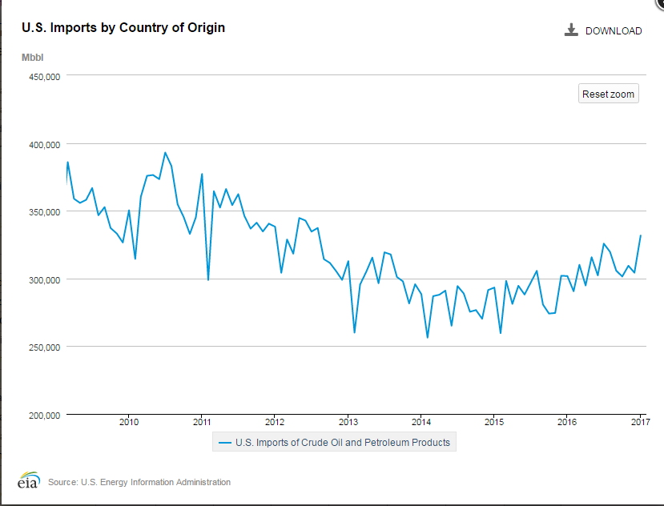
2016-12-06 | 50.95
2016-12-05 | 51.72
2016-12-02 | 51.7
2016-12-01 | 51.08
2016-11-30 | 49.41
2016-11-29 | 45.29
2016-11-28 | 45.66
2016-11-25 | 46.72
2016-11-23 | 46.72
2016-11-22 | 48.07
2016-11-21 | 47.48
2016-11-18 | 45.69
2016-11-17 | 45.37
2016-11-16 | 45.56
2016-11-15 | 45.86
2016-11-14 | 43.29
2016-11-11 | 43.39
2016-11-10 | 44.62
2016-11-09 | 45.2
2016-11-08 | 44.96
2016-11-07 | 44.88
2016-11-04 | 44.07
2016-11-03 | 44.66
2016-11-02 | 45.32
2016-11-01 | 46.66
2016-10-31 | 46.83
2016-10-28 | 48.72
2016-10-27 | 49.71
2016-10-26 | 48.75
2016-10-25 | 49.45
2016-10-24 | 50.18
2016-10-21 | 50.61
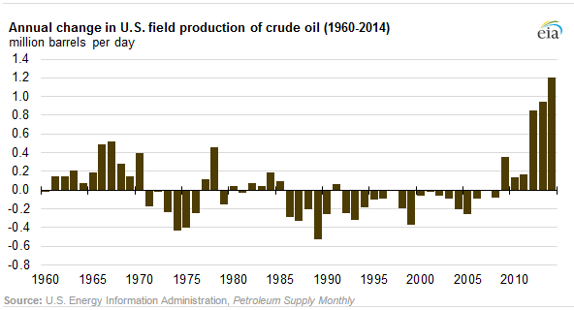
2016-10-20 | 50.31
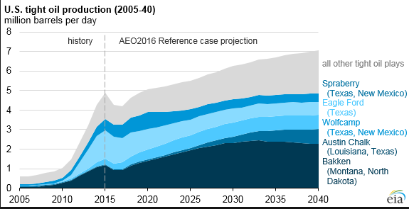
2016-10-19 | 51.59
2016-10-18 | 50.3
2016-10-17 | 49.97
2016-10-14 | 50.35
2016-10-13 | 50.47
2016-10-12 | 50.14
2016-10-11 | 50.72
2016-10-10 | 49.76
2016-10-07 | 49.76
2016-10-06 | 50.44
2016-10-05 | 49.75
2016-10-04 | 48.67
2016-10-03 | 48.8
2016-09-30 | 47.72
2016-09-29 | 47.72
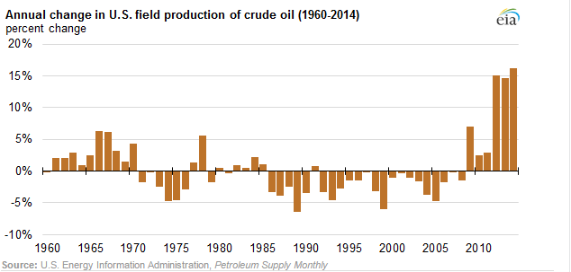
2016-09-28 | 47.07
2016-09-27 | 44.65
2016-09-26 | 45.6
2016-09-23 | 44.36
2016-09-22 | 46.1
2016-09-21 | 45.33
2016-09-20 | 43.85
2016-09-19 | 43.34
2016-09-16 | 43.04
2016-09-15 | 43.85
2016-09-14 | 43.62
2016-09-13 | 44.91
2016-09-12 | 46.28
2016-09-09 | 45.88
2016-09-08 | 47.63
2016-09-07 | 45.47
2016-09-06 | 44.85
3. OPEC pricing policy and global competition
2016-09-02 | 44.39
2016-09-01 | 43.17
2016-08-31 | 44.68
OPEC was not able to deside to limit oil production.
According to Dr. Gary Ross, chief executive of PIRA Energy Group, OPEC cannot manage the market anymore.
That is why some members (precisely Saudi Arabia) rejected to limit oil production not to lose their share in the market.
2016-08-30 | 46.32
2016-08-29 | 46.97
2016-08-26 | 47.64
2016-08-25 | 46.97
2016-08-24 | 46.29
2016-08-23 | 47.54
2016-08-22 | 46.8 | Source: http://www.reuters.com/article/us-opec-meeting-idUSKCN0JA0O320141128
2016-08-19 | 48.48
4. War in Syria, Libya and Nigeria - one of the key oil players
2016-08-18 | 48.2
2016-08-17 | 46.81
2016-08-16 | 46.57
This wars makes governments to find money and sell their oil cheaper.
Moreover, ISIS during the war needs money too, so they sell oil cheaper moving the prices down.
Note: Syria and Libya in 2014 product almost nothing, Nigeria's changes are not sufficient.
2016-08-15 | 45.72
2016-08-12 | 44.47
2016-08-11 | 43.51
2016-08-10 | 41.75
2016-08-09 | 42.78
5. Crisis in Russia
2016-08-08 | 43.06
2016-08-05 | 41.83
2016-08-04 | 41.92
After oil price dropped, Russia faced big problems with budget deficit. In order to solve this problem, taking into consideration the fact that OPEC did not have an agreement, Russia had to product and cell more oil.
2014 - 6.2 MMBD
2015 - 6.5 MMBD
2016 - 7.2 MMBD
2016-08-03 | 40.8
2016-08-02 | 39.5
2016-08-01 | 40.05
2016-07-29 | 41.54
2016-07-28 | 41.13
2016-07-27 | 41.9
2016-07-26 | 42.16
6. Market Manipulation
2016-07-25 | 42.4
2016-07-22 | 43.41
2016-07-21 | 43.96
Some people believe, that oil price is manipulated to harm Russia and Iran (actually, this was made at least twice 1986, 1998) Source: http://oilprice.com/Energy/Oil-Prices/Did-The-Saudis-And-The-US-Collude-In-Dropping-Oil-Prices.html
At the same time, this manipulation has not only political reasons but also business ones (to cut off competitors)
2016-07-20 | 44.96
2016-07-19 | 44.64
2016-07-18 | 45.23
2016-07-15 | 45.93
2016-07-14 | 45.64
2016-07-13 | 44.87
2016-07-12 | 46.82
7. Finance market expectations
2016-07-11 | 44.73
2016-07-08 | 45.37
2016-07-07 | 45.22
Since forwards and futures prices nowadays have huge influence on oil real price, new information about tight USA oil, wars with ISIS, OPEC problems, etc. makes investors sell oil, making downward pressure on the price.
One more notice: the price falls quickly and returns back gradually.
2016-07-06 | 47.37
2016-07-05 | 46.73
2016-07-01 | 49.02
2016-06-30 | 48.27
2016-06-29 | 49.85
8. Strong dollar
2016-06-28 | 47.93
2016-06-27 | 45.8
2016-06-24 | 46.7
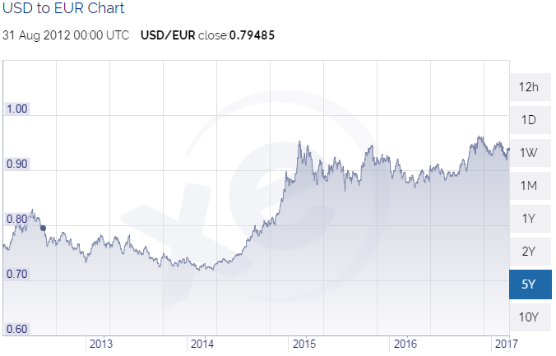
2016-06-23 | 49.34
2016-06-22 | 49.16
2016-06-21 | 48.95
2016-06-20 | 49.4
2016-06-17 | 48
2016-06-16 | 46.14
2016-06-15 | 47.92
2016-06-14 | 48.49
2016-06-13 | 48.89
2016-06-10 | 49.09
2016-06-09 | 50.52
2016-06-08 | 51.23
2016-06-07 | 50.37
2016-06-06 | 49.71
2016-06-03 | 48.69
2016-06-02 | 49.14
2016-06-01 | 49.07
2016-05-31 | 49.1
2016-05-27 | 49.36
2016-05-26 | 49
2016-05-25 | 49.1
2016-05-24 | 48.04
2016-05-23 | 48.12
It is well-known fact that dollar rate influence oil price(and vise versa). So, we should take this fact in account.
https://www.thealertinvestor.com/oil-and-the-dollar/ As we can see during 2014-2015 dollar grew significantly. Based on inverse relationship between the two, it was possible to make a decision that oil price dropped.
2016-05-20 | 47.67
2016-05-19 | 48.16
2016-05-18 | 48.12
2016-05-17 | 48.29
2016-05-16 | 47.72
2016-05-13 | 46.22
2016-05-12 | 46.64
2016-05-11 | 46.21
2016-05-10 | 44.68
2016-05-09 | 43.45
2016-05-06 | 44.58
2016-05-05 | 44.33
2016-05-04 | 43.77
2016-05-03 | 43.65
2016-05-02 | 44.75
2016-04-29 | 45.98
2016-04-28 | 46.03
2016-04-27 | 45.29
2016-04-26 | 42.52
2016-04-25 | 41.67
2016-04-22 | 42.76
2016-04-21 | 43.18
2016-04-20 | 42.72
2016-04-19 | 40.88
2016-04-18 | 39.74
2016-04-15 | 40.4
2016-04-14 | 41.45
2016-04-13 | 41.7
2016-04-12 | 42.12
2016-04-11 | 40.46
2016-04-08 | 39.74
2016-04-07 | 37.3
2016-04-06 | 37.74
2016-04-05 | 34.52
2016-04-04 | 34.3
2016-04-01 | 35.36
2016-03-31 | 36.94
2016-03-30 | 36.91
2016-03-29 | 36.91
2016-03-28 | 37.99
2016-03-24 | 38.14
2016-03-23 | 38.28
2016-03-22 | 41.45
2016-03-21 | 39.91
2016-03-18 | 39.47
2016-03-17 | 40.17
2016-03-16 | 38.43
2016-03-15 | 36.32
2016-03-14 | 37.2
2016-03-11 | 38.51
2016-03-10 | 37.77
2016-03-09 | 37.62
2016-03-08 | 36.67
2016-03-07 | 37.9
2016-03-04 | 35.91
2016-03-03 | 34.56
2016-03-02 | 34.57
2016-03-01 | 34.39
2016-02-29 | 32.74
2016-02-26 | 31.65
2016-02-25 | 31.4
2016-02-24 | 30.35
2016-02-23 | 31.84
2016-02-22 | 31.37
2016-02-19 | 29.59
2016-02-18 | 30.77
2016-02-17 | 30.68
2016-02-16 | 29.05
2016-02-12 | 29.32
2016-02-11 | 26.19
2016-02-10 | 27.54
2016-02-09 | 27.96
2016-02-08 | 29.71
2016-02-05 | 30.86
2016-02-04 | 31.63
2016-02-03 | 32.29
2016-02-02 | 29.9
2016-02-01 | 31.62
2016-01-29 | 33.66
2016-01-28 | 33.21
2016-01-27 | 32.32
2016-01-26 | 29.54
2016-01-25 | 30.31
2016-01-22 | 32.07
2016-01-21 | 29.55
2016-01-20 | 26.68
2016-01-19 | 28.47
2016-01-15 | 29.45
2016-01-14 | 31.22
2016-01-13 | 30.42
2016-01-12 | 30.42
2016-01-11 | 31.42
2016-01-08 | 33.2
2016-01-07 | 33.29
2016-01-06 | 33.97
2016-01-05 | 35.97
2016-01-04 | 36.81
2015-12-31 | 37.13
2015-12-30 | 36.59
2015-12-29 | 37.88
2015-12-28 | 36.36
2015-12-24 | 37.62
2015-12-23 | 36.76
2015-12-22 | 36.12
2015-12-21 | 34.55
2015-12-18 | 34.72
2015-12-17 | 34.98
2015-12-16 | 35.55
2015-12-15 | 37.32
2015-12-14 | 36.31
2015-12-11 | 35.65
2015-12-10 | 36.76
2015-12-09 | 37.16
2015-12-08 | 37.46
2015-12-07 | 37.64
2015-12-04 | 40
2015-12-03 | 41.08
2015-12-02 | 39.93
2015-12-01 | 40.58
2015-11-30 | 40.43
2015-11-27 | 40.57
2015-11-25 | 41.22
2015-11-24 | 40.89
2015-11-23 | 39.27
2015-11-20 | 39.39
2015-11-19 | 40.55
2015-11-18 | 40.75
2015-11-17 | 40.73
2015-11-16 | 41.68
2015-11-13 | 40.69
2015-11-12 | 41.74
2015-11-11 | 42.95
2015-11-10 | 44.23
2015-11-09 | 43.87
2015-11-06 | 44.32
2015-11-05 | 45.27
2015-11-04 | 46.32
2015-11-03 | 47.88
2015-11-02 | 46.12
2015-10-30 | 46.6
2015-10-29 | 46.02
2015-10-28 | 45.93
2015-10-27 | 43.21
2015-10-26 | 43.19
2015-10-23 | 43.91
2015-10-22 | 44.9
2015-10-21 | 45.22
2015-10-20 | 45.84
2015-10-19 | 45.91
2015-10-16 | 47.3
2015-10-15 | 46.38
2015-10-14 | 46.63
2015-10-13 | 46.7
2015-10-12 | 47.09
2015-10-09 | 49.67
2015-10-08 | 49.46
2015-10-07 | 47.86
2015-10-06 | 48.53
2015-10-05 | 46.28
2015-10-02 | 45.54
2015-10-01 | 44.75
2015-09-30 | 45.06
2015-09-29 | 45.24
2015-09-28 | 44.4
2015-09-25 | 45.55
2015-09-24 | 44.94
2015-09-23 | 44.53
2015-09-22 | 46.17
2015-09-21 | 46.67
2015-09-18 | 44.71
2015-09-17 | 46.93
2015-09-16 | 47.12
2015-09-15 | 44.58
2015-09-14 | 44.07
2015-09-11 | 44.75
2015-09-10 | 45.85
2015-09-09 | 44.13
2015-09-08 | 45.92
2015-09-04 | 46.02
2015-09-03 | 46.75
2015-09-02 | 46.3
2015-09-01 | 45.38
2015-08-31 | 49.2
2015-08-28 | 45.29
2015-08-27 | 42.47
2015-08-26 | 38.5
2015-08-25 | 39.15
2015-08-24 | 38.22
2015-08-21 | 40.45
2015-08-20 | 41
2015-08-19 | 40.75
2015-08-18 | 42.58
2015-08-17 | 41.93
2015-08-14 | 42.45
2015-08-13 | 42.27
2015-08-12 | 43.22
2015-08-11 | 43.11
2015-08-10 | 44.94
2015-08-07 | 43.87
2015-08-06 | 44.69
2015-08-05 | 45.13
2015-08-04 | 45.75
2015-08-03 | 45.25
2015-07-31 | 47.11
2015-07-30 | 48.53
2015-07-29 | 48.77
2015-07-28 | 47.97
2015-07-27 | 47.17
2015-07-24 | 47.98
2015-07-23 | 48.11
2015-07-22 | 49.27
2015-07-21 | 50.59
2015-07-20 | 50.11
2015-07-17 | 50.88
2015-07-16 | 50.9
2015-07-15 | 51.4
2015-07-14 | 53.05
2015-07-13 | 52.19
2015-07-10 | 52.74
2015-07-09 | 52.76
2015-07-08 | 51.61
2015-07-07 | 52.33
2015-07-06 | 52.48
2015-07-02 | 56.93
2015-07-01 | 56.94
2015-06-30 | 59.48
2015-06-29 | 58.34
2015-06-26 | 59.41
2015-06-25 | 59.59
2015-06-24 | 60.01
2015-06-23 | 61.05
2015-06-22 | 60.01
2015-06-19 | 59.62
2015-06-18 | 60.41
2015-06-17 | 59.89
2015-06-16 | 60.01
2015-06-15 | 59.53
2015-06-12 | 59.96
2015-06-11 | 60.74
2015-06-10 | 61.36
2015-06-09 | 60.15
2015-06-08 | 58.15
2015-06-05 | 59.11
2015-06-04 | 58
2015-06-03 | 59.67
2015-06-02 | 61.3
2015-06-01 | 60.24
2015-05-29 | 60.25
2015-05-28 | 57.69
2015-05-27 | 57.51
2015-05-26 | 57.29
2015-05-22 | 58.88
2015-05-21 | 60.18
2015-05-20 | 58.96
2015-05-19 | 57.3
2015-05-18 | 59.44
2015-05-15 | 59.73
2015-05-14 | 59.89
2015-05-13 | 60.5
2015-05-12 | 60.72
2015-05-11 | 59.23
2015-05-08 | 59.41
2015-05-07 | 58.99
2015-05-06 | 60.93
2015-05-05 | 60.38
2015-05-04 | 58.92
2015-05-01 | 59.1
2015-04-30 | 59.62
2015-04-29 | 58.55
2015-04-28 | 57.05
2015-04-27 | 55.56
2015-04-24 | 55.98
2015-04-23 | 56.59
2015-04-22 | 56.17
2015-04-21 | 55.58
2015-04-20 | 56.37
2015-04-17 | 55.71
2015-04-16 | 56.69
2015-04-15 | 56.25
2015-04-14 | 53.3
2015-04-13 | 51.95
2015-04-10 | 51.63
2015-04-09 | 50.79
2015-04-08 | 50.44
2015-04-07 | 53.95
2015-04-06 | 52.08
2015-04-02 | 49.13
2015-04-01 | 50.12
2015-03-31 | 47.72
2015-03-30 | 48.66
2015-03-27 | 48.83
2015-03-26 | 51.41
2015-03-25 | 48.75
2015-03-24 | 47.03
2015-03-23 | 47.4
2015-03-20 | 46
2015-03-19 | 44.02
2015-03-18 | 44.63
2015-03-17 | 43.39
2015-03-16 | 43.93
2015-03-13 | 44.88
2015-03-12 | 47.12
2015-03-11 | 48.06
2015-03-10 | 48.42
2015-03-09 | 49.95
2015-03-06 | 49.61
2015-03-05 | 50.76
2015-03-04 | 51.53
2015-03-03 | 50.43
2015-03-02 | 49.59
2015-02-27 | 49.84
2015-02-26 | 47.65
2015-02-25 | 50.25
2015-02-24 | 48.48
2015-02-23 | 49.56
2015-02-20 | 49.95
2015-02-19 | 51.12
2015-02-18 | 52.13
2015-02-17 | 53.56
2015-02-13 | 52.66
2015-02-12 | 51.17
2015-02-11 | 48.8
2015-02-10 | 50.06
2015-02-09 | 52.99
2015-02-06 | 51.66
2015-02-05 | 50.48
2015-02-04 | 48.45
2015-02-03 | 53.04
2015-02-02 | 49.25
2015-01-30 | 47.79
2015-01-29 | 44.12
2015-01-28 | 44.08
2015-01-27 | 45.84
2015-01-26 | 44.8
2015-01-23 | 45.26
2015-01-22 | 45.93
2015-01-21 | 47.85
2015-01-20 | 46.79
2015-01-16 | 48.49
2015-01-15 | 46.37
2015-01-14 | 48.49
2015-01-13 | 45.92
2015-01-12 | 46.06
2015-01-09 | 48.35
2015-01-08 | 48.8
2015-01-07 | 48.69
2015-01-06 | 47.98
2015-01-05 | 50.05
2015-01-02 | 52.72
2014-12-31 | 53.45
2014-12-30 | 54.14
2014-12-29 | 53.46
2014-12-26 | 54.59
2014-12-24 | 55.7
2014-12-23 | 56.78
2014-12-22 | 55.25
2014-12-19 | 56.91
2014-12-18 | 54.18
2014-12-17 | 56.43
2014-12-16 | 55.97
2014-12-15 | 55.96
2014-12-12 | 57.81
2014-12-11 | 60.01
2014-12-10 | 60.99
2014-12-09 | 63.74
2014-12-08 | 63.13
2014-12-05 | 65.89
2014-12-04 | 66.73
2014-12-03 | 67.3
2014-12-02 | 66.99
2014-12-01 | 68.98
2014-11-28 | 65.94
2014-11-26 | 73.7
2014-11-25 | 74.04
2014-11-24 | 75.74
2014-11-21 | 76.52
2014-11-20 | 75.63
2014-11-19 | 74.55
2014-11-18 | 74.55
2014-11-17 | 75.64
2014-11-14 | 75.91
2014-11-13 | 74.13
2014-11-12 | 77.16
2014-11-11 | 77.85
2014-11-10 | 77.43
2014-11-07 | 78.71
2014-11-06 | 77.87
2014-11-05 | 78.71
2014-11-04 | 77.15
2014-11-03 | 78.77
2014-10-31 | 80.53
2014-10-30 | 81.06
2014-10-29 | 82.25
2014-10-28 | 81.36
2014-10-27 | 81.26
2014-10-24 | 81.27
2014-10-23 | 82.81
2014-10-22 | 80.52
2014-10-21 | 83.25
2014-10-20 | 82.76
2014-10-17 | 82.8
2014-10-16 | 82.33
2014-10-15 | 81.82
2014-10-14 | 81.72
2014-10-13 | 85.73
2014-10-10 | 85.87
2014-10-09 | 85.76
2014-10-08 | 87.29
2014-10-07 | 88.89
2014-10-06 | 90.33
2014-10-03 | 89.76
2014-10-02 | 91.02
2014-10-01 | 90.74
2014-09-30 | 91.17
2014-09-29 | 94.53
2014-09-26 | 95.55
2014-09-25 | 93.59
2014-09-24 | 93.6
2014-09-23 | 91.55
2014-09-22 | 91.46
2014-09-19 | 92.43
2014-09-18 | 93.07
2014-09-17 | 94.33
2014-09-16 | 94.91
2014-09-15 | 92.86
2014-09-12 | 92.18
2014-09-11 | 92.89
2014-09-10 | 91.71
2014-09-09 | 92.73
2014-09-08 | 92.64
2014-09-05 | 93.32
2014-09-04 | 94.51
2014-09-03 | 95.5
2014-09-02 | 92.92
2014-08-29 | 97.86
2014-08-28 | 96.44
2014-08-27 | 95.82
2014-08-26 | 95.78
2014-08-25 | 95.39
2014-08-22 | 93.61
2014-08-21 | 93.97
2014-08-20 | 96.4
2014-08-19 | 94.35
2014-08-18 | 96.44
2014-08-15 | 97.3
2014-08-14 | 95.54
2014-08-13 | 97.57
2014-08-12 | 97.36
2014-08-11 | 98.09
2014-08-08 | 97.61
2014-08-07 | 97.34
2014-08-06 | 96.93
2014-08-05 | 97.34
2014-08-04 | 98.26
2014-08-01 | 97.86
2014-07-31 | 98.23
2014-07-30 | 104.29
2014-07-29 | 104.91
2014-07-28 | 105.68
2014-07-25 | 105.23
2014-07-24 | 102.76
2014-07-23 | 103.81
2014-07-22 | 104.59
2014-07-21 | 105.34
2014-07-18 | 103.83
2014-07-17 | 103.84
2014-07-16 | 101.88
2014-07-15 | 100.56
2014-07-14 | 101.73
2014-07-11 | 101.48
2014-07-10 | 103.61
2014-07-09 | 102.93
2014-07-08 | 104.06
2014-07-07 | 104.19
2014-07-03 | 104.76
2014-07-02 | 105.18
2014-07-01 | 106.06
2014-06-30 | 106.07
2014-06-27 | 106.46
2014-06-26 | 106.49
2014-06-25 | 107.04
2014-06-24 | 106.64
2014-06-23 | 106.83
2014-06-20 | 107.95
2014-06-19 | 107.08
2014-06-18 | 106.64
2014-06-17 | 106.95
2014-06-16 | 107.52
2014-06-13 | 107.49
2014-06-12 | 107.2
2014-06-11 | 105.04
2014-06-10 | 105.02
2014-06-09 | 105.09
2014-06-06 | 103.32
2014-06-05 | 103.17
2014-06-04 | 103.27
2014-06-03 | 103.34
2014-06-02 | 103.07
2014-05-30 | 103.4
2014-05-29 | 104.26
2014-05-28 | 103.37
2014-05-27 | 104.78
2014-05-23 | 105.01
2014-05-22 | 104.03
2014-05-21 | 104.31
2014-05-20 | 102.8
2014-05-19 | 102.95
2014-05-16 | 102.31
2014-05-15 | 101.74
2014-05-14 | 102.63
2014-05-13 | 102.01
2014-05-12 | 100.89
2014-05-09 | 100.32
2014-05-08 | 100.52
2014-05-07 | 101.06
2014-05-06 | 99.81
2014-05-05 | 99.74
2014-05-02 | 100.09
2014-05-01 | 99.69
2014-04-30 | 100.07
2014-04-29 | 101.56
2014-04-28 | 101.13
2014-04-25 | 100.85
2014-04-24 | 102.2
2014-04-23 | 101.47
2014-04-22 | 101.69
2014-04-21 | 104.35
2014-04-17 | 104.33
2014-04-16 | 103.71
2014-04-15 | 103.7
2014-04-14 | 104.05
2014-04-11 | 103.68
2014-04-10 | 103.37
2014-04-09 | 103.55
2014-04-08 | 102.57
2014-04-07 | 100.43
2014-04-04 | 101.16
2014-04-03 | 100.29
2014-04-02 | 99.6
2014-04-01 | 99.69
2014-03-31 | 101.57
2014-03-28 | 101.73
2014-03-27 | 101.25
2014-03-26 | 100.61
2014-03-25 | 99.66
2014-03-24 | 100.05
2014-03-21 | 99.97
2014-03-20 | 99.68
2014-03-19 | 100.71
2014-03-18 | 100.08
2014-03-17 | 98.43
2014-03-14 | 99.23
2014-03-13 | 98.57
2014-03-12 | 98.29
2014-03-11 | 100.29
2014-03-10 | 101.39
2014-03-07 | 102.82
2014-03-06 | 101.82
2014-03-05 | 101.75
2014-03-04 | 103.64
2014-03-03 | 105.34
2014-02-28 | 102.88
2014-02-27 | 102.68
2014-02-26 | 102.93
2014-02-25 | 102.2
2014-02-24 | 103.17
2014-02-21 | 102.53
2014-02-20 | 103.2
2014-02-19 | 103.46
2014-02-18 | 102.54
2014-02-14 | 100.31
2014-02-13 | 100.27
2014-02-12 | 100.38
2014-02-11 | 99.96
2014-02-10 | 100.12
2014-02-07 | 99.98
2014-02-06 | 97.84
2014-02-05 | 97.4
2014-02-04 | 97.24
2014-02-03 | 96.44
2014-01-31 | 97.55
2014-01-30 | 98.25
2014-01-29 | 97.34
2014-01-28 | 97.49
2014-01-27 | 95.82
2014-01-24 | 96.66
2014-01-23 | 97.23
2014-01-22 | 96.35
2014-01-21 | 94.51
2014-01-17 | 93.96
2014-01-16 | 93.54
2014-01-15 | 93.78
2014-01-14 | 92.15
2014-01-13 | 91.45
2014-01-10 | 92.39
2014-01-09 | 91.36
2014-01-08 | 91.9
2014-01-07 | 93.31
2014-01-06 | 93.12
2014-01-03 | 93.66
2014-01-02 | 95.14

Oil price forecasting
Oil price forecasting
 |  |  |  |  |  | DATE | Price | Day number
 |  |  |  |  |  | 2016-01-04 | 36.81 | 310
 |  |  |  |  |  | 2016-01-05 | 35.97 | 309
Step 1: Technical analysis (Global)
 |  |  |  |  |  | 2016-01-06 | 33.97 | 308
 |  |  |  |  |  | 2016-01-07 | 33.29 | 307
 |  |  |  |  |  | 2016-01-08 | 33.2 | 306
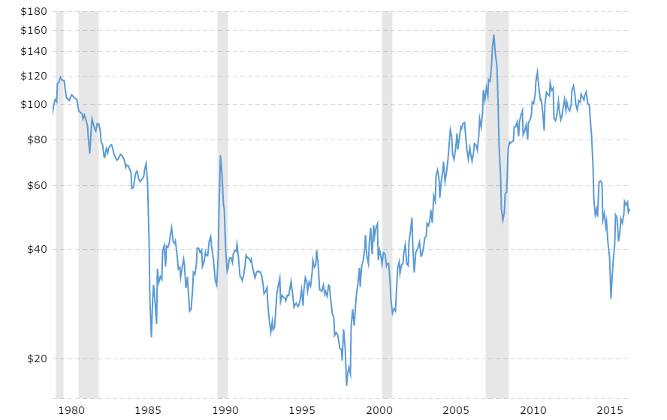
$22 ~ 50%
$22 ~ 28%
$68
$30
$108
 |  |  |  |  |  | 2016-01-11 | 31.42 | 305
 |  |  |  |  |  | 2016-01-12 | 30.42 | 304
 |  |  |  |  |  | 2016-01-13 | 30.42 | 303
 |  |  |  |  |  | 2016-01-14 | 31.22 | 302
 |  |  |  |  |  | 2016-01-15 | 29.45 | 301
 |  |  |  |  |  | 2016-01-19 | 28.47 | 300
 |  |  |  |  |  | 2016-01-20 | 26.68 | 299
 |  |  |  |  |  | 2016-01-21 | 29.55 | 298
 |  |  |  |  |  | 2016-01-22 | 32.07 | 297
 |  |  |  |  |  | 2016-01-25 | 30.31 | 296
 |  |  |  |  |  | 2016-01-26 | 29.54 | 295
 |  |  |  |  |  | 2016-01-27 | 32.32 | 294
 |  |  |  |  |  | 2016-01-28 | 33.21 | 293
 |  |  |  |  |  | 2016-01-29 | 33.66 | 292
 |  |  |  |  |  | 2016-02-01 | 31.62 | 291
 |  |  |  |  |  | 2016-02-02 | 29.9 | 290
 |  |  |  |  |  | 2016-02-03 | 32.29 | 289
 |  |  |  |  |  | 2016-02-04 | 31.63 | 288
 |  |  |  |  |  | 2016-02-05 | 30.86 | 287
 |  |  |  |  |  | 2016-02-08 | 29.71 | 286
 |  |  |  |  |  | 2016-02-09 | 27.96 | 285
 |  |  |  |  |  | 2016-02-10 | 27.54 | 284
$23
 |  |  |  |  |  | 2016-02-11 | 26.19 | 283
 |  |  |  |  |  | 2016-02-12 | 29.32 | 282
 |  |  |  |  |  | 2016-02-16 | 29.05 | 281
 |  |  |  |  |  | 2016-02-17 | 30.68 | 280
 |  |  |  |  |  | 2016-02-18 | 30.77 | 279
 |  |  |  |  |  | 2016-02-19 | 29.59 | 278
 |  |  |  |  |  | 2016-02-22 | 31.37 | 277
 |  |  |  |  |  | 2016-02-23 | 31.84 | 276
Based on global technical analysis, It seems that current situation is similar to period 1985 - 1990. So , after huge drop oil price rised up to $22 that is equal approximatelly 50% of the drop. Oil price drop during 2014 was about $70 => quick roll-back is not expected to be more than $40 (up to $70). After that the price is likely to drop down again.
The same scenario was in 2008-2009 when price plummeted from $150 to $50 and then rised again (about 50%) up to $100
Based on historical data, average year volatility during relatively "ordinary" time is no more than $10, so during the next year I don't expect oil price to be under $50 - 2* $10 = $30 anyway.
Conclusion: based on technical analysis we can expect oil price to be (roughly) between $30 and $70 during the next year.
Personally, I expect the price to reach at least $60 first. (based on 50% roll-back strategy)
 |  |  |  |  |  | 2016-02-24 | 30.35 | 275
 |  |  |  |  |  | 2016-02-25 | 31.4 | 274
 |  |  |  |  |  | 2016-02-26 | 31.65 | 273
 |  |  |  |  |  | 2016-02-29 | 32.74 | 272
 |  |  |  |  |  | 2016-03-01 | 34.39 | 271
 |  |  |  |  |  | 2016-03-02 | 34.57 | 270
 |  |  |  |  |  | 2016-03-03 | 34.56 | 269
 |  |  |  |  |  | 2016-03-04 | 35.91 | 268
 |  |  |  |  |  | 2016-03-07 | 37.9 | 267
 |  |  |  |  |  | 2016-03-08 | 36.67 | 266
 |  |  |  |  |  | 2016-03-09 | 37.62 | 265
 |  |  |  |  |  | 2016-03-10 | 37.77 | 264
 |  |  |  |  |  | 2016-03-11 | 38.51 | 263
 |  |  |  |  |  | 2016-03-14 | 37.2 | 262
Step 2: Technical analysis (Local)
 |  |  |  |  |  | 2016-03-15 | 36.32 | 261
 |  |  |  |  |  | 2016-03-16 | 38.43 | 260
Price
 | Price
2017-03-27 | 47.02
2017-03-24 | 47.3
2017-03-23 | 47
2017-03-22 | 47.29
2017-03-21 | 47.02
2017-03-20 | 47.79
2017-03-17 | 48.34
2017-03-16 | 48.3
2017-03-15 | 48.34
2017-03-14 | 47.24
2017-03-13 | 47.95
2017-03-10 | 48.05
2017-03-09 | 48.75
2017-03-08 | 49.83
2017-03-07 | 52.68
2017-03-06 | 53.19
2017-03-03 | 53.33
2017-03-02 | 52.63
2017-03-01 | 53.82
2017-02-28 | 54
2017-02-27 | 54.04
2017-02-24 | 53.99
2017-02-23 | 54.48
2017-02-22 | 53.61
2017-02-21 | 54.02
2017-02-17 | 53.41
2017-02-16 | 53.41
2017-02-15 | 53.11
2017-02-14 | 53.21
2017-02-13 | 52.96
2017-02-10 | 53.84
2017-02-09 | 52.99
2017-02-08 | 52.37
2017-02-07 | 52.19
2017-02-06 | 53.01
2017-02-03 | 53.81
2017-02-02 | 53.55
2017-02-01 | 53.9
2017-01-31 | 52.75
2017-01-30 | 52.63
2017-01-27 | 53.18
2017-01-26 | 53.24
2017-01-25 | 52.14
2017-01-24 | 52.38
2017-01-23 | 52.77
2017-01-20 | 52.33
2017-01-19 | 51.39
2017-01-18 | 51.12
2017-01-17 | 52.45
2017-01-13 | 52.36
...
 |  |  |  |  |  | 2016-03-17 | 40.17 | 259
 |  |  |  |  |  | 2016-03-18 | 39.47 | 258
 |  |  |  |  |  | 2016-03-21 | 39.91 | 257
 |  |  |  |  |  | 2016-03-22 | 41.45 | 256
 |  |  |  |  |  | 2016-03-23 | 38.28 | 255
 |  |  |  |  |  | 2016-03-24 | 38.14 | 254
 |  |  |  |  |  | 2016-03-28 | 37.99 | 253
 |  |  |  |  |  | 2016-03-29 | 36.91 | 252
 |  |  |  |  |  | 2016-03-30 | 36.91 | 251
 |  |  |  |  |  | 2016-03-31 | 36.94 | 250
 |  |  |  |  |  | 2016-04-01 | 35.36 | 249
 |  |  |  |  |  | 2016-04-04 | 34.3 | 248
 |  |  |  |  |  | 2016-04-05 | 34.52 | 247
 |  |  |  |  |  | 2016-04-06 | 37.74 | 246
 |  |  |  |  |  | 2016-04-07 | 37.3 | 245
 |  |  |  |  |  | 2016-04-08 | 39.74 | 244
 |  |  |  |  |  | 2016-04-11 | 40.46 | 243
 |  |  |  |  |  | 2016-04-12 | 42.12 | 242
 |  |  |  |  |  | 2016-04-13 | 41.7 | 241
 |  |  |  |  |  | 2016-04-14 | 41.45 | 240
 |  |  |  |  |  | 2016-04-15 | 40.4 | 239
We can see clear uptrend. By the way 2015-04-02 and 2016-02-02 was wonderful moment for long.
From this graph I can assume that the price will go up but will not breakthrough $60 line.
 |  |  |  |  |  | 2016-04-18 | 39.74 | 238
 |  |  |  |  |  | 2016-04-19 | 40.88 | 237
 |  |  |  |  |  | 2016-04-20 | 42.72 | 236
 |  |  |  |  |  | 2016-04-21 | 43.18 | 235
 |  |  |  |  |  | 2016-04-22 | 42.76 | 234
 |  |  |  |  |  | 2016-04-25 | 41.67 | 233
 |  |  |  |  |  | 2016-04-26 | 42.52 | 232
Step 3: Fundamental analysis
 |  |  |  |  |  | 2016-04-27 | 45.29 | 231
 |  |  |  |  |  | 2016-04-28 | 46.03 | 230
 |  |  |  |  |  | 2016-04-29 | 45.98 | 229
1. Supply
 |  |  |  |  |  | 2016-05-02 | 44.75 | 228
 |  |  |  |  |  | 2016-05-03 | 43.65 | 227
 |  |  |  |  |  | 2016-05-04 | 43.77 | 226
U.S. Crude Oil Production - Historical Chart
 |  |  |  |  |  | 2016-05-05 | 44.33 | 225
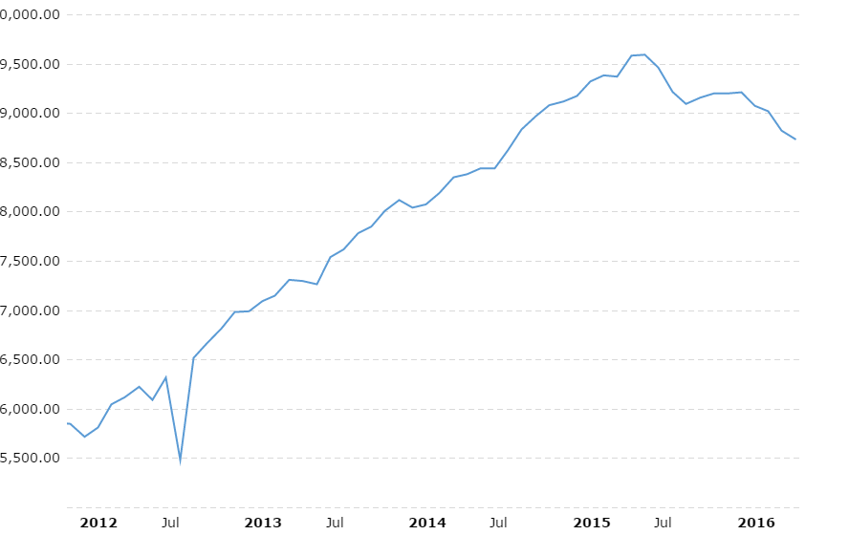
 |  |  |  |  |  | 2016-05-06 | 44.58 | 224
 |  |  |  |  |  | 2016-05-09 | 43.45 | 223
 |  |  |  |  |  | 2016-05-10 | 44.68 | 222
 |  |  |  |  |  | 2016-05-11 | 46.21 | 221
 |  |  |  |  |  | 2016-05-12 | 46.64 | 220
 |  |  |  |  |  | 2016-05-13 | 46.22 | 219
 |  |  |  |  |  | 2016-05-16 | 47.72 | 218
 |  |  |  |  |  | 2016-05-17 | 48.29 | 217
 |  |  |  |  |  | 2016-05-18 | 48.12 | 216
 |  |  |  |  |  | 2016-05-19 | 48.16 | 215
 |  |  |  |  |  | 2016-05-20 | 47.67 | 214
 |  |  |  |  |  | 2016-05-23 | 48.12 | 213
 |  |  |  |  |  | 2016-05-24 | 48.04 | 212
 |  |  |  |  |  | 2016-05-25 | 49.1 | 211
 |  |  |  |  |  | 2016-05-26 | 49 | 210
 |  |  |  |  |  | 2016-05-27 | 49.36 | 209
 |  |  |  |  |  | 2016-05-31 | 49.1 | 208
 |  |  |  |  |  | 2016-06-01 | 49.07 | 207
 |  |  |  |  |  | 2016-06-02 | 49.14 | 206
 |  |  |  |  |  | 2016-06-03 | 48.69 | 205
 |  |  |  |  |  | 2016-06-06 | 49.71 | 204
Conclusion: US oil production gradually declined
 |  |  |  |  |  | 2016-06-07 | 50.37 | 203
Source :http://www.macrotrends.net/1369/crude-oil-price-history-chart |  |  |  |  |  | 2016-06-08 | 51.23 | 202
 |  |  |  |  |  | 2016-06-09 | 50.52 | 201
 |  |  |  |  |  | 2016-06-10 | 49.09 | 200
OPEC production graph
 |  |  |  |  |  | 2016-06-13 | 48.89 | 199
 |  |  |  |  |  | 2016-06-14 | 48.49 | 198
 |  |  |  |  |  | 2016-06-15 | 47.92 | 197
 |  |  |  |  |  | 2016-06-16 | 46.14 | 196
 |  |  |  |  |  | 2016-06-17 | 48 | 195
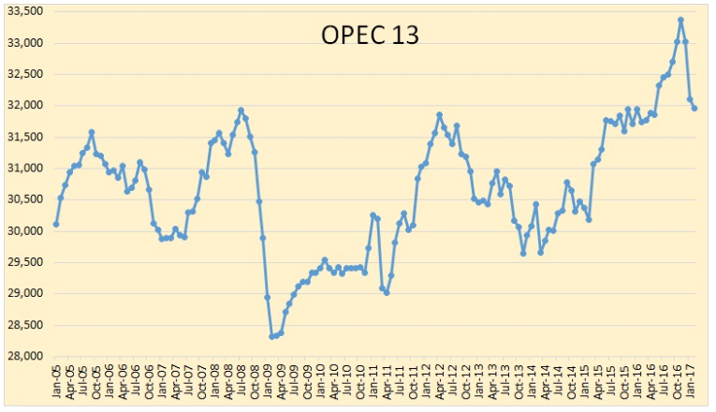
 |  |  |  |  |  | 2016-06-20 | 49.4 | 194
 |  |  |  |  |  | 2016-06-21 | 48.95 | 193
 |  |  |  |  |  | 2016-06-22 | 49.16 | 192
 |  |  |  |  |  | 2016-06-23 | 49.34 | 191
 |  |  |  |  |  | 2016-06-24 | 46.7 | 190
 |  |  |  |  |  | 2016-06-27 | 45.8 | 189
 |  |  |  |  |  | 2016-06-28 | 47.93 | 188
 |  |  |  |  |  | 2016-06-29 | 49.85 | 187
 |  |  |  |  |  | 2016-06-30 | 48.27 | 186
 |  |  |  |  |  | 2016-07-01 | 49.02 | 185
 |  |  |  |  |  | 2016-07-05 | 46.73 | 184
 |  |  |  |  |  | 2016-07-06 | 47.37 | 183
 |  |  |  |  |  | 2016-07-07 | 45.22 | 182
 |  |  |  |  |  | 2016-07-08 | 45.37 | 181
 |  |  |  |  |  | 2016-07-11 | 44.73 | 180
 |  |  |  |  |  | 2016-07-12 | 46.82 | 179
 |  |  |  |  |  | 2016-07-13 | 44.87 | 178
 |  |  |  |  |  | 2016-07-14 | 45.64 | 177
 |  |  |  |  |  | 2016-07-15 | 45.93 | 176
 |  |  |  |  |  | 2016-07-18 | 45.23 | 175
 |  |  |  |  |  | 2016-07-19 | 44.64 | 174
 |  |  |  |  |  | 2016-07-20 | 44.96 | 173
 |  |  |  |  |  | 2016-07-21 | 43.96 | 172
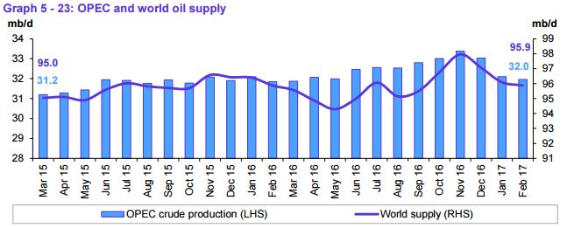
 |  |  |  |  |  | 2016-07-22 | 43.41 | 171
 |  |  |  |  |  | 2016-07-25 | 42.4 | 170
 |  |  |  |  |  | 2016-07-26 | 42.16 | 169
 |  |  |  |  |  | 2016-07-27 | 41.9 | 168
 |  |  |  |  |  | 2016-07-28 | 41.13 | 167
 |  |  |  |  |  | 2016-07-29 | 41.54 | 166
 |  |  |  |  |  | 2016-08-01 | 40.05 | 165
 |  |  |  |  |  | 2016-08-02 | 39.5 | 164
 |  |  |  |  |  | 2016-08-03 | 40.8 | 163
 |  |  |  |  |  | 2016-08-04 | 41.92 | 162
 |  |  |  |  |  | 2016-08-05 | 41.83 | 161
 |  |  |  |  |  | 2016-08-08 | 43.06 | 160
 |  |  |  |  |  | 2016-08-09 | 42.78 | 159
 |  |  |  |  |  | 2016-08-10 | 41.75 | 158
Conclusion: OPEC oil production decreased considerably and in general world supply decreased.
 |  |  |  |  |  | 2016-08-11 | 43.51 | 157
 |  |  |  |  |  | 2016-08-12 | 44.47 | 156
 |  |  |  |  |  | 2016-08-15 | 45.72 | 155
Data source: http://peakoilbarrel.com/opec-crude-oil-production-charts/ |  |  |  |  |  | 2016-08-16 | 46.57 | 154
 |  |  |  |  |  | 2016-08-17 | 46.81 | 153
Demand
 |  |  |  |  |  | 2016-08-18 | 48.2 | 152
World oil demand grew by 1.38 mb/d in 2016, higher by around 50 tb/d than in the previous month’s report, to average 95.05 mb/d. This was mainly as a result of positive adjustments in 4Q16 data, which accounted for the most up-to-date figures from regions around the world. In 2017, world oil demand is expected to stand at 96.31 mb/d, showing a growth of 1.26 mb/d, higher by approximately 70 tb/d from the previous month’s projections. Most of the oil demand growth is anticipated to originate from Other Asia, led by India, followed by China, then OECD America. The OECD Asia Pacific is the only region anticipated to reduce its oil requirements in 2017.
The rebalancing of the oil market, driven by the recent successful OPEC – Non-OPEC Declaration of Cooperation, is likely to further enhance the global oil industry, leading to even more global economic growth and hence higher oil demand growth in 2017.
 |  |  |  |  |  | 2016-08-19 | 48.48 | 151
 |  |  |  |  |  | 2016-08-22 | 46.8 | 150
 |  |  |  |  |  | 2016-08-23 | 47.54 | 149
 |  |  |  |  |  | 2016-08-24 | 46.29 | 148
 |  |  |  |  |  | 2016-08-25 | 46.97 | 147
 |  |  |  |  |  | 2016-08-26 | 47.64 | 146
 |  |  |  |  |  | 2016-08-29 | 46.97 | 145
 |  |  |  |  |  | 2016-08-30 | 46.32 | 144
 |  |  |  |  |  | 2016-08-31 | 44.68 | 143
 |  |  |  |  |  | 2016-09-01 | 43.17 | 142
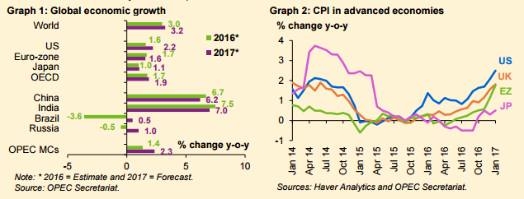
 |  |  |  |  |  | 2016-09-02 | 44.39 | 141
 |  |  |  |  |  | 2016-09-06 | 44.85 | 140
 |  |  |  |  |  | 2016-09-07 | 45.47 | 139
 |  |  |  |  |  | 2016-09-08 | 47.63 | 138
 |  |  |  |  |  | 2016-09-09 | 45.88 | 137
 |  |  |  |  |  | 2016-09-12 | 46.28 | 136
 |  |  |  |  |  | 2016-09-13 | 44.91 | 135
 |  |  |  |  |  | 2016-09-14 | 43.62 | 134
 |  |  |  |  |  | 2016-09-15 | 43.85 | 133
 |  |  |  |  |  | 2016-09-16 | 43.04 | 132
 |  |  |  |  |  | 2016-09-19 | 43.34 | 131
 |  |  |  |  |  | 2016-09-20 | 43.85 | 130
 |  |  |  |  |  | 2016-09-21 | 45.33 | 129
 |  |  |  |  |  | 2016-09-22 | 46.1 | 128
 |  |  |  |  |  | 2016-09-23 | 44.36 | 127
 |  |  |  |  |  | 2016-09-26 | 45.6 | 126
 |  |  |  |  |  | 2016-09-27 | 44.65 | 125
 |  |  |  |  |  | 2016-09-28 | 47.07 | 124
 |  |  |  |  |  | 2016-09-29 | 47.72 | 123
 |  |  |  |  |  | 2016-09-30 | 47.72 | 122
 |  |  |  |  |  | 2016-10-03 | 48.8 | 121
 |  |  |  |  |  | 2016-10-04 | 48.67 | 120
 |  |  |  |  |  | 2016-10-05 | 49.75 | 119
 |  |  |  |  |  | 2016-10-06 | 50.44 | 118
 |  |  |  |  |  | 2016-10-07 | 49.76 | 117
 |  |  |  |  |  | 2016-10-10 | 49.76 | 116
 |  |  |  |  |  | 2016-10-11 | 50.72 | 115
 |  |  |  |  |  | 2016-10-12 | 50.14 | 114
Source: http://www.opec.org Monthly oil Market Report 14 March 2017 |  |  |  |  |  | 2016-10-13 | 50.47 | 113
 |  |  |  |  |  | 2016-10-14 | 50.35 | 112
Conclusion: world growth rate in increased, so oil demand increased too.
 |  |  |  |  |  | 2016-10-17 | 49.97 | 111
 |  |  |  |  |  | 2016-10-18 | 50.3 | 110
 |  |  |  |  |  | 2016-10-19 | 51.59 | 109
 |  |  |  |  |  | 2016-10-20 | 50.31 | 108
Dollar
 |  |  |  |  |  | 2016-10-21 | 50.61 | 107
 |  |  |  |  |  | 2016-10-24 | 50.18 | 106
It is expected that normalisation of US Federal Reserve (Fed) monetary policy will continue in 2017, given the inflationary support coming from the ongoing rebalancing of the oil market. This may also apply to other major central banks, though a relatively more accommodative stance is expected from some banks, particularly the European Central Bank (ECB) and the Bank of Japan (BoJ). Moreover, global debt levels remain high in some key economies, an issue that will probably require further attention as interest rates may rise gradually and the US dollar may continue to strengthen.
 |  |  |  |  |  | 2016-10-25 | 49.45 | 105
 |  |  |  |  |  | 2016-10-26 | 48.75 | 104
 |  |  |  |  |  | 2016-10-27 | 49.71 | 103
 |  |  |  |  |  | 2016-10-28 | 48.72 | 102
 |  |  |  |  |  | 2016-10-31 | 46.83 | 101
 |  |  |  |  |  | 2016-11-01 | 46.66 | 100
 |  |  |  |  |  | 2016-11-02 | 45.32 | 99
 |  |  |  |  |  | 2016-11-03 | 44.66 | 98
 |  |  |  |  |  | 2016-11-04 | 44.07 | 97
Source: http://www.opec.org Monthly oil Market Report 14 March 2017 |  |  |  |  |  | 2016-11-07 | 44.88 | 96
 |  |  |  |  |  | 2016-11-08 | 44.96 | 95
 |  |  |  |  |  | 2016-11-09 | 45.2 | 94
Step 4: Trend-Line Model
 |  |  |  |  |  | 2016-11-10 | 44.62 | 93
 |  |  |  |  |  | 2016-11-11 | 43.39 | 92
 |  |  |  |  |  | 2016-11-14 | 43.29 | 91
 | Oil Price
2017-03-27 | 47.02
2017-03-24 | 47.3
2017-03-23 | 47
2017-03-22 | 47.29
2017-03-21 | 47.02
2017-03-20 | 47.79
2017-03-17 | 48.34
2017-03-16 | 48.3
2017-03-15 | 48.34
2017-03-14 | 47.24
2017-03-13 | 47.95
2017-03-10 | 48.05
2017-03-09 | 48.75
2017-03-08 | 49.83
2017-03-07 | 52.68
2017-03-06 | 53.19
2017-03-03 | 53.33
2017-03-02 | 52.63
2017-03-01 | 53.82
2017-02-28 | 54
2017-02-27 | 54.04
2017-02-24 | 53.99
2017-02-23 | 54.48
2017-02-22 | 53.61
2017-02-21 | 54.02
2017-02-17 | 53.41
2017-02-16 | 53.41
2017-02-15 | 53.11
2017-02-14 | 53.21
2017-02-13 | 52.96
2017-02-10 | 53.84
2017-02-09 | 52.99
2017-02-08 | 52.37
2017-02-07 | 52.19
2017-02-06 | 53.01
2017-02-03 | 53.81
2017-02-02 | 53.55
2017-02-01 | 53.9
2017-01-31 | 52.75
2017-01-30 | 52.63
2017-01-27 | 53.18
2017-01-26 | 53.24
2017-01-25 | 52.14
2017-01-24 | 52.38
2017-01-23 | 52.77
2017-01-20 | 52.33
2017-01-19 | 51.39
2017-01-18 | 51.12
2017-01-17 | 52.45
2017-01-13 | 52.36
...
For modelling I suggest to use only 2016-2017 data to make short-term forecasting more accurate.
I use trend-line model to forecast oil price.
 |  |  |  |  |  | 2016-11-15 | 45.86 | 90
 |  |  |  |  |  | 2016-11-16 | 45.56 | 89
 |  |  |  |  |  | 2016-11-17 | 45.37 | 88
 |  |  |  |  |  | 2016-11-18 | 45.69 | 87
 |  |  |  |  |  | 2016-11-21 | 47.48 | 86
 |  |  |  |  |  | 2016-11-22 | 48.07 | 85
Conclusion: Based on trend-line, we can conclude that oil price is going up. I close future we can expect oil price to reach at least $55.
 |  |  |  |  |  | 2016-11-23 | 46.72 | 84
 |  |  |  |  |  | 2016-11-25 | 46.72 | 83
 |  |  |  |  |  | 2016-11-28 | 45.66 | 82
 |  |  |  |  |  | 2016-11-29 | 45.29 | 81
 |  |  |  |  |  | 2016-11-30 | 49.41 | 80
 |  |  |  |  |  | 2016-12-01 | 51.08 | 79
 |  |  |  |  |  | 2016-12-02 | 51.7 | 78
 |  |  |  |  |  | 2016-12-05 | 51.72 | 77
 |  |  |  |  |  | 2016-12-06 | 50.95 | 76
 |  |  |  |  |  | 2016-12-07 | 49.85 | 75
 | Y = 0.0645*X + 34.853 |  |  |  |  | 2016-12-08 | 50.84 | 74
 |  |  |  |  |  | 2016-12-09 | 51.51 | 73
 | Forecasted | Actual | # | Date | Ratio | 2016-12-12 | 52.74 | 72
 | 55.1705 | 50.25 | day #315 | 2017-04-03 | 0.089187156179 | 2016-12-13 | 52.99 | 71
 | 55.106 | 50.54 | day #314 | 2017-03-31 | 0.082858490908 | 2016-12-14 | 51.01 | 70
 | 55.0415 | 50.3 | day #313 | 2017-03-30 | 0.086144091277 | 2016-12-15 | 50.9 | 69
 | 54.977 | 49.47 | day #312 | 2017-03-29 | 0.10016916165 | 2016-12-16 | 51.93 | 68
 | 54.9125 | 48.36 | day #311 | 2017-03-28 | 0.11932620077 | 2016-12-19 | 52.13 | 67
 |  |  |  |  |  | 2016-12-20 | 52.22 | 66
 |  |  |  |  |  | 2016-12-21 | 51.44 | 65
 |  |  |  |  |  | 2016-12-22 | 51.98 | 64
 |  |  |  |  |  | 2016-12-23 | 52.01 | 63
Step 5: General conclusion
 |  |  |  |  |  | 2016-12-27 | 52.82 | 62
 |  |  |  |  |  | 2016-12-28 | 54.01 | 61
 |  |  |  |  |  | 2016-12-29 | 53.8 | 60
As we can see from historical data, oil price is highly volatile. It is appears to be extremely difficult to forecast this price since there are many factors that influence the price, they are:
a) Global politics and market manipulations (first of all).
b) Supply and demand.
c) Wars.
d) Market expectations based on reports and news.
e) Dollar rate
But, there are periods that are rather stable. During this periods technical analysis could be applied. So, to forecast oil price first fundamental analysis should be executed and only then technical ( if you want). All news and reports should be monitored (especially main oil market players' reports).
In my opinion, oil price will rise up to at least $60 (likely $70) during 2017. But I expect high volatility.
In sрort-term period trend line model provides good result as we can see in table above.
 |  |  |  |  |  | 2016-12-30 | 53.75 | 59
 |  |  |  |  |  | 2017-01-03 | 52.36 | 58
 |  |  |  |  |  | 2017-01-04 | 53.26 | 57
 |  |  |  |  |  | 2017-01-05 | 53.77 | 56
 |  |  |  |  |  | 2017-01-06 | 53.98 | 55
 |  |  |  |  |  | 2017-01-09 | 51.95 | 54
 |  |  |  |  |  | 2017-01-10 | 50.82 | 53
 |  |  |  |  |  | 2017-01-11 | 52.19 | 52
 |  |  |  |  |  | 2017-01-12 | 53.01 | 51
 |  |  |  |  |  | 2017-01-13 | 52.36 | 50
 |  |  |  |  |  | 2017-01-17 | 52.45 | 49
 |  |  |  |  |  | 2017-01-18 | 51.12 | 48
 |  |  |  |  |  | 2017-01-19 | 51.39 | 47
 |  |  |  |  |  | 2017-01-20 | 52.33 | 46
 |  |  |  |  |  | 2017-01-23 | 52.77 | 45
 |  |  |  |  |  | 2017-01-24 | 52.38 | 44
 |  |  |  |  |  | 2017-01-25 | 52.14 | 43
 |  |  |  |  |  | 2017-01-26 | 53.24 | 42
 |  |  |  |  |  | 2017-01-27 | 53.18 | 41
 |  |  |  |  |  | 2017-01-30 | 52.63 | 40
 |  |  |  |  |  | 2017-01-31 | 52.75 | 39
 |  |  |  |  |  | 2017-02-01 | 53.9 | 38
 |  |  |  |  |  | 2017-02-02 | 53.55 | 37
 |  |  |  |  |  | 2017-02-03 | 53.81 | 36
 |  |  |  |  |  | 2017-02-06 | 53.01 | 35
 |  |  |  |  |  | 2017-02-07 | 52.19 | 34
 |  |  |  |  |  | 2017-02-08 | 52.37 | 33
 |  |  |  |  |  | 2017-02-09 | 52.99 | 32
 |  |  |  |  |  | 2017-02-10 | 53.84 | 31
 |  |  |  |  |  | 2017-02-13 | 52.96 | 30
 |  |  |  |  |  | 2017-02-14 | 53.21 | 29
 |  |  |  |  |  | 2017-02-15 | 53.11 | 28
 |  |  |  |  |  | 2017-02-16 | 53.41 | 27
 |  |  |  |  |  | 2017-02-17 | 53.41 | 26
 |  |  |  |  |  | 2017-02-21 | 54.02 | 25
 |  |  |  |  |  | 2017-02-22 | 53.61 | 24
 |  |  |  |  |  | 2017-02-23 | 54.48 | 23
 |  |  |  |  |  | 2017-02-24 | 53.99 | 22
 |  |  |  |  |  | 2017-02-27 | 54.04 | 21
 |  |  |  |  |  | 2017-02-28 | 54 | 20
 |  |  |  |  |  | 2017-03-01 | 53.82 | 19
 |  |  |  |  |  | 2017-03-02 | 52.63 | 18
 |  |  |  |  |  | 2017-03-03 | 53.33 | 17
 |  |  |  |  |  | 2017-03-06 | 53.19 | 16
 |  |  |  |  |  | 2017-03-07 | 52.68 | 15
 |  |  |  |  |  | 2017-03-08 | 49.83 | 14
 |  |  |  |  |  | 2017-03-09 | 48.75 | 13
 |  |  |  |  |  | 2017-03-10 | 48.05 | 12
 |  |  |  |  |  | 2017-03-13 | 47.95 | 11
 |  |  |  |  |  | 2017-03-14 | 47.24 | 10
 |  |  |  |  |  | 2017-03-15 | 48.34 | 9
 |  |  |  |  |  | 2017-03-16 | 48.3 | 8
 |  |  |  |  |  | 2017-03-17 | 48.34 | 7
 |  |  |  |  |  | 2017-03-20 | 47.79 | 6
 |  |  |  |  |  | 2017-03-21 | 47.02 | 5
 |  |  |  |  |  | 2017-03-22 | 47.29 | 4
 |  |  |  |  |  | 2017-03-23 | 47 | 3
 |  |  |  |  |  | 2017-03-24 | 47.3 | 2
 |  |  |  |  |  | 2017-03-27 | 47.02 | 1

