19
No. | Description | EAR + Algebraic Input | Standard LLM Input | Type | Ground-Truth Trace:
1 | 判断某图书是否属于某个学科领域下的特定子类。 | EAR Input: Entity: BookX, Category: ArtificialIntelligence, SubCategory: MachineLearning Triplets: (ArtificialIntelligence, Rinc, MachineLearning) (MachineLearning, Rbel, BookX) Expression: ArtificialIntelligence ⋅ MachineLearning ⋅ BookX Question: Does BookX belong to the ArtificialIntelligence category? | BookX is categorized under MachineLearning, and MachineLearning is a subfield of ArtificialIntelligence. Is BookX considered part of the ArtificialIntelligence category? | Type A（结构推理） | Step 1: MachineLearning ∈ ArtificialIntelligence Step 2: BookX ∈ MachineLearning Conclusion: BookX ∈ ArtificialIntelligence ⇒ Yes
2 | 判断是否符合时间预算。 | EAR Input:Entity: TaskA, Time1 = 3s; TaskB, Time2 = 4s Aggregation: TotalTime = Time1 + Time2 = 7s Constraint: TotalTime < 10s Expression: TaskA ⋅ Time1 ⋅ TaskB ⋅ Time2 ⋅ TotalTime / {TotalTime < 10s} Question: Does the total time meet the performance constraint? | TaskA takes 3 seconds, and TaskB takes 4 seconds. The total time must be under 10 seconds. Does the system meet the requirement? | Type B（约束数值推理） | Step 1: TotalTime = 3s + 4s = 7s Step 2: 7s < 10s ⇒ Yes
3 | 从图表推理出总销售额是否超过阈值。 | EAR Input: From bar chart: SalesQ1 = 12000, SalesQ2 = 13000 Aggregation: TotalSales = SalesQ1 + SalesQ2 Constraint: TotalSales > 20000 Expression: SalesQ1 ⋅ SalesQ2 ⋅ TotalSales / {TotalSales > 20000} | According to the chart, the Q1 sales were 12000 and Q2 sales were 13000. The total must exceed 20000. Is this condition met? | Type C（图表类推理） | Step 1: TotalSales = 12000 + 13000 = 25000 Step 2: 25000 > 20000 ⇒ Yes
4 | 分析“轻快”的句子中主语是谁。 | EAR Input: Sentence: "The girl saw the boy with a telescope" Possible parses: (girl, use, telescope) to see boy OR (boy, has, telescope) Constraint: girl is observer Question: Who had the telescope? | In the sentence "The girl saw the boy with a telescope", who had the telescope? | Type D（歧义消解） | Step 1: Semantic constraint: girl = observer Step 2: "with a telescope" modifies verb → instrument of action Conclusion: The girl had the telescope
5 | 判断课程所属的专业领域。 | Course: DeepLearning, SubDiscipline: AI, Discipline: ComputerScience Triplets: (ComputerScience, Rinc, AI) (AI, Rbel, DeepLearning) Expression: ComputerScience ⋅ AI ⋅ DeepLearning Question: Is DeepLearning part of ComputerScience? | DeepLearning is part of Artificial Intelligence, and AI is under ComputerScience. Is DeepLearning a ComputerScience subject? | Type A | Step 1: AI ⊂ ComputerScience Step 2: DeepLearning ∈ AI Conclusion: DeepLearning ∈ ComputerScience ⇒ Yes
6 | 从图表判断是否有超过 50% 的响应者选择了选项A。 | EAR Input: Poll results: A: 52, B: 30, C: 18; Total = 100 Constraint: A > 50% Expression: A ⋅ Total / {A/Total > 0.5} Question: Is option A the majority? | In a survey of 100 people, 52 chose option A. Is A the majority? | Type C | Step 1: A / Total = 52 / 100 = 0.52 Step 2: 0.52 > 0.5 ⇒ Yes
7 | 判断歧义语句中“他”是谁。 | Sentence: "John told Tom he failed" Ambiguity: 'he' could refer to John or Tom Context constraint: "Tom looked surprised" Question: Who failed? | John told Tom he failed. Tom looked surprised. Who failed? | Type D | Step 1: If Tom failed, he wouldn’t be surprised by John telling Step 2: Hence, John failed ⇒ Yes
8 | 判断总价是否超预算。 | EAR Input: Price1 = $40, Price2 = $55, Budget = $90 Constraint: TotalCost = Price1 + Price2 ≤ Budget Expression: Price1 ⋅ Price2 ⋅ Total / {Total ≤ Budget} Question: Is the purchase within budget? | Two items cost $40 and $55 respectively. The budget is $90. Can both be bought together? | Type B | Step 1: Total = 40 + 55 = 95 Step 2: 95 > 90 ⇒ No
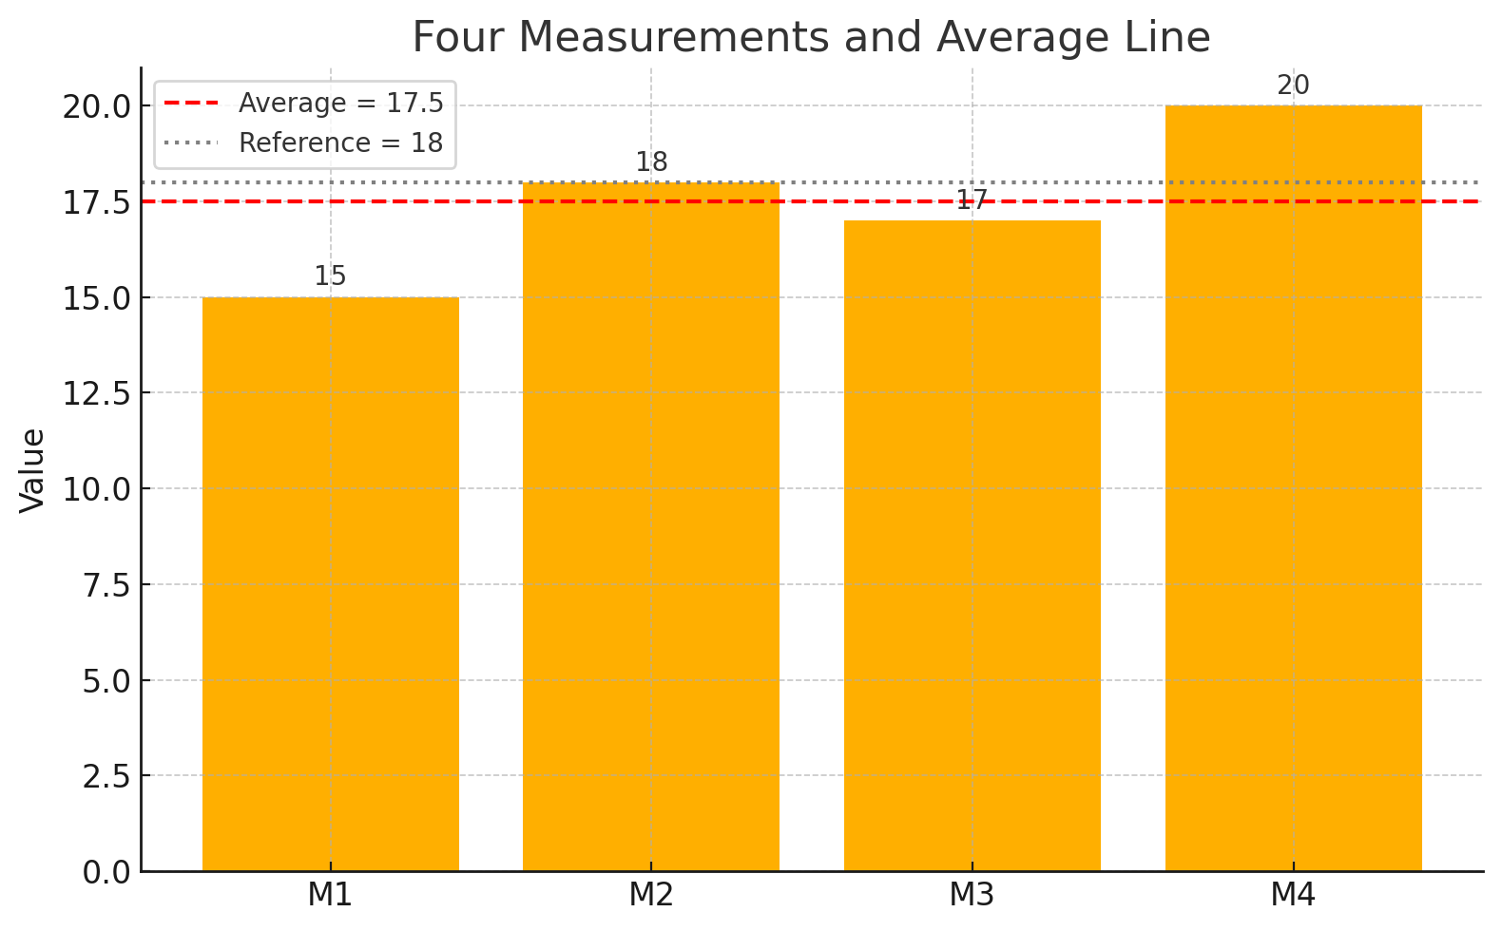
9 | 根据图中数值判断平均值是否低于某阈值。 | EAR Input: 数据点: [15, 18, 17, 20], 平均值阈值: <18 公式: Mean = sum/4 = (15+18+17+20)/4 = 17.5 表达式: val1 ⋅ val2 ⋅ val3 ⋅ val4 ⋅ Mean / {Mean < 18} | 图表中显示了四个测量值：15、18、17 和 20。平均值是否小于 18？ | Type C (中英文对照) | Step 1: Mean = (15 + 18 + 17 + 20) / 4 = 70 / 4 = 17.5 Step 2: 17.5 < 18 ⇒ Yes
10 | 模糊描述中找出逻辑一致解释。 | EAR Input: Statement: “He is taller than everyone in the team” Clarification: Is he in the team? Constraint: Comparative implies external reference | If someone says "He is taller than everyone in the team", does it imply he is part of the team? | Type D | Step 1: Comparative phrase "taller than everyone" suggests exclusion Step 2: Hence, he is not in the team ⇒ No

20
No. | Description | EAR + Algebraic Input | Standard LLM Input | Type | Ground-truth trace
1 | 推理哪位医生负责最多的患者。 | EAR输入： DoctorA ⋅ (Patient1 | Patient2) DoctorB ⋅ (Patient3 | Patient4 | Patient5) DoctorC ⋅ (Patient6 | Patient7) | DoctorA is responsible for Patient1 and Patient2. DoctorB handles Patient3, Patient4, and Patient5. DoctorC treats Patient6 and Patient7. Which doctor is responsible for the most patients? | Type A（结构推理） | Count(DoctorA) = 2 Count(DoctorB) = 3 Count(DoctorC) = 2 → Max = DoctorB
2 | 确定组织中的最高级管理者。 | EAR输入：CEO ⋅ (CTO ⋅ (DevLead ⋅ Dev1 | Dev2) | CFO ⋅ Accountant) | In a company structure, Dev1 and Dev2 report to DevLead, who reports to CTO. Accountant reports to CFO. CTO and CFO report to CEO. Who is the top-level executive? | Type A（结构推理） | All chains → end at CEO → Top-level = CEO
3 | 判断会议安排是否冲突。 | EAR输入：MeetingA ⋅ (Start=9am ⋅ End=10am) MeetingB ⋅ (Start=9:30am ⋅ End=10:30am) Constraint: End(MeetingA) ≤ Start(MeetingB) | Meeting A runs from 9:00am to 10:00am. Meeting B is scheduled from 9:30am to 10:30am. Do the meetings conflict? | Type B（约束推理） | EndA = 10:00am > StartB = 9:30am → Constraint violated → Conflict = Yes
4 | 计算员工每日工时是否超出限制。 | EAR输入：Monday: WorkHours = 9 Constraint: WorkHours ≤ 8 | An employee worked 9 hours on Monday. The maximum allowed per day is 8 hours. Was the limit exceeded? | Type B（约束推理） | 9 > 8 → Exceeded = Yes
5 | 从柱状图中提取销售最大产品。 | EAR输入（图表结构化）： ProductA: 80 ProductB: 120 ProductC: 100 Max(Product) = ? | Based on the bar chart, ProductA sold 80 units, ProductB sold 120 units, and ProductC sold 100 units. Which product sold the most? | Type C（图表类） | Max = ProductB (120)
6 | 从折线图判断增长拐点。 | EAR输入（图表结构化）： Year1: 200 Year2: 250 Year3: 240 Growth reversed between Year2 and Year3 | In a line chart, revenue is 200 in Year1, 250 in Year2, and 240 in Year3. Identify the year where growth declined. | Type C（图表类） | 250 > 240 → Decline after Year2
7 | 判断“他”指代谁。 | EAR输入： John gave the book to Mike because he [was interested] Disambiguate(he) → Mike | John gave the book to Mike because he was interested. Who does 'he' refer to? | Type D（歧义消解） | Context: book receiver = Mike Interest implied → Mike
8 | 判断“那天”是哪一天。 | EAR输入："She visited on Monday, and said she’d return in two days. She came back that day." Infer: Return day = Wednesday | She visited on Monday, said she'd return in two days, and she came back that day. What day did she return? | Type D（模糊推理） | Monday + 2 days = Wednesday → Return = Wednesday
9 | 推断谁是“她的母亲”。 | EAR输入：Alice is the daughter of Clara. Who is Alice’s mother? → Clara | Alice is the daughter of Clara. Who is her mother? | Type D（模糊推理） | Daughter → Clara is mother → Answer = Clara
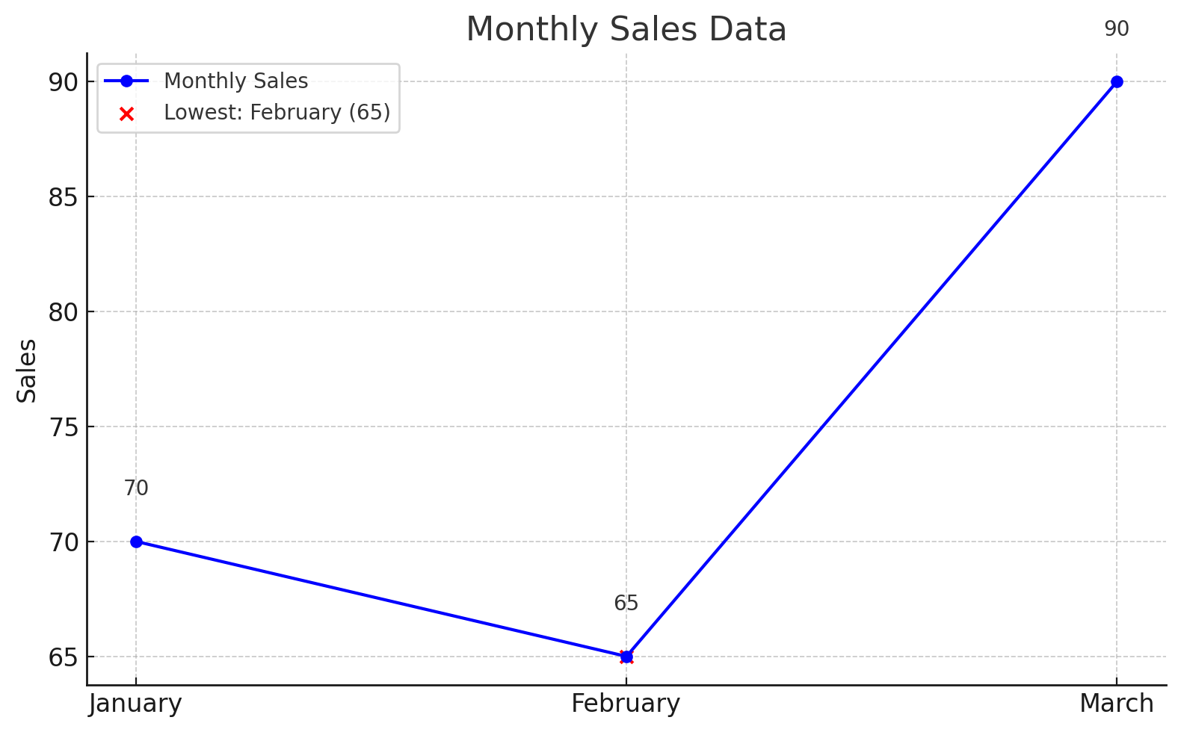
10 | 分析折线图中最低销售月份（中文变体）。 | EAR输入（结构）： 一月：70，二月：65，三月：90 Min(月份) = 二月 | 以下为三个月销售数据：一月70，二月65，三月90。哪个月最低？ | Type C（图表类 + 中文） | 最小 = 二月 (65)

22
No. | Description | EAR + Algebraic Input | Standard LLM Input | Type | Ground-truth trace
1 | 判断某角色的职能从属结构。 | EAR输入：Manager → Supervisor → Staff | In a company hierarchy, the Manager supervises the Supervisor, who supervises the Staff. Who is at the lowest level? | Type A（结构推理） | Staff ← Supervisor ← Manager → Lowest = Staff
2 | 推断书籍分类层级中哪个是上层类别。 | EAR输入：Genre: Fiction → Category: Mystery → Subtype: Detective | In the book classification hierarchy, Fiction includes Mystery, and Mystery includes Detective. What is the top-level genre? | Type A（结构推理） | Detective ⊂ Mystery ⊂ Fiction → Top = Fiction
3 | 判断是否违反最大重量限制。 | EAR输入：Item1: 2.5kg, Item2: 3.2kg, Limit: 5kg Total = 5.7kg > 5kg → Invalid | If Item1 weighs 2.5kg and Item2 weighs 3.2kg, and your baggage limit is 5kg, will it be allowed? | Type B（数值约束） | 2.5 + 3.2 = 5.7 > 5 → Exceeds limit → No
4 | 验证某人是否能在时间窗口内完成两项任务。 | EAR输入：TaskA: 9:00–10:30, TaskB: 10:00–11:00 Overlap → Conflict → Invalid | John has two tasks: TaskA from 9:00–10:30, TaskB from 10:00–11:00. Can he do both? | Type B（逻辑约束） | Overlap: 10:00–10:30 → Conflict → No
5 | 从柱状图读取峰值项。 | EAR输入：Sales: Jan – 300, Feb – 450, Mar – 390 Max = Feb | Based on the bar chart, which month had the highest sales: Jan (300), Feb (450), Mar (390)? | Type C（图表类） | Max value = Feb → Highest sales = Feb
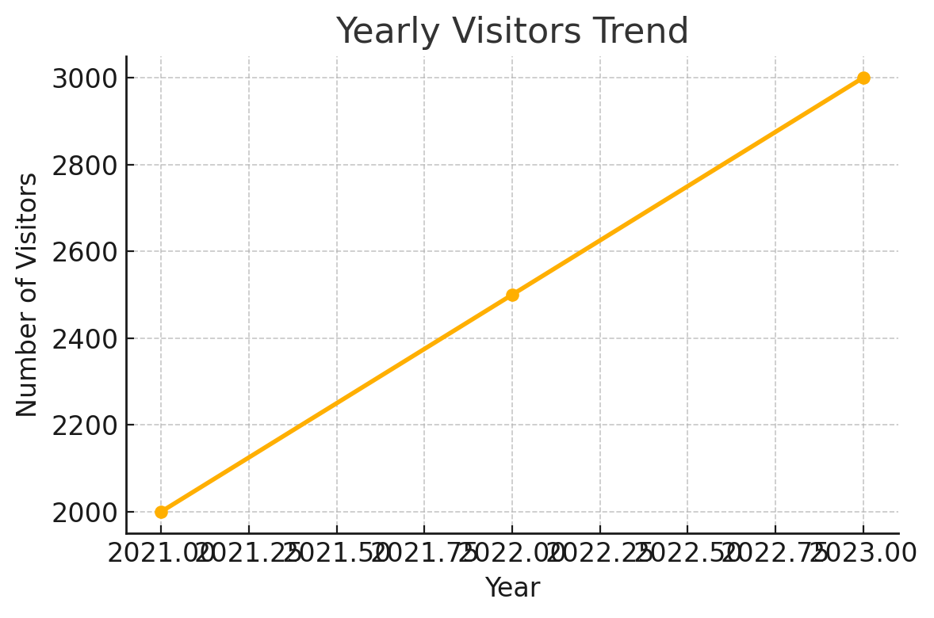
6 | 识别增长趋势（表格类） | EAR输入：Year: 2021 → 2022 → 2023 Visitors: 2000 → 2500 → 3000 Trend = Increase | 来访人数如下：2021年2000人，2022年2500人，2023年3000人。这个趋势如何？ | Type C（中英混合图表推理） | 2000 < 2500 < 3000 → Increasing trend → Yes
7 | 判断 pronoun 指代谁。 | EAR输入：Alice scolded Tina because she forgot the keys. "she" = Tina | Alice scolded Tina because she forgot the keys. Who forgot the keys? | Type D（歧义消解） | Logical: Tina's action caused scolding → “she” = Tina
8 | 判断是否满足模糊要求。 | EAR输入：Temperature = 37.4°C Constraint: Normal < 37.5°C Result = Within Normal | If someone’s temperature is 37.4°C, and the normal range is below 37.5°C, is it considered normal? | Type D（模糊逻辑） | 37.4 < 37.5 → Yes → Normal
9 | 判断是否可视为“大多数”。 | EAR输入：7 out of 10 doctors agree Constraint: majority ≥ 6 Valid = True | If 7 out of 10 doctors agree on a treatment, does that count as a majority? | Type D（模糊量词判断） | 7/10 ≥ 60% → Majority = Yes
10 | 图表中的最大值对应哪项。 | EAR输入：Bar heights: A = 5cm, B = 8cm, C = 6cm Max = B | A bar chart shows three bars with heights: A = 5cm, B = 8cm, C = 6cm. Which is the tallest? | Type C（视觉–数值结合） | 8cm is tallest → Answer = B

23
No. | Description | EAR + Algebraic Input | Standard LLM Input | Type | Ground-truth trace
1 | 判断谁是最顶层指挥官。 | EAR输入：General → Colonel → Captain → Soldier Top-level = General | In the army hierarchy: Soldier reports to Captain, Captain reports to Colonel, Colonel reports to General. Who is at the top? | Type A（结构推理） | Soldier ← Captain ← Colonel ← General → General = Top-level
2 | 判断产品分类最小子类。 | EAR输入： 分类：电子产品 → 手机 → 智能手机 | 在电子产品的分类体系中，手机是电子产品的一个子类，智能手机是手机的子类。哪个是最小类别？ | Type A（多语言层级推理） | 智能手机 ⊂ 手机 ⊂ 电子产品 → 最小类 = 智能手机
3 | 判断是否超出配额限制。 | EAR 输入： x = 6, Constraint: x > 5 and x < 6 ⇒ False Expression: x / {x > 5 ∧ x < 6} +C10 | Department A used 40 units, B used 45, and C used 20. If the quota is 100 units, was the quota exceeded? | Type B（数值约束） | 40 + 45 + 20 = 105 > 100 → Exceeded → Yes
4 | 判断预算是否足够。 | EAR输入： 预算：¥1000 花费：电脑 ¥600，打印机 ¥300，外设 ¥180 总支出 ¥1080 > 预算 → 不足 | If a student has a ¥1000 budget and buys a laptop for ¥600, a printer for ¥300, and accessories for ¥180, is the budget sufficient? | Type B（中英混合） | 600 + 300 + 180 = ¥1080 > ¥1000 → No
5 | 识别数据异常点。 | EAR输入： Table: Day1 – 22°C, Day2 – 21°C, Day3 – 35°C Anomaly = Day3 | Given a temperature table: Day1 – 22°C, Day2 – 21°C, Day3 – 35°C. Which day is anomalous? | Type C（图像–表格推理） | Day3 = 35°C, far from mean (≈22°C) → Outlier → Day3
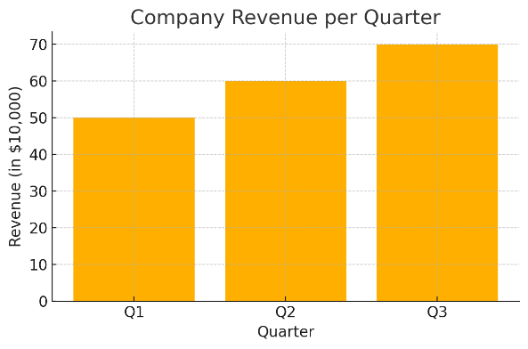
6 | 图表判断收入增长。 | EAR输入： Revenue: Q1 = $500K, Q2 = $600K, Q3 = $700K Trend: Increasing | 图表中公司在Q1、Q2和Q3的收入分别为50万、60万和70万美元。趋势是什么？ | Type C（中图中问） | 500K < 600K < 700K → Trend = Upward
7 | 消解指代歧义。 | EAR输入： Mike insulted Kevin because he was jealous. "he" = Mike (Mike felt jealous) | Mike insulted Kevin because he was jealous. Who was jealous? | Type D（指代模糊） | Causal structure → Mike’s jealousy → he = Mike
8 | 判断是否符合“大部分”标准。 | EAR输入： 8 out of 12 students passed Constraint: Majority ≥ 7 Majority = True | If 8 out of 12 students passed an exam, does it qualify as most students? | Type D（量词模糊） | 8/12 = 66.7% > 50% → Yes
9 | 判断体温是否偏高。 | EAR输入： Normal range = 36.0–37.2°C Input: 37.3°C → Slightly high | A body temperature of 37.3°C – is it within normal limits (36.0–37.2)? | Type D（模糊范围界定） | 37.3 > 37.2 → Slightly elevated → Not normal
10 | 结合图表与歧义判断趋势。 | EAR输入： Graph: Sales A = 200, B = 250, C = 240 Question: "Is the trend consistent?" Reasoning: B > A, C < B → Not monotonic → No | A line graph shows sales over three months: A (200), B (250), C (240). Is the sales trend consistent? | Type C+D（图+歧义联动） | Increase then slight drop → Not strictly increasing → No

